PovertyReport
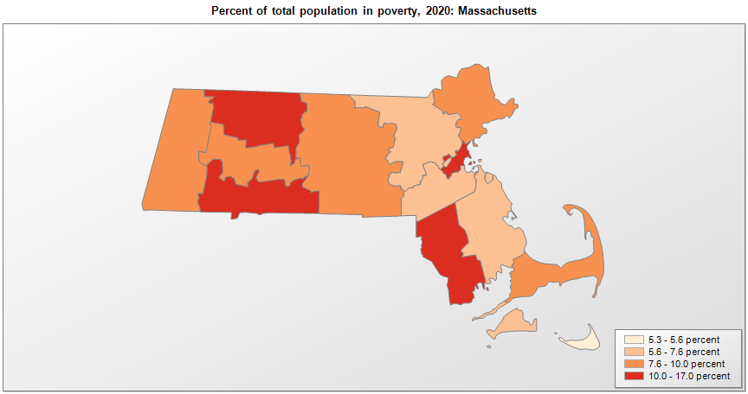
 | Percent | Number
 |  |  |  | All people in poverty (2020) |  |  | Children ages 0-17 in poverty (2020)
 |  |  |  |  | 90% confidence interval of estimate |  |  | 90% confidence interval of estimate
FIPS* |  | Name | RUC Code | Percent | Lower Bound | Upper Bound | Percent | Lower Bound | Upper Bound
25000 |  | Massachusetts |  | 9.4 | 9.1 | 9.7 | 10.9 | 10.2 | 11.6
25001 |  | Barnstable | 3 | 7.7 | 6.2 | 9.2 | 9.5 | 6.6 | 12.4
25003 |  | Berkshire | 3 | 10 | 7.7 | 12.3 | 14.6 | 10.5 | 18.7
25005 |  | Bristol | 1 | 10.1 | 8.9 | 11.3 | 12.6 | 10.1 | 15.1
25007 |  | Dukes | 7 | 7.5 | 5.6 | 9.4 | 10 | 6.7 | 13.3
25009 |  | Essex | 1 | 9 | 7.9 | 10.1 | 11.2 | 9 | 13.4
25011 |  | Franklin | 4 | 10.7 | 8.5 | 12.9 | 13.7 | 9.6 | 17.8
25013 |  | Hampden | 2 | 14.3 | 12.6 | 16 | 20.4 | 16.7 | 24.1
25015 |  | Hampshire | 2 | 9.3 | 7.2 | 11.4 | 8.4 | 5.8 | 11
25017 |  | Middlesex | 1 | 7.1 | 6.4 | 7.8 | 7.3 | 6.2 | 8.4
25019 |  | Nantucket | 7 | 5.3 | 3.9 | 6.7 | 4.6 | 3.1 | 6.1
25021 |  | Norfolk | 1 | 5.9 | 5 | 6.8 | 4.7 | 3.5 | 5.9
25023 |  | Plymouth | 1 | 7.2 | 5.9 | 8.5 | 7.3 | 5.2 | 9.4
25025 |  | Suffolk | 1 | 16.5 | 15.3 | 17.7 | 20.5 | 17.3 | 23.7
25027 |  | Worcester | 2 | 9.5 | 8.4 | 10.6 | 10.8 | 8.7 | 12.9

See the county-level poverty rates from the 1990 and 2000 Census of Population. See important notes about intercensal model-based poverty estimates. The 2013 rural-urban continuum codes classify metropolitan counties (codes 1 through 3) by size of the Metropolitan Statistical Area (MSA), and nonmetropolitan counties (codes 4 through 9) by degree of urbanization and proximity to metro areas. See rural-urban continuum codes for precise definitions of each code. Source: Census Bureau, Small Area Income and Poverty Estimates.

*See the Census Bureau web site for a description of FIPS codes.

