Sheet1
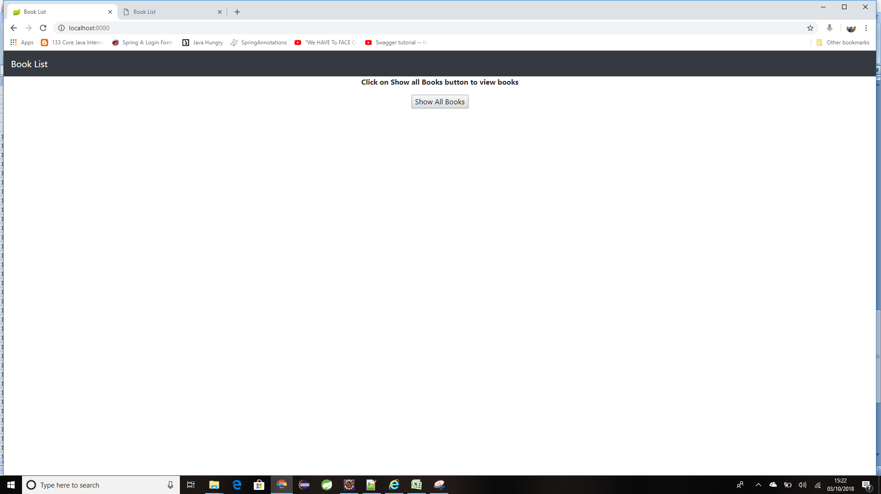
Requirement To Do Activities

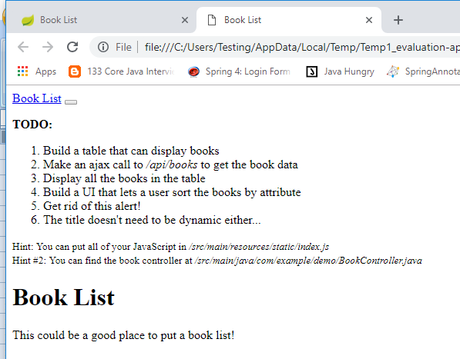

Test Results:

Helth Check

Display All Books : ajax call will be routed to spring boot application and retrives the data from H2 Database

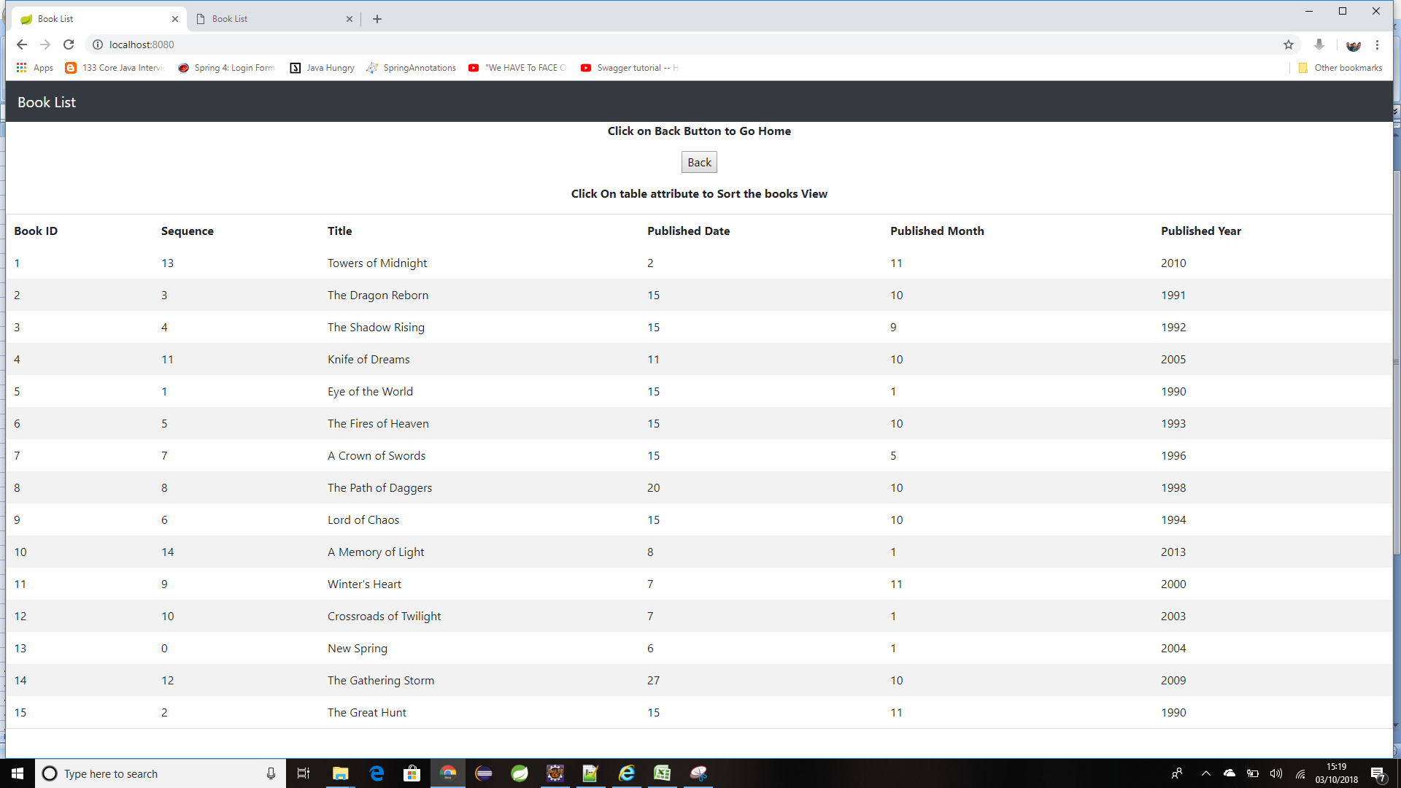

Alter Books by Attribute name: | Book Title

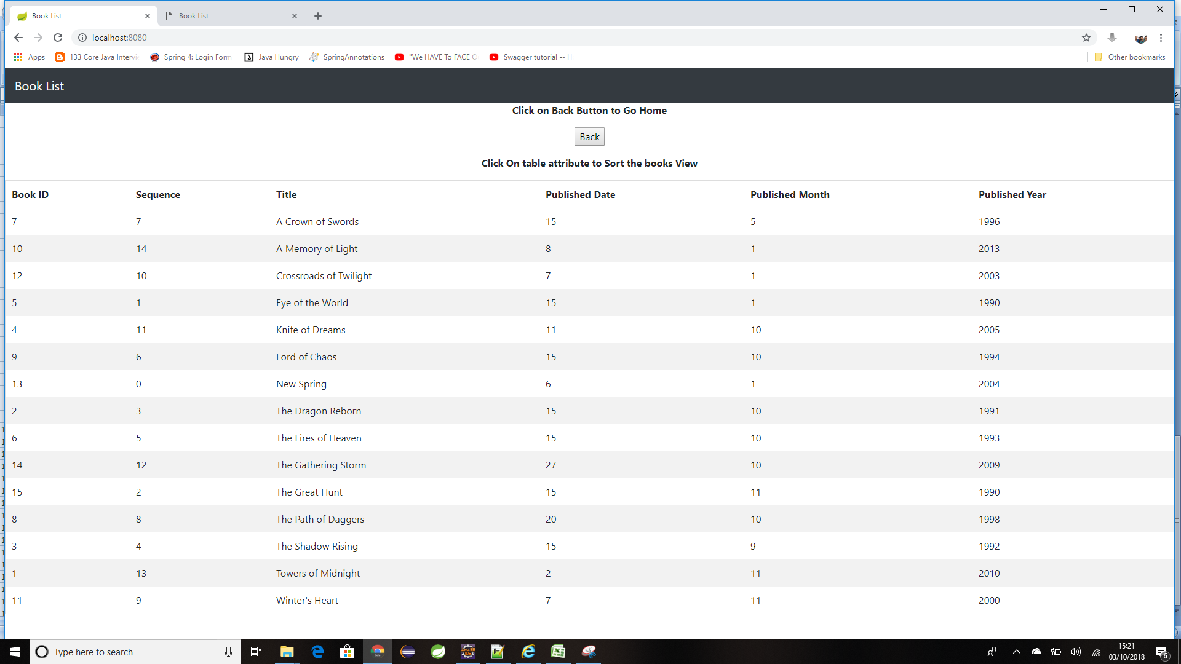

Going Back to the previous Menu:

