Container Key
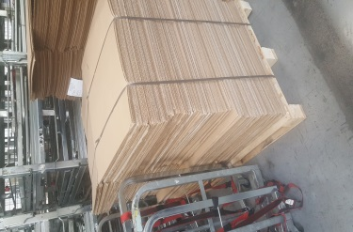
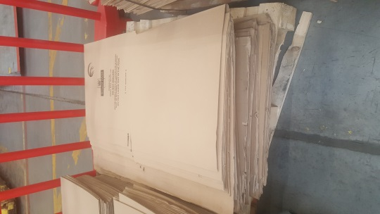
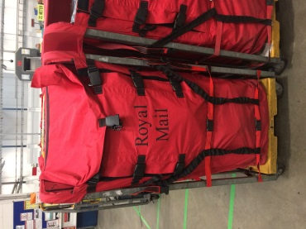
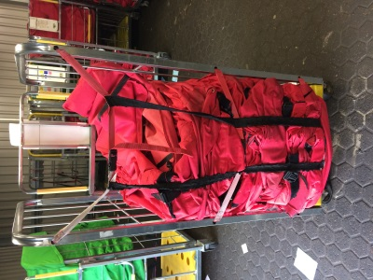
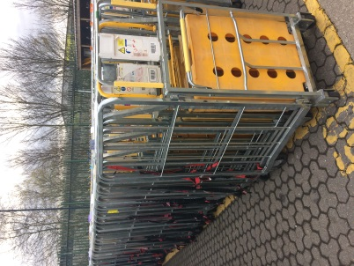
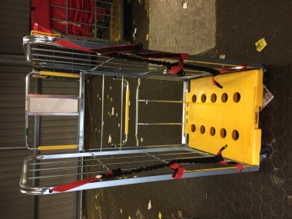
York – Cardboard Sides
York – Cardboard Bases
York – Cardboard Supports
Pallet – Cardboard Sides
Pallet – Cardboard Bases
Pallet – Cardboard Supports
York - Built
York - Nested
Red Sleeve- Built
Red Sleeve -Condensed

