PfCM_S_salmon4
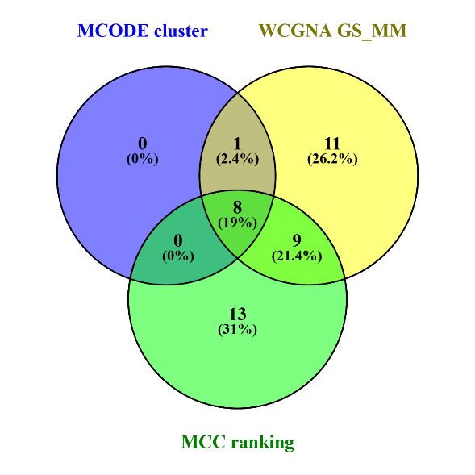
8 common elements in "MCODE cluster", "WCGNA GS_MM" and "MCC ranking": | Mcode_cluster | MCC_ranking | GS_score | GS_pvalue | MM_score | Kwithin | Ktotal | Gene_name
PF3D7_1241300 | Cluster 1 | 1 | 0.608 | 0.0016 | 0.9177 | 2.3001428143 | 2.5892806266 | ribosome-binding factor A, putative
PF3D7_1127800 | Cluster 1 | 4 | 0.6647 | 0.0004 | 0.9588 | 1.0971235121 | 1.2491630817 | TFIIS central domain-containing protein, putative
PF3D7_1227300 | Cluster 1 | 5 | 0.6922 | 0.0002 | 0.945 | 1.6029470874 | 2.746633176 | conserved Plasmodium protein, unknown function
PF3D7_0413500 | Cluster 2 | 8 | 0.5037 | 0.0121 | 0.9146 | 1.8249137162 | 4.0908956845 | phosphoglucomutase-2
PF3D7_0103800 | Cluster 2 | 9 | 0.4311 | 0.0354 | 0.9051 | 1.5915709067 | 4.9604628712 | actin-related protein ARP1, putative
PF3D7_0712200 | Cluster 1 | 18 | 0.6304 | 0.001 | 0.9567 | 1.6751591637 | 1.9054053981 | rifin, pseudogene
PF3D7_1431900 | Cluster 1 | 20 | 0.5704 | 0.0036 | 0.9484 | 2.1361446371 | 2.3835611477 | inner membrane complex suture component, putative
PF3D7_0407600 | Cluster 2 | 30 | 0.4012 | 0.052 | 0.9228 | 1.3368985161 | 2.4649973899 | conserved Plasmodium protein, unknown function

PfCM_S_darkorange
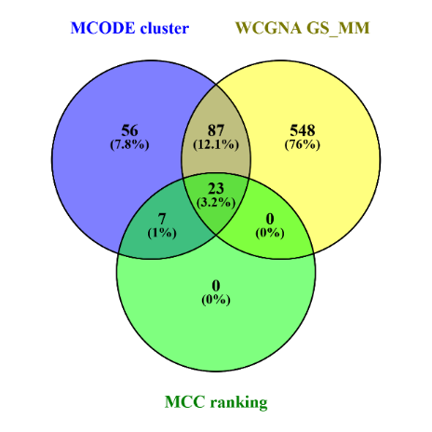
23 common elements in "MCODE cluster", "WCGNA GS_MM" and "MCC ranking": | Mcode_cluster | MCC_ranking | GS_score | GS_pvalue | MM_score | Kwithin | Ktotal | Gene_name
PF3D7_1120700 | Cluster 1 | 1 | 0.272 | 0.1985 | 0.8978 | 104.53419398 | 122.56227885 | conserved Plasmodium protein, unknown function
PF3D7_1145200 | Cluster 1 | 2 | 0.2428 | 0.2529 | 0.8863 | 89.362798178 | 109.04766975 | serine/threonine protein kinase, putative
PF3D7_1247800 | Cluster 1 | 3 | 0.2962 | 0.1599 | 0.9501 | 110.12659389 | 129.3353726 | dipeptidyl aminopeptidase 2
PF3D7_1453100 | Cluster 1 | 5 | 0.3226 | 0.1242 | 0.9236 | 89.017655808 | 107.7299431 | dynactin subunit 4, putative
PF3D7_0715200 | Cluster 1 | 6 | 0.3348 | 0.1098 | 0.931 | 119.89353066 | 139.41368446 | conserved Plasmodium protein, unknown function
PF3D7_1471700 | Cluster 1 | 7 | 0.258 | 0.2235 | 0.9173 | 89.592730189 | 108.78483739 | conserved Plasmodium protein, unknown function
PF3D7_0805800 | Cluster 1 | 8 | 0.2726 | 0.1975 | 0.9146 | 76.125518635 | 94.008580041 | CH domain-containing protein
PF3D7_1028900 | Cluster 1 | 9 | 0.3341 | 0.1106 | 0.8995 | 74.616470815 | 93.765484685 | inner membrane complex protein 1m, putative
PF3D7_1471600 | Cluster 1 | 12 | 0.3064 | 0.1454 | 0.931 | 50.851453531 | 59.172000286 | apical polar ring protein APR2, putative
PF3D7_0705800 | Cluster 1 | 13 | 0.2294 | 0.2809 | 0.925 | 97.873209829 | 118.20702864 | cysteine-rich secretory protein
PF3D7_1222800 | Cluster 1 | 15 | 0.2681 | 0.2054 | 0.886 | 43.137099404 | 60.953384524 | conserved Plasmodium protein, unknown function
PF3D7_0904200 | Cluster 1 | 16 | 0.2158 | 0.3112 | 0.8818 | 65.741569952 | 76.345890743 | PH domain-containing protein, putative
PF3D7_0828600 | Cluster 1 | 17 | 0.4066 | 0.0487 | 0.9472 | 128.57555626 | 141.23555145 | folate transporter 1
PF3D7_1206500 | Cluster 1 | 18 | 0.2358 | 0.2674 | 0.9644 | 111.90949557 | 121.67381567 | Tat binding protein 1(TBP-1)-interacting protein, putative
PF3D7_0827200 | Cluster 1 | 20 | 0.2726 | 0.1975 | 0.9344 | 95.167771847 | 111.90128796 | conserved Plasmodium protein, unknown function
PF3D7_1475500 | Cluster 1 | 22 | 0.216 | 0.3108 | 0.9358 | 118.481058 | 131.00431439 | LCCL domain-containing protein
PF3D7_1236500 | Cluster 1 | 23 | 0.2457 | 0.2472 | 0.8976 | 87.254478282 | 101.02562046 | conserved Plasmodium protein, unknown function
PF3D7_1435200 | Cluster 1 | 24 | 0.3072 | 0.1442 | 0.9534 | 107.56906329 | 127.31483373 | conserved protein, unknown function
PF3D7_1341800 | Cluster 1 | 25 | 0.296 | 0.1602 | 0.9531 | 107.13627503 | 123.38770245 | inner membrane complex protein 1k, putative
PF3D7_1358600 | Cluster 1 | 26 | 0.2537 | 0.2316 | 0.9509 | 95.792595027 | 111.19921398 | zinc finger protein, putative
PF3D7_1006300 | Cluster 1 | 27 | 0.2188 | 0.3043 | 0.8465 | 69.652736124 | 81.73683215 | conserved Plasmodium protein, unknown function
PF3D7_0825800 | Cluster 1 | 28 | 0.2434 | 0.2518 | 0.8549 | 81.829974876 | 100.18553424 | PH-like domain-containing protein, putative
PF3D7_0525900 | Cluster 1 | 30 | 0.2975 | 0.1581 | 0.9422 | 100.67316297 | 110.05346043 | NIMA related kinase 2

PfHD_S_black_used

28 common elements in "MCODE cluster", "WCGNA GS_MM" and "MCC ranking": | Mcode_cluster | MCC_ranking | GS_score | GS_pvalue | MM_score | Kwithin | Ktotal | Gene_name
PF3D7_1311200 | Cluster 1 | 2 | 0.6342 | 0.0009 | 0.9397 | 166.59105353 | 196.12836261 | transducin beta-like protein TBL1, putative
PF3D7_1126000 | Cluster 1 | 3 | 0.5211 | 0.009 | 0.9334 | 153.62467385 | 188.59034543 | threonine--tRNA ligase
PF3D7_0919100 | Cluster 1 | 4 | 0.6931 | 0.0002 | 0.9497 | 178.3818892 | 209.39080583 | DnaJ protein, putative
PF3D7_0913200 | Cluster 1 | 5 | 0.5802 | 0.003 | 0.9058 | 163.66387577 | 198.8211454 | elongation factor 1-beta
PF3D7_1033100 | Cluster 1 | 6 | 0.6358 | 0.0008 | 0.931 | 186.65438263 | 215.48933701 | S-adenosylmethionine decarboxylase/ornithine decarboxylase
PF3D7_1104000 | Cluster 1 | 7 | 0.5531 | 0.0051 | 0.9752 | 170.11509953 | 200.0753558 | phenylalanine--tRNA ligase beta subunit
PF3D7_1445200 | Cluster 1 | 8 | 0.6677 | 0.0004 | 0.9612 | 175.39328942 | 204.88990779 | ATP-dependent RNA helicase MAK5, putative
PF3D7_1407300 | Cluster 1 | 9 | 0.6214 | 0.0012 | 0.9728 | 171.46344313 | 197.19922004 | pre-mRNA-splicing factor 38B, putative
PF3D7_0308900 | Cluster 1 | 10 | 0.5928 | 0.0023 | 0.9811 | 179.94331908 | 210.26279336 | splicing factor 3B subunit 1, putative
PF3D7_1337300 | Cluster 1 | 11 | 0.5558 | 0.0048 | 0.8646 | 139.93568791 | 169.03401277 | exoribonuclease, putative
PF3D7_1361200 | Cluster 1 | 12 | 0.6309 | 0.0009 | 0.9821 | 172.13128947 | 195.32862249 | conserved Plasmodium protein, unknown function
PF3D7_1442500 | Cluster 1 | 13 | 0.629 | 0.001 | 0.8161 | 163.95209495 | 189.97087758 | geranylgeranyl transferase type-2 subunit alpha, putative
PF3D7_1359400 | Cluster 1 | 14 | 0.559 | 0.0045 | 0.9438 | 156.30353499 | 191.54761102 | CUGBP Elav-like family member 1
PF3D7_1202600 | Cluster 1 | 15 | 0.5927 | 0.0023 | 0.9728 | 160.895557 | 189.39163515 | nuclear export mediator factor NEMF, putative
PF3D7_0802400 | Cluster 1 | 16 | 0.5668 | 0.0039 | 0.9787 | 161.19995873 | 191.13846 | cyclin-like protein, putative
PF3D7_0406000 | Cluster 1 | 17 | 0.6095 | 0.0016 | 0.8703 | 140.93590902 | 171.61855685 | conserved protein, unknown function
PF3D7_1306400 | Cluster 1 | 18 | 0.6598 | 0.0005 | 0.803 | 154.86654515 | 176.51648248 | 26S protease regulatory subunit 10B, putative
PF3D7_0517700 | Cluster 1 | 19 | 0.5615 | 0.0043 | 0.9694 | 173.13475052 | 205.71447783 | eukaryotic translation initiation factor 3 subunit B, putative
PF3D7_1446500 | Cluster 1 | 20 | 0.6699 | 0.0003 | 0.969 | 173.00936634 | 198.22202351 | nucleoporin NUP313, putative
PF3D7_0610900 | Cluster 1 | 21 | 0.5609 | 0.0044 | 0.9528 | 149.24668509 | 172.83697421 | transcription elongation factor SPT5, putative
PF3D7_1130600 | Cluster 1 | 23 | 0.6717 | 0.0003 | 0.9498 | 159.83561185 | 182.58456613 | tRNA:m(4)X modification enzyme TRM13, putative
PF3D7_1008100 | Cluster 1 | 24 | 0.5561 | 0.0048 | 0.9205 | 145.12415472 | 173.01258042 | PHD finger protein PHD1
PF3D7_1234100 | Cluster 1 | 25 | 0.6746 | 0.0003 | 0.9138 | 139.66971202 | 165.27881091 | bromodomain protein 5
PF3D7_0307800 | Cluster 1 | 26 | 0.557 | 0.0047 | 0.9138 | 126.66976115 | 157.37246461 | PDZ domain-containing protein, putative
PF3D7_1311400 | Cluster 1 | 27 | 0.5345 | 0.0071 | 0.8535 | 145.5325437 | 175.99775885 | AP-1 complex subunit mu-1
PF3D7_0524900 | Cluster 1 | 28 | 0.5941 | 0.0022 | 0.9475 | 153.71136285 | 181.97160936 | S-adenosyl-L-methionine-dependent tRNA 4-demethylwyosine synthase, putative
PF3D7_0622200 | Cluster 1 | 29 | 0.5469 | 0.0057 | 0.8938 | 147.15930449 | 174.77910316 | tRNA-2-methylthio-N(6)-dimethylallyladenosine synthase
PF3D7_1420400 | Cluster 1 | 30 | 0.6392 | 0.0008 | 0.9586 | 172.05887838 | 201.84456601 | glycine--tRNA ligase

AS_PfCM_purple
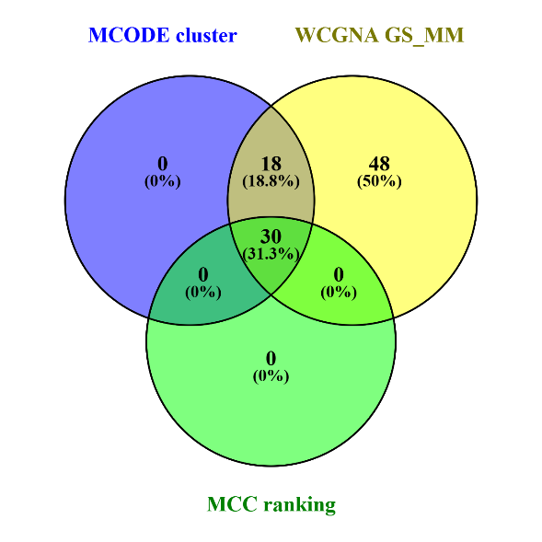
30 common elements in "MCODE cluster", "WCGNA GS_MM" and "MCC ranking": | Mcode_cluster | MCC_ranking | GS_absScore | GS_pvalue | MM_absScore | Kwithin | Ktotal | Gene_name
PF3D7_0501900 | Cluster 1 | 1 | 0.6888 | 0.0002 | 0.9889 | 20.280926487 | 22.897376473 | trafficking protein particle complex subunit 13, putative
PF3D7_1022100 | Cluster 1 | 2 | 0.685 | 0.0002 | 0.9865 | 16.198371296 | 17.49080339 | methyltransferase, putative
PF3D7_1116300 | Cluster 1 | 3 | 0.6133 | 0.0014 | 0.9776 | 15.02008975 | 16.433974674 | peptidyl-prolyl cis-trans isomerase
PF3D7_0604700 | Cluster 1 | 4 | 0.645 | 0.0007 | 0.9271 | 19.50418936 | 21.949155005 | glyoxalase I-like protein GILP
PF3D7_0613900 | Cluster 1 | 5 | 0.6661 | 0.0004 | 0.9462 | 16.722118332 | 21.75854642 | myosin E, putative
PF3D7_1019600 | Cluster 1 | 6 | 0.6704 | 0.0003 | 0.9718 | 16.090974941 | 21.31369984 | conserved Plasmodium protein, unknown function
PF3D7_0923800 | Cluster 1 | 7 | 0.5918 | 0.0023 | 0.9915 | 16.105284174 | 19.384224616 | thioredoxin reductase
PF3D7_0915000 | Cluster 1 | 8 | 0.6088 | 0.0016 | 0.9925 | 14.441933857 | 18.07809913 | type II NADH:ubiquinone oxidoreductase
PF3D7_1017100 | Cluster 1 | 9 | 0.6565 | 0.0005 | 0.9886 | 18.951514882 | 21.364801563 | rhoptry neck protein 12
PF3D7_1428600 | Cluster 1 | 10 | 0.6232 | 0.0011 | 0.9636 | 14.735405208 | 19.349970003 | peptide chain release factor 1
PF3D7_1318100 | Cluster 1 | 11 | 0.647 | 0.0006 | 0.9937 | 18.420012592 | 20.462774726 | ferredoxin
PF3D7_0312100 | Cluster 1 | 12 | 0.7111 | 0.0001 | 0.9641 | 18.444001536 | 20.544417636 | E3 ubiquitin-protein ligase
PF3D7_0935500 | Cluster 1 | 13 | 0.6425 | 0.0007 | 0.9877 | 17.638235685 | 20.727923387 | Plasmodium exported protein, unknown function
PF3D7_0301500 | Cluster 1 | 14 | 0.6995 | 0.0001 | 0.9874 | 16.29781398 | 17.615423741 | Plasmodium exported protein, unknown function
PF3D7_0523200 | Cluster 1 | 15 | 0.5031 | 0.0122 | 0.8719 | 7.564983746 | 8.7023276827 | heptatricopeptide repeat-containing protein, putative
PF3D7_0814700 | Cluster 1 | 16 | 0.5756 | 0.0032 | 0.9677 | 12.579033044 | 15.157673446 | conserved Plasmodium protein, unknown function
PF3D7_1305300 | Cluster 1 | 17 | 0.6021 | 0.0019 | 0.9414 | 5.5412370903 | 6.341962029 | translational activator GCN1, putative
PF3D7_1202500 | Cluster 1 | 18 | 0.701 | 0.0001 | 0.987 | 16.074237906 | 17.21790947 | trimethylguanosine synthase, putative
PF3D7_1367100 | Cluster 1 | 19 | 0.5778 | 0.0031 | 0.9713 | 11.757097877 | 13.315801846 | U1 small nuclear ribonucleoprotein 70 kDa homolog, putative
PF3D7_0508500 | Cluster 1 | 20 | 0.6089 | 0.0016 | 0.9731 | 12.751960754 | 15.607495977 | ND6 protein, putative
PF3D7_0923700 | Cluster 1 | 21 | 0.6074 | 0.0016 | 0.984 | 12.333040159 | 15.480963707 | CFAP298 domain-containing protein, putative
PF3D7_1411300 | Cluster 1 | 22 | 0.6738 | 0.0003 | 0.9766 | 14.69604516 | 16.196992122 | DnaJ protein, putative
PF3D7_0829900 | Cluster 1 | 23 | 0.5925 | 0.0023 | 0.9691 | 7.4249356271 | 8.7104470779 | non-coding RNA
PF3D7_1403400 | Cluster 1 | 24 | 0.636 | 0.0008 | 0.9671 | 10.241850308 | 11.64176804 | dynein regulatory complex protein, putative
PF3D7_0609500 | Cluster 1 | 25 | 0.5644 | 0.0041 | 0.9588 | 7.6257425947 | 8.5304252502 | conserved Plasmodium protein, unknown function
PF3D7_0801900 | Cluster 2 | 26 | 0.5183 | 0.0095 | 0.9228 | 5.0786555335 | 6.448241946 | lysine-specific histone demethylase, putative
PF3D7_0302300 | Cluster 1 | 27 | 0.6816 | 0.0002 | 0.9198 | 11.573231446 | 13.442658352 | erythrocyte membrane protein 1 (PfEMP1), pseudogene
PF3D7_0831100 | Cluster 1 | 28 | 0.6451 | 0.0007 | 0.9774 | 15.099767846 | 16.363370395 | surface-associated interspersed protein 8.1 (SURFIN 8.1)
PF3D7_0621350 | Cluster 1 | 29 | 0.646 | 0.0006 | 0.9246 | 13.077544125 | 14.067580635 | protein SYS1, putative
PF3D7_0404200 | Cluster 1 | 30 | 0.6215 | 0.0012 | 0.9679 | 11.639260541 | 13.519215217 | conserved Plasmodium protein, unknown function

PfHD_AS_midnightblue

28 common elements in "MCODE cluster", "WCGNA GS_MM" and "MCC ranking": | Mcode_cluster | MCC_ranking | GS_score | GS_pvalue | MM_score | Kwithin | Ktotal | Gene_name
PF3D7_0909300 | Cluster 1 | 1 | 0.9327 | 0.439 | 0.9327 | 20.021267794 | 27.512813448 | apoptosis-related protein
PF3D7_1137000 | Cluster 1 | 2 | 0.9025 | 0.2969 | 0.9025 | 14.466755748 | 18.115726145 | U2 spliceosomal RNA
PF3D7_1309100 | Cluster 1 | 3 | 0.9437 | 0.3586 | 0.9437 | 19.21494203 | 23.785561744 | 60S ribosomal protein L24, putative
PF3D7_1328700 | Cluster 1 | 4 | 0.8973 | 0.3758 | 0.8973 | 19.185333039 | 22.971031852 | Plasmodium RNA of unknown function RUF1
PF3D7_1372200 | Cluster 1 | 5 | 0.8817 | 0.3305 | 0.8817 | 10.747862349 | 12.923750717 | histidine-rich protein III
PF3D7_1243600 | Cluster 1 | 6 | 0.9701 | 0.3792 | 0.9701 | 18.736740602 | 27.48723476 | translation initiation factor SUI1, putative
PF3D7_0209700 | Cluster 1 | 7 | 0.9572 | 0.4139 | 0.9572 | 16.732165706 | 23.351436898 | RING zinc finger protein, putative
PF3D7_0317000 | Cluster 1 | 8 | 0.9344 | 0.5691 | 0.9344 | 14.518390986 | 32.701519003 | proteasome subunit alpha type-3, putative
PF3D7_1453000 | Cluster 1 | 9 | 0.8979 | 0.4998 | 0.8979 | 17.348403804 | 26.84488221 | conserved Plasmodium protein, unknown function
PF3D7_0608500 | Cluster 2 | 10 | 0.966 | 0.472 | 0.966 | 18.536974691 | 25.925948947 | proteasome subunit alpha type-2, putative
PF3D7_1112000 | Cluster 1 | 11 | 0.9421 | 0.5894 | 0.9421 | 19.74792888 | 35.677421772 | conserved protein, unknown function
PF3D7_0925900 | Cluster 1 | 12 | 0.9179 | 0.4144 | 0.9179 | 18.705912105 | 27.375458746 | lipocalin
PF3D7_0910300 | Cluster 1 | 13 | 0.8975 | 0.4774 | 0.8975 | 16.562909514 | 21.050561153 | conserved protein, unknown function
PF3D7_0703700 | Cluster 1 | 14 | 0.9619 | 0.5796 | 0.9619 | 17.633111653 | 34.962254932 | conserved protein, unknown function
PF3D7_1424500 | Cluster 1 | 15 | 0.9043 | 0.4924 | 0.9043 | 15.848216143 | 43.78714252 | small nucleolar RNA snoR27
PF3D7_0619900 | Cluster 1 | 16 | 0.9396 | 0.512 | 0.9396 | 16.213902248 | 24.878138883 | splicing factor 3A subunit 2, putative
PF3D7_0935000 | Cluster 1 | 17 | 0.9288 | 0.4115 | 0.9288 | 17.79606438 | 31.893467215 | U2 small nuclear ribonucleoprotein B'', putative
PF3D7_0405600 | Cluster 1 | 18 | 0.9171 | 0.552 | 0.9171 | 19.240758346 | 26.89186832 | TMEM33 domain-containing protein, putative
PF3D7_1465400 | Cluster 2 | 19 | 0.8943 | 0.3235 | 0.8943 | 12.686277198 | 31.652210253 | conserved protein, unknown function
PF3D7_0302900 | Cluster 1 | 20 | 0.8901 | 0.4703 | 0.8901 | 8.7387761953 | 11.553207416 | exportin-1, putative
PF3D7_0831800 | Cluster 1 | 21 | 0.8789 | 0.3121 | 0.8789 | 10.918097795 | 13.314377908 | histidine-rich protein II
PF3D7_0532300 | Cluster 1 | 22 | 0.8806 | 0.49 | 0.8806 | 16.155663164 | 25.699424449 | Plasmodium exported protein (PHISTb), unknown function
PF3D7_1129100 | Cluster 1 | 23 | 0.8692 | 0.4556 | 0.8692 | 14.329361724 | 21.884091547 | parasitophorous vacuolar protein 1
PF3D7_0314500 | Cluster 2 | 26 | 0.9614 | 0.5943 | 0.9614 | 14.685148849 | 29.780036621 | conserved Plasmodium protein, unknown function
PF3D7_1439900 | Cluster 1 | 27 | 0.9614 | 0.3684 | 0.9614 | 15.293709027 | 29.281200281 | triosephosphate isomerase
PF3D7_1109800 | Cluster 1 | 28 | 0.9305 | 0.3258 | 0.9305 | 14.236250927 | 17.961220256 | small nucleolar RNA snoR12
PF3D7_0419600 | Cluster 2 | 29 | 0.8663 | 0.256 | 0.8663 | 10.066225919 | 19.886712343 | ran-specific GTPase-activating protein 1, putative
PF3D7_1226300 | Cluster 1 | 30 | 0.834 | 0.352 | 0.834 | 12.252506593 | 16.230876387 | haloacid dehalogenase-like hydrolase, putative

