Permissible_Shear
 | Sediment Entrainment and Competency - Tractive Force Calculations

 |  |  | Starting Flow Depth | Flow Depth Interval (ft) | Di design (inch) | Slope (ft/ft) | Slope interval |  | Width (ft) | Width/Depth | Guidance |  | Competency = max particle size moved by combination of depth and slope
 |  |  | 2 | 0.1 | 6 | 0.001 | 0.001 |  | 40 | 20 | D is OK

 |  | Range for Flow Depth (ft)
 |  | 2 | 2.1 | 2.2 | 2.3 | 2.4 | 2.5 | 2.6 | 2.7 | 2.8 | 2.9 | 3

 |  | Range for R (ft)

 |  | Range of Top Width (ft)

 |  | Range for Dmean bkf (ft)
 |  | 2 | 2.1 | 2.2 | 2.3 | 2.4 | 2.5 | 2.6 | 2.7 | 2.8 | 2.9 | 3

 |  | Set the Basis for Shear Stress Calculations : Flow Depth (Wide Channel) or Hydraulic Radius
 |  | Wide Channel (Flow Depth)

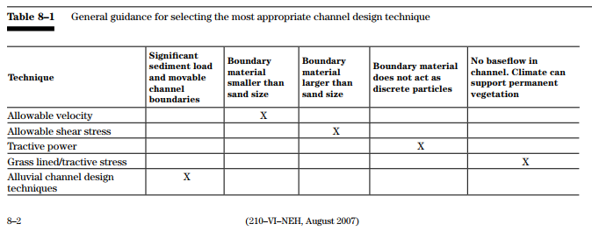

 |  | Equation Applicability
 |  | Equation | Di lower | Di Upper | Derivation | Notes
 |  | Andrews, Rosgen |  |  | Field | Rosgen modified Andrews Equation and set application limits
 |  | Shields, 1936 |  |  | Flume | Flume study using different density substances
 |  | LWM 1964 |  |  | Flume + Field | Compilation of Field and Flume Studies
 |  | USFWS 2008 |  |  | Shields | Similar to Fischenlich, Mathematical Compuations of Shields
 |  | Fischenlich 2001 |  |  | Shields | Mathmatical calculations of Shields

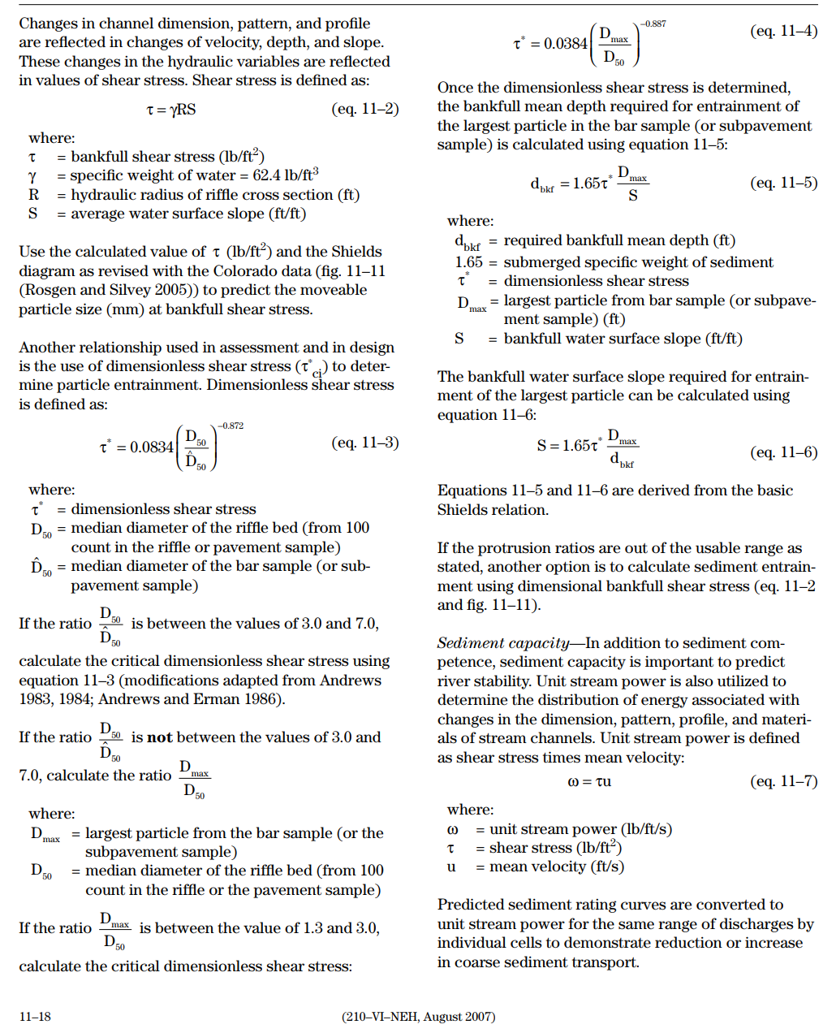
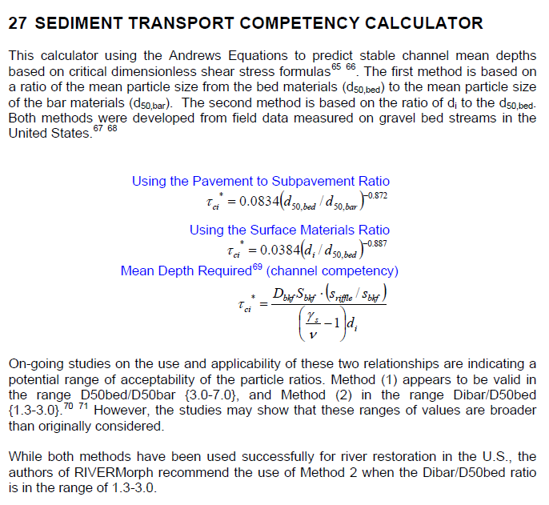
 |  | Rosgen Application of Andrews Equation (competency)
 |  | Largest Particle (dmax, di) moved by Bankfull Mean Depth (in)
 |  | #REF! |  |  |  |  |  |  |  |  |  |  | Sediment Competency Input Variables and Equation Selection
 |  |  |  |  |  |  |  |  |  |  |  |  | Value | Variable | Definition
BKF Mean Depth (Ft) |  | 2 | 2.1 | 2.2 | 2.3 | 2.4 | 2.5 | 2.6 | 2.7 | 2.8 | 2.9 | 3 | #REF! | d50,bed (mm) | D50 Bed Material (D50 from riffle pebble count)
Hydraulic Radius (ft) |  | 0 | 0 | 0 | 0 | 0 | 0 | 0 | 0 | 0 | 0 | 0 | #REF! | d50,sub bar (mm) | Bar Sample D50 Or Subpavement D50 (Use Representative)
Flow Depth (ft) |  | 2.00 | 2.10 | 2.20 | 2.30 | 2.40 | 2.50 | 2.60 | 2.70 | 2.80 | 2.90 | 3.00 | #REF! | PSR Ratio | Use PSR, if 3 < PSR < 7
Slope (ft/ft) | 0.001 | #REF! | #REF! | #REF! | #REF! | #REF! | #REF! | #REF! | #REF! | #REF! | #REF! | #REF!
 | 0.002 | #REF! | #REF! | #REF! | #REF! | #REF! | #REF! | #REF! | #REF! | #REF! | #REF! | #REF! | #REF! | di or dmax (mm) | Largest Particle from Bar Sample or Subpavement Sample
 | 0.003 | #REF! | #REF! | #REF! | #REF! | #REF! | #REF! | #REF! | #REF! | #REF! | #REF! | #REF! | #REF! | SMR Ratio | Use SMR, if 1.30 < SMR < 3
 | 0.004 | #REF! | #REF! | #REF! | #REF! | #REF! | #REF! | #REF! | #REF! | #REF! | #REF! | #REF!
 | 0.005 | #REF! | #REF! | #REF! | #REF! | #REF! | #REF! | #REF! | #REF! | #REF! | #REF! | #REF! | SURFACE MATERIALS RATIO (SMR) |  |  |  | PAVEMENT TO SUBPAVEMENT RATIO (PSR)
 | 0.006 | #REF! | #REF! | #REF! | #REF! | #REF! | #REF! | #REF! | #REF! | #REF! | #REF! | #REF! | tci = 0.0384(di/d50)-0.887 |  |  |  | tci = 0.0834(di/d50)-0.872
 | 0.007 | #REF! | #REF! | #REF! | #REF! | #REF! | #REF! | #REF! | #REF! | #REF! | #REF! | #REF! | #REF! | Equation | 3 < PSR < 7 OR 1.30 < SMR < 3
 | 0.008 | #REF! | #REF! | #REF! | #REF! | #REF! | #REF! | #REF! | #REF! | #REF! | #REF! | #REF! | #REF! | tci | Critical Dimensionless Shear Stress
 | 0.009 | #REF! | #REF! | #REF! | #REF! | #REF! | #REF! | #REF! | #REF! | #REF! | #REF! | #REF!
 | 0.01 | #REF! | #REF! | #REF! | #REF! | #REF! | #REF! | #REF! | #REF! | #REF! | #REF! | #REF! | Bankfull Mean Depth Required for Entrainment of Largest Particle in Bar Sample:
 | 0.011 | #REF! | #REF! | #REF! | #REF! | #REF! | #REF! | #REF! | #REF! | #REF! | #REF! | #REF! | dr = (tci*1.65*Di)/Se
 | 0.012 | #REF! | #REF! | #REF! | #REF! | #REF! | #REF! | #REF! | #REF! | #REF! | #REF! | #REF! | 1.65 = submerged specific weight of sediment
 | 0.013 | #REF! | #REF! | #REF! | #REF! | #REF! | #REF! | #REF! | #REF! | #REF! | #REF! | #REF! | Value | Variable | Definition
 | 0.014 | #REF! | #REF! | #REF! | #REF! | #REF! | #REF! | #REF! | #REF! | #REF! | #REF! | #REF! | #REF! | tci | Critical Dimensionless Shear Stress
 | 0.015 | #REF! | #REF! | #REF! | #REF! | #REF! | #REF! | #REF! | #REF! | #REF! | #REF! | #REF! | #REF! | Di (ft) | Largest particle from bar sample
 | 0.016 | #REF! | #REF! | #REF! | #REF! | #REF! | #REF! | #REF! | #REF! | #REF! | #REF! | #REF! | 0.010 | Se (ft/ft) | Proposed Bankfull Water Surface Slope
 | 0.017 | #REF! | #REF! | #REF! | #REF! | #REF! | #REF! | #REF! | #REF! | #REF! | #REF! | #REF! | #REF! | dr (ft) | Bankfull Mean Depth Required to move Largest Particle
 | 0.018 | #REF! | #REF! | #REF! | #REF! | #REF! | #REF! | #REF! | #REF! | #REF! | #REF! | #REF! | 2.0 | de (ft) | Existing Bankfull Mean Depth (from riffle cross section)
 | 0.019 | #REF! | #REF! | #REF! | #REF! | #REF! | #REF! | #REF! | #REF! | #REF! | #REF! | #REF! | #REF! | de/dr | Ratio of Existing Mean Depth to Required Mean Depth
 | 0.02 | #REF! | #REF! | #REF! | #REF! | #REF! | #REF! | #REF! | #REF! | #REF! | #REF! | #REF! | Check one:

 |  |  |  |  |  |  |  |  |  |  |  |  | Bankfull Water Surface Slope Required for Entrainment of Largest Particle in Bar Sample:
 |  |  |  |  |  |  |  |  |  |  |  |  | Sr = (tci*1.65*Di)/de
 |  |  |  |  |  |  |  |  |  |  |  |  | 1.65 = submerged specific weight of sediment
 |  |  |  |  |  |  |  |  |  |  |  |  | Value | Variable | Definition
 |  |  |  |  |  |  |  |  |  |  |  |  | #REF! | tci | Critical Dimensionless Shear Stress
 |  |  |  |  |  |  |  |  |  |  |  |  | #REF! | Di (ft) | Largest particle from bar sample
 |  |  |  |  |  |  |  |  |  |  |  |  | 2.00 | de (ft) | Existing Bankfull Mean Depth (from riffle cross section)
 |  |  |  |  |  |  |  |  |  |  |  |  | #REF! | Sr (ft/ft) | Bankfull Water Surface Slope Required for Entrainment of Largest Particle
 |  |  |  |  |  |  |  |  |  |  |  |  | #REF! | Se/Sr | Ratio of Existing Slope to Required Slope
 |  |  |  |  |  |  |  |  |  |  |  |  | Check one:

 |  |  |  |  |  |  |  |  |  |  |  |  | Sediment Transport Validation
 |  |  |  |  |  |  |  |  |  |  |  |  | #REF! | Largest Particle in Bar Sample Di (mm)
 |  |  |  |  |  |  |  |  |  |  |  |  | 2.1 | Hydraulic Radius (ft) - Existing
 |  |  |  |  |  |  |  |  |  |  |  |  | 1.31 | Bankfull Shear Stress tc=gRS (lb/ft2) g = 62.4 R=Hydraulic Radius S=Slope
 |  |  |  |  |  |  |  |  |  |  |  |  | 103.33 | Moveable particle size (mm) at bankfull shear stress (predicted by the Shields Diagram: Blue field book: p238, Red field book: p190)

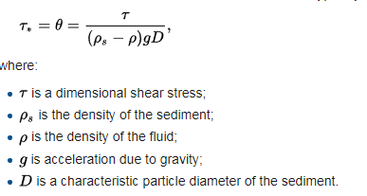
 |  |  |  |  |  |  |  |  |  |  |  |  | 185.46 | Moveable particle size (mm) at bankfull shear stress (predicted by Colorodo data from Rosgen Chapter 11, page 11-19)
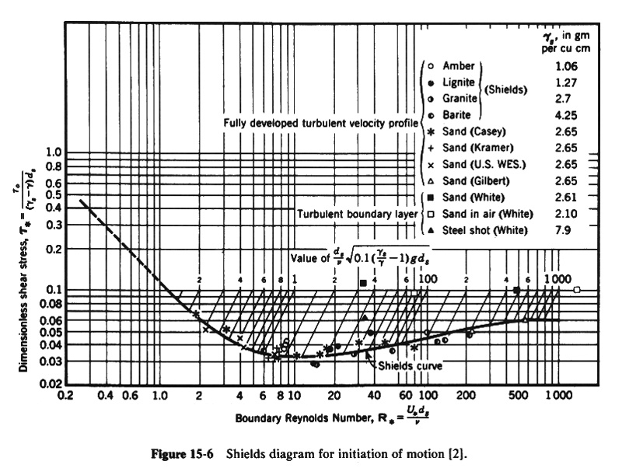

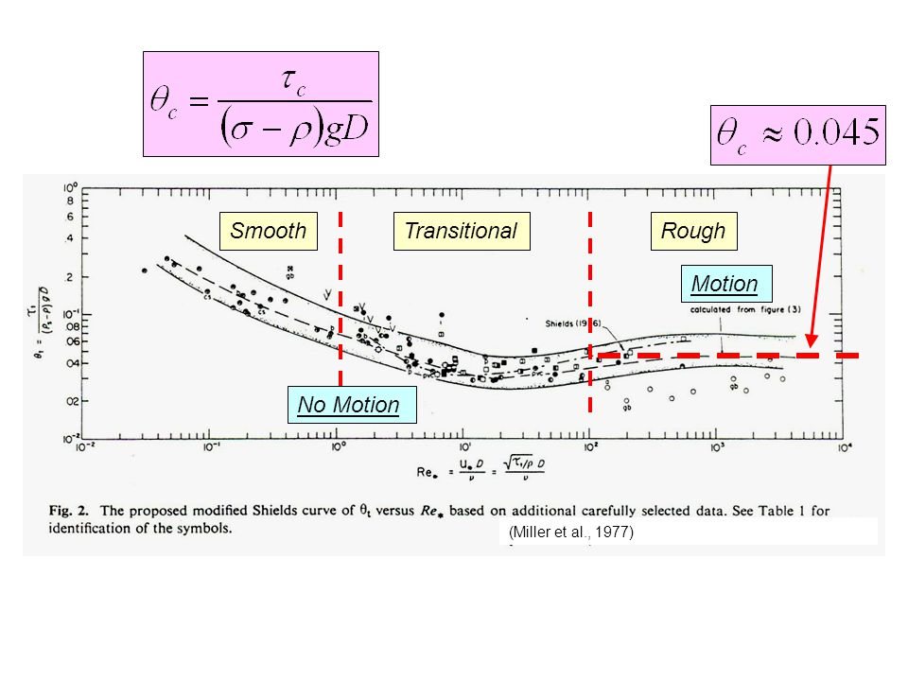
 |  | Shields Equation with Specified Shields Parameter
 |  | Largest Particle moved (in)
 |  | Shields Parameter |  |  |  |  |  |  |  |  |  |  | QUICK CALCULATOR |  |  |  |  |  | Ds=t / ((rs - r) g 0.06)(304.8)
 |  | 0.06 |  |  | Shield's parameter typically in the range of 0.045 to 0.06 |  |  |  |  |  |  |  |  |  |  |  |  | particle
 |  |  |  |  |  |  |  |  |  |  |  |  |  |  | Shields | slope | depth | size |  | Ds=diameter sediment particle (mm) |  | Threshold of Motion |  |  | metric units |  | conversion | English units with grain size in mm
Hydraulic Radius (ft) |  | 0 | 0 | 0 | 0 | 0 | 0 | 0 | 0 | 0 | 0 | 0 | Solve for: |  | parameter | (ft/ft) | (ft) | (mm) |  | t=shear stress=(rg)(depth)(slope) (lb/ft2) (N/m2)
Flow Depth (ft) |  | 2.00 | 2.10 | 2.20 | 2.30 | 2.40 | 2.50 | 2.60 | 2.70 | 2.80 | 2.90 | 3.00 | Shield's Parameter |  | 0.055262803738 | 0.01 | 3 | 100 |  | rs=density of sediment (5.15 slugs/ft3) or (2560 kg/m3) |  |  | depth | d | 1 | m | 3.28 | 3.3 | ft
Slope (ft/ft) | 0.001 | 0.2 | 0.3 | 0.3 | 0.3 | 0.3 | 0.3 | 0.3 | 0.3 | 0.3 | 0.4 | 0.4 |  |  |  |  |  |  |  | r=density of water (1.94 slugs/ft3) (1000 kg/m3) |  |  | slope | S | 0.005 | m/m | 1 | 0.005 | ft/ft
 | 0.002 | 0.5 | 0.5 | 0.5 | 0.6 | 0.6 | 0.6 | 0.6 | 0.7 | 0.7 | 0.7 | 0.7 | slope (ft/ft) |  |  | #DIV/0! |  |  |  | g=gravitational acceleration (32.2 ft/s2) (9.81 m/s2) |  |  | diameter sediment | ds | 0.032 | m | 1000 | 32 | mm
 | 0.003 | 0.7 | 0.8 | 0.8 | 0.8 | 0.9 | 0.9 | 0.9 | 1.0 | 1.0 | 1.1 | 1.1 |  |  |  |  |  |  |  | 0.06 = Shield's parameter typically in the range of 0.04 to 0.07
 | 0.004 | 1.0 | 1.0 | 1.1 | 1.1 | 1.2 | 1.2 | 1.3 | 1.3 | 1.4 | 1.4 | 1.5 | depth (ft) |  |  |  | #DIV/0! |  |  | Conversion Constant 304.8 mm/ft or 1000 mm/m |  |  | gravitational acceleration | g | 9.81 | m/sec2 | 3.28 | 32.2 | ft/sec2
 | 0.005 | 1.2 | 1.3 | 1.3 | 1.4 | 1.5 | 1.5 | 1.6 | 1.6 | 1.7 | 1.8 | 1.8 |  |  |  |  |  |  |  |  |  |  | density fluid | rf | 1000 | kg/m3 | 0.00194 | 1.94 | slugs/ft3
 | 0.006 | 1.5 | 1.5 | 1.6 | 1.7 | 1.7 | 1.8 | 1.9 | 2.0 | 2.0 | 2.1 | 2.2 | particle size (mm) |  |  |  |  | #DIV/0! | In gravel-bed streams at bankfull flow the particle at the threshold of |  |  |  | density sediment | rs | 2650 | kg/m3 | 0.00194 | 5.15 | slugs/ft3
 | 0.007 | 1.7 | 1.8 | 1.9 | 2.0 | 2.0 | 2.1 | 2.2 | 2.3 | 2.4 | 2.5 | 2.5 |  |  |  |  |  |  | motion is often near in size to the D50 of mobile bed surface material.
 | 0.008 | 1.9 | 2.0 | 2.1 | 2.2 | 2.3 | 2.4 | 2.5 | 2.6 | 2.7 | 2.8 | 2.9 |  |  |  |  |  |  |  |  |  |  | specific weight of water | γ | 9810 | N/m3 |  | 62.5 | lb/ft3
 | 0.009 | 2.2 | 2.3 | 2.4 | 2.5 | 2.6 | 2.7 | 2.8 | 2.9 | 3.1 | 3.2 | 3.3 | New Slope From Reference Channel |  |  |  |  |  |  |  |  |  |  |  | 1000 | kgf/m3
 | 0.01 | 2.4 | 2.5 | 2.7 | 2.8 | 2.9 | 3.0 | 3.2 | 3.3 | 3.4 | 3.5 | 3.6 | depth ref | 3.28 | ft
 | 0.011 | 2.7 | 2.8 | 2.9 | 3.1 | 3.2 | 3.3 | 3.5 | 3.6 | 3.7 | 3.9 | 4.0 | slope ref | 0.005 | ft/ft |  |  |  | Source |  | Shields Parameter |  | shear stress | t | 49.1 | N/m2 |  | 1.025 | lb/ft2
 | 0.012 | 2.9 | 3.1 | 3.2 | 3.3 | 3.5 | 3.6 | 3.8 | 3.9 | 4.1 | 4.2 | 4.4 | particle size ref | 32 | mm |  |  |  | Shields Chart - Fully Rough |  | 0.06 |  |  |  | 5.0 | kgf/m2
 | 0.013 | 3.2 | 3.3 | 3.5 | 3.6 | 3.8 | 3.9 | 4.1 | 4.3 | 4.4 | 4.6 | 4.7 | Shields parameter | 0.0944 |  |  |  |  | Miller 1977 |  | 0.045
 | 0.014 | 3.4 | 3.6 | 3.7 | 3.9 | 4.1 | 4.2 | 4.4 | 4.6 | 4.8 | 4.9 | 5.1 | depth new | 1.67 | ft |  |  |  |  |  |  |  | Shields parameter | τ*c | 0.095 | dimensionless |  | 0.095 | dimensionless
 | 0.015 | 3.6 | 3.8 | 4.0 | 4.2 | 4.4 | 4.5 | 4.7 | 4.9 | 5.1 | 5.3 | 5.5 | particle size new | 51 | mm |  |  |  | *There are many more equations and variations of Shields - See Buffington Paper for Summary
 | 0.016 | 3.9 | 4.1 | 4.3 | 4.5 | 4.7 | 4.8 | 5.0 | 5.2 | 5.4 | 5.6 | 5.8 | slope new | 0.0157 | ft/ft |  |  |  |  |  |  |  | Particle at threshold of motion | Dcr | 0.05 | m |  | 0.17 | ft
 | 0.017 | 4.1 | 4.3 | 4.5 | 4.7 | 4.9 | 5.2 | 5.4 | 5.6 | 5.8 | 6.0 | 6.2
 | 0.018 | 4.4 | 4.6 | 4.8 | 5.0 | 5.2 | 5.5 | 5.7 | 5.9 | 6.1 | 6.3 | 6.5
 | 0.019 | 4.6 | 4.8 | 5.1 | 5.3 | 5.5 | 5.8 | 6.0 | 6.2 | 6.4 | 6.7 | 6.9
 | 0.02 | 4.8 | 5.1 | 5.3 | 5.6 | 5.8 | 6.1 | 6.3 | 6.5 | 6.8 | 7.0 | 7.3

 |  | Leopold, Wolman, Miller 1964
 |  | Largest Particle moved (in)
Hydraulic Radius (ft) |  | 0 | 0 | 0 | 0 | 0 | 0 | 0 | 0 | 0 | 0 | 0
Flow Depth (ft) |  | 2.00 | 2.10 | 2.20 | 2.30 | 2.40 | 2.50 | 2.60 | 2.70 | 2.80 | 2.90 | 3.00
Slope (ft/ft) | 0.001 | 0.4 | 0.4 | 0.4 | 0.4 | 0.4 | 0.4 | 0.5 | 0.5 | 0.5 | 0.5 | 0.5
 | 0.002 | 0.7 | 0.8 | 0.8 | 0.8 | 0.9 | 0.9 | 1.0 | 1.0 | 1.0 | 1.1 | 1.1
 | 0.003 | 1.1 | 1.2 | 1.2 | 1.3 | 1.3 | 1.4 | 1.4 | 1.5 | 1.6 | 1.6 | 1.7
 | 0.004 | 1.5 | 1.6 | 1.6 | 1.7 | 1.8 | 1.9 | 2.0 | 2.0 | 2.1 | 2.2 | 2.3
 | 0.005 | 1.9 | 2.0 | 2.1 | 2.2 | 2.3 | 2.4 | 2.5 | 2.6 | 2.7 | 2.8 | 2.9
 | 0.006 | 2.3 | 2.4 | 2.5 | 2.6 | 2.7 | 2.9 | 3.0 | 3.1 | 3.2 | 3.3 | 3.5
 | 0.007 | 2.7 | 2.8 | 2.9 | 3.1 | 3.2 | 3.4 | 3.5 | 3.6 | 3.8 | 3.9 | 4.1
 | 0.008 | 3.1 | 3.2 | 3.4 | 3.5 | 3.7 | 3.9 | 4.0 | 4.2 | 4.4 | 4.5 | 4.7
 | 0.009 | 3.5 | 3.6 | 3.8 | 4.0 | 4.2 | 4.4 | 4.6 | 4.7 | 4.9 | 5.1 | 5.3
 | 0.01 | 3.9 | 4.1 | 4.3 | 4.5 | 4.7 | 4.9 | 5.1 | 5.3 | 5.5 | 5.7 | 5.9
 | 0.011 | 4.3 | 4.5 | 4.7 | 4.9 | 5.2 | 5.4 | 5.6 | 5.8 | 6.1 | 6.3 | 6.5
 | 0.012 | 4.7 | 4.9 | 5.2 | 5.4 | 5.7 | 5.9 | 6.1 | 6.4 | 6.6 | 6.9 | 7.1
 | 0.013 | 5.1 | 5.3 | 5.6 | 5.9 | 6.1 | 6.4 | 6.7 | 6.9 | 7.2 | 7.5 | 7.8
 | 0.014 | 5.5 | 5.8 | 6.1 | 6.4 | 6.6 | 6.9 | 7.2 | 7.5 | 7.8 | 8.1 | 8.4
 | 0.015 | 5.9 | 6.2 | 6.5 | 6.8 | 7.1 | 7.4 | 7.8 | 8.1 | 8.4 | 8.7 | 9.0
 | 0.016 | 6.3 | 6.6 | 7.0 | 7.3 | 7.6 | 8.0 | 8.3 | 8.6 | 9.0 | 9.3 | 9.6
 | 0.017 | 6.7 | 7.1 | 7.4 | 7.8 | 8.1 | 8.5 | 8.8 | 9.2 | 9.5 | 9.9 | 10.3
 | 0.018 | 7.1 | 7.5 | 7.9 | 8.3 | 8.6 | 9.0 | 9.4 | 9.8 | 10.1 | 10.5 | 10.9
 | 0.019 | 7.5 | 7.9 | 8.3 | 8.7 | 9.1 | 9.5 | 9.9 | 10.3 | 10.7 | 11.1 | 11.5
 | 0.02 | 8.0 | 8.4 | 8.8 | 9.2 | 9.6 | 10.0 | 10.5 | 10.9 | 11.3 | 11.7 | 12.1

 |  | Rosgen CO
 |  | Largest Particle moved (in)
Hydraulic Radius (ft) |  | 0 | 0 | 0 | 0 | 0 | 0 | 0 | 0 | 0 | 0 | 0
Flow Depth (ft) |  | 2.00 | 2.10 | 2.20 | 2.30 | 2.40 | 2.50 | 2.60 | 2.70 | 2.80 | 2.90 | 3.00
Slope (ft/ft) | 0.001 | 1.3 | 1.3 | 1.4 | 1.4 | 1.5 | 1.5 | 1.6 | 1.6 | 1.7 | 1.7 | 1.7
 | 0.002 | 2.2 | 2.2 | 2.3 | 2.4 | 2.5 | 2.5 | 2.6 | 2.7 | 2.8 | 2.8 | 2.9
 | 0.003 | 2.9 | 3.0 | 3.1 | 3.2 | 3.3 | 3.4 | 3.5 | 3.6 | 3.7 | 3.8 | 3.9
 | 0.004 | 3.6 | 3.7 | 3.9 | 4.0 | 4.1 | 4.2 | 4.4 | 4.5 | 4.6 | 4.7 | 4.8
 | 0.005 | 4.2 | 4.4 | 4.5 | 4.7 | 4.8 | 5.0 | 5.1 | 5.3 | 5.4 | 5.6 | 5.7
 | 0.006 | 4.8 | 5.0 | 5.2 | 5.4 | 5.5 | 5.7 | 5.9 | 6.0 | 6.2 | 6.4 | 6.5
 | 0.007 | 5.4 | 5.6 | 5.8 | 6.0 | 6.2 | 6.4 | 6.6 | 6.8 | 6.9 | 7.1 | 7.3
 | 0.008 | 6.0 | 6.2 | 6.4 | 6.6 | 6.8 | 7.0 | 7.3 | 7.5 | 7.7 | 7.9 | 8.1
 | 0.009 | 6.5 | 6.8 | 7.0 | 7.2 | 7.5 | 7.7 | 7.9 | 8.1 | 8.3 | 8.6 | 8.8
 | 0.01 | 7.0 | 7.3 | 7.6 | 7.8 | 8.1 | 8.3 | 8.5 | 8.8 | 9.0 | 9.3 | 9.5
 | 0.011 | 7.6 | 7.8 | 8.1 | 8.4 | 8.6 | 8.9 | 9.2 | 9.4 | 9.7 | 9.9 | 10.2
 | 0.012 | 8.1 | 8.3 | 8.6 | 8.9 | 9.2 | 9.5 | 9.8 | 10.0 | 10.3 | 10.6 | 10.9
 | 0.013 | 8.5 | 8.9 | 9.2 | 9.5 | 9.8 | 10.1 | 10.4 | 10.7 | 10.9 | 11.2 | 11.5
 | 0.014 | 9.0 | 9.4 | 9.7 | 10.0 | 10.3 | 10.6 | 10.9 | 11.3 | 11.6 | 11.9 | 12.2
 | 0.015 | 9.5 | 9.8 | 10.2 | 10.5 | 10.9 | 11.2 | 11.5 | 11.8 | 12.2 | 12.5 | 12.8
 | 0.016 | 10.0 | 10.3 | 10.7 | 11.0 | 11.4 | 11.7 | 12.1 | 12.4 | 12.7 | 13.1 | 13.4
 | 0.017 | 10.4 | 10.8 | 11.2 | 11.5 | 11.9 | 12.3 | 12.6 | 13.0 | 13.3 | 13.7 | 14.0
 | 0.018 | 10.9 | 11.3 | 11.6 | 12.0 | 12.4 | 12.8 | 13.2 | 13.5 | 13.9 | 14.3 | 14.6
 | 0.019 | 11.3 | 11.7 | 12.1 | 12.5 | 12.9 | 13.3 | 13.7 | 14.1 | 14.5 | 14.8 | 15.2
 | 0.02 | 11.7 | 12.2 | 12.6 | 13.0 | 13.4 | 13.8 | 14.2 | 14.6 | 15.0 | 15.4 | 15.8

 |  | USFWS 2008
 |  | Largest Particle moved (in)
Hydraulic Radius (ft) |  | 0 | 0 | 0 | 0 | 0 | 0 | 0 | 0 | 0 | 0 | 0
Flow Depth (ft) |  | 2.00 | 2.10 | 2.20 | 2.30 | 2.40 | 2.50 | 2.60 | 2.70 | 2.80 | 2.90 | 3.00
Slope (ft/ft) | 0.001 | 0.7 | 0.7 | 0.7 | 0.7 | 0.8 | 0.8 | 0.8 | 0.9 | 0.9 | 0.9 | 1.0
 | 0.002 | 1.3 | 1.3 | 1.4 | 1.4 | 1.5 | 1.5 | 1.6 | 1.6 | 1.7 | 1.7 | 1.8
 | 0.003 | 1.8 | 1.9 | 2.0 | 2.0 | 2.1 | 2.2 | 2.3 | 2.4 | 2.5 | 2.5 | 2.6 | Class | D (mm) | D (mm) | D (inch) | T* | Tc lb/ft^2 | Avg D (in)
 | 0.004 | 2.3 | 2.5 | 2.6 | 2.7 | 2.8 | 2.9 | 3.0 | 3.1 | 3.2 | 3.3 | 3.4 | VFG | 2 | 4 | 0.16 | 0.039 | 0.026 | 0.11811023622
 | 0.005 | 2.9 | 3.0 | 3.1 | 3.3 | 3.4 | 3.5 | 3.7 | 3.8 | 3.9 | 4.1 | 4.2 | FG | 4 | 8 | 0.31 | 0.042 | 0.057 | 0.23622047244
 | 0.006 | 3.4 | 3.6 | 3.7 | 3.9 | 4.1 | 4.2 | 4.4 | 4.5 | 4.7 | 4.9 | 5.0 | MG | 8 | 16 | 0.63 | 0.044 | 0.12 | 0.47244094488
 | 0.007 | 3.9 | 4.1 | 4.3 | 4.5 | 4.7 | 4.9 | 5.1 | 5.2 | 5.4 | 5.6 | 5.8 | CG | 16 | 32 | 1.26 | 0.047 | 0.25 | 0.94488188976
 | 0.008 | 4.5 | 4.7 | 4.9 | 5.1 | 5.3 | 5.5 | 5.7 | 5.9 | 6.2 | 6.4 | 6.6 | VCG | 32 | 64 | 2.52 | 0.05 | 0.54 | 1.8897637795
 | 0.009 | 5.0 | 5.2 | 5.5 | 5.7 | 5.9 | 6.2 | 6.4 | 6.6 | 6.9 | 7.1 | 7.3 | SC | 64 | 128 | 5.04 | 0.052 | 1.13 | 3.7795275591
 | 0.01 | 5.5 | 5.8 | 6.1 | 6.3 | 6.6 | 6.8 | 7.1 | 7.3 | 7.6 | 7.9 | 8.1 | LC | 128 | 256 | 10.08 | 0.054 | 2.34 | 7.5590551181
 | 0.011 | 6.1 | 6.3 | 6.6 | 6.9 | 7.2 | 7.5 | 7.8 | 8.1 | 8.3 | 8.6 | 8.9 | SB | 256 | 512 | 20.16 | 0.054 | 4.67 | 15.118110236
 | 0.012 | 6.6 | 6.9 | 7.2 | 7.5 | 7.8 | 8.1 | 8.4 | 8.8 | 9.1 | 9.4 | 9.7 | MB | 512 | 1024 | 40.31 | 0.054 | 9.34 | 30.236220472
 | 0.013 | 7.1 | 7.4 | 7.8 | 8.1 | 8.4 | 8.8 | 9.1 | 9.5 | 9.8 | 10.1 | 10.5 | LB | 1024 | 2048 | 80.63 | 0.054 | 18.68 | 60.472440945
 | 0.014 | 7.6 | 8.0 | 8.3 | 8.7 | 9.1 | 9.4 | 9.8 | 10.2 | 10.5 | 10.9 | 11.3 | VLB | 2048 |  | 0.00 | 0.054 | 37.37 | 80.62992126
 | 0.015 | 8.1 | 8.5 | 8.9 | 9.3 | 9.7 | 10.1 | 10.5 | 10.9 | 11.3 | 11.7 | 12.1
 | 0.016 | 8.6 | 9.1 | 9.5 | 9.9 | 10.3 | 10.8 | 11.2 | 11.6 | 12.0 | 12.5 | 12.9
 | 0.017 | 9.2 | 9.6 | 10.1 | 10.5 | 11.0 | 11.4 | 11.9 | 12.3 | 12.8 | 13.3 | 13.7
 | 0.018 | 9.7 | 10.2 | 10.6 | 11.1 | 11.6 | 12.1 | 12.6 | 13.1 | 13.6 | 14.0 | 14.5
 | 0.019 | 10.2 | 10.7 | 11.2 | 11.8 | 12.3 | 12.8 | 13.3 | 13.8 | 14.3 | 14.8 | 15.3
 | 0.02 | 10.8 | 11.3 | 11.8 | 12.4 | 12.9 | 13.5 | 14.0 | 14.5 | 15.1 | 15.6 | 16.2

 |  | USACE, Fischenich 2001
 |  | Largest Particle moved (in)
Hydraulic Radius (ft) |  | 0 | 0 | 0 | 0 | 0 | 0 | 0 | 0 | 0 | 0 | 0
Flow Depth (ft) |  | 2.00 | 2.10 | 2.20 | 2.30 | 2.40 | 2.50 | 2.60 | 2.70 | 2.80 | 2.90 | 3.00
Slope (ft/ft) | 0.001 | 0.6 | 0.7 | 0.7 | 0.7 | 0.8 | 0.8 | 0.8 | 0.9 | 0.9 | 0.9 | 1.0
 | 0.002 | 1.3 | 1.3 | 1.4 | 1.5 | 1.5 | 1.6 | 1.6 | 1.7 | 1.7 | 1.8 | 1.8
 | 0.003 | 1.8 | 1.9 | 2.0 | 2.0 | 2.1 | 2.2 | 2.3 | 2.4 | 2.4 | 2.5 | 2.6
 | 0.004 | 2.3 | 2.4 | 2.5 | 2.7 | 2.8 | 2.9 | 3.0 | 3.1 | 3.2 | 3.3 | 3.4 |  | Class | D (in) | D (in) | Tcr (lb/sf) | Permissible Vel | Avg D (in)
 | 0.005 | 2.9 | 3.0 | 3.2 | 3.3 | 3.4 | 3.6 | 3.7 | 3.9 | 4.0 | 4.1 | 4.3 | silts | medium | 0.001 | 0.002 | 0 | 0.025 | 0.0015
 | 0.006 | 3.4 | 3.6 | 3.8 | 3.9 | 4.1 | 4.3 | 4.4 | 4.6 | 4.8 | 4.9 | 5.1 |  | coarse | 0.002 | 0.003 | 0.001 | 0.03 | 0.0025
 | 0.007 | 4.0 | 4.2 | 4.4 | 4.6 | 4.8 | 5.0 | 5.1 | 5.3 | 5.5 | 5.7 | 5.9 | sand | very fine | 0.003 | 0.005 | 0.002 | 0.035 | 0.004
 | 0.008 | 4.5 | 4.8 | 5.0 | 5.2 | 5.4 | 5.6 | 5.8 | 6.0 | 6.2 | 6.4 | 6.7 |  | fine | 0.005 | 0.01 | 0.003 | 0.04 | 0.0075
 | 0.009 | 5.1 | 5.3 | 5.6 | 5.8 | 6.0 | 6.3 | 6.5 | 6.7 | 7.0 | 7.2 | 7.4 |  | medium | 0.01 | 0.02 | 0.004 | 0.045 | 0.015
 | 0.01 | 5.6 | 5.9 | 6.1 | 6.4 | 6.7 | 6.9 | 7.2 | 7.4 | 7.7 | 8.0 | 8.2 |  | coarse | 0.02 | 0.04 | 0.006 | 0.055 | 0.03
 | 0.011 | 6.1 | 6.4 | 6.7 | 7.0 | 7.3 | 7.6 | 7.9 | 8.1 | 8.4 | 8.7 | 9.0 |  | very coarse | 0.04 | 0.08 | 0.01 | 0.07 | 0.06
 | 0.012 | 6.7 | 7.0 | 7.3 | 7.6 | 7.9 | 8.2 | 8.5 | 8.8 | 9.2 | 9.5 | 9.8 | gravel | very fine | 0.08 | 0.16 | 0.03 | 0.12 | 0.12
 | 0.013 | 7.2 | 7.5 | 7.9 | 8.2 | 8.5 | 8.9 | 9.2 | 9.5 | 9.9 | 10.2 | 10.6 |  | fine | 0.16 | 0.3 | 0.06 | 0.17 | 0.23
 | 0.014 | 7.7 | 8.1 | 8.4 | 8.8 | 9.2 | 9.5 | 9.9 | 10.2 | 10.6 | 11.0 | 11.3 |  | medium | 0.3 | 0.6 | 0.12 | 0.24 | 0.45
 | 0.015 | 8.2 | 8.6 | 9.0 | 9.4 | 9.8 | 10.2 | 10.6 | 10.9 | 11.3 | 11.7 | 12.1 |  | coarse | 0.6 | 1.3 | 0.25 | 0.36 | 0.95
 | 0.016 | 8.7 | 9.2 | 9.6 | 10.0 | 10.4 | 10.8 | 11.2 | 11.6 | 12.1 | 12.5 | 12.9 |  | very coarse | 1.3 | 2.5 | 0.54 | 0.52 | 1.9
 | 0.017 | 9.3 | 9.7 | 10.1 | 10.6 | 11.0 | 11.5 | 11.9 | 12.4 | 12.8 | 13.2 | 13.7 | cobble | small | 2.5 | 5 | 1.1 | 0.75 | 3.75
 | 0.018 | 9.8 | 10.2 | 10.7 | 11.2 | 11.6 | 12.1 | 12.6 | 13.1 | 13.5 | 14.0 | 14.5 |  | large | 5 | 10 | 2.3 | 1.08 | 7.5
 | 0.019 | 10.3 | 10.8 | 11.3 | 11.8 | 12.3 | 12.8 | 13.3 | 13.8 | 14.2 | 14.7 | 15.2 | boulder | small | 10 | 20 | 4.7 | 1.54 | 15
 | 0.02 | 10.8 | 11.3 | 11.9 | 12.4 | 12.9 | 13.4 | 13.9 | 14.5 | 15.0 | 15.5 | 16.0 |  | medium | 20 | 40 | 9.3 | 2.2 | 30
 |  |  |  |  |  |  |  |  |  |  |  |  |  | large | 40 | 80 | 18.7 | 3.08 | 60
 |  |  |  |  |  |  |  |  |  |  |  |  |  | very large | 80 | 160 | 37.4 | 4.36 | 120

