XS_Designer
 | FEATURE DESIGN VARIABLES |  |  |  | CROSS-SECTION DATA |  |  |  |  | HYDRAULICS ANALYSIS |  |  |  |  |  |  |  |  |  |  |  |  |  |  |  |  | Override
 | Number of Stages | Planform | Inner Berm |  |  |  |  |  |  |  |  |  |  |  |  |  |  |  |  |  |  |  |  | Storm Event | Q (cfs) | Depth (ft) | Left Bound | Right Bound |  |  |  | Upper Stage Limit |  | Stage List Generation |  |  |  |  |  |  |  |  | Design Channel Hydraulics and Bed Composition |  |  |  |  |  |  |  |  |  |  |  |  |  |  |  |  |  |  | Capacity/Supply Ratio (CSR)
 | 3 | Riffle | No |  |  |  |  |  |  |  |  |  |  |  |  | Flow Bounds |  |  |  |  |  |  |  | 1 | 100 | 1.76 |  |  |  | -27.20 | 3.50 | Left 3rd Stage |  |  |  |  |  | To do |  |  |  |  | Design Hydraulics |  |  | Design Bed Mix |  |  |  | Statistics
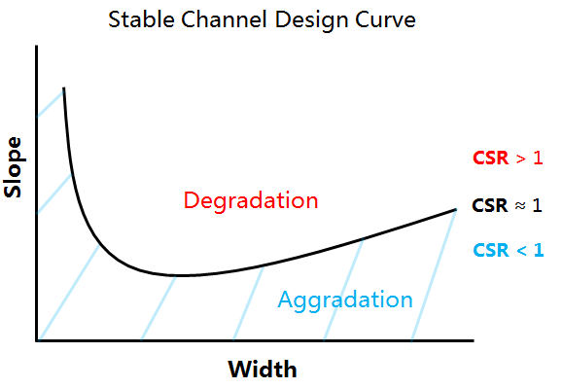
 |  |  |  |  | Station (ft) | Elevation (ft) | Station marks upper limit of … | Manning's n |  |  |  |  |  |  |  | Left | Right | WSE |  | Slope |  | Graph D50 by Shear |  | Bankfull | 200 | 2.37 |  |  |  | -16.60 | 3.00 | Left 2nd Stage |  |  |  |  |  | Layout of restoration design process and it steps you through |  |  |  |  | Q ft^3/s | 649.09 |  | Material | D50 (in) | Percent (%) |  | Geo Mean (mm) | 60.4
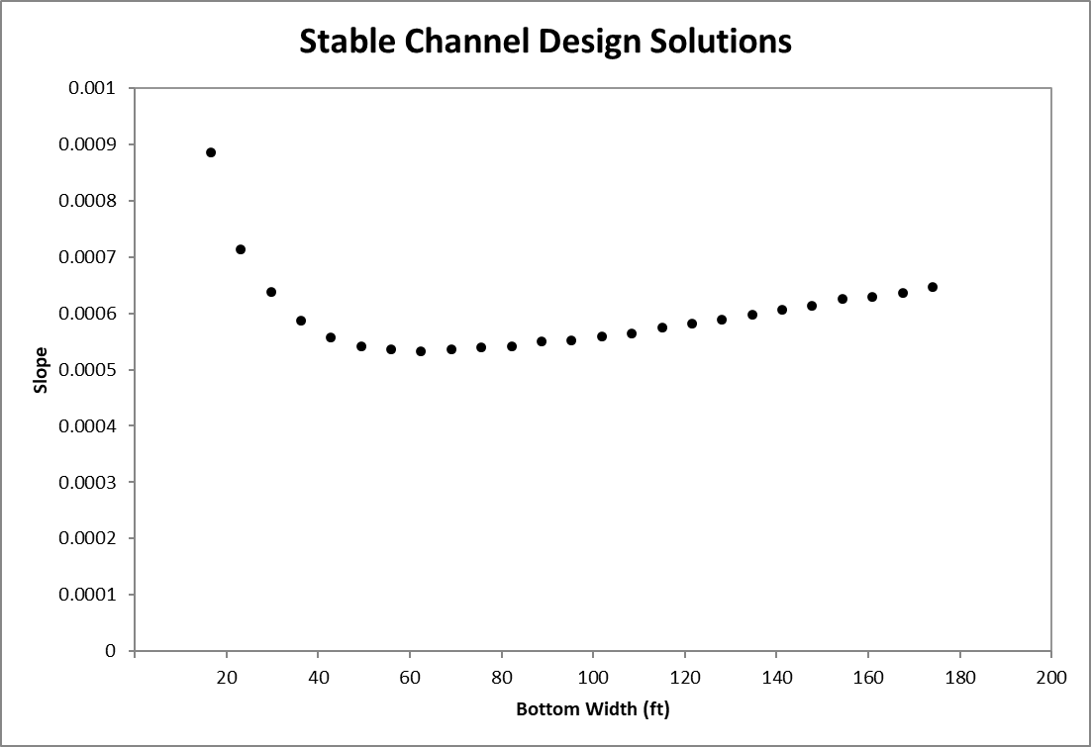
 | Inner Berm | Wib | 4 | 1 | -27.20125 | 3.50100 | Left 3rd Stage | 0.1 |  |  |  |  |  |  |  | -50 | 90 | 5.00 |  | 0.010 |  | Leo, Wol, Mill 1964 |  | 2 | 210 | 2.40 |  |  |  | -5.00 | 2.00 | Left Bankfull |  |  |  |  |  | WIZARD |  |  |  |  | Slope (ft/ft) | 0.010 |  | VDOT CL-I | 13.2 | 50 |  | Geo Std Dev | 155.8
 | Ground Data |  | Left Limit |  | Top Limit |  | Right Limit |  | flow area |  | n value points |  | n value line |  | Stage Points |  | Stage Values |  | Stage Line |  | Shear |  | Velocity
-27.20125 | 3.501 | -50 | 0 | -27.20125 | 5 | 90 | 0 | -27.20125 | 5.000 | -16.10125 | 4.001 | -27.20125 | 4.001 | -27.20 | 3.50 | -21.90125 | 4.501 | -27.20125 | 4.501 | -27.20 | 0.00 | -27.20 | 0.00
-26.60125 | 3.201 | -50 | 3.501 | 27.20125 | 5 | 90 | 3.501 | -27.20125 | 3.501 | -16.10125 | 4.001 | -5.00125 | 4.001 | -16.60 | 3.00 | -21.90125 | 4.501 | -16.60125 | 4.501 | -26.93 | 0.87 | -26.93 | 1.86
-16.60125 | 3.001 |  |  |  |  |  |  | -26.60125 | 3.201 | -16.10125 | 4.001 | -5.00125 | 4.001 | -5.00 | 2.00 | -10.80125 | 4.501 | -16.60125 | 4.501 | -26.66 | 0.95 | -26.66 | 1.97
-15.00125 | 2.201 |  |  |  |  |  |  | -16.60125 | 3.001 | -16.10125 | 4.001 | -5.00125 | 4.001 | #N/A | #N/A | -10.80125 | 4.501 | -5.00125 | 4.501 | -26.39 | 1.11 | -26.39 | 2.18
-5.00125 | 2.001 |  |  |  |  |  |  | -15.00125 | 2.201 | 0 | 4.001 | -5.00125 | 4.001 | 0.00 | 0.00 | -2.500625 | 4.501 | -5.00125 | 4.501 | -26.11 | 1.13 | -26.11 | 2.20
-2.00125 | 0.501 |  |  |  |  |  |  | -5.00125 | 2.001 | 0 | 4.001 | 5.00125 | 4.001 | #N/A | #N/A | -2.500625 | 4.501 | 0 | 4.501 | -25.84 | 1.13 | -25.84 | 2.21
-1.00125 | 0.251 |  |  |  |  |  |  | -2.00125 | 0.501 | 0 | 4.001 | 5.00125 | 4.001 | 5.00 | 2.00 | -2.500625 | 4.501 | 0 | 4.501 | -25.57 | 1.13 | -25.57 | 2.21
-0.50125 | 0.126 |  |  |  |  |  |  | -1.00125 | 0.251 | 0 | 4.001 | 5.00125 | 4.001 | 16.60 | 3.00 | -2.500625 | 4.501 | 0 | 4.501 | -25.30 | 1.14 | -25.30 | 2.22
-0.001 | 0.001 |  |  |  |  |  |  | -0.50125 | 0.126 | 0 | 4.001 | 5.00125 | 4.001 | 27.20 | 3.50 | -2.500625 | 4.501 | 0 | 4.501 | -25.03 | 1.14 | -25.03 | 2.22
0 | 0 |  |  |  |  |  |  | -0.00100 | 0.001 | 0 | 4.001 | 5.00125 | 4.001 |  |  | 2.500625 | 4.501 | 0 | 4.501 | -24.75 | 1.14 | -24.75 | 2.23
0.001 | 0.001 |  |  |  |  |  |  | 0.00000 | 0.000 | 0 | 4.001 | 5.00125 | 4.001 |  |  | 2.500625 | 4.501 | 5.00125 | 4.501 | -24.48 | 1.15 | -24.48 | 2.23
0.50125 | 0.126 |  |  |  |  |  |  | 0.00100 | 0.001 | 0 | 4.001 | 5.00125 | 4.001 |  |  | 2.500625 | 4.501 | 5.00125 | 4.501 | -24.21 | 1.15 | -24.21 | 2.23
1.00125 | 0.251 |  |  |  |  |  |  | 0.50125 | 0.126 | 0 | 4.001 | 5.00125 | 4.001 |  |  | 2.500625 | 4.501 | 5.00125 | 4.501 | -23.94 | 1.15 | -23.94 | 2.24
2.00125 | 0.501 |  |  |  |  |  |  | 1.00125 | 0.251 | 0 | 4.001 | 5.00125 | 4.001 |  |  | 2.500625 | 4.501 | 5.00125 | 4.501 | -23.67 | 1.16 | -23.67 | 2.24
5.00125 | 2.001 |  |  |  |  |  |  | 2.00125 | 0.501 | 16.10125 | 4.001 | 5.00125 | 4.001 |  |  | 10.80125 | 4.501 | 5.00125 | 4.501 | -23.39 | 1.16 | -23.39 | 2.25
15.00125 | 2.201 |  |  |  |  |  |  | 5.00125 | 2.001 | 16.10125 | 4.001 | 27.20125 | 4.001 |  |  | 10.80125 | 4.501 | 16.60125 | 4.501 | -23.12 | 1.16 | -23.12 | 2.25
16.60125 | 3.001 |  |  |  |  |  |  | 15.00125 | 2.201 | 16.10125 | 4.001 | 27.20125 | 4.001 |  |  | 21.90125 | 4.501 | 16.60125 | 4.501 | -22.85 | 1.17 | -22.85 | 2.26
26.60125 | 3.201 |  |  |  |  |  |  | 16.60125 | 3.001 | 16.10125 | 4.001 | 27.20125 | 4.001 |  |  | 21.90125 | 4.501 | 27.20125 | 4.501 | -22.58 | 1.17 | -22.58 | 2.26
27.20125 | 3.501 |  |  |  |  |  |  | 26.60125 | 3.201 |  | 4.001 | 27.20125 | 4.001 |  |  | #N/A | 4.501 | 27.20125 | 4.501 | -22.31 | 1.17 | -22.31 | 2.27
#N/A | #N/A |  |  |  |  |  |  | 27.20125 | 3.501 |  | #N/A |  | #N/A |  |  | #N/A | #N/A | #N/A | #N/A | -22.03 | 1.18 | -22.03 | 2.27
#N/A | #N/A |  |  |  |  |  |  | 27.20125 | 5.000 |  | #N/A |  | #N/A |  |  | #N/A | #N/A | #N/A | #N/A | -21.76 | 1.18 | -21.76 | 2.27
#N/A | #N/A |  |  |  |  |  |  | 27.20125 | 5.000 |  | #N/A |  | #N/A |  |  | #N/A | #N/A | #N/A | #N/A | -21.49 | 1.18 | -21.49 | 2.28
#N/A | #N/A |  |  |  |  |  |  | 27.20125 | 5.000 |  | #N/A |  | #N/A |  |  | #N/A | #N/A | #N/A | #N/A | -21.22 | 1.19 | -21.22 | 2.28
#N/A | #N/A |  |  |  |  |  |  | 27.20125 | 5.000 |  | #N/A |  | #N/A |  |  | #N/A | #N/A | #N/A | #N/A | -20.94 | 1.19 | -20.94 | 2.29
#N/A | #N/A |  |  |  |  |  |  | 27.20125 | 5.000 |  | #N/A |  | #N/A |  |  | #N/A | #N/A | #N/A | #N/A | -20.67 | 1.19 | -20.67 | 2.29
#N/A | #N/A |  |  |  |  |  |  | 27.20125 | 5.000 |  | #N/A |  | #N/A |  |  | #N/A | #N/A | #N/A | #N/A | -20.40 | 1.20 | -20.40 | 2.30
#N/A | #N/A |  |  |  |  |  |  | 27.20125 | 5.000 |  | #N/A |  | #N/A |  |  | #N/A | #N/A | #N/A | #N/A | -20.13 | 1.20 | -20.13 | 2.30
#N/A | #N/A |  |  |  |  |  |  | 27.20125 | 5.000 |  | #N/A |  | #N/A |  |  | #N/A | #N/A | #N/A | #N/A | -19.86 | 1.20 | -19.86 | 2.30
#N/A | #N/A |  |  |  |  |  |  | 27.20125 | 5.000 |  | #N/A |  | #N/A |  |  | #N/A | #N/A | #N/A | #N/A | -19.58 | 1.21 | -19.58 | 2.31
#N/A | #N/A |  |  |  |  |  |  | 27.20125 | 5.000 |  | #N/A |  | #N/A |  |  | #N/A | #N/A | #N/A | #N/A | -19.31 | 1.21 | -19.31 | 2.31
#N/A | #N/A |  |  |  |  |  |  | 27.20125 | 5.000 |  | #N/A |  | #N/A |  |  | #N/A | #N/A | #N/A | #N/A | -19.04 | 1.21 | -19.04 | 2.32
#N/A | #N/A |  |  |  |  |  |  | 27.20125 | 5.000 |  | #N/A |  | #N/A |  |  | #N/A | #N/A | #N/A | #N/A | -18.77 | 1.22 | -18.77 | 2.32
#N/A | #N/A |  |  |  |  |  |  | 27.20125 | 5.000 |  | #N/A |  | #N/A |  |  | #N/A | #N/A | #N/A | #N/A | -18.50 | 1.22 | -18.50 | 2.33
#N/A | #N/A |  |  |  |  |  |  | 27.20125 | 5.000 |  | #N/A |  | #N/A |  |  | #N/A | #N/A | #N/A | #N/A | -18.22 | 1.23 | -18.22 | 2.33
#N/A | #N/A |  |  |  |  |  |  | 27.20125 | 5.000 |  | #N/A |  | #N/A |  |  | #N/A | #N/A | #N/A | #N/A | -17.95 | 1.23 | -17.95 | 2.33
#N/A | #N/A |  |  |  |  |  |  | 27.20125 | 5.000 |  | #N/A |  | #N/A |  |  | #N/A | #N/A | #N/A | #N/A | -17.68 | 1.23 | -17.68 | 2.34
#N/A | #N/A |  |  |  |  |  |  | 27.20125 | 5.000 |  | #N/A |  | #N/A |  |  | #N/A | #N/A | #N/A | #N/A | -17.41 | 1.24 | -17.41 | 2.34
#N/A | #N/A |  |  |  |  |  |  | 27.20125 | 5.000 |  | #N/A |  | #N/A |  |  | #N/A | #N/A | #N/A | #N/A | -17.14 | 1.24 | -17.14 | 2.35
#N/A | #N/A |  |  |  |  |  |  | 27.20125 | 5.000 |  | #N/A |  | #N/A |  |  | #N/A | #N/A | #N/A | #N/A | -16.86 | 1.24 | -16.86 | 2.35
#N/A | #N/A |  |  |  |  |  |  | 27.20125 | 5.000 |  | #N/A |  | #N/A |  |  | #N/A | #N/A | #N/A | #N/A | -16.59 | 1.25 | -16.59 | 2.36
#N/A | #N/A |  |  |  |  |  |  | 27.20125 | 5.000 |  | #N/A |  | #N/A |  |  | #N/A | #N/A | #N/A | #N/A | -16.32 | 1.16 | -16.32 | 2.24
#N/A | #N/A |  |  |  |  |  |  | 27.20125 | 5.000 |  | #N/A |  | #N/A |  |  | #N/A | #N/A | #N/A | #N/A | -16.05 | 1.23 | -16.05 | 2.34
#N/A | #N/A |  |  |  |  |  |  | 27.20125 | 5.000 |  | #N/A |  | #N/A |  |  | #N/A | #N/A | #N/A | #N/A | -15.78 | 1.31 | -15.78 | 2.43
#N/A | #N/A |  |  |  |  |  |  | 27.20125 | 5.000 |  | #N/A |  | #N/A |  |  | #N/A | #N/A | #N/A | #N/A | -15.50 | 1.38 | -15.50 | 2.53
#N/A | #N/A |  |  |  |  |  |  | 27.20125 | 5.000 |  | #N/A |  | #N/A |  |  | #N/A | #N/A | #N/A | #N/A | -15.23 | 1.46 | -15.23 | 2.62
#N/A | #N/A |  |  |  |  |  |  | 27.20125 | 5.000 |  | #N/A |  | #N/A |  |  | #N/A | #N/A | #N/A | #N/A | -14.96 | 1.57 | -14.96 | 2.75
#N/A | #N/A |  |  |  |  |  |  | 27.20125 | 5.000 |  | #N/A |  | #N/A |  |  | #N/A | #N/A | #N/A | #N/A | -14.69 | 1.75 | -14.69 | 2.95
#N/A | #N/A |  |  |  |  |  |  | 27.20125 | 5.000 |  | #N/A |  | #N/A |  |  | #N/A | #N/A | #N/A | #N/A | -14.42 | 1.75 | -14.42 | 2.96
#N/A | #N/A |  |  |  |  |  |  | 27.20125 | 5.000 |  | #N/A |  | #N/A |  |  | #N/A | #N/A | #N/A | #N/A | -14.14 | 1.76 | -14.14 | 2.96
#N/A | #N/A |  |  |  |  |  |  | 27.20125 | 5.000 |  | #N/A |  | #N/A |  |  | #N/A | #N/A | #N/A | #N/A | -13.87 | 1.76 | -13.87 | 2.96
...
 |  | Dmaxib | 1 | 2 | -26.60125 | 3.20100 | 0 |  |  |  |  |  |  |  |  |  |  |  |  |  |  |  |  | 5 | 220 |  |  |  |  | #N/A | #N/A | Left Inner Berm |  | Left Inner Berm |  |  |  |  |  |  |  |  |  |  |  | Bank Run Gravel | 1 | 35 |  | D0 (mm) | 0.1
 |  |  |  | 3 | -16.60125 | 3.00100 | Left 2nd Stage | 0.1 |  |  |  |  |  |  |  |  |  |  |  |  |  |  |  | 10 | 300 |  |  |  |  | 0.00 | 0.00 | Thalweg |  |  |  |  |  |  |  |  |  |  | Wp | 57.26 |  | Coarse Sand | 0.06 | 10 |  | D10 (mm) | 2
 | Stage 1 | WBKF-R | 10.0 | 4 | -15.00125 | 2.20100 | 0 |  |  |  |  |  |  |  |  |  |  |  |  |  |  |  |  | 20 | 250 |  |  |  |  | #N/A | #N/A | Right Inner Berm |  | Right Inner Berm |  |  |  |  |  |  |  |  | Area (ft^2) | 147.12 |  | Topsoil | 0.003 | 5 |  | D16 (mm) | 8
 |  | DMAX-BKF | 2.0 | 5 | -5.00125 | 2.00100 | Left Bankfull | 0.04 |  |  |  |  |  |  |  |  |  |  |  |  |  |  |  | 50 | 300 |  |  |  |  | 5.00 | 2.00 | Right Bankfull |  |  |  |  |  |  |  |  |  |  | R (ft) | 2.57 |  |  |  |  |  | D25 (mm) | 20
 |  | Mbanks | 2.0 | 6 | -2.00125 | 0.50100 | 0 |  |  |  |  |  |  |  |  |  |  |  |  |  |  |  |  | 100 | 400 |  |  |  |  | 16.60 | 3.00 | Right 2nd Stage |  |  |  |  |  |  |  |  |  |  | Wtop (ft) | 54.40 |  |  |  |  |  | D35 (mm) | 38
 |  | ΔYbed | 0.5 | 7 | -1.00125 | 0.25100 | 0 |  |  |  |  |  |  |  |  |  |  |  |  |  |  |  |  | 500 | 500 |  |  |  |  | 27.20 | 3.50 | Right 3rd Stage |  |  |  |  |  | Goals/Targets evaluation |  |  |  |  | Dmean(ft) | 2.70 |  |  |  |  |  | D50 (mm) | 200
 |  | Thalweg Shift | 0.0 | 8 | -0.50125 | 0.12600 | 0 |  |  |  |  |  |  |  |  |  |  |  |  |  |  |  |  | *Note: Outside of XS |  |  |  |  |  |  |  |  |  |  |  |  |  | Manual for how to do restoration design |  |  |  |  | Dmax(ft) | 5.00 |  |  |  |  |  | D65 (mm) | 335
 |  | Mtieout-L | 3.0 | 9 | -0.00100 | 0.00100 | 0 |  |  |  |  |  |  |  |  |  |  |  |  |  |  |  |  |  |  |  |  |  |  |  |  |  |  |  |  |  |  | Manual broken down by topics to consider |  |  |  |  |  |  |  |  |  |  |  | D75 (mm) | 335
 |  | Mtieout-R | 3.0 | 10 | 0.00000 | 0.00000 | Thalweg |  |  |  |  |  |  |  |  |  |  |  |  |  |  |  |  |  |  |  |  |  |  |  |  |  |  |  |  |  |  | Spreadsheet tool application |  |  |  |  | V avg (ft/s) | 4.41 |  |  |  |  |  | D84 (mm) | 335
 |  | Roundness | 0.0 | 11 | 0.00100 | 0.00100 | 0 |  |  |  |  |  |  |  |  |  |  |  |  |  |  |  |  |  |  |  |  |  |  |  |  |  |  |  |  |  |  |  |  |  |  |  | V max (ft/s) | 10.59 |  |  |  |  |  | D90 (mm) | 335
 |  |  |  | 12 | 0.50125 | 0.12600 | 0 |  |  |  |  |  |  |  |  |  |  |  |  |  |  |  |  |  |  |  |  |  |  |  |  |  |  |  |  |  |  |  |  |  |  |  |  |  |  |  |  |  |  | D100 (mm) | 335
 | Stage 2 | D2stg | 1 | 13 | 1.00125 | 0.25100 | 0 |  |  |  |  |  |  |  |  |  |  |  |  |  |  |  |  |  | NOTE : GARRETT - YOU CAN PROBABLY MOVE THE ENTRAINMENT |  |  |  |  |  |  |  |  |  |  |  |  |  |  |  |  |  | T avg (lb/ft^2) | 1.60
 |  | Mbanks-2stg | 2 | 14 | 2.00125 | 0.50100 | 0 |  |  |  |  |  |  |  |  |  |  |  |  |  |  |  |  |  | AND COMPETENCE SHEET TO THE PROPOSED SCENARIO…? |  |  |  |  |  |  |  |  |  |  |  |  |  |  |  |  |  | T max (lb/ft^2) | 3.00
 |  | Wbench-L | 10 | 15 | 5.00125 | 2.00100 | Right Bankfull | 0.1 |  |  |  |  |  |  |  |  |  |  |  |  |  |  |  |  | ….. NEVERMIND… KEEP IT FOR CALCULATIONS. TO HELP ASSESS STABLE CHANNELS FOR EXISTING
 |  | Wbench-R | 10 | 16 | 15.00125 | 2.20100 | 0 |  |  |  |  |  |  |  |  |  |  |  |  |  |  |  |  |  |  |  |  |  |  |  |  |  |  |  |  |  |  |  |  |  |  |  | Threshold Design - Competence and Incipient Motion
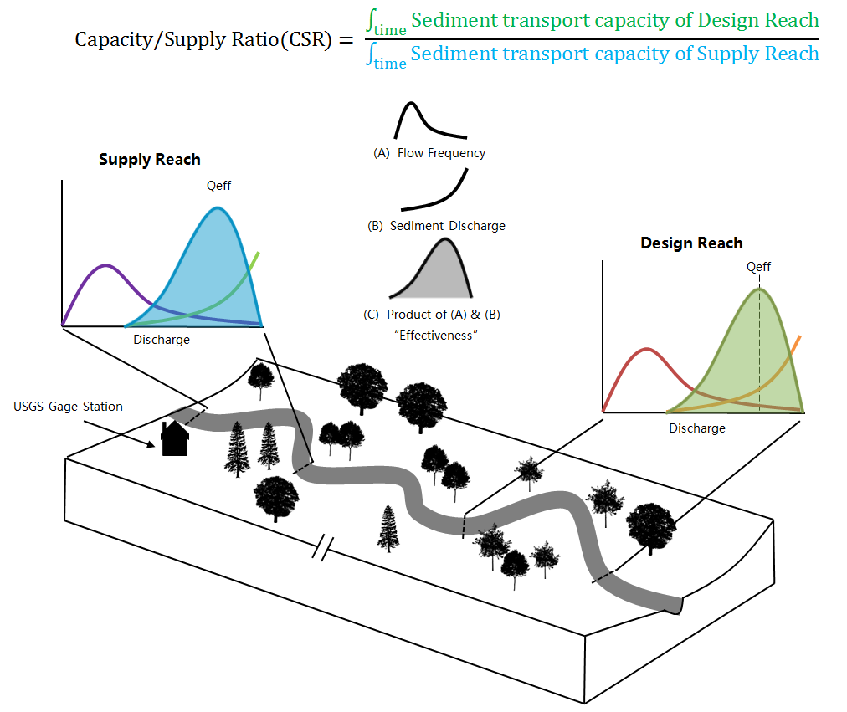
 |  | ΔYbench-L | 0.2 | 17 | 16.60125 | 3.00100 | Right 2nd Stage | 0.1 |  |  |  |  |  |  |  |  |  |  |  |  |  |  |  |  |  |  |  |  |  |  |  |  |  |  |  |  |  |  |  |  |  |  | Synthetic Design Bed Mix |  |  | Method | Average Shear | Average Velocity | Max Shear | Max Velocity
 |  | ΔYbench-R | 0.2 | 18 | 26.60125 | 3.20100 | 0 |  |  |  |  |  |  |  |  |  |  |  |  |  |  |  |  |  |  |  |  |  |  |  |  |  |  |  |  |  |  |  |  |  |  |  |  |  |  | Rationale | Fishenich 2001 | Fishenich 2001 | Fishenlich 2001 | NRCS Handbook
 |  | Mtieout-L | 3 | 19 | 27.20125 | 3.50100 | Right 3rd Stage |  |  |  |  |  |  |  |  |  |  |  |  |  |  |  |  |  | ANALYTICAL CHANNEL DESIGN |  |  |  |  |  |  |  |  |  |  |  |  |  |  |  |  |  |  |  |  | D50 critical (in) | 5.32 | 2" Gravel | 8.95 | 12" Gravel
 |  | Mtieout-R | 3 | 20
 |  |  |  | 21 |  |  |  |  |  |  |  |  |  |  |  |  |  |  |  |  |  |  |  |  | Stable Channel Design Calculator |  |  |  |  |  |  |  |  |  |  |  |  |  |  |  |  |  | Texture | Size |  |  | FOS | Approx. FOS | FOS | Approx. FOS
 | Stage 3 | D3stg | 0.5 | 22 |  |  |  |  |  |  |  |  |  |  |  |  |  |  |  |  |  |  |  |  |  | Min | Max | Current | Guidance |  |  |  |  |  |  |  |  |  |  |  |  |  | D0 (mm) | 0.1 |  |  | 0.0 | 0.0 | 0.0 | 0.0
 |  | Mbanks-3stg | 2 | 23 |  |  |  |  |  | HYDRAULICS |  |  |  |  |  |  |  |  |  |  |  |  |  | Flow Conditions | WSE | 2.5 | 3 | 5.00 |  | V avg FPL < 2.5 ft/s for non-erosion |  |  |  |  |  |  |  |  |  |  |  |  | D10 (mm) | 1.5 |  |  | 0.0 | 0.0 | 0.0 | 0.0
 |  | W3rdstage-L | 10 | 24 |  |  |  |  |  |  | XS Average | IB/Low Flow | Main Channel | LOB | ROB |  |  |  |  |  |  |  |  |  | Channel "n" | 0.035 | 0.035 | 0.04 |  |  |  |  |  |  |  |  |  |  |  |  |  |  | D16 (mm) | 8.0 |  |  | 0.1 | 0.2 | 0.0 | 0.0
 |  | W3rdstage-R | 10 | 25 |  |  |  |  |  | Q (cfs) | 649.09 | 0.00 | 377.46 | 138.74 | 132.89 |  |  |  |  |  |  |  |  | Geometry Input | Slope | 0.01 | 0.015 | 0.010 |  |  |  |  |  |  |  |  |  |  |  |  |  |  | D25 (mm) | 20.0 |  |  | 0.1 | 0.4 | 0.1 | 0.1
 |  | ΔY3rdstage-L | 0.2 | 26 |  |  |  |  |  | n composite | 0.090 | 0.00 | 0.040 | 0.100 | 0.10 |  |  |  |  |  |  |  |  |  | WBKF-R | 30 | 32 | 10.00 |  |  |  |  |  |  |  |  |  |  |  |  |  |  | D35 (mm) | 38 |  |  | 0.3 | 0.8 | 0.2 | 0.1
 |  | ΔY3rdstage-R | 0.2 | 27 |  |  |  |  |  | V avg (ft/s) | 4.41 | 0.00 | 9.09 | 2.63 | 2.52 |  |  |  |  |  |  |  |  |  | DMAX-BKF | 2.5 | 3 | 2.00 |  |  |  |  |  |  |  |  |  |  |  |  |  |  | D50 (mm) | 200 |  |  | 1.5 | 3.9 | 0.9 | 0.7
 |  | Mtieout-L | 3 | 28 |  |  |  |  |  | V max (ft/s) | 10.59 | 0.00 | 10.59 | 3.09 | 3.09 |  |  |  |  |  |  |  |  |  | Mbanks | 3 | 3 | 2.00 |  |  |  |  |  |  |  |  |  |  |  |  |  |  | D65 (mm) | 335 |  |  | 2.5 | 6.6 | 1.5 | 1.1
 |  | Mtieout-R | 3 | 29 |  |  |  |  |  |  |  |  |  |  |  |  |  |  |  |  |  |  |  |  | ΔYbed | 0.5 | 1 | 0.50 |  |  |  |  |  |  |  |  |  |  |  |  |  |  | D75 (mm) | 335 |  |  | 2.5 | 6.6 | 1.5 | 1.1
 |  |  |  | 30 |  |  |  |  |  | Wp | 57.26 | 0.00 | 10.83 | 22.46 | 23.96 |  |  |  |  |  |  |  |  | Ouput Hydraulics | BKF Velocity | 4 | 7 | 9.09 | 4-6, 6-7 use caution, 7>Bad |  |  |  |  |  |  |  |  |  |  |  |  |  | D84 (mm) | 335 |  |  | 2.5 | 6.6 | 1.5 | 1.1
 |  |  |  | 31 |  |  |  |  |  | Area (ft^2) | 147.12 | 0.00 | 41.50 | 52.81 | 52.81 |  |  |  |  |  |  |  |  |  | Prtcle Mobile (in) | 1 | 10 | 8.98 |  |  |  |  |  |  |  |  |  |  |  |  |  |  | D90 (mm) | 335 |  |  | 2.5 | 6.6 | 1.5 | 1.1
 | Advanced Parameters | Left_BKF_Height_Multiplier | 1 | 32 |  |  |  |  |  | R (ft) | 2.57 | 0.00 | 3.83 | 2.35 | 2.20 |  |  |  |  |  |  |  |  |  | Abkf | 1 | 100 | 41.50 |  |  |  |  |  |  |  |  |  |  |  |  |  |  | D100 (mm) | 335 |  |  | 2.5 | 6.6 | 1.5 | 1.1
 |  | Right_BKF_Height_Multiplier | 1 | 33 |  |  |  |  |  | Wtop (ft) | 54.40 | 0.00 | 10.00 | 22.20 | 22.20 |  |  |  |  |  |  |  |  |  | W/D Ratio | 12 | 18 | 2.41
 |  | Left_Mbanks_BKF_Multipler | 1 | 34 |  |  |  |  |  | Dmean(ft) | 2.70 | 0.00 | 4.15 | 2.38 | 2.38 |  |  |  |  |  |  |  |  |  | BANKFULL Q (cfs) | Maximize |  | 377.46 |  |  |  |  |  |  |  |  |  |  |  |  |  |  | Alluvial Channel Design - Transport Capacity
 |  | Right_Mbanks_BKF_Multiplier | 1 | 35 |  |  |  |  |  | Dmax(ft) | 5.00 | 0.00 | 5.00 | 3.00 | 3.00
 |  | Left_BKF_Bottom_Slope_Multiplier | 1 | 36 |  |  |  |  |  |  |  |  |  |  |  |  |  |  |  |  |  |  |  | Solv Precision | WSE = BKF? | Q (cfs) |  |  |  |  |  |  |  |  |  |  |  |  |  |  |  |  |  |  |  |  |  |  |  |  |  |  | Bedload Transport Rate |  | Transported Grain Size Distribution |  |  | Transport Statistics
 |  | Right_BKF_Bottom_Slope_Multiplier | 1 | 37 |  |  |  |  |  | T avg (lb/ft^2) | 1.60 | 0.00 | 2.39 | 1.47 | 1.38 |  |  |  |  |  |  |  |  | 0.01 | Yes | Maximize |  |  |  |  |  |  |  |  |  |  |  |  |  |  |  |  |  |  |  |  |  |  |  |  |  |  |  |  | Size (mm) | % Finer |  | Geo Mean (mm)
 |  | Y_datum | 0 | 38 |  |  |  |  |  | T max (lb/ft^2) | 3.00 | 0.00 | 3.00 | 1.87 | 1.87 |  |  |  |  |  |  |  |  |  |  |  |  |  |  |  |  |  |  |  |  |  |  |  |  |  |  |  |  |  |  |  |  |  |  |  |  |  |  |  | 1 |  |  | Geo Std Dev
 |  | X_datum | 0 | 39 |  |  |  |  |  | Str Pwr (lb/ft s) | 405.03 | 0.00 | 235.54 | 86.57 | 82.92 |  |  |  |  |  |  |  |  |  |  |  |  |  |  |  |  |  |  |  |  |  |  |  |  |  |  |  |  |  |  |  |  |  |  |  |  |  | Total Transport Rate |  | 2 |  |  | D10 (mm)
 |  |  |  | 40 |  |  |  |  |  |  |  |  |  |  |  |  |  |  |  |  |  |  |  |  |  |  |  |  |  |  |  |  |  |  |  |  |  |  |  |  |  |  |  |  |  |  |  |  |  |  |  |  |  |  | 4 |  |  | D16 (mm)
 |  |  |  | 41 |  |  |  |  |  | Froude | 0.47 | 0.00 | 0.79 | 0.30 | 0.29 |  |  |  |  |  |  |  |  |  |  |  |  |  |  |  |  |  |  |  |  |  |  |  |  |  |  |  |  |  |  |  |  |  |  |  |  |  |  |  | 8 |  |  | D25 (mm)
 |  |  |  | 42 |  |  |  |  |  | V head (ft) | 0.30 | 0.00 | 1.28 | 0.11 | 0.10 |  |  |  |  |  |  |  |  |  |  |  |  |  |  |  |  |  |  |  |  |  |  |  |  |  |  |  |  |  |  |  |  |  |  |  |  |  | Normal Shields Stress |  | 16 |  |  | D50 (mm)
 |  |  |  | 43 |  |  |  |  |  | Sp. Energy (ft) | 5.30 | 0.00 | 6.28 | 5.11 | 5.10 |  |  |  |  |  |  |  |  | Q (cfs) | n composite | V avg (ft/s) | V max (ft/s) |  | Wp | Area (ft^2) | R (ft) | Wtop (ft) | Dmean(ft) | Dmax(ft) | T avg (lb/ft^2) | T max (lb/ft^2) | Str Pwr (lb/ft s) |  | Froude | V head (ft) | Sp. Energy (ft) |  |  |  |  |  |  |  |  |  |  |  |  |  | 32 |  |  | D65 (mm)
 |  |  |  | 44 |  |  |  |  |  |  |  |  |  |  |  |  |  |  |  |  |  |  |  |  |  |  |  |  |  |  |  |  |  |  |  |  |  |  |  |  |  |  |  |  |  |  |  |  |  |  |  |  |  |  | 64 |  |  | D75 (mm)
 |  |  |  | 45 |  |  |  |  |  |  |  |  |  |  |  |  |  |  |  |  |  |  |  |  |  |  |  |  |  |  |  |  |  |  |  |  |  |  |  |  |  |  |  |  |  |  |  |  |  |  |  |  | Fine Sediment? |  | 128 |  |  | D84 (mm)
 |  |  |  | 46 |  |  |  |  |  | GEOMORPHOLOGY |  |  |  |  |  |  |  |  |  |  |  |  |  |  |  |  |  |  |  |  |  |  |  |  |  |  |  |  |  |  |  |  |  |  |  |  |  |  |  |  |  |  |  |  | 256 |  |  | D90 (mm)
 |  |  |  | 47 |  |  |  |  |  | W/D Ratio | 2.41 |  |  |  |  |  |  |  |  |  |  |  |  |  |  | Note |  |  |  |  |  |  |  |  |  |  |  |  |  |  |  |  |  |  |  |  |  |  |  |  |  |  |  |  | 512
 |  |  |  | 48 |  |  |  |  |  |  |  |  | INSERT REGIME OR OTHER METHODS FOR RESTORATION |  |  |  |  |  |  |  |  |  |  | Andrews EQ. T | 0.020764315459 | Refer to right for pebble count data |  |  |  |  |  |  |  |  |  |  |  |  |  |  |  |  |  |  |  |  |  |  |  |  |  |  |  |  | 1024
 |  |  |  | 49 |  |  |  |  |  | Wfpa |  |  |  |  |  |  |  |  |  |  |  |  |  | Shields Parameter | 0.06 | Typically 0.045 to 0.06. 0.045 is Miller 1977 |  |  |  |  |  |  |  |  |  |  |  |  |  |  |  |  |  |  |  |  |  |  |  |  |  |  |  |  | 2048
 |  |  |  | 50 |  |  |  |  |  | Entrenchment Ratio
 |  |  |  | 51
 |  |  |  | 52 |  |  |  |  |  | Sbed Left Transverse | 0.25
 |  |  |  | 53 |  |  |  |  |  | Sbed Right Transverse | 0.25
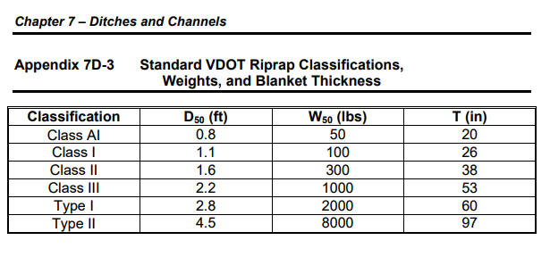
 |  |  |  | 54 |  |  |  |  |  |  |  |  |  |  |  |  |  |  |  |  |  |  |  |  |  |  |  |  |  |  |  |  |  |  |  |  |  |  |  |  |  |  | Supply Hydraulics | Q ft^3/s
 |  |  |  | 55 |  |  |  |  |  | GEOMORPHOLOGY - NCD (REFERENCE REACH APPROACH) |  |  |  |  |  |  |  |  |  |  |  |  |  |  |  |  |  |  |  |  |  |  |  |  |  |  |  |  |  |  |  |  |  | Slope (ft/ft)
 |  |  |  | 56 |  |  |  |  |  | LIST ALL OF THE VARIABLES WITH THE RANGES ….
 |  |  |  | 57 |  |  |  |  |  |  |  |  |  |  |  | Stream Pattern Empirical Guidelines - From Rosgen |  |  |  |  |  |  |  |  |  |  |  |  |  |  |  |  |  |  |  |  |  |  |  |  |  |  |  | Wp
 |  |  |  | 58 |  |  |  |  |  |  |  |  |  |  |  |  | Lower | Upper | Description |  |  |  |  |  |  |  |  |  |  |  |  |  |  |  |  |  |  |  |  |  |  |  |  | Area (ft^2)
 |  |  |  | 59 |  |  |  |  |  |  |  |  |  |  |  | Radius of Curvature | 25 | 32 | After Rosgen |  |  |  |  |  |  |  |  |  |  |  |  |  |  |  |  |  |  |  |  |  |  |  |  | R (ft)
 |  |  |  | 60 |  |  |  |  |  |  |  |  |  |  |  | Meander Length (Lm) | 100 | 140 | After Rosgen |  |  |  |  |  |  |  |  |  |  |  |  |  |  |  |  |  |  |  |  |  |  |  |  | Wtop (ft)
 |  |  |  | 61 |  |  |  |  |  |  |  |  |  |  |  | Width Flood Prone Area | 96 |  | Width at 2*DmaxBKF |  |  |  |  | Bank Angle |  |  |  |  |  |  |  |  |  |  |  |  |  |  |  |  |  |  |  | Dmean(ft)
 |  |  |  | 62 |  |  |  |  |  |  |  |  |  |  |  | Entrenchment Ratio | 9.6 |  | Wfpa/Wrbkf |  |  |  |  |  |  |  |  |  |  |  |  |  |  |  |  |  |  |  |  |  |  |  |  | Dmax(ft)
 |  |  |  | 63 |  |  |  |  |  |  |  |  |  |  |  | W belt | 72 | 92.16 | After Rosgen
 |  |  |  | 64 |  |  |  |  |  |  |  |  |  |  |  | MWR | 7.2 | 9.216 | Wblt/Wbkf |  |  |  |  |  |  |  |  |  |  |  |  |  | Insert Shields Parameter Lookup Table |  |  |  |  |  |  |  |  |  |  | V avg (ft/s)
 |  |  |  | 65 |  |  |  |  |  |  |  |  |  |  |  | Linear Wavelength |  |  | After Rosgen, 10-14 Wbkf |  |  |  |  |  |  |  |  |  |  |  |  |  |  |  |  |  |  |  |  |  |  |  |  | V max (ft/s) |  |  |  |  |  |  |  |  |  |  |  |  |  |  |  |  |  |  |  |  |  |  |  |  |  |  |  |  |  |  |  |  |  |  |  |  |  |  |  |  |  |  | #N/A
 |  |  |  | 66 |  |  |  |  |  |  |  |  |  |  |  |  |  |  |  |  |  |  |  |  |  |  |  |  |  |  |  |  |  |  |  |  |  |  |  |  |  |  |  |  |  |  |  |  |  |  |  |  |  |  |  |  |  |  |  |  |  |  |  |  |  |  |  |  |  |  |  |  |  |  |  |  |  |  |  |  |  |  |  |  |  |  | #N/A
 |  |  |  | 67 |  |  |  |  |  | DYNAMIC EQUILIBRIUM |  |  |  |  |  |  |  |  |  |  |  |  |  |  |  |  |  |  |  |  |  |  |  |  |  |  |  |  |  |  |  |  |  | T avg (lb/ft^2) |  |  |  |  |  |  |  |  |  |  |  |  |  |  |  |  |  |  |  |  |  |  |  |  |  |  |  |  |  |  |  |  |  |  |  |  |  |  |  |  |  |  | #N/A
 |  |  |  | 68 |  |  |  |  |  |  |  |  |  |  |  |  |  |  |  |  |  |  |  |  |  |  |  |  |  |  |  |  |  |  |  |  |  |  |  |  |  |  |  | T max (lb/ft^2) |  |  |  |  |  |  |  |  |  |  |  |  |  |  |  |  |  |  |  |  |  |  |  |  |  |  |  |  |  |  |  |  |  |  |  |  |  |  |  |  |  |  | #N/A
 |  |  |  | 69 |  |  |  |  |  |  |  |  |  |  |  |  |  |  |  |  |  |  |  |  |  |  |  |  |  |  |  |  |  |  |  |  |  |  |  |  |  |  |  |  |  |  |  |  |  |  |  |  |  |  |  |  |  |  |  |  |  |  |  |  |  |  |  |  |  |  |  |  |  |  |  |  |  |  |  |  |  |  |  |  |  |  | #N/A
 |  |  |  | 70 |  |  |  |  |  |  |  |  |  |  |  |  |  |  |  |  |  |  |  |  |  |  |  |  |  |  |  |  |  |  |  |  |  |  |  |  |  |  |  |  |  |  |  |  |  |  |  |  |  |  |  |  |  |  |  |  |  |  |  |  |  |  |  |  |  |  |  |  |  |  |  |  |  |  |  |  |  |  |  |  |  |  | #N/A
 |  |  |  | 71 |  |  |  |  |  |  |  |  |  |  |  |  |  |  |  |  |  |  |  |  |  |  |  |  |  |  |  |  |  |  |  |  |  |  |  |  |  |  |  |  |  |  |  |  |  |  |  |  |  |  |  |  |  |  |  |  |  |  |  |  |  |  |  |  |  |  |  |  |  |  |  |  |  |  |  |  |  |  |  |  |  |  | #N/A
 |  |  |  | 72 |  |  |  |  |  |  |  |  |  |  |  |  |  |  |  |  |  |  |  |  |  |  |  |  |  |  |  |  |  |  |  |  |  |  |  |  |  |  |  |  |  |  |  |  |  |  |  |  |  |  |  |  |  |  |  |  |  |  |  |  |  |  |  |  |  |  |  |  |  |  |  |  |  |  |  |  |  |  |  |  |  |  | #N/A
 |  |  |  | 73 |  |  |  |  |  |  |  |  |  |  |  |  |  |  |  |  |  |  |  |  |  |  |  |  |  |  |  |  |  |  |  |  |  |  |  |  |  |  |  |  |  |  |  |  |  |  |  |  |  |  |  |  |  |  |  |  |  |  |  |  |  |  |  |  |  |  |  |  |  |  |  |  |  |  |  |  |  |  |  |  |  |  | #N/A
 |  |  |  | 74 |  |  |  |  |  |  |  |  |  |  |  |  |  |  |  |  |  |  |  |  |  |  |  |  |  |  |  |  |  |  |  |  |  |  |  |  |  |  |  |  |  |  |  |  |  |  |  |  |  |  |  |  |  |  |  |  |  |  |  |  |  |  |  |  |  |  |  |  |  |  |  |  |  |  |  |  |  |  |  |  |  |  | #N/A
 |  |  |  | 75 |  |  |  |  |  |  |  |  |  |  |  |  |  |  |  |  |  |  |  |  |  |  |  |  |  |  |  |  |  |  |  |  |  |  |  |  |  |  |  |  |  |  |  |  |  |  |  |  |  |  |  |  |  |  |  |  |  |  |  |  |  |  |  |  |  |  |  |  |  |  |  |  |  |  |  |  |  |  |  |  |  |  | #N/A
 |  |  |  | 76 |  |  |  |  |  |  |  |  |  |  |  |  |  |  |  |  |  |  |  |  |  |  |  |  |  |  |  |  |  |  |  |  |  |  |  |  |  |  |  |  |  |  |  |  |  |  |  |  |  |  |  |  |  |  |  |  |  |  |  |  |  |  |  |  |  |  |  |  |  |  |  |  |  |  |  |  |  |  |  |  |  |  | #N/A
 |  |  |  | 77 |  |  |  |  |  |  |  |  |  |  |  |  |  |  |  |  |  |  |  |  |  |  |  |  |  |  |  |  |  |  |  |  |  |  |  |  |  |  |  |  |  |  |  |  |  |  |  |  |  |  |  |  |  |  |  |  |  |  |  |  |  |  |  |  |  |  |  |  |  |  |  |  |  |  |  |  |  |  |  |  |  |  | #N/A
 |  |  |  | 78 |  |  |  |  |  |  |  |  |  |  |  |  |  |  |  |  |  |  |  |  |  |  |  |  |  |  |  |  |  |  |  |  |  |  |  |  |  |  |  |  |  |  |  |  |  |  |  |  |  |  |  |  |  |  |  |  |  |  |  |  |  |  |  |  |  |  |  |  |  |  |  |  |  |  |  |  |  |  |  |  |  |  | #N/A
 |  |  |  | 79 |  |  |  |  |  |  |  |  |  |  |  |  |  |  |  |  |  |  |  |  |  |  |  |  |  |  |  |  |  |  |  |  |  |  |  |  |  |  |  |  |  |  |  |  |  |  |  |  |  |  |  |  |  |  |  |  |  |  |  |  |  |  |  |  |  |  |  |  |  |  |  |  |  |  |  |  |  |  |  |  |  |  | #N/A
 |  |  |  | 80 |  |  |  |  |  |  |  |  |  |  |  |  |  |  |  |  |  |  |  |  |  |  |  |  |  |  |  |  |  |  |  |  |  |  |  |  |  |  |  |  |  |  |  |  |  |  |  |  |  |  |  |  |  |  |  |  |  |  |  |  |  |  |  |  |  |  |  |  |  |  |  |  |  |  |  |  |  |  |  |  |  |  | #N/A
 |  |  |  | 81 |  |  |  |  |  | SEDIMENT TRANSPORT - THRESHOLD |  |  |  |  |  |  |  |  |  |  |  |  |  |  |  |  |  |  |  |  |  |  |  |  |  |  |  |  |  |  |  |  |  |  |  |  |  |  |  |  |  |  |  |  |  |  |  |  |  |  |  |  |  |  |  |  |  |  |  |  |  |  |  |  |  |  |  |  |  |  |  |  |  |  |  |  | #N/A
 |  |  |  | 82 |  |  |  |  |  | Avg D50 (in) moved by Average Shear |  |  |  |  |  |  |  |  |  |  |  |  |  |  |  |  |  |  |  |  |  |  |  |  |  |  |  |  |  |  |  |  |  |  |  |  |  |  |  |  |  |  |  |  |  |  |  |  |  |  |  |  |  |  |  |  |  |  |  |  |  |  |  |  |  |  |  |  |  |  |  |  |  |  |  |  | #N/A
 |  |  |  | 83 |  |  |  |  |  |  | XS Average | IB/Low Flow | Main Channel | LOB | ROB |  |  | Sediment Competency Input Variables and Equation Selection |  |  |  |  |  |  |  |  |  |  |  |  |  |  |  |  |  |  |  |  |  |  |  |  |  |  |  |  |  |  |  |  |  |  |  |  |  |  |  |  |  |  |  |  |  |  |  |  |  |  |  |  |  |  |  |  |  |  |  |  |  |  |  |  |  |  |  |  |  | #N/A
 |  |  |  | 84 |  |  |  |  |  | Andrews 1983 | 9.00 | 0.00 | 13.42 | 8.23 | 7.72 |  |  | Value | Variable | Definition |  |  |  |  |  |  |  |  |  |  |  |  |  |  |  |  |  |  |  |  |  |  |  |  |  |  |  |  |  |  |  |  |  |  |  |  |  |  |  |  |  |  | SYNTHETIC GRAIN SIZE DISTRIBUTION CREATION |  |  |  |  |  |  |  |  |  |  |  |  |  |  |  |  |  |  |  |  |  |  |  |  | #N/A
 |  |  |  | 85 |  |  |  |  |  | Shields 1936 | 3.11 | 0.00 | 4.64 | 2.85 | 2.67 |  |  | 100 | d50,bed (mm) | D50 Bed Material (D50 from riffle pebble count) |  |  |  |  |  |  |  |  |  |  |  |  |  |  |  |  |  |  |  |  |  |  |  |  |  |  |  |  |  |  |  |  |  |  |  |  |  |  |  |  |  |  | Silt/Clay | Very Fine | Fine | Medium | Coarse | Very Coarse | Very Fine | Fine | Fine | Medium | Medium | Coarse | Coarse | Very Coarse | Very Coarse | Small | Small | Large | Large | Small | Small | Medium | Large - Vry Large | Bedrock |  | #N/A
 |  |  |  | 86 |  |  |  |  |  | Leo, Wol, Mill 1964 | 5.29 | 0.00 | 8.27 | 4.63 | 4.63 |  |  | 80 | d50,sub bar (mm) | Bar Sample D50 Or Subpavement D50 (Use Representative) |  |  |  |  |  |  |  |  |  |  |  |  |  |  |  |  |  |  |  |  |  | Reference Material | Reference Substrate Sizes |  |  |  |  |  |  |  |  |  |  |  |  |  |  |  |  |  |  |  | 0 | 0.062 | 0.125 | 0.25 | 0.5 | 1.0 | 2.0 | 4.0 | 5.7 | 8.0 | 11.3 | 16.0 | 22.6 | 32 | 45 | 64 | 90 | 128 | 180 | 256 | 362 | 512 | 1024 | 2048 |  | #N/A
 |  |  |  | 87 |  |  |  |  |  | Rosgen CO | 8.79 | 0.00 | 12.05 | 8.00 | 8.00 |  |  | 1.3 | PSR Ratio | Use PSR, if 3 < PSR < 7 |  |  |  |  |  |  |  |  |  |  |  |  |  |  |  |  |  |  |  |  |  |  | Material | D50 (ft) | D50 (in) | Range (in) |  | D100 (mm) | D90 (mm) | D84 (mm) | D75 (mm) | D65 (mm) | D50 (mm) | D35 (mm) | D25 (mm) | D16 (mm) | D10 (mm) | D0 (mm) | Range (mm) |  | Design Fraction |  | 0.062 | 0.125 | 0.25 | 0.5 | 1.0 | 2.0 | 4.0 | 5.7 | 8.0 | 11.03 | 16.0 | 22.6 | 32.0 | 45 | 64 | 90 | 128 | 180 | 256 | 362 | 512 | 1024 | 2048 | 4080 |  | #N/A
 |  |  |  | 88 |  |  |  |  |  | USFWS 2008 | 5.26 | 0.00 | 7.72 | 4.83 | 4.55 |  |  |  |  |  |  |  |  |  |  |  |  |  |  |  |  |  |  |  |  |  |  |  |  |  |  |  | Type II | 4.50 | 54 | - |  | 1372 | 1372 | 1372 | 1372 | 1372 | 1372 | 1372 | 1372 | 1372 | 1372 | 1372 | - |  | 0 |  | 0 | 0 | 0 | 0 | 0 | 0 | 0 | 0 | 0 | 0 | 0 | 0 | 0 | 0 | 0 | 0 | 0 | 0 | 0 | 0 | 0 | 0 | 0 | 0 |  | #N/A
 |  |  |  | 89 |  |  |  |  |  | Fishenich 2001 | 5.32 | 0.00 | 7.78 | 4.90 | 4.61 |  |  | 200 | di or dmax (mm) | Largest Particle from Bar Sample or Subpavement Sample |  |  |  |  |  |  |  |  |  |  |  |  |  |  |  |  |  |  |  |  |  |  | Type I | 2.80 | 33.6 | - |  | 853 | 853 | 853 | 853 | 853 | 853 | 853 | 853 | 853 | 853 | 853 | - |  | 0 |  | 0 | 0 | 0 | 0 | 0 | 0 | 0 | 0 | 0 | 0 | 0 | 0 | 0 | 0 | 0 | 0 | 0 | 0 | 0 | 0 | 0 | 0 | 0 | 0 |  | #N/A
 |  |  |  | 90 |  |  |  |  |  |  |  |  |  |  |  |  |  | 2 | SMR Ratio | Use SMR, if 1.30 < SMR < 3 |  |  |  |  |  |  |  |  |  |  |  |  |  |  |  |  |  |  |  |  |  |  | VDOT CL-III | 2.20 | 26.4 | - |  | 671 | 671 | 671 | 671 | 671 | 671 | 671 | 671 | 671 | 671 | 671 | - |  | 0 |  | 0 | 0 | 0 | 0 | 0 | 0 | 0 | 0 | 0 | 0 | 0 | 0 | 0 | 0 | 0 | 0 | 0 | 0 | 0 | 0 | 0 | 0 | 0 | 0 |  | #N/A
 |  |  |  | 91 |  |  |  |  |  | D50 Eroded by Avg Velocity |  |  |  |  |  |  |  |  |  |  |  |  |  |  |  |  |  |  |  |  |  |  |  |  |  |  |  |  |  |  |  |  | VDOT CL-II | 1.60 | 19.2 | - |  | 488 | 488 | 488 | 488 | 488 | 488 | 488 | 488 | 488 | 488 | 488 | - |  | 0 |  | 0 | 0 | 0 | 0 | 0 | 0 | 0 | 0 | 0 | 0 | 0 | 0 | 0 | 0 | 0 | 0 | 0 | 0 | 0 | 0 | 0 | 0 | 0 | 0 |  | #N/A
 |  |  |  | 92 |  |  |  |  |  | NRCS Handbook | Coarse Gravel | Fine Sand | Cobbles | Fine Gravel | Fine Gravel |  |  | SURFACE MATERIALS RATIO (SMR) |  |  |  | PAVEMENT TO SUBPAVEMENT RATIO (PSR) |  |  |  |  |  |  |  |  |  |  |  |  |  |  |  |  |  |  |  |  | VDOT CL-I | 1.10 | 13.2 | - |  | 335 | 335 | 335 | 335 | 335 | 335 | 335 | 335 | 335 | 335 | 335 | - |  | 0.5 |  | 0 | 0 | 0 | 0 | 0 | 0 | 0 | 0 | 0 | 0 | 0 | 0 | 0 | 0 | 0 | 0 | 0 | 0 | 0 | 550 | 0 | 0 | 0 | 0 |  | #N/A
 |  |  |  | 93 |  |  |  |  |  | Fishenich 2001 | 2" Gravel | Fine Sand | 12" Gravel | 1" Gravel | 1" Gravel |  |  | tci = 0.0384(di/d50)-0.887 |  |  |  | tci = 0.0834(di/d50)-0.872 |  |  |  |  |  |  |  |  |  |  |  |  |  |  |  |  |  |  |  |  | VDOT CL A1 | 0.80 | 9.6 | - |  | 244 | 244 | 244 | 244 | 244 | 244 | 244 | 244 | 244 | 244 | 244 | - |  | 0 |  | 0 | 0 | 0 | 0 | 0 | 0 | 0 | 0 | 0 | 0 | 0 | 0 | 0 | 0 | 0 | 0 | 0 | 0 | 0 | 0 | 0 | 0 | 0 | 0 |  | #N/A
 |  |  |  | 94 |  |  |  |  |  | VDOT | Coarse Gravel | Fine Sand | Cobbles | Fine Gravel | Fine Gravel |  |  | SMR | Equation | 3 < PSR < 7 OR 1.30 < SMR < 3 |  |  |  |  |  |  |  |  |  |  |  |  |  |  |  |  |  |  |  |  |  |  | Cobble | 0.42 | 5 | 2.5-10.1 in |  | 256 | 229.8 | 203.6 | 177.4 | 151.2 | 125 | 112.8 | 100.6 | 88.4 | 76.2 | 64 | 64-256 mm |  | 0 |  | 0 | 0 | 0 | 0 | 0 | 0 | 0 | 0 | 0 | 0 | 0 | 0 | 0 | 0 | 0 | 0 | 0 | 0 | 0 | 0 | 0 | 0 | 0 | 0 |  | #N/A
 |  |  |  | 95 |  |  |  |  |  |  |  |  |  |  |  |  |  | 0.021 | tci | Critical Dimensionless Shear Stress |  |  |  |  |  |  |  |  |  |  |  |  |  |  |  |  |  |  |  |  |  |  | VDOT #3 | 0.25 | 3 | 2-4 in |  | 102 | 96.6 | 91.2 | 85.8 | 80.4 | 75 | 70.2 | 65.4 | 60.6 | 55.8 | 51 | 51-102 mm |  | 0 |  | 0 | 0 | 0 | 0 | 0 | 0 | 0 | 0 | 0 | 0 | 0 | 0 | 0 | 0 | 0 | 0 | 0 | 0 | 0 | 0 | 0 | 0 | 0 | 0 | #N/A
 |  |  |  | 96 |  |  |  |  |  | D50 Moved by Max Velocity |  |  |  |  |  |  |  |  |  |  |  |  |  |  |  |  |  |  |  |  |  |  |  |  |  |  |  |  |  |  |  |  | Bank Run Gravel | 0.083 | 1 | 0.08-2.5 in |  | 64 | 57.6 | 51.2 | 44.8 | 38.4 | 32 | 26.0 | 20.0 | 14.0 | 8.0 | 2 | 2-64 mm |  | 0.35 |  | 0 | 0 | 0 | 0 | 0 | 0 | 35 | 0 | 0 | 35 | 35 | 35 | 35 | 105 | 70 | 35 | 0 | 0 | 0 | 0 | 0 | 0 | 0 | 0 | #N/A
 |  |  |  | 97 |  |  |  |  |  | NRCS Handbook | 12" Gravel | Fine Sand | 12" Gravel | 1" Gravel | 1" Gravel |  |  |  |  |  |  |  |  |  |  |  |  |  |  |  |  |  |  |  |  |  |  |  |  |  |  |  | Coarse Sand | 0.005 | 0.06 | 0.04-0.08 in |  | 2 | 1.9 | 1.8 | 1.7 | 1.6 | 1.5 | 1.4 | 1.3 | 1.2 | 1.1 | 1 | 1-2 mm |  | 0.1 |  | 0 | 0 | 0 | 0 | 0 | 100 | 10 | 0 | 0 | 0 | 0 | 0 | 0 | 0 | 0 | 0 | 0 | 0 | 0 | 0 | 0 | 0 | 0 | 0 | #N/A
 |  |  |  | 98 |  |  |  |  |  | Fishenich 2001 | 12" Gravel | Fine Sand | 12" Gravel | 1" Gravel | 1" Gravel |  |  |  |  |  |  |  |  |  |  |  |  |  |  |  |  |  |  |  |  |  |  |  |  |  |  |  | Topsoil | 0.0003 | 0.003 | 8e05 - .039 in |  | 1 | 0.9 | 0.8 | 0.7 | 0.6 | 0.5 | 0.4 | 0.3 | 0.2 | 0.1 | 0.002 | 0.002-1 mm |  | 0.05 |  | 5 | 5 | 5 | 10 | 25 | 5 | 0 | 0 | 0 | 0 | 0 | 0 | 0 | 0 | 0 | 0 | 0 | 0 | 0 | 0 | 0 | 0 | 0 | 0 | #N/A
 |  |  |  | 99 |  |  |  |  |  | VDOT | Cobbles | Fine Sand | Cobbles | Fine Gravel | Fine Gravel |  |  |  |  |  |  |  |  |  |  |  |  |  |  |  |  |  |  |  |  |  |  |  |  |  |  |  |  |  |  |  |  |  |  |  |  |  |  |  |  |  |  |  |  |  |  |  |  |  |  |  |  |  |  |  |  |  |  |  |  |  |  |  |  |  |  |  |  |  |  |  | #N/A
 |  |  |  | 100 |  |  |  |  |  |  |  |  |  |  |  |  |  |  |  |  |  |  |  |  |  |  |  |  |  |  |  |  |  |  |  |  |  |  |  |  |  |  | Threshold Criteria |  |  |  |  |  |  |  |  |  |  |  |  |  |  |  |  |  |  |  |  |  |  |  |  |  |  |  |  |  |  |  |  |  |  |  |  |  |  |  |  |  |  |  | #N/A
 |  |  |  |  |  |  |  |  |  | Stable Channel Riprap Design |  |  |  |  |  |  |  |  |  |  |  |  |  |  |  |  |  |  |  |  |  |  |  |  |  |  |  |  |  |  |  |  | Avg Shear | Critical D50 (in) | Parameter |  | Avg Vel | Critical | D50 in |  | Max Shear | Critical | Parameter |  | Max Vel | Critical |  |  | Texture | d50 (in) |  |  |  |  |  |  |  |  |  |  |  |  |  |  |  |  |  |  |  |  |  |  |  |  |  |  | #N/A
 |  |  |  |  |  |  |  |  |  | VDOT Riprap (HEC11) |  |  |  |  |  |  |  |  |  |  |  |  |  |  |  |  |  |  |  |  |  |  |  |  |  |  |  |  |  |  |  |  | Andrews | 9.00 | 0.021 |  | NRCS Handbook | Coarse Gravel | 2 |  | LWM | 9.66 |  |  | NRCS Handbook | 12" Gravel |  |  | Fine Sand | 0.005
 |  |  |  |  |  |  |  |  |  | Minnesota NRCS (1989) |  |  |  |  |  |  |  |  |  |  |  |  |  |  |  |  |  |  |  |  |  |  |  |  |  |  |  |  |  |  |  |  | Shields 1936 | 3.11 | 0.06 |  | Fishenich 2001 | 2" Gravel | 2 |  | Fishenlich 2001 | 8.95 | 2.77 |  |  |  |  |  | Sandy Loam | 0.01
 |  |  |  |  |  |  |  |  |  |  |  |  |  |  |  |  |  |  |  |  |  |  |  |  |  |  |  |  |  |  |  |  |  |  |  |  |  |  |  |  |  |  | Leo, Wol, Mill 1964 | 5.29 |  |  | VDOT | Coarse Gravel | 2 |  |  |  |  |  |  |  |  |  | Silty loam | 0.02
 |  |  |  |  |  |  |  |  |  | D50 moved by Max Shear |  |  |  |  |  |  |  |  |  |  |  |  |  |  |  |  |  |  |  |  |  |  |  |  |  |  |  |  |  |  |  |  | Rosgen CO | 8.79 |  |  |  |  |  |  |  |  |  |  |  |  |  |  | 1" Gravel | 1
 |  |  |  |  |  |  |  |  |  | Andrews 1983 | 10.52 | 0.00 | 10.52 | 6.54 | 6.54 |  |  |  |  |  |  |  |  |  |  |  |  |  |  |  |  |  |  |  |  |  |  |  |  |  |  |  | USFWS 2008 | 5.26 |  |  |  |  |  |  |  |  |  |  |  |  |  |  | 2" Gravel | 2
 |  |  |  |  |  |  |  |  |  | Shields 1936 | 5.84 | 0.00 | 5.84 | 3.63 | 3.63 |  |  |  |  |  |  |  |  |  |  |  |  |  |  |  |  |  |  |  |  |  |  |  |  |  |  |  | Fishenich 2001 | 5.32 |  |  |  |  |  |  |  |  |  |  |  |  |  |  | 6" Gravel | 6
 |  |  |  |  |  |  |  |  |  | Leo, Wol, Mill 1964 | 10.05 | 0.00 | 10.05 | 5.90 | 5.90 |  |  |  |  |  |  |  |  |  |  |  |  |  |  |  |  |  |  |  |  |  |  |  |  |  |  |  |  |  |  |  |  |  |  |  |  |  |  |  |  |  |  |  | 12" Gravel | 12
 |  |  |  |  |  |  |  |  |  | Rosgen CO | 13.82 | 0.00 | 13.82 | 9.49 | 9.49 |  |  |  |  |  |  |  |  |  |  |  |  |  |  |  |  |  |  |  |  |  |  |  |  |  |  |  |  |  |  |  |  |  |  |  |  |  |  |  |  |  |  |  | 18" Riprap | 18
 |  |  |  |  |  |  |  |  |  | USFWS 2008 | 9.71 | 0.00 | 9.71 | 6.08 | 6.08 |  |  |  |  |  |  |  |  |  |  |  |  |  |  |  |  |  |  |  |  |  |  |  |  |  |  |  |  |  |  |  |  |  |  |  |  |  |  |  |  |  |  |  | 24" Riprap | 24
 |  |  |  |  |  |  |  |  |  | Fishenich 2001 | 9.70 | 0.00 | 9.70 | 6.15 | 6.15 |  |  |  |  |  |  |  |  |  |  |  |  |  |  |  |  |  |  |  |  |  |  |  |  |  |  |  |  |  |  |  |  |  |  |  |  |  |  |  |  |  |  |  | Coarse Gravel | 2
 |  |  |  |  |  |  |  |  |  |  |  |  |  |  |  |  |  |  |  |  |  |  |  |  |  |  |  |  |  |  |  |  |  |  |  |  |  |  |  |  |  |  |  |  |  |  |  |  |  |  |  |  |  |  |  |  |  |  | Cobbles | 5

 |  |  |  |  |  |  |  |  |  |  |  |  |  |  |  |  |  |  |  |  |  |  |  |  |  |  |  |  |  |  |  |  |  |  |  |  |  |  |  |  |  |  | Evaluators: GTM |  |  |  |  |  |  |  | Location:
 |  |  |  |  |  |  |  |  |  | LWM D50 Moved (in) | 9.66 | 0.00 | 9.66 | 5.88 | 5.88

 |  |  |  |  |  |  |  |  |  | Max Shear (1.5 Rule) - Fischenlich 2001
 |  |  |  |  |  |  |  |  |  | T max* (lb/ft^2) | 2.766 | 0.000 | 4.123 | 2.530 | 2.372
 |  |  |  |  |  |  |  |  |  | D50 Mobilized (in) | 8.95 | 0.00 | 13.20 | 8.22 | 7.73

 |  |  |  |  |  |  |  |  |  | SEDIMENT TRANSPORT - ALLUVIAL |  |  |  |  |  |  |  |  |  |  |  |  |  |  |  |  |  |  |  |  |  |  |  |  |  |  |  |  |  |  |  |  | Synthetic Pebble Count Data
 |  |  |  |  |  |  |  |  |  |  |  |  |  |  |  |  |  |  |  |  |  |  |  |  |  |  |  |  |  |  |  |  |  |  |  |  |  |  |  |  |  |  | Particle |  |  |  | Particle Count | ITEM % | CUM %
 |  |  |  |  |  |  |  |  |  |  |  |  |  |  |  |  |  |  |  |  |  |  |  |  |  |  |  |  |  |  |  |  |  |  |  |  |  |  |  |  |  |  | Description |  | Size (mm) |  | Total |  |  |  | Particle Size Analysis
 |  |  |  |  |  |  |  |  |  |  |  |  |  |  |  |  |  |  |  |  |  |  |  |  |  |  |  |  |  |  |  |  |  |  |  |  |  |  |  |  |  |  |  | Silt/Clay | 0 | 0.062 | 5 | 0% | 0%
 |  |  |  |  |  |  |  |  |  |  |  |  |  |  |  |  |  |  |  |  |  |  |  |  |  |  |  |  |  |  |  |  |  |  |  |  |  |  |  |  |  |  | SAND | Very Fine | 0.062 | 0.125 | 5 | 0% | 1% |  | Silt/Clay (%) | 0% |  | Synthetic Grain Size Distribution
 |  |  |  |  |  |  |  |  |  |  |  |  |  |  |  |  |  |  |  |  |  |  |  |  |  |  |  |  |  |  |  |  |  |  |  |  |  |  |  |  |  |  |  | Fine | 0.125 | 0.25 | 5 | 0% | 1% |  | Sand (%) | 14% |  | Size (mm) | % Finer
 |  |  |  |  |  |  |  |  |  |  |  |  |  |  |  |  |  |  |  |  |  |  |  |  |  |  |  |  |  |  |  |  |  |  |  |  |  |  |  |  |  |  |  | Medium | 0.25 | 0.5 | 10 | 1% | 2% |  | Gravel (%) | 33% |  | 1
 |  |  |  |  |  |  |  |  |  |  |  |  |  |  |  |  |  |  |  |  |  |  |  |  |  |  |  |  |  |  |  |  |  |  |  |  |  |  |  |  |  |  |  | Coarse | 0.5 | 1.0 | 25 | 2% | 5% |  | Cobble (%) | 3% |  | 2
 |  |  |  |  |  |  |  |  |  |  |  |  |  |  |  |  |  |  |  |  |  |  |  |  |  |  |  |  |  |  |  |  |  |  |  |  |  |  |  |  |  |  |  | Very Coarse | 1.0 | 2.0 | 105 | 10% | 14% |  | Boulder (%) | 50% |  | 4
 |  |  |  |  |  |  |  |  |  |  |  |  |  |  |  |  |  |  |  |  |  |  |  |  |  |  |  |  |  |  |  |  |  |  |  |  |  |  |  |  |  |  | GRAVEL | Very Fine | 2.0 | 4.0 | 45 | 4% | 18% |  | Bedrock (%) | 0% |  | 8
 |  |  |  |  |  |  |  |  |  |  |  |  |  |  |  |  |  |  |  |  |  |  |  |  |  |  |  |  |  |  |  |  |  |  |  |  |  |  |  |  |  |  |  | Fine | 4.0 | 5.7 | 0 | 0% | 18% |  |  |  |  | 16
 |  |  |  |  |  |  |  |  |  |  |  |  |  |  |  |  |  |  |  |  |  |  |  |  |  |  |  |  |  |  |  |  |  |  |  |  |  |  |  |  |  |  |  | Fine | 5.7 | 8.0 | 0 | 0% | 18% |  |  |  |  | 32
 |  |  |  |  |  |  |  |  |  |  |  |  |  |  |  |  |  |  |  |  |  |  |  |  |  |  |  |  |  |  |  |  |  |  |  |  |  |  |  |  |  |  |  | Medium | 8.0 | 11.03 | 35 | 3% | 21% |  |  |  |  | 64
 |  |  |  |  |  |  |  |  |  |  |  |  |  |  |  |  |  |  |  |  |  |  |  |  |  |  |  |  |  |  |  |  |  |  |  |  |  |  |  |  |  |  |  | Medium | 11.3 | 16.0 | 35 | 3% | 25% |  |  |  |  | 128
 |  |  |  |  |  |  |  |  |  |  |  |  |  |  |  |  |  |  |  |  |  |  |  |  |  |  |  |  |  |  |  |  |  |  |  |  |  |  |  |  |  |  |  | Coarse | 16.0 | 22.6 | 35 | 3% | 28% |  |  |  |  | 256
 |  |  |  |  |  |  |  |  |  |  |  |  |  |  |  |  |  |  |  |  |  |  |  |  |  |  |  |  |  |  |  |  |  |  |  |  |  |  |  |  |  |  |  | Coarse | 22.6 | 32.0 | 35 | 3% | 31% |  |  |  |  | 512
 |  |  |  |  |  |  |  |  |  |  |  |  |  |  |  |  |  |  |  |  |  |  |  |  |  |  |  |  |  |  |  |  |  |  |  |  |  |  |  |  |  |  |  | Very Coarse | 32 | 45 | 105 | 10% | 40% |  |  |  |  | 1024
 |  |  |  |  |  |  |  |  |  |  |  |  |  |  |  |  |  |  |  |  |  |  |  |  |  |  |  |  |  |  |  |  |  |  |  |  |  |  |  |  |  |  |  | Very Coarse | 45 | 64 | 70 | 6% | 47% |  |  |  |  | 2048
 |  |  |  |  |  |  |  |  |  |  |  |  |  |  |  |  |  |  |  |  |  |  |  |  |  |  |  |  |  |  |  |  |  |  |  |  |  |  |  |  |  |  | COBBLE | Small | 64 | 90 | 35 | 3% | 50%
 |  |  |  |  |  |  |  |  |  |  |  |  |  |  |  |  |  |  |  |  |  |  |  |  |  |  |  |  |  |  |  |  |  |  |  |  |  |  |  |  |  |  |  | Small | 90 | 128 | 0 | 0% | 50%
 |  |  |  |  |  |  |  |  |  |  |  |  |  |  |  |  |  |  |  |  |  |  |  |  |  |  |  |  |  |  |  |  |  |  |  |  |  |  |  |  |  |  |  | Large | 128 | 180 | 0 | 0% | 50%
 |  |  |  |  |  |  |  |  |  |  |  |  |  |  |  |  |  |  |  |  |  |  |  |  |  |  |  |  |  |  |  |  |  |  |  |  |  |  |  |  |  |  |  | Large | 180 | 256 | 0 | 0% | 50%
 |  |  |  |  |  |  |  |  |  |  |  |  |  |  |  |  |  |  |  |  |  |  |  |  |  |  |  |  |  |  |  |  |  |  |  |  |  |  |  |  |  |  | BOULDER | Small | 256 | 362 | 550 | 50% | 100%
 |  |  |  |  |  |  |  |  |  |  |  |  |  |  |  |  |  |  |  |  |  |  |  |  |  |  |  |  |  |  |  |  |  |  |  |  |  |  |  |  |  |  |  | Small | 362 | 512 | 0 | 0% | 100%
 |  |  |  |  |  |  |  |  |  |  |  |  |  |  |  |  |  |  |  |  |  |  |  |  |  |  |  |  |  |  |  |  |  |  |  |  |  |  |  |  |  |  |  | Medium | 512 | 1024 | 0 | 0% | 100%
 |  |  |  |  |  |  |  |  |  |  |  |  |  |  |  |  |  |  |  |  |  |  |  |  |  |  |  |  |  |  |  |  |  |  |  |  |  |  |  |  |  |  |  | Large - Vry Large | 1024 | 2048 | 0 | 0% | 100%
 |  |  |  |  |  |  |  |  |  |  |  |  |  |  |  |  |  |  |  |  |  |  |  |  |  |  |  |  |  |  |  |  |  |  |  |  |  |  |  |  |  |  |  | Bedrock | 2048 |  | 0 | 0% | 100%
 |  |  |  |  |  |  |  |  |  |  |  |  |  |  |  |  |  |  |  |  |  |  |  |  |  |  |  |  |  |  |  |  |  |  |  |  |  |  |  |  |  |  |  |  |  | Total Particles | 1100

Pebble Count: Particle Size Analysis

 |  |  |  |  |  |  |  |  |  | MEANDER BENDS

 |  |  |  |  |  |  |  |  |  | Max shear in Meander
 |  |  |  |  |  |  |  |  |  | Radius of Curve | 30
 |  |  |  |  |  |  |  |  |  | Rc/W | 3.00
 |  |  |  |  |  |  |  |  |  | 2.5 * Channel W | 25.00625
 |  |  |  |  |  |  |  |  |  | 3.2* Channel W | 32.008

 |  |  |  |  |  |  |  |  |  | Tbed Fishenich 2001 | 4.206
 |  |  |  |  |  |  |  |  |  | D50 Mobilized (in) | 13.46

 |  |  |  |  |  |  |  |  |  | Tbed NRCS - Fig 8-8 | 1.850
 |  |  |  |  |  |  |  |  |  | LWM D50 Moved (in) | 5.83

 |  |  |  |  |  |  |  |  |  | VDOT Drainage Manual
 |  |  |  |  |  |  |  |  |  | Kb | 1.83
 |  |  |  |  |  |  |  |  |  | Tbed | 5.49
 |  |  |  |  |  |  |  |  |  | LWM D50 Moved (in) | 18.10

 |  |  |  |  |  |  |  |  |  | CSU & USBR 2012
 |  |  |  |  |  |  |  |  |  | Kb Upper Data | 2.400
 |  |  |  |  |  |  |  |  |  | Kb Best Fit | 1.757
 |  |  |  |  |  |  |  |  |  | T max Upper | 5.74
 |  |  |  |  |  |  |  |  |  | Tmax Best Fit | 4.20
 |  |  |  |  |  |  |  |  |  | LWM D50 - Upper (in) | 18.95
 |  |  |  |  |  |  |  |  |  | LWM D50 - Best (in) | 13.69

SUMMARY OF XS

 |  |  |  |  |  |  |  |  |  |  |  |  |  |  |  |  |  |  |  |  |  |  | Numbers for Design page (don't delete) |  |  |  | Description | N Value
Riffle IB-Yes | Riffle IB-Yes_Station | -27.20100 | -26.60100 | -16.60100 | -15.00100 | -5.00100 | -4.00100 | -2.00100 | -1.00100 | -0.00100 | 0.00000 | 0.00100 | 1.00100 | 2.00100 | 4.00100 | 5.00100 | 15.00100 | 16.60100 | 26.60100 | 27.20100 |  |  | 2 |  |  |  | Left 3rd Stage Top Bank | 0.1
 | Riffle IB-Yes_Elevation | 3.50000 | 3.20000 | 3.00000 | 2.20000 | 2.00000 | 1.50000 | 1.00100 | 0.50000 | 0.00100 | 0.00000 | 0.00100 | 0.50000 | 1.00100 | 1.50000 | 2.00000 | 2.20000 | 3.00000 | 3.20000 | 3.50000 |  |  | 3 |  |  |  | End of 3rd stage bench
 | Riffle IB-Yes_Description | Left 3rd Stage | 0 | Left 2nd Stage | 0 | Left Bankfull | 0 | Left Inner Berm | 0 | 0 | Thalweg | 0 | 0 | Right Inner Berm | 0 | Right Bankfull | 0 | Right 2nd Stage | 0 | Right 3rd Stage |  |  | 4 |  |  |  | Left 3rd Stage
 |  |  |  |  |  |  |  |  |  |  |  |  |  |  |  |  |  |  |  |  |  |  | 5 |  |  |  | End of bankfull/design bench
Riffle IB-No | Riffle IB-No_Station | -27.20125 | -26.60125 | -16.60125 | -15.00125 | -5.00125 | -2.00125 | -1.00125 | -0.50125 | -0.00100 | 0.00000 | 0.00100 | 0.50125 | 1.00125 | 2.00125 | 5.00125 | 15.00125 | 16.60125 | 26.60125 | 27.20125 |  |  | 6 |  |  |  | Left Bankfull/Design | 0.035
 | Riffle IB-No_Elevation | 3.50100 | 3.20100 | 3.00100 | 2.20100 | 2.00100 | 0.50100 | 0.25100 | 0.12600 | 0.00100 | 0.00000 | 0.00100 | 0.12600 | 0.25100 | 0.50100 | 2.00100 | 2.20100 | 3.00100 | 3.20100 | 3.50100 |  |  | 7 |  |  |  | Bottom of Bank
 | Riffle IB-No_Description | Left 3rd Stage | 0 | Left 2nd Stage | 0 | Left Bankfull | 0 | 0 | 0 | 0 | Thalweg | 0 | 0 | 0 | 0 | Right Bankfull | 0 | Right 2nd Stage | 0 | Right 3rd Stage |  |  | 8 |  |  |  | Left Top Innerberm (Point Bar)
 |  |  |  |  |  |  |  |  |  |  |  |  |  |  |  |  |  |  |  |  |  |  | 9 |  |  |  | Baseflow
 |  |  |  |  |  |  |  |  |  |  |  |  |  |  |  |  |  |  |  |  |  |  | 10 |  |  |  | CL Shift Left
 |  |  |  |  |  |  |  |  |  |  |  |  |  |  |  |  |  |  |  |  |  |  | 11 |  |  |  | Thalweg
 |  |  |  |  |  |  |  |  |  |  |  |  |  |  |  |  |  |  |  |  |  |  | 12 |  |  |  | CL Shift Right
 |  |  |  |  |  |  |  |  |  |  |  |  |  |  |  |  |  |  |  |  |  |  | 13 |  |  |  | Baseflow
 |  |  |  |  |  |  |  |  |  |  |  |  |  |  |  |  |  |  |  |  |  |  | 14 |  |  |  | Right Top Innerberm (Point Bar)
 |  |  |  |  |  |  |  |  |  |  |  |  |  |  |  |  |  |  |  |  |  |  | 15 |  |  |  | Bottom of Bank
 |  |  |  |  |  |  |  |  |  |  |  |  |  |  |  |  |  |  |  |  |  |  | 16 |  |  |  | Right Bankfull/Design | 0.1
 |  |  |  |  |  |  |  |  |  |  |  |  |  |  |  |  |  |  |  |  |  |  | 17 |  |  |  | End of bankfull/design bench
 |  |  |  |  |  |  |  |  |  |  |  |  |  |  |  |  |  |  |  |  |  |  | 18 |  |  |  | Right 3rd Stage
 |  |  |  |  |  |  |  |  |  |  |  |  |  |  |  |  |  |  |  |  |  |  | 19 |  |  |  | End of 3rd stage bench
 |  |  |  |  |  |  |  |  |  |  |  |  |  |  |  |  |  |  |  |  |  |  | 20 |  |  |  | Right 3rd Stage Top Bank

RIFFLE WITH IB, YES
3 Stage Channel |  |  |  |  |  |  |  | Input Variables |  |  | Calced Variables | EQ |  |  | M = run/rise
~ | Slope to tie into EG |  |  |  |  |  |  | Wbkf | 10 |  | ΔYbanks | Dmaxbkf-Ybed-YmeanIBdepth | 0.5 |  | S = rise / run
L9 | 3rd Stage Top Bank |  | -W3sbkL | -0.6000 | D3stg-Ybench-L | 0.3 |  | Dmaxbkf | 2 |  | Wbed | Wbkf-(2*(Mbanks*Ybanks)) | 8
L8 | End of 3rd stage bench |  | -W3rdstageL | -10.0000 | ΔY3rdstage-L | 0.2 |  | Mbanks | 2 |  | .5Wbed | 0.5 * Wbed | 4
 | 3 Stage Channel with IB
L7 | 3rd Stage |  | -W2sbkL | -1.6000 | D2stg-Ybench-L | 0.8 |  | ΔYbed-above-ib | 0.5 |  | Sbed-transverse | Ybed/0.5Wbed | -0.25
L6 | End of bankfull/design bench |  | -WbenchL | -10.0000 | ΔYbench-L | 0.2 |  | Shift | 0 |  | Sib-trns, PtBrSlp | Point bar slope (Dmaxib/0.5Wib) | 0.50
L5 | Bankfull/Design |  | -(Mbanks)*(Ybanks) | -1.0000 | Ybanks | 0.5 |  | Wib | 4 |  | W1 | 0.5Wbkf-W2 | 4
L4 | Bottom of Bank |  | -0.5Wbkf-PrevW | -2.0000 | Dmax-MbanksH-PrevH | 0.499 |  | Dmaxib | 1 |  | W2 | Mbanks * Y2 | 1
L3 | Top Innerberm (Point Bar) |  | -0.25Wib | -1.0000 | Dmaxib | 0.501 |  |  |  |  | Y1 | Ybed | 0.5
L2 | Baseflow |  | -.25*Wib | -1.0000 | 0.5Dib-PrevH | 0.499 |  |  |  |  | Y2 | Ybanks | 0.5
L1 | CL Shift Left |  | -.001 | -.001 | 0.001 | 0.001 |  | Mtieout-L | 3 |  | Abkf | (2*(W1*Y2)+(W1*Y1)+(W2*Y2))+(YibArea) | 10.5
CL | Centerline |  | Shift, if any + x datum | 0.0000 | 0 | 0 |  | Mtieout-R | 3 |  | Dmean | Abkf/Wbkf | 1.05
R1 | CL Shift Right |  | .001 | .001 | 0.001 | 0.001 |  |  |  |  | W/D Ratio | Wbkf/Dmean | 9.5238095238
R2 | Baseflow |  | .25*Wib | 1.0000 | 0.5Dib-PrevH | 0.499 |  |  |  |  | Ybedtotal | Ybed-above-ib+Dmaxib | 1.5
R3 | Top Innerberm (Point Bar) |  | .25*Wib | 1.0000 | Dmaxib | 0.501 |  |  |  |  | YibArea | 2*(0.5*Wib*Dmaxib) | 4 | Estimated by triangle
R4 | Bottom of Bank |  | 0.5Wbkf-PrevW | 2.0000 | Dmax-MbanksH-PrevH | 0.499 |  |  |  |  | YibMeanDepth | YibArea / Wbkf | 0.4 | Normalized to bkfl width
R5 | Bankfull/Design |  | (Mbanks)*(Ybanks) | 1.0000 | Ybanks | 0.5
R6 | End of bankfull/design bench |  | WbenchL | 10.0000 | ΔYbench-R | 0.2 |  | D2stg | 1 |  | W2s-bk-L | (Mbanks-2stg)*D2sbkL | 1.6
R7 | 3rd Stage |  | W2sbkR | 1.6000 | D2stg-Ybench-R | 0.8 |  | Mbanks-2stg | 2 |  | W2s-bk-R | (Mbanks-2stg)*D2sbkR | 1.6
R8 | End of 3rd stage bench |  | W3rdstageR | 10.0000 | ΔY3rdstage-R | 0.2 |  | Wbench-L | 10 |  | D2s-bk-L | D2stg-(YbenchL) | 0.8
R9 | 3rd Stage Top Bank |  | W3sbkR | 0.6000 | D3stg-Ybench-R | 0.3 |  | Wbench-R | 10 |  | D2s-bk-R | D2stg-(YbenchR) | 0.8
~ | Slope to tie into EG |  |  |  |  |  |  | ΔYbench-L | 0.2 |  | S2stg-bench-L | YbenchL/WbenchL | 0.02
 |  |  |  |  |  |  |  | ΔYbench-R | 0.2 |  | S2stg-bench-R | YbenchR/WbenchR | 0.02 |  | Variables Summary
 | Totals |  |  |  |  |  |  | Mtieout-L | 3 |  |  |  |  |  | IB | Bankfull | 2 Stage | 3 Stage | Tie-out
 |  | X |  | Y | Description | Default Description |  | Mtieout-R | 3 |  |  |  |  |  | Wib | Wbkf | D2stg | D3stg | Mtieout-L
pL9_Formula | W3sbkL | -27.20 | D3stg-Ybench-L | 3.50 | Left 3rd Stage | Left 3rd Stage |  |  |  |  |  |  |  |  | Dmaxib | Dmaxbkf | Mbanks-2stg | Mbanks-3stg | Mtieout-R
pL8_Formula | W3rdstageL | -26.60 | ΔY3rdstage-L | 3.20 | 0 | 0 |  | Left_BKF_Height_Multiplier | 1 |  |  |  |  |  | Sib (%) | Mbanks | Wbench-L | W3rdstage-L
pL7_Formula | W2sbkL | -16.60 | D2stg-Ybench-L | 3.00 | Left 2nd Stage | Left 2nd Stage |  | Right_BKF_Height_Multiplier | 1 |  |  |  |  |  |  | ΔYbed | Wbench-R | W3rdstage-R
pL6_Formula | WbenchL | -15.00 | ΔYbench-L | 2.20 | 0 | 0 |  | Left_Mbanks_BKF_Multipler | 1 |  |  |  |  |  |  |  | ΔYbench-L | ΔY3rdstage-L
pL5_Formula | -(Mbanks)*(Ybanks) | -5.00 | Ybanks | 2.00 | Left Bankfull | Left Bankfull |  | Right_Mbanks_BKF_Multiplier | 1 |  |  |  |  |  |  |  | ΔYbench-R | ΔY3rdstage-R |  |  | 5.96
pL4_Formula | -0.5*(0.5Wbed) | -4.00 | 0.5*Ybed | 1.50 | 0 | 0 |  | Left_BKF_Bottom_Slope_Multiplier | 1
pL3_Formula | -0.25*(0.5Wbed) | -2.00 | 0.25*Ybed | 1.00 | Left Inner Berm | Left Inner Berm |  | Right_BKF_Bottom_Slope_Multiplier | 1
pL2_Formula | -0.25*(0.5Wbed) | -1.00 | 0.25*Ybed | 0.50 | 0 | 0 |  | Y_datum | 0
pL1_Formula | -.001 | 0.00 | 0.001 | 0.00 | 0 | 0 |  | X_datum | 0
pCL_Formula | Shift, if any | 0.00 | 0 | 0.00 | Thalweg | Thalweg
pR1_Formula | -.001 | 0.00 | 0.001 | 0.00 | 0 | 0 |  | D3stg | 0.5 |  | W3s-bk-L | (Mbanks-3stg)*D3sbkL | 0.6
pR2_Formula | 0.25*(0.5Wbed) | 1.00 | 0.25*Ybed | 0.50 | 0 | 0 |  | Mbanks-3stg | 2 |  | W3s-bk-R | (Mbanks-3stg)*D3sbkR | 0.6
pR3_Formula | 0.25*(0.5Wbed) | 2.00 | 0.25*Ybed | 1.00 | Right Inner Berm | Right Inner Berm |  | W3rdstage-L | 10 |  | D3s-bk-L | D3stg-(Y3rdstageL) | 0.3
pR4_Formula | 0.5*(0.5Wbed) | 4.00 | 0.5*Ybed | 1.50 | 0 | 0 |  | W3rdstage-R | 10 |  | D3s-bk-R | D3stg-(Y3rdstageR) | 0.3
pR5_Formula | (Mbanks)*(Ybanks) | 5.00 | Ybanks | 2.00 | Right Bankfull | Right Bankfull |  | ΔY3rdstage-L | 0.2 |  | S3stg-bench-L | Y3rdstageL/W3rdstageL | 0.02
pR6_Formula | WbenchL | 15.00 | ΔYbench-R | 2.20 | 0 | 0 |  | ΔY3rdstage-R | 0.2 |  | S3stg-bench-R | Y3rdstageR/W3rdstageR | 0.02
pR7_Formula | W2sbkR | 16.60 | D2stg-Ybench-R | 3.00 | Right 2nd Stage | Right 2nd Stage |  | Mtieout-L | 3
pR8_Formula | W3rdstageR | 26.60 | ΔY3rdstage-R | 3.20 | 0 | 0 |  | Mtieout-R | 3
pR9_Formula | W3sbkR | 27.20 | D3stg-Ybench-R | 3.50 | Right 3rd Stage | Right 3rd Stage

RIFFLE WITH IB, NO

3 Stage Channel |  |  |  |  |  |  |  |  |  | Input Variables |  |  | Calced Variables | EQ |  |  | M = run/rise
~ | Slope to tie into EG |  |  |  |  |  |  |  |  | Wbkf | 10 |  | ΔYbanks | Dmaxbkf-Ybed | 1.5 |  | S = rise / run
L9 | 3rd Stage Top Bank |  | -W3sbkL | -0.60 | D3stg-Ybench-L | 0.3 |  |  |  | Dmaxbkf | 2 |  | Wbed | Wbkf-(2*(Mbanks*Ybanks)) | 4
3 Stage Channel without IB
 | 3 Stage Channel with IB
3 Stage Channel without IB
L8 | End of 3rd stage bench |  | -W3rdstageL | -10.00 | ΔY3rdstage-L | 0.2 |  |  |  | Mbanks | 2 |  | .5Wbed | 0.5 * Wbed | 2
L7 | 3rd Stage |  | -W2sbkL | -1.60 | D2stg-Ybench-L | 0.8 |  |  |  | ΔYbed | 0.5 |  | Sbed-transverse | Ybed/0.5Wbed | 0.25
L6 | End of bankfull/design bench |  | -WbenchL | -10.00 | ΔYbench-L | 0.2 |  |  |  | Rshift | 0 |  | Sib-transverse |  | n/a
L5 | Bankfull/Design |  | -(Mbanks)*(Ybanks) | -3.00 | Ybanks | 1.5 |  |  |  | Wib | 4 |  | W1 | 0.5Wbkf-W2 | 2
L4 | Bottom of Bank |  | -0.25*(0.5Wbed+CL) | -1.00 | 0.5*Ybed | 0.25 |  |  |  | Dmaxib | 1 |  | W2 | Mbanks * Y2 | 3
L3 | Top Innerberm (Point Bar) |  | -0.25*(0.5Wbed+CL) | -0.50 | 0.25*Ybed | 0.125 |  |  |  | Sib (%) | n/a |  | Y1 | Ybed | 0.5
L2 | Baseflow |  | -0.5*(CL-.001+0.5Wbed) | -0.50025 | 0.25*Ybed | 0.125 |  |  |  | Pool Shape Factor | 0 |  | Y2 | Ybanks | 1.5
L1 | CL Shift Left |  | -.001 | -.001 | 0.001 | 0.001 |  |  |  | Mtieout-L | 3 |  | Abkf | 2*(W1*Y2)+(W1*Y1)+(W2*Y2) | 11.5
CL | Centerline |  | Rshift | 0.00 | 0 | 0 |  |  |  | Mtieout-R | 3 |  | Dmean | Abkf/Wbkf | 1.15
R1 | CL Shift Right |  | .001 | .001 | 0.001 | 0.001 |  |  |  |  |  |  | W/D Ratio | Wbkf/Dmean | 8.6956521739
R2 | Baseflow |  | 0.5*(0.5Wbed-CL+.001) | 0.50025 | 0.25*Ybed | 0.125
R3 | Top Innerberm (Point Bar) |  | 0.25*(0.5Wbed-CL) | 0.50 | 0.25*Ybed | 0.125
R4 | Bottom of Bank |  | 0.25*(0.5Wbed-CL) | 1.00 | 0.5*Ybed | 0.25 |  |  |  | D2stg | 1 |  | W2s-bk-L | (Mbanks-2stg)*D2sbkL | 1.6
R5 | Bankfull/Design |  | (Mbanks)*(Ybanks) | 3.00 | Ybanks | 1.5 |  |  |  | Mbanks-2stg | 2 |  | W2s-bk-R | (Mbanks-2stg)*D2sbkR | 1.6
R6 | End of bankfull/design bench |  | WbenchR | 10.00 | ΔYbench-R | 0.2 |  |  |  | Wbench-L | 10 |  | D2s-bk-L | D2stg-(YbenchL) | 0.8
R7 | 3rd Stage |  | W2sbkR | 1.60 | D2stg-Ybench-R | 0.8 |  |  |  | Wbench-R | 10 |  | D2s-bk-R | D2stg-(YbenchR) | 0.8
R8 | End of 3rd stage bench |  | W3rdstageR | 10.00 | ΔY3rdstage-R | 0.2 |  |  |  | ΔYbench-L | 0.2 |  | S2stg-bench-L | YbenchL/WbenchL | 0.02
R9 | 3rd Stage Top Bank |  | W3sbkR | 0.60 | D3stg-Ybench-R | 0.3 |  |  |  | ΔYbench-R | 0.2 |  | S2stg-bench-R | YbenchR/WbenchR | 0.02
~ | Slope to tie into EG |  |  |  |  |  |  |  |  | Mtieout-L | 3
 |  |  |  |  |  |  |  |  |  | Mtieout-R | 3

 |  |  | Totals |  |  |  |  |  |  | Left_BKF_Height_Multiplier | 1
~ | Slope to tie into EG |  |  | X |  | Y | Description | Default Description |  | Right_BKF_Height_Multiplier | 1
L9 | 3rd Stage Top Bank |  | W3sbkL | -27.20125 | D3stg-Ybench-L | 3.50100 | Left 3rd Stage | Left 3rd Stage |  | Left_Mbanks_BKF_Multipler | 1
L8 | End of 3rd stage bench |  | W3rdstageL | -26.60125 | ΔY3rdstage-L | 3.20100 | 0 | 0 |  | Right_Mbanks_BKF_Multiplier | 1
L7 | 3rd Stage |  | W2sbkL | -16.60125 | D2stg-Ybench-L | 3.00100 | Left 2nd Stage | Left 2nd Stage |  | Left_BKF_Bottom_Slope_Multiplier | 1
L6 | End of bankfull/design bench |  | WbenchL | -15.00125 | ΔYbench-L | 2.20100 | 0 | 0 |  | Right_BKF_Bottom_Slope_Multiplier | 1
L5 | Bankfull/Design |  | -(Mbanks)*(Ybanks) | -5.00125 | Ybanks | 2.00100 | Left Bankfull | Left Bankfull |  | Y_datum | 0
L4 | Bottom of Bank |  | -0.5*(0.5Wbed) | -2.00125 | 0.5*Ybed | 0.50100 | 0 | 0 |  | X_datum | 0
L3 | Top Innerberm (Point Bar) |  | -0.25*(0.5Wbed) | -1.00125 | 0.25*Ybed | 0.25100 | 0 | 0
L2 | Baseflow |  | -0.25*(0.5Wbed) | -0.50125 | 0.25*Ybed | 0.12600 | 0 | 0
L1 | CL Shift Left |  | -.001 | -0.00100 | 0.001 | 0.00100 | 0 | 0
CL | Centerline |  | -Rshift | 0.00000 | 0 | 0.00000 | Thalweg | Thalweg |  | D3stg | 0.5 |  | W3s-bk-L | (Mbanks-3stg)*D3sbkL | 0.6
R1 | CL Shift Right |  | -.001 | 0.00100 | 0.001 | 0.00100 | 0 | 0 |  | Mbanks-3stg | 2 |  | W3s-bk-R | (Mbanks-3stg)*D3sbkR | 0.6
R2 | Baseflow |  | 0.25*(0.5Wbed) | 0.50125 | 0.25*Ybed | 0.12600 | 0 | 0 |  | W3rdstage-L | 10 |  | D3s-bk-L | D3stg-(Y3rdstageL) | 0.3
R3 | Top Innerberm (Point Bar) |  | 0.25*(0.5Wbed) | 1.00125 | 0.25*Ybed | 0.25100 | 0 | 0 |  | W3rdstage-R | 10 |  | D3s-bk-R | D3stg-(Y3rdstageR) | 0.3
R4 | Bottom of Bank |  | 0.5*(0.5Wbed) | 2.00125 | 0.5*Ybed | 0.50100 | 0 | 0 |  | ΔY3rdstage-L | 0.2 |  | S3stg-bench-L | Y3rdstageL/W3rdstageL | 0.02
R5 | Bankfull/Design |  | (Mbanks)*(Ybanks) | 5.00125 | Ybanks | 2.00100 | Right Bankfull | Right Bankfull |  | ΔY3rdstage-R | 0.2 |  | S3stg-bench-R | Y3rdstageR/W3rdstageR | 0.02
R6 | End of bankfull/design bench |  | WbenchL | 15.00125 | ΔYbench-R | 2.20100 | 0 | 0 |  | Mtieout-L | 3
R7 | 3rd Stage |  | W2sbkR | 16.60125 | D2stg-Ybench-R | 3.00100 | Right 2nd Stage | Right 2nd Stage |  | Mtieout-R | 3
R8 | End of 3rd stage bench |  | W3rdstageR | 26.60125 | ΔY3rdstage-R | 3.20100 | 0 | 0
R9 | 3rd Stage Top Bank |  | W3sbkR | 27.20125 | D3stg-Ybench-R | 3.50100 | Right 3rd Stage | Right 3rd Stage
~ | Slope to tie into EG

XS_Designer_Summary
COMPONENTS |  |  | SUMMED WITHIN COMPONENTS |  |  |  | COMPONENT CALCULATED VALUES |  |  |  | GEOMETRY AND HYDRAULICS CALCS |  |  |  |  |  |  | SEDIMENT COMPETENCY CALCS |  |  |  | ENERGY CALCS |  |  | LOB Flow distribution calcs |  |  |  |  |  |  |  |  |  |  |  |  |  |  |  |  |  |  |  |  |  | D50 MOBILIZED BY SHEAR
Defined? | Raw Station | COMPONENTS | Area | Wp | R | Wp * n^1.5 | n components | Bed Slope | K components | Q components | Avg Vel | flow elevation (ft) | Increm W | Raw max depth | max depth at transition | max depth final | mean depth | T (lb/ft^2) | Leo, Wol, Mill 1964 | Rsgn CR D50 (in) | Str Pwr (lb/ft s) | Froude | V head (ft) | Sp. Energy (ft) | ID | Dir of Thalweg | Channel Location | Use | Step Multiplier | Step X | Incremental W | Slice X coordinate | Slice Y (ground surface) | Slice Y (flow depth) | Area | Wp | R | Wp * n^1.5 | n components | WS slope | K components | Q components | Avg Vel | Shear | flow elevation (ft) | mean depth | Andrews 1983 | Shields 1936 | Leo, Wol, Mill 1964 | Rosgen CO | USFWS 2008 | Fischenich 2001 | Plotted d50 by shear | LOB Vmax | ROB vmax | Channel Vmax | LOB Tmax | ROB Tmax | Channel Tmax | LOB Rmax | ROB Rmax | Channel Rmax
Yes | -27.20125 | Left 3rd Stage | 19.979 | 10.67 | 1.87 | 0.34 | 0.100 | 0.010 | 450.96 | 45.1 | 2.26 | 5.00 | 10.60 | 1.80 | 2.00 | 2.00 | 1.88 | 1.17 | 3.61 | 6.71 | 28.14 | 0.29 | 0.08 | 5.08 | 0 | Left | LOB | Y | 0.0 | 0.3 | 0.0 | -27.20 | 3.50 | 1.50 | 0.00 | 0.00 | 0.00 | 0.00 | 0.10 | 0.01 | 0.00 | 0.00 | 0.00 | 0.00 | 5.00 | 0.00 | 0.00 | 0.00 | 2.86 | 5.70 | 0.00 | 0.00 | 2.86 | 0.00 | 0.00 | 0.00 | 0.00 | 0.00 | 0.00 | 0.00 | 0.00 | 0.00
Yes | -16.60125 | Left 2nd Stage | 32.83 | 11.79 | 2.78 | 0.37 | 0.100 | 0.010 | 965.47 | 96.5 | 2.94 | 5.00 | 11.60 | 2.80 | 3.00 | 3.00 | 2.83 | 1.74 | 5.46 | 8.98 | 60.25 | 0.31 | 0.13 | 5.13 | 0.1 | Left | LOB | Y | 1.0 | 0.3 | 0.3 | -26.93 | 3.36 | 1.64 | 0.43 | 0.30 | 1.40 | 0.01 | 0.10 | 0.01 | 7.93 | 0.79 | 1.86 | 0.87 | 5.00 | 1.57 | 4.91 | 1.70 | 3.13 | 6.07 | 2.96 | 3.01 | 3.13 | 1.86 | 0.00 | 0.00 | 0.87 | 0.00 | 0.00 | 1.40 | 0.00 | 0.00
Yes | -5.00125 | Left Bankfull | 20.75 | 5.42 | 3.83 | 0.0433 | 0.040 | 0.010 | 1887.31 | 188.7 | 9.09 | 5.00 | 5.00 | 5.00 | 5.00 | 5.00 | 4.15 | 2.39 | 7.61 | 11.36 | 117.77 | 0.79 | 1.28 | 6.28 | 1 | Left | LOB | Y | 1.0 | 0.3 | 0.3 | -26.66 | 3.23 | 1.77 | 0.46 | 0.30 | 1.52 | 0.01 | 0.10 | 0.01 | 9.11 | 0.91 | 1.97 | 0.95 | 5.00 | 1.70 | 5.34 | 1.85 | 3.41 | 6.44 | 3.20 | 3.26 | 3.41 | 1.97 | 0.00 | 0.00 | 0.95 | 0.00 | 0.00 | 1.52 | 0.00 | 0.00
No | NA | Left Inner Berm | 0.00 | 0.00 | 0.00 | 0.00 | 0.000 | 0.010 | 0.00 | 0.0 | 0.00 | 5.00 | 0.00 | 0.00 | 5.00 | 5.00 | 0.00 | 0.00 | 0.00 | 0.00 | 0.00 | 0.00 | 0.00 | 5.00 | 2 | Left | LOB | Y | 1.0 | 0.3 | 0.3 | -26.39 | 3.20 | 1.80 | 0.49 | 0.27 | 1.77 | 0.01 | 0.10 | 0.01 | 10.59 | 1.06 | 2.18 | 1.11 | 5.00 | 1.79 | 6.22 | 2.15 | 3.47 | 6.53 | 3.71 | 3.77 | 3.47 | 2.18 | 0.00 | 0.00 | 1.11 | 0.00 | 0.00 | 1.77 | 0.00 | 0.00
Yes | 0 | Thalweg | 0.00 | 0.00 | 0.00 | 0.00 | 0.000 | 0.010 | 0.00 | 0.0 | 0.00 | 5.00 | 0.00 | 5.00 | 5.00 | 5.00 | 0.00 | 0.00 | 0.00 | 0.00 | 0.00 | 0.00 | 0.00 | 5.00 | 3 | Left | LOB | Y | 1.0 | 0.3 | 0.3 | -26.11 | 3.19 | 1.81 | 0.49 | 0.27 | 1.81 | 0.01 | 0.10 | 0.01 | 10.83 | 1.08 | 2.20 | 1.13 | 5.00 | 1.81 | 6.32 | 2.19 | 3.48 | 6.54 | 3.77 | 3.83 | 3.48 | 2.20 | 0.00 | 0.00 | 1.13 | 0.00 | 0.00 | 1.81 | 0.00 | 0.00
No | NA | Right Inner Berm | 0.00 | 0.00 | 0.00 | 0.00 | 0.000 | 0.010 | 0.00 | 0.0 | 0.00 | 5.00 | 0.00 | 0.00 | 5.00 | 5.00 | 0.00 | 0.00 | 0.00 | 0.00 | 0.00 | 0.00 | 0.00 | 5.00 | 4 | Left | LOB | Y | 1.0 | 0.3 | 0.3 | -25.84 | 3.19 | 1.81 | 0.49 | 0.27 | 1.81 | 0.01 | 0.10 | 0.01 | 10.88 | 1.09 | 2.21 | 1.13 | 5.00 | 1.81 | 6.34 | 2.20 | 3.49 | 6.56 | 3.78 | 3.84 | 3.49 | 2.21 | 0.00 | 0.00 | 1.13 | 0.00 | 0.00 | 1.81 | 0.00 | 0.00
Yes | 5.00125 | Right Bankfull | 20.75 | 5.42 | 3.83 | 0.04 | 0.040 | 0.010 | 1887.31 | 188.7 | 9.09 | 5.00 | 5.00 | 5.00 | 5.00 | 5.00 | 4.15 | 2.39 | 7.61 | 11.36 | 117.77 | 0.79 | 1.28 | 6.28 | 5 | Left | LOB | Y | 1.0 | 0.3 | 0.3 | -25.57 | 3.18 | 1.82 | 0.49 | 0.27 | 1.82 | 0.01 | 0.10 | 0.01 | 10.93 | 1.09 | 2.21 | 1.13 | 5.00 | 1.82 | 6.36 | 2.20 | 3.50 | 6.57 | 3.79 | 3.85 | 3.50 | 2.21 | 0.00 | 0.00 | 1.13 | 0.00 | 0.00 | 1.82 | 0.00 | 0.00
Yes | 16.60125 | Right 2nd Stage | 32.83 | 11.79 | 2.78 | 0.37 | 0.100 | 0.010 | 965.47 | 96.5 | 2.94 | 5.00 | 11.60 | 2.80 | 3.00 | 3.00 | 2.83 | 1.74 | 5.46 | 8.98 | 60.25 | 0.31 | 0.13 | 5.13 | 6 | Left | LOB | Y | 1.0 | 0.3 | 0.3 | -25.30 | 3.17 | 1.83 | 0.50 | 0.27 | 1.82 | 0.01 | 0.10 | 0.01 | 10.99 | 1.10 | 2.22 | 1.14 | 5.00 | 1.82 | 6.38 | 2.21 | 3.51 | 6.59 | 3.80 | 3.87 | 3.51 | 2.22 | 0.00 | 0.00 | 1.14 | 0.00 | 0.00 | 1.82 | 0.00 | 0.00
Yes | 27.20125 | Right 3rd Stage | 19.98 | 12.17 | 1.64 | 0.38 | 0.100 | 0.010 | 413.13 | 41.3 | 2.07 | 5.00 | 10.60 | 1.80 | 2.00 | 2.00 | 1.88 | 1.02 | 3.15 | 6.09 | 25.78 | 0.27 | 0.07 | 5.07 | 7 | Left | LOB | Y | 1.0 | 0.3 | 0.3 | -25.03 | 3.17 | 1.83 | 0.50 | 0.27 | 1.83 | 0.01 | 0.10 | 0.01 | 11.04 | 1.10 | 2.22 | 1.14 | 5.00 | 1.83 | 6.40 | 2.22 | 3.53 | 6.60 | 3.81 | 3.88 | 3.53 | 2.22 | 0.00 | 0.00 | 1.14 | 0.00 | 0.00 | 1.83 | 0.00 | 0.00
 |  |  |  |  |  |  |  |  |  |  |  |  |  |  |  |  |  |  |  |  |  |  |  |  | 8 | Left | LOB | Y | 1.0 | 0.3 | 0.3 | -24.75 | 3.16 | 1.84 | 0.50 | 0.27 | 1.83 | 0.01 | 0.10 | 0.01 | 11.10 | 1.11 | 2.23 | 1.14 | 5.00 | 1.83 | 6.42 | 2.22 | 3.54 | 6.61 | 3.82 | 3.89 | 3.54 | 2.23 | 0.00 | 0.00 | 1.14 | 0.00 | 0.00 | 1.83 | 0.00 | 0.00
 |  | IB | 0.00 | 0.00 | 0.00 | 0.0000 | 0.000 | 0.010 | 0.00 | 0.0 | 0.00 | 0.00 | 0.00 | - | - | 0.00 | 0.00 | 0.00 | 0.00 | 0.00 | 0.00 | 0.00 | 0.00 | 0.00 | 9 | Left | LOB | Y | 1.0 | 0.3 | 0.3 | -24.48 | 3.16 | 1.84 | 0.50 | 0.27 | 1.84 | 0.01 | 0.10 | 0.01 | 11.15 | 1.12 | 2.23 | 1.15 | 5.00 | 1.84 | 6.44 | 2.23 | 3.55 | 6.63 | 3.83 | 3.90 | 3.55 | 2.23 | 0.00 | 0.00 | 1.15 | 0.00 | 0.00 | 1.84 | 0.00 | 0.00
 |  |  |  |  |  |  |  |  |  |  |  |  |  |  |  |  |  |  |  |  |  |  |  |  | 10 | Left | LOB | Y | 1.0 | 0.3 | 0.3 | -24.21 | 3.15 | 1.85 | 0.50 | 0.27 | 1.84 | 0.01 | 0.10 | 0.01 | 11.21 | 1.12 | 2.23 | 1.15 | 5.00 | 1.84 | 6.46 | 2.23 | 3.56 | 6.64 | 3.84 | 3.91 | 3.56 | 2.23 | 0.00 | 0.00 | 1.15 | 0.00 | 0.00 | 1.84 | 0.00 | 0.00
 |  | Channel | 41.50 | 10.83 | 3.83 | 0.0867 | 0.040 | 0.010 | 3774.62 | 377.5 | 9.09 | 5.00 | 10.00 | - | - | 5.00 | 4.15 | 2.39 | 7.61 | 11.36 | 235.54 | 0.79 | 1.28 | 6.28 | 11 | Left | LOB | Y | 1.0 | 0.3 | 0.3 | -23.94 | 3.15 | 1.85 | 0.50 | 0.27 | 1.85 | 0.01 | 0.10 | 0.01 | 11.26 | 1.13 | 2.24 | 1.15 | 5.00 | 1.85 | 6.48 | 2.24 | 3.57 | 6.66 | 3.85 | 3.92 | 3.57 | 2.24 | 0.00 | 0.00 | 1.15 | 0.00 | 0.00 | 1.85 | 0.00 | 0.00
 |  | LOB | 52.81 | 22.46 | 2.35 | 0.7104 | 0.100 | 0.010 | 1387.38 | 138.7 | 2.63 | 5.00 | 22.20 | - | - | 3.00 | 2.38 | 1.47 | 4.58 | 7.93 | 86.57 | 0.30 | 0.11 | 5.11 | 12 | Left | LOB | Y | 1.0 | 0.3 | 0.3 | -23.67 | 3.14 | 1.86 | 0.50 | 0.27 | 1.85 | 0.01 | 0.10 | 0.01 | 11.32 | 1.13 | 2.24 | 1.16 | 5.00 | 1.86 | 6.50 | 2.25 | 3.58 | 6.67 | 3.86 | 3.93 | 3.58 | 2.24 | 0.00 | 0.00 | 1.16 | 0.00 | 0.00 | 1.85 | 0.00 | 0.00
 |  | ROB | 52.81 | 23.96 | 2.20 | 0.7578 | 0.100 | 0.010 | 1328.90 | 132.9 | 2.52 | 5.00 | 22.20 | - | - | 3.00 | 2.38 | 1.38 | 4.28 | 7.57 | 82.92 | 0.29 | 0.10 | 5.10 | 13 | Left | LOB | Y | 1.0 | 0.3 | 0.3 | -23.39 | 3.14 | 1.86 | 0.51 | 0.27 | 1.86 | 0.01 | 0.10 | 0.01 | 11.37 | 1.14 | 2.25 | 1.16 | 5.00 | 1.86 | 6.51 | 2.25 | 3.59 | 6.69 | 3.88 | 3.94 | 3.59 | 2.25 | 0.00 | 0.00 | 1.16 | 0.00 | 0.00 | 1.86 | 0.00 | 0.00
 |  |  |  |  |  |  |  |  |  |  |  |  |  |  |  |  |  |  |  |  |  |  |  |  | 14 | Left | LOB | Y | 1.0 | 0.3 | 0.3 | -23.12 | 3.13 | 1.87 | 0.51 | 0.27 | 1.87 | 0.01 | 0.10 | 0.01 | 11.43 | 1.14 | 2.25 | 1.16 | 5.00 | 1.87 | 6.53 | 2.26 | 3.60 | 6.70 | 3.89 | 3.95 | 3.60 | 2.25 | 0.00 | 0.00 | 1.16 | 0.00 | 0.00 | 1.87 | 0.00 | 0.00
 |  | Total XS | 147.12 | 57.26 | 2.57 | 1.5548 | 0.090 | 0.010 | 6490.89 | 649.1 | 4.41 | 5.00 | 54.40 | - | - | 5.00 | 2.70 | 1.60 | 5.02 | 8.47 | 405.03 | 0.47 | 0.30 | 5.30 | 15 | Left | LOB | Y | 1.0 | 0.3 | 0.3 | -22.85 | 3.13 | 1.87 | 0.51 | 0.27 | 1.87 | 0.01 | 0.10 | 0.01 | 11.49 | 1.15 | 2.26 | 1.17 | 5.00 | 1.87 | 6.55 | 2.27 | 3.61 | 6.72 | 3.90 | 3.96 | 3.61 | 2.26 | 0.00 | 0.00 | 1.17 | 0.00 | 0.00 | 1.87 | 0.00 | 0.00
 |  |  |  |  |  |  |  |  |  |  |  |  |  |  |  |  |  |  |  |  |  |  |  |  | 16 | Left | LOB | Y | 1.0 | 0.3 | 0.3 | -22.58 | 3.12 | 1.88 | 0.51 | 0.27 | 1.88 | 0.01 | 0.10 | 0.01 | 11.54 | 1.15 | 2.26 | 1.17 | 5.00 | 1.88 | 6.57 | 2.27 | 3.62 | 6.73 | 3.91 | 3.97 | 3.62 | 2.26 | 0.00 | 0.00 | 1.17 | 0.00 | 0.00 | 1.88 | 0.00 | 0.00
-27.201 | Left 3rd Stage |  |  |  |  |  |  |  |  |  |  |  |  |  |  |  |  |  |  |  |  |  |  |  | 17 | Left | LOB | Y | 1.0 | 0.3 | 0.3 | -22.31 | 3.12 | 1.88 | 0.51 | 0.27 | 1.88 | 0.01 | 0.10 | 0.01 | 11.60 | 1.16 | 2.27 | 1.17 | 5.00 | 1.88 | 6.59 | 2.28 | 3.64 | 6.74 | 3.92 | 3.98 | 3.64 | 2.27 | 0.00 | 0.00 | 1.17 | 0.00 | 0.00 | 1.88 | 0.00 | 0.00
-16.601 | Left 2nd Stage |  |  |  |  |  |  |  |  |  |  |  |  |  |  |  |  |  |  |  |  |  |  |  | 18 | Left | LOB | Y | 1.0 | 0.3 | 0.3 | -22.03 | 3.11 | 1.89 | 0.51 | 0.27 | 1.89 | 0.01 | 0.10 | 0.01 | 11.65 | 1.17 | 2.27 | 1.18 | 5.00 | 1.89 | 6.61 | 2.29 | 3.65 | 6.76 | 3.93 | 3.99 | 3.65 | 2.27 | 0.00 | 0.00 | 1.18 | 0.00 | 0.00 | 1.89 | 0.00 | 0.00
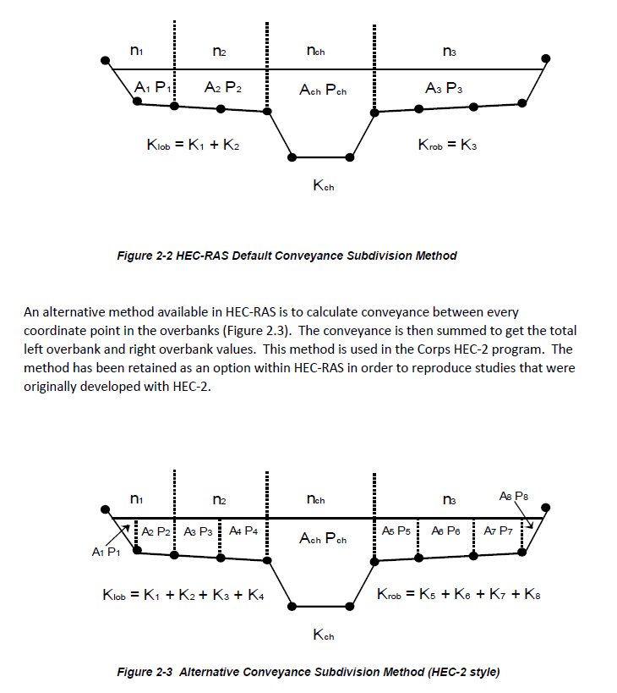
-5.001 | Left Bankfull |  |  |  |  |  |  |  |  |  |  |  |  |  |  |  |  |  |  |  |  |  |  | K Segments | 19 | Left | LOB | Y | 1.0 | 0.3 | 0.3 | -21.76 | 3.10 | 1.90 | 0.51 | 0.27 | 1.89 | 0.01 | 0.10 | 0.01 | 11.71 | 1.17 | 2.27 | 1.18 | 5.00 | 1.89 | 6.63 | 2.29 | 3.66 | 6.77 | 3.94 | 4.00 | 3.66 | 2.27 | 0.00 | 0.00 | 1.18 | 0.00 | 0.00 | 1.89 | 0.00 | 0.00
NA | Left Inner Berm |  |  |  |  |  |  |  |  |  |  |  |  |  |  |  |  |  |  |  |  |  |  | 200 | 20 | Left | LOB | Y | 1.0 | 0.3 | 0.3 | -21.49 | 3.10 | 1.90 | 0.52 | 0.27 | 1.90 | 0.01 | 0.10 | 0.01 | 11.76 | 1.18 | 2.28 | 1.18 | 5.00 | 1.90 | 6.65 | 2.30 | 3.67 | 6.79 | 3.95 | 4.01 | 3.67 | 2.28 | 0.00 | 0.00 | 1.18 | 0.00 | 0.00 | 1.90 | 0.00 | 0.00
0.000 | Thalweg |  |  |  |  |  |  |  |  |  |  |  |  |  |  |  |  |  |  |  |  |  |  |  | 21 | Left | LOB | Y | 1.0 | 0.3 | 0.3 | -21.22 | 3.09 | 1.91 | 0.52 | 0.27 | 1.90 | 0.01 | 0.10 | 0.01 | 11.82 | 1.18 | 2.28 | 1.19 | 5.00 | 1.90 | 6.67 | 2.31 | 3.68 | 6.80 | 3.96 | 4.02 | 3.68 | 2.28 | 0.00 | 0.00 | 1.19 | 0.00 | 0.00 | 1.90 | 0.00 | 0.00
 |  |  |  |  |  |  |  |  |  |  |  |  |  |  |  |  |  |  |  |  |  | LOB Station START | Ch Station START | ROB Station START | 22 | Left | LOB | Y | 1.0 | 0.3 | 0.3 | -20.94 | 3.09 | 1.91 | 0.52 | 0.27 | 1.91 | 0.01 | 0.10 | 0.01 | 11.88 | 1.19 | 2.29 | 1.19 | 5.00 | 1.91 | 6.69 | 2.31 | 3.69 | 6.82 | 3.97 | 4.04 | 3.69 | 2.29 | 0.00 | 0.00 | 1.19 | 0.00 | 0.00 | 1.91 | 0.00 | 0.00
 |  |  |  |  |  |  |  |  |  |  |  |  |  |  |  |  |  |  |  |  |  | -27.20125 | -5.00125 | 5.00125 | 23 | Left | LOB | Y | 1.0 | 0.3 | 0.3 | -20.67 | 3.08 | 1.92 | 0.52 | 0.27 | 1.91 | 0.01 | 0.10 | 0.01 | 11.93 | 1.19 | 2.29 | 1.19 | 5.00 | 1.91 | 6.71 | 2.32 | 3.70 | 6.83 | 3.98 | 4.05 | 3.70 | 2.29 | 0.00 | 0.00 | 1.19 | 0.00 | 0.00 | 1.91 | 0.00 | 0.00
-27.201 | Right 3rd Stage |  |  |  |  |  |  |  |  |  |  |  |  |  |  |  |  |  |  |  |  |  |  | ROB Station END | 24 | Left | LOB | Y | 1.0 | 0.3 | 0.3 | -20.40 | 3.08 | 1.92 | 0.52 | 0.27 | 1.92 | 0.01 | 0.10 | 0.01 | 11.99 | 1.20 | 2.30 | 1.20 | 5.00 | 1.92 | 6.72 | 2.33 | 3.71 | 6.84 | 3.99 | 4.06 | 3.71 | 2.30 | 0.00 | 0.00 | 1.20 | 0.00 | 0.00 | 1.92 | 0.00 | 0.00
-16.601 | Right 2nd Stage |  |  |  |  |  |  |  |  |  |  |  |  |  |  |  |  |  |  |  |  |  |  | 27.20125 | 25 | Left | LOB | Y | 1.0 | 0.3 | 0.3 | -20.13 | 3.07 | 1.93 | 0.52 | 0.27 | 1.93 | 0.01 | 0.10 | 0.01 | 12.05 | 1.20 | 2.30 | 1.20 | 5.00 | 1.93 | 6.74 | 2.33 | 3.72 | 6.86 | 4.00 | 4.07 | 3.72 | 2.30 | 0.00 | 0.00 | 1.20 | 0.00 | 0.00 | 1.93 | 0.00 | 0.00
-5.001 | Right Bankfull |  |  |  |  |  |  |  |  |  |  |  |  |  |  |  |  |  |  |  |  |  | Thalweg Station |  | 26 | Left | LOB | Y | 1.0 | 0.3 | 0.3 | -19.86 | 3.07 | 1.93 | 0.53 | 0.27 | 1.93 | 0.01 | 0.10 | 0.01 | 12.10 | 1.21 | 2.30 | 1.20 | 5.00 | 1.93 | 6.76 | 2.34 | 3.73 | 6.87 | 4.01 | 4.08 | 3.73 | 2.30 | 0.00 | 0.00 | 1.20 | 0.00 | 0.00 | 1.93 | 0.00 | 0.00
#VALUE! | Right Inner Berm |  |  |  |  |  |  |  |  |  |  |  |  |  |  |  |  |  |  |  |  |  | 0.00 |  | 27 | Left | LOB | Y | 1.0 | 0.3 | 0.3 | -19.58 | 3.06 | 1.94 | 0.53 | 0.27 | 1.94 | 0.01 | 0.10 | 0.01 | 12.16 | 1.22 | 2.31 | 1.21 | 5.00 | 1.94 | 6.78 | 2.35 | 3.74 | 6.89 | 4.02 | 4.09 | 3.74 | 2.31 | 0.00 | 0.00 | 1.21 | 0.00 | 0.00 | 1.94 | 0.00 | 0.00
0.000 | Thalweg |  |  |  |  |  |  |  |  |  |  |  |  |  |  |  |  |  |  |  |  |  |  |  | 28 | Left | LOB | Y | 1.0 | 0.3 | 0.3 | -19.31 | 3.06 | 1.94 | 0.53 | 0.27 | 1.94 | 0.01 | 0.10 | 0.01 | 12.22 | 1.22 | 2.31 | 1.21 | 5.00 | 1.94 | 6.80 | 2.35 | 3.76 | 6.90 | 4.03 | 4.10 | 3.76 | 2.31 | 0.00 | 0.00 | 1.21 | 0.00 | 0.00 | 1.94 | 0.00 | 0.00
 |  |  |  |  |  |  |  |  |  |  |  |  |  |  |  |  |  |  |  |  |  |  |  | Left Flow bound | 29 | Left | LOB | Y | 1.0 | 0.3 | 0.3 | -19.04 | 3.05 | 1.95 | 0.53 | 0.27 | 1.95 | 0.01 | 0.10 | 0.01 | 12.27 | 1.23 | 2.32 | 1.21 | 5.00 | 1.95 | 6.82 | 2.36 | 3.77 | 6.91 | 4.04 | 4.11 | 3.77 | 2.32 | 0.00 | 0.00 | 1.21 | 0.00 | 0.00 | 1.95 | 0.00 | 0.00
 |  |  |  |  |  |  |  |  |  |  |  |  |  |  |  |  |  |  |  |  |  |  |  | -50 | 30 | Left | LOB | Y | 1.0 | 0.3 | 0.3 | -18.77 | 3.04 | 1.96 | 0.53 | 0.27 | 1.95 | 0.01 | 0.10 | 0.01 | 12.33 | 1.23 | 2.32 | 1.22 | 5.00 | 1.95 | 6.84 | 2.37 | 3.78 | 6.93 | 4.06 | 4.12 | 3.78 | 2.32 | 0.00 | 0.00 | 1.22 | 0.00 | 0.00 | 1.95 | 0.00 | 0.00
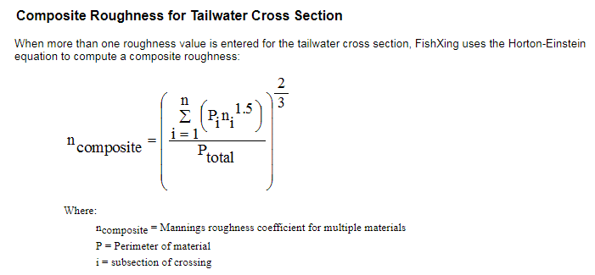
 |  |  |  |  |  |  |  |  |  |  |  |  |  |  |  |  |  |  |  |  |  |  |  | Right flow bound | 31 | Left | LOB | Y | 1.0 | 0.3 | 0.3 | -18.50 | 3.04 | 1.96 | 0.53 | 0.27 | 1.96 | 0.01 | 0.10 | 0.01 | 12.39 | 1.24 | 2.33 | 1.22 | 5.00 | 1.96 | 6.86 | 2.37 | 3.79 | 6.94 | 4.07 | 4.13 | 3.79 | 2.33 | 0.00 | 0.00 | 1.22 | 0.00 | 0.00 | 1.96 | 0.00 | 0.00
 |  |  |  |  |  |  |  |  |  |  |  |  |  |  |  |  |  |  |  |  |  |  |  | 90 | 32 | Left | LOB | Y | 1.0 | 0.3 | 0.3 | -18.22 | 3.03 | 1.97 | 0.53 | 0.27 | 1.96 | 0.01 | 0.10 | 0.01 | 12.45 | 1.24 | 2.33 | 1.23 | 5.00 | 1.96 | 6.88 | 2.38 | 3.80 | 6.96 | 4.08 | 4.14 | 3.80 | 2.33 | 0.00 | 0.00 | 1.23 | 0.00 | 0.00 | 1.96 | 0.00 | 0.00
 |  |  |  |  |  |  |  |  |  |  |  |  |  |  |  |  |  |  |  |  |  |  |  |  | 33 | Left | LOB | Y | 1.0 | 0.3 | 0.3 | -17.95 | 3.03 | 1.97 | 0.54 | 0.27 | 1.97 | 0.01 | 0.10 | 0.01 | 12.50 | 1.25 | 2.33 | 1.23 | 5.00 | 1.97 | 6.90 | 2.39 | 3.81 | 6.97 | 4.09 | 4.15 | 3.81 | 2.33 | 0.00 | 0.00 | 1.23 | 0.00 | 0.00 | 1.97 | 0.00 | 0.00
 |  |  |  |  |  |  |  |  |  |  |  |  |  |  |  |  |  |  |  |  |  |  |  |  | 34 | Left | LOB | Y | 1.0 | 0.3 | 0.3 | -17.68 | 3.02 | 1.98 | 0.54 | 0.27 | 1.97 | 0.01 | 0.10 | 0.01 | 12.56 | 1.26 | 2.34 | 1.23 | 5.00 | 1.97 | 6.91 | 2.39 | 3.82 | 6.99 | 4.10 | 4.16 | 3.82 | 2.34 | 0.00 | 0.00 | 1.23 | 0.00 | 0.00 | 1.97 | 0.00 | 0.00
 |  |  |  |  |  |  |  |  |  |  |  |  |  |  |  |  |  |  |  |  |  |  |  |  | 35 | Left | LOB | Y | 1.0 | 0.3 | 0.3 | -17.41 | 3.02 | 1.98 | 0.54 | 0.27 | 1.98 | 0.01 | 0.10 | 0.01 | 12.62 | 1.26 | 2.34 | 1.24 | 5.00 | 1.98 | 6.93 | 2.40 | 3.83 | 7.00 | 4.11 | 4.17 | 3.83 | 2.34 | 0.00 | 0.00 | 1.24 | 0.00 | 0.00 | 1.98 | 0.00 | 0.00
 |  |  |  |  |  |  |  |  |  |  |  |  |  |  |  |  |  |  |  |  |  |  |  |  | 36 | Left | LOB | Y | 1.0 | 0.3 | 0.3 | -17.14 | 3.01 | 1.99 | 0.54 | 0.27 | 1.99 | 0.01 | 0.10 | 0.01 | 12.68 | 1.27 | 2.35 | 1.24 | 5.00 | 1.99 | 6.95 | 2.41 | 3.84 | 7.01 | 4.12 | 4.18 | 3.84 | 2.35 | 0.00 | 0.00 | 1.24 | 0.00 | 0.00 | 1.99 | 0.00 | 0.00
 |  |  |  |  |  |  |  |  |  |  |  |  |  |  |  |  |  |  |  |  |  |  |  |  | 37 | Left | LOB | Y | 1.0 | 0.3 | 0.3 | -16.86 | 3.01 | 1.99 | 0.54 | 0.27 | 1.99 | 0.01 | 0.10 | 0.01 | 12.74 | 1.27 | 2.35 | 1.24 | 5.00 | 1.99 | 6.97 | 2.41 | 3.85 | 7.03 | 4.13 | 4.19 | 3.85 | 2.35 | 0.00 | 0.00 | 1.24 | 0.00 | 0.00 | 1.99 | 0.00 | 0.00
 |  |  |  |  |  |  |  |  |  |  |  |  |  |  |  |  |  |  |  |  |  |  |  |  | 38 | Left | LOB | Y | 1.0 | 0.3 | 0.3 | -16.59 | 3.00 | 2.00 | 0.54 | 0.27 | 2.00 | 0.01 | 0.10 | 0.01 | 12.81 | 1.28 | 2.36 | 1.25 | 5.00 | 2.00 | 7.00 | 2.42 | 3.87 | 7.05 | 4.14 | 4.21 | 3.87 | 2.36 | 0.00 | 0.00 | 1.25 | 0.00 | 0.00 | 2.00 | 0.00 | 0.00
 |  | #N/A |  |  |  |  |  |  |  |  |  |  |  |  |  |  |  |  |  |  |  |  |  |  | 39 | Left | LOB | Y | 1.0 | 0.3 | 0.3 | -16.32 | 2.86 | 2.14 | 0.56 | 0.30 | 1.85 | 0.01 | 0.10 | 0.01 | 12.63 | 1.26 | 2.24 | 1.16 | 5.00 | 2.07 | 6.49 | 2.25 | 4.15 | 7.40 | 3.86 | 3.93 | 4.15 | 2.24 | 0.00 | 0.00 | 1.16 | 0.00 | 0.00 | 1.85 | 0.00 | 0.00
 |  | #N/A |  |  |  |  |  |  |  |  |  |  |  |  |  |  |  |  |  |  |  |  |  |  | 40 | Left | LOB | Y | 1.0 | 0.3 | 0.3 | -16.05 | 2.72 | 2.28 | 0.60 | 0.30 | 1.97 | 0.01 | 0.10 | 0.01 | 14.04 | 1.40 | 2.34 | 1.23 | 5.00 | 2.21 | 6.91 | 2.39 | 4.42 | 7.74 | 4.10 | 4.16 | 4.42 | 2.34 | 0.00 | 0.00 | 1.23 | 0.00 | 0.00 | 1.97 | 0.00 | 0.00
 |  | #N/A |  |  |  |  |  |  |  |  |  |  |  |  |  |  |  |  |  |  |  |  |  |  | 41 | Left | LOB | Y | 1.0 | 0.3 | 0.3 | -15.78 | 2.59 | 2.41 | 0.64 | 0.30 | 2.10 | 0.01 | 0.10 | 0.01 | 15.51 | 1.55 | 2.43 | 1.31 | 5.00 | 2.34 | 7.34 | 2.54 | 4.70 | 8.08 | 4.33 | 4.40 | 4.70 | 2.43 | 0.00 | 0.00 | 1.31 | 0.00 | 0.00 | 2.10 | 0.00 | 0.00
 |  | #N/A |  |  |  |  |  |  |  |  |  |  |  |  |  |  |  |  |  |  |  |  |  |  | 42 | Left | LOB | Y | 1.0 | 0.3 | 0.3 | -15.50 | 2.45 | 2.55 | 0.67 | 0.30 | 2.22 | 0.01 | 0.10 | 0.01 | 17.04 | 1.70 | 2.53 | 1.38 | 5.00 | 2.48 | 7.77 | 2.69 | 4.97 | 8.42 | 4.57 | 4.64 | 4.97 | 2.53 | 0.00 | 0.00 | 1.38 | 0.00 | 0.00 | 2.22 | 0.00 | 0.00
 |  |  |  |  |  |  |  |  |  |  |  |  |  |  |  |  |  |  |  |  |  |  |  |  | 43 | Left | LOB | Y | 1.0 | 0.3 | 0.3 | -15.23 | 2.32 | 2.68 | 0.71 | 0.30 | 2.34 | 0.01 | 0.10 | 0.01 | 18.63 | 1.86 | 2.62 | 1.46 | 5.00 | 2.62 | 8.19 | 2.84 | 5.25 | 8.74 | 4.81 | 4.87 | 5.25 | 2.62 | 0.00 | 0.00 | 1.46 | 0.00 | 0.00 | 2.34 | 0.00 | 0.00
 |  |  |  |  |  |  |  |  |  |  |  |  |  |  |  |  |  |  |  |  |  |  |  |  | 44 | Left | LOB | Y | 1.0 | 0.3 | 0.3 | -14.96 | 2.20 | 2.80 | 0.75 | 0.30 | 2.52 | 0.01 | 0.10 | 0.01 | 20.52 | 2.05 | 2.75 | 1.57 | 5.00 | 2.74 | 8.83 | 3.05 | 5.49 | 9.02 | 5.16 | 5.23 | 5.49 | 2.75 | 0.00 | 0.00 | 1.57 | 0.00 | 0.00 | 2.52 | 0.00 | 0.00
 |  |  |  |  |  |  |  |  |  |  |  |  |  |  |  |  |  |  |  |  |  |  |  |  | 45 | Left | LOB | Y | 1.0 | 0.3 | 0.3 | -14.69 | 2.19 | 2.81 | 0.76 | 0.27 | 2.80 | 0.01 | 0.10 | 0.01 | 22.51 | 2.25 | 2.95 | 1.75 | 5.00 | 2.80 | 9.81 | 3.40 | 5.50 | 9.03 | 5.71 | 5.78 | 5.50 | 2.95 | 0.00 | 0.00 | 1.75 | 0.00 | 0.00 | 2.80 | 0.00 | 0.00
 |  |  |  |  |  |  |  |  |  |  |  |  |  |  |  |  |  |  |  |  |  |  |  |  | 46 | Left | LOB | Y | 1.0 | 0.3 | 0.3 | -14.42 | 2.19 | 2.81 | 0.76 | 0.27 | 2.81 | 0.01 | 0.10 | 0.01 | 22.59 | 2.26 | 2.96 | 1.75 | 5.00 | 2.81 | 9.83 | 3.40 | 5.51 | 9.05 | 5.72 | 5.79 | 5.51 | 2.96 | 0.00 | 0.00 | 1.75 | 0.00 | 0.00 | 2.81 | 0.00 | 0.00
 |  |  |  |  |  |  |  |  |  |  |  |  |  |  |  |  |  |  |  |  |  |  |  |  | 47 | Left | LOB | Y | 1.0 | 0.3 | 0.3 | -14.14 | 2.18 | 2.82 | 0.77 | 0.27 | 2.81 | 0.01 | 0.10 | 0.01 | 22.66 | 2.27 | 2.96 | 1.76 | 5.00 | 2.81 | 9.85 | 3.41 | 5.52 | 9.06 | 5.73 | 5.80 | 5.52 | 2.96 | 0.00 | 0.00 | 1.76 | 0.00 | 0.00 | 2.81 | 0.00 | 0.00
 |  |  |  |  |  |  |  |  |  |  |  |  |  |  |  |  |  |  |  |  |  |  |  |  | 48 | Left | LOB | Y | 1.0 | 0.3 | 0.3 | -13.87 | 2.18 | 2.82 | 0.77 | 0.27 | 2.82 | 0.01 | 0.10 | 0.01 | 22.73 | 2.27 | 2.96 | 1.76 | 5.00 | 2.82 | 9.87 | 3.42 | 5.53 | 9.07 | 5.74 | 5.81 | 5.53 | 2.96 | 0.00 | 0.00 | 1.76 | 0.00 | 0.00 | 2.82 | 0.00 | 0.00
 |  |  |  |  |  |  |  |  |  |  |  |  |  |  |  |  |  |  |  |  |  |  |  |  | 49 | Left | LOB | Y | 1.0 | 0.3 | 0.3 | -13.60 | 2.17 | 2.83 | 0.77 | 0.27 | 2.82 | 0.01 | 0.10 | 0.01 | 22.81 | 2.28 | 2.97 | 1.76 | 5.00 | 2.82 | 9.89 | 3.42 | 5.55 | 9.09 | 5.75 | 5.82 | 5.55 | 2.97 | 0.00 | 0.00 | 1.76 | 0.00 | 0.00 | 2.82 | 0.00 | 0.00
 |  |  |  |  |  |  |  |  |  |  |  |  |  |  |  |  |  |  |  |  |  |  |  |  | 50 | Left | LOB | Y | 1.0 | 0.3 | 0.3 | -13.33 | 2.17 | 2.83 | 0.77 | 0.27 | 2.83 | 0.01 | 0.10 | 0.01 | 22.88 | 2.29 | 2.97 | 1.77 | 5.00 | 2.83 | 9.91 | 3.43 | 5.56 | 9.10 | 5.76 | 5.83 | 5.56 | 2.97 | 0.00 | 0.00 | 1.77 | 0.00 | 0.00 | 2.83 | 0.00 | 0.00
 |  |  |  |  |  |  |  |  |  |  |  |  |  |  |  |  |  |  |  |  |  |  |  |  | 51 | Left | LOB | Y | 1.0 | 0.3 | 0.3 | -13.06 | 2.16 | 2.84 | 0.77 | 0.27 | 2.83 | 0.01 | 0.10 | 0.01 | 22.95 | 2.30 | 2.98 | 1.77 | 5.00 | 2.84 | 9.93 | 3.44 | 5.57 | 9.11 | 5.77 | 5.84 | 5.57 | 2.98 | 0.00 | 0.00 | 1.77 | 0.00 | 0.00 | 2.83 | 0.00 | 0.00
 |  |  |  |  |  |  |  |  |  |  |  |  |  |  |  |  |  |  |  |  |  |  |  |  | 52 | Left | LOB | Y | 1.0 | 0.3 | 0.3 | -12.78 | 2.16 | 2.84 | 0.77 | 0.27 | 2.84 | 0.01 | 0.10 | 0.01 | 23.03 | 2.30 | 2.98 | 1.77 | 5.00 | 2.84 | 9.95 | 3.44 | 5.58 | 9.12 | 5.79 | 5.85 | 5.58 | 2.98 | 0.00 | 0.00 | 1.77 | 0.00 | 0.00 | 2.84 | 0.00 | 0.00
 |  |  |  |  |  |  |  |  |  |  |  |  |  |  |  |  |  |  |  |  |  |  |  |  | 53 | Left | LOB | Y | 1.0 | 0.3 | 0.3 | -12.51 | 2.15 | 2.85 | 0.77 | 0.27 | 2.85 | 0.01 | 0.10 | 0.01 | 23.10 | 2.31 | 2.98 | 1.78 | 5.00 | 2.85 | 9.97 | 3.45 | 5.59 | 9.14 | 5.80 | 5.86 | 5.59 | 2.98 | 0.00 | 0.00 | 1.78 | 0.00 | 0.00 | 2.85 | 0.00 | 0.00
 |  |  |  |  |  |  |  |  |  |  |  |  |  |  |  |  |  |  |  |  |  |  |  |  | 54 | Left | LOB | Y | 1.0 | 0.3 | 0.3 | -12.24 | 2.15 | 2.85 | 0.78 | 0.27 | 2.85 | 0.01 | 0.10 | 0.01 | 23.17 | 2.32 | 2.99 | 1.78 | 5.00 | 2.85 | 9.99 | 3.46 | 5.60 | 9.15 | 5.81 | 5.87 | 5.60 | 2.99 | 0.00 | 0.00 | 1.78 | 0.00 | 0.00 | 2.85 | 0.00 | 0.00
 |  |  |  |  |  |  |  |  |  |  |  |  |  |  |  |  |  |  |  |  |  |  |  |  | 55 | Left | LOB | Y | 1.0 | 0.3 | 0.3 | -11.97 | 2.14 | 2.86 | 0.78 | 0.27 | 2.86 | 0.01 | 0.10 | 0.01 | 23.25 | 2.32 | 2.99 | 1.78 | 5.00 | 2.86 | 10.00 | 3.46 | 5.61 | 9.16 | 5.82 | 5.88 | 5.61 | 2.99 | 0.00 | 0.00 | 1.78 | 0.00 | 0.00 | 2.86 | 0.00 | 0.00
 |  |  |  |  |  |  |  |  |  |  |  |  |  |  |  |  |  |  |  |  |  |  |  |  | 56 | Left | LOB | Y | 1.0 | 0.3 | 0.3 | -11.70 | 2.13 | 2.87 | 0.78 | 0.27 | 2.86 | 0.01 | 0.10 | 0.01 | 23.32 | 2.33 | 3.00 | 1.79 | 5.00 | 2.86 | 10.02 | 3.47 | 5.62 | 9.18 | 5.83 | 5.89 | 5.62 | 3.00 | 0.00 | 0.00 | 1.79 | 0.00 | 0.00 | 2.86 | 0.00 | 0.00
 |  |  |  |  |  |  |  |  |  |  |  |  |  |  |  |  |  |  |  |  |  |  |  |  | 57 | Left | LOB | Y | 1.0 | 0.3 | 0.3 | -11.42 | 2.13 | 2.87 | 0.78 | 0.27 | 2.87 | 0.01 | 0.10 | 0.01 | 23.40 | 2.34 | 3.00 | 1.79 | 5.00 | 2.87 | 10.04 | 3.48 | 5.63 | 9.19 | 5.84 | 5.90 | 5.63 | 3.00 | 0.00 | 0.00 | 1.79 | 0.00 | 0.00 | 2.87 | 0.00 | 0.00
 |  |  |  |  |  |  |  |  |  |  |  |  |  |  |  |  |  |  |  |  |  |  |  |  | 58 | Left | LOB | Y | 1.0 | 0.3 | 0.3 | -11.15 | 2.12 | 2.88 | 0.78 | 0.27 | 2.87 | 0.01 | 0.10 | 0.01 | 23.47 | 2.35 | 3.00 | 1.79 | 5.00 | 2.87 | 10.06 | 3.48 | 5.65 | 9.20 | 5.85 | 5.91 | 5.65 | 3.00 | 0.00 | 0.00 | 1.79 | 0.00 | 0.00 | 2.87 | 0.00 | 0.00
 |  |  |  |  |  |  |  |  |  |  |  |  |  |  |  |  |  |  |  |  |  |  |  |  | 59 | Left | LOB | Y | 1.0 | 0.3 | 0.3 | -10.88 | 2.12 | 2.88 | 0.78 | 0.27 | 2.88 | 0.01 | 0.10 | 0.01 | 23.54 | 2.35 | 3.01 | 1.80 | 5.00 | 2.88 | 10.08 | 3.49 | 5.66 | 9.21 | 5.86 | 5.92 | 5.66 | 3.01 | 0.00 | 0.00 | 1.80 | 0.00 | 0.00 | 2.88 | 0.00 | 0.00
 |  |  |  |  |  |  |  |  |  |  |  |  |  |  |  |  |  |  |  |  |  |  |  |  | 60 | Left | LOB | Y | 1.0 | 0.3 | 0.3 | -10.61 | 2.11 | 2.89 | 0.78 | 0.27 | 2.88 | 0.01 | 0.10 | 0.01 | 23.62 | 2.36 | 3.01 | 1.80 | 5.00 | 2.88 | 10.10 | 3.50 | 5.67 | 9.23 | 5.87 | 5.94 | 5.67 | 3.01 | 0.00 | 0.00 | 1.80 | 0.00 | 0.00 | 2.88 | 0.00 | 0.00
 |  |  |  |  |  |  |  |  |  |  |  |  |  |  |  |  |  |  |  |  |  |  |  |  | 61 | Left | LOB | Y | 1.0 | 0.3 | 0.3 | -10.34 | 2.11 | 2.89 | 0.79 | 0.27 | 2.89 | 0.01 | 0.10 | 0.01 | 23.69 | 2.37 | 3.01 | 1.80 | 5.00 | 2.89 | 10.12 | 3.50 | 5.68 | 9.24 | 5.88 | 5.95 | 5.68 | 3.01 | 0.00 | 0.00 | 1.80 | 0.00 | 0.00 | 2.89 | 0.00 | 0.00
 |  |  |  |  |  |  |  |  |  |  |  |  |  |  |  |  |  |  |  |  |  |  |  |  | 62 | Left | LOB | Y | 1.0 | 0.3 | 0.3 | -10.06 | 2.10 | 2.90 | 0.79 | 0.27 | 2.89 | 0.01 | 0.10 | 0.01 | 23.77 | 2.38 | 3.02 | 1.81 | 5.00 | 2.90 | 10.14 | 3.51 | 5.69 | 9.25 | 5.89 | 5.96 | 5.69 | 3.02 | 0.00 | 0.00 | 1.81 | 0.00 | 0.00 | 2.89 | 0.00 | 0.00
 |  | #N/A |  |  |  |  |  |  |  |  |  |  |  |  |  |  |  |  |  |  |  |  |  |  | 63 | Left | LOB | Y | 1.0 | 0.3 | 0.3 | -9.79 | 2.10 | 2.90 | 0.79 | 0.27 | 2.90 | 0.01 | 0.10 | 0.01 | 23.84 | 2.38 | 3.02 | 1.81 | 5.00 | 2.90 | 10.16 | 3.52 | 5.70 | 9.27 | 5.90 | 5.97 | 5.70 | 3.02 | 0.00 | 0.00 | 1.81 | 0.00 | 0.00 | 2.90 | 0.00 | 0.00
 |  | #N/A |  |  |  |  |  |  |  |  |  |  |  |  |  |  |  |  |  |  |  |  |  |  | 64 | Left | LOB | Y | 1.0 | 0.3 | 0.3 | -9.52 | 2.09 | 2.91 | 0.79 | 0.27 | 2.91 | 0.01 | 0.10 | 0.01 | 23.92 | 2.39 | 3.03 | 1.81 | 5.00 | 2.91 | 10.18 | 3.52 | 5.71 | 9.28 | 5.91 | 5.98 | 5.71 | 3.03 | 0.00 | 0.00 | 1.81 | 0.00 | 0.00 | 2.91 | 0.00 | 0.00
 |  |  |  |  |  |  |  |  |  |  |  |  |  |  |  |  |  |  |  |  |  |  |  |  | 65 | Left | LOB | Y | 1.0 | 0.3 | 0.3 | -9.25 | 2.09 | 2.91 | 0.79 | 0.27 | 2.91 | 0.01 | 0.10 | 0.01 | 23.99 | 2.40 | 3.03 | 1.82 | 5.00 | 2.91 | 10.19 | 3.53 | 5.72 | 9.29 | 5.92 | 5.99 | 5.72 | 3.03 | 0.00 | 0.00 | 1.82 | 0.00 | 0.00 | 2.91 | 0.00 | 0.00
 |  |  |  |  |  |  |  |  |  |  |  |  |  |  |  |  |  |  |  |  |  |  |  |  | 66 | Left | LOB | Y | 1.0 | 0.3 | 0.3 | -8.98 | 2.08 | 2.92 | 0.79 | 0.27 | 2.92 | 0.01 | 0.10 | 0.01 | 24.07 | 2.41 | 3.03 | 1.82 | 5.00 | 2.92 | 10.21 | 3.53 | 5.73 | 9.30 | 5.93 | 6.00 | 5.73 | 3.03 | 0.00 | 0.00 | 1.82 | 0.00 | 0.00 | 2.92 | 0.00 | 0.00
 |  |  |  |  |  |  |  |  |  |  |  |  |  |  |  |  |  |  |  |  |  |  |  |  | 67 | Left | LOB | Y | 1.0 | 0.3 | 0.3 | -8.70 | 2.08 | 2.92 | 0.79 | 0.27 | 2.92 | 0.01 | 0.10 | 0.01 | 24.14 | 2.41 | 3.04 | 1.82 | 5.00 | 2.92 | 10.23 | 3.54 | 5.75 | 9.32 | 5.94 | 6.01 | 5.75 | 3.04 | 0.00 | 0.00 | 1.82 | 0.00 | 0.00 | 2.92 | 0.00 | 0.00
 |  |  |  |  |  |  |  |  |  |  |  |  |  |  |  |  |  |  |  |  |  |  |  |  | 68 | Left | LOB | Y | 1.0 | 0.3 | 0.3 | -8.43 | 2.07 | 2.93 | 0.80 | 0.27 | 2.93 | 0.01 | 0.10 | 0.01 | 24.21 | 2.42 | 3.04 | 1.83 | 5.00 | 2.93 | 10.25 | 3.55 | 5.76 | 9.33 | 5.96 | 6.02 | 5.76 | 3.04 | 0.00 | 0.00 | 1.83 | 0.00 | 0.00 | 2.93 | 0.00 | 0.00
 |  |  |  |  |  |  |  |  |  |  |  |  |  |  |  |  |  |  |  |  |  |  |  |  | 69 | Left | LOB | Y | 1.0 | 0.3 | 0.3 | -8.16 | 2.06 | 2.94 | 0.80 | 0.27 | 2.93 | 0.01 | 0.10 | 0.01 | 24.29 | 2.43 | 3.04 | 1.83 | 5.00 | 2.93 | 10.27 | 3.55 | 5.77 | 9.34 | 5.97 | 6.03 | 5.77 | 3.04 | 0.00 | 0.00 | 1.83 | 0.00 | 0.00 | 2.93 | 0.00 | 0.00
 |  |  |  |  |  |  |  |  |  |  |  |  |  |  |  |  |  |  |  |  |  |  |  |  | 70 | Left | LOB | Y | 1.0 | 0.3 | 0.3 | -7.89 | 2.06 | 2.94 | 0.80 | 0.27 | 2.94 | 0.01 | 0.10 | 0.01 | 24.37 | 2.44 | 3.05 | 1.83 | 5.00 | 2.94 | 10.29 | 3.56 | 5.78 | 9.35 | 5.98 | 6.04 | 5.78 | 3.05 | 0.00 | 0.00 | 1.83 | 0.00 | 0.00 | 2.94 | 0.00 | 0.00
 |  |  |  |  |  |  |  |  |  |  |  |  |  |  |  |  |  |  |  |  |  |  |  |  | 71 | Left | LOB | Y | 1.0 | 0.3 | 0.3 | -7.62 | 2.05 | 2.95 | 0.80 | 0.27 | 2.94 | 0.01 | 0.10 | 0.01 | 24.44 | 2.44 | 3.05 | 1.84 | 5.00 | 2.94 | 10.31 | 3.57 | 5.79 | 9.37 | 5.99 | 6.05 | 5.79 | 3.05 | 0.00 | 0.00 | 1.84 | 0.00 | 0.00 | 2.94 | 0.00 | 0.00
 |  |  |  |  |  |  |  |  |  |  |  |  |  |  |  |  |  |  |  |  |  |  |  |  | 72 | Left | LOB | Y | 1.0 | 0.3 | 0.3 | -7.34 | 2.05 | 2.95 | 0.80 | 0.27 | 2.95 | 0.01 | 0.10 | 0.01 | 24.52 | 2.45 | 3.06 | 1.84 | 5.00 | 2.95 | 10.33 | 3.57 | 5.80 | 9.38 | 6.00 | 6.06 | 5.80 | 3.06 | 0.00 | 0.00 | 1.84 | 0.00 | 0.00 | 2.95 | 0.00 | 0.00
 |  |  |  |  |  |  |  |  |  |  |  |  |  |  |  |  |  |  |  |  |  |  |  |  | 73 | Left | LOB | Y | 1.0 | 0.3 | 0.3 | -7.07 | 2.04 | 2.96 | 0.80 | 0.27 | 2.95 | 0.01 | 0.10 | 0.01 | 24.59 | 2.46 | 3.06 | 1.84 | 5.00 | 2.95 | 10.35 | 3.58 | 5.81 | 9.39 | 6.01 | 6.07 | 5.81 | 3.06 | 0.00 | 0.00 | 1.84 | 0.00 | 0.00 | 2.95 | 0.00 | 0.00
 |  |  |  |  |  |  |  |  |  |  |  |  |  |  |  |  |  |  |  |  |  |  |  |  | 74 | Left | LOB | Y | 1.0 | 0.3 | 0.3 | -6.80 | 2.04 | 2.96 | 0.81 | 0.27 | 2.96 | 0.01 | 0.10 | 0.01 | 24.67 | 2.47 | 3.06 | 1.85 | 5.00 | 2.96 | 10.37 | 3.59 | 5.82 | 9.41 | 6.02 | 6.08 | 5.82 | 3.06 | 0.00 | 0.00 | 1.85 | 0.00 | 0.00 | 2.96 | 0.00 | 0.00
 |  |  |  |  |  |  |  |  |  |  |  |  |  |  |  |  |  |  |  |  |  |  |  |  | 75 | Left | LOB | Y | 1.0 | 0.3 | 0.3 | -6.53 | 2.03 | 2.97 | 0.81 | 0.27 | 2.97 | 0.01 | 0.10 | 0.01 | 24.74 | 2.47 | 3.07 | 1.85 | 5.00 | 2.97 | 10.39 | 3.59 | 5.83 | 9.42 | 6.03 | 6.09 | 5.83 | 3.07 | 0.00 | 0.00 | 1.85 | 0.00 | 0.00 | 2.97 | 0.00 | 0.00
 |  |  |  |  |  |  |  |  |  |  |  |  |  |  |  |  |  |  |  |  |  |  |  |  | 76 | Left | LOB | Y | 1.0 | 0.3 | 0.3 | -6.26 | 2.03 | 2.97 | 0.81 | 0.27 | 2.97 | 0.01 | 0.10 | 0.01 | 24.82 | 2.48 | 3.07 | 1.85 | 5.00 | 2.97 | 10.40 | 3.60 | 5.85 | 9.43 | 6.04 | 6.11 | 5.85 | 3.07 | 0.00 | 0.00 | 1.85 | 0.00 | 0.00 | 2.97 | 0.00 | 0.00
 |  |  |  |  |  |  |  |  |  |  |  |  |  |  |  |  |  |  |  |  |  |  |  |  | 77 | Left | LOB | Y | 1.0 | 0.3 | 0.3 | -5.98 | 2.02 | 2.98 | 0.81 | 0.27 | 2.98 | 0.01 | 0.10 | 0.01 | 24.89 | 2.49 | 3.07 | 1.86 | 5.00 | 2.98 | 10.42 | 3.61 | 5.86 | 9.44 | 6.05 | 6.12 | 5.86 | 3.07 | 0.00 | 0.00 | 1.86 | 0.00 | 0.00 | 2.98 | 0.00 | 0.00
 |  |  |  |  |  |  |  |  |  |  |  |  |  |  |  |  |  |  |  |  |  |  |  |  | 78 | Left | LOB | Y | 1.0 | 0.3 | 0.3 | -5.71 | 2.02 | 2.98 | 0.81 | 0.27 | 2.98 | 0.01 | 0.10 | 0.01 | 24.97 | 2.50 | 3.08 | 1.86 | 5.00 | 2.98 | 10.44 | 3.61 | 5.87 | 9.46 | 6.06 | 6.13 | 5.87 | 3.08 | 0.00 | 0.00 | 1.86 | 0.00 | 0.00 | 2.98 | 0.00 | 0.00
 |  |  |  |  |  |  |  |  |  |  |  |  |  |  |  |  |  |  |  |  |  |  |  |  | 79 | Left | LOB | Y | 1.0 | 0.3 | 0.3 | -5.44 | 2.01 | 2.99 | 0.81 | 0.27 | 2.99 | 0.01 | 0.10 | 0.01 | 25.05 | 2.50 | 3.08 | 1.86 | 5.00 | 2.99 | 10.46 | 3.62 | 5.88 | 9.47 | 6.07 | 6.14 | 5.88 | 3.08 | 0.00 | 0.00 | 1.86 | 0.00 | 0.00 | 2.99 | 0.00 | 0.00
 |  |  |  |  |  |  |  |  |  |  |  |  |  |  |  |  |  |  |  |  |  |  |  |  | 80 | Left | LOB | Y | 1.0 | 0.3 | 0.3 | -5.17 | 2.00 | 3.00 | 0.81 | 0.27 | 2.99 | 0.01 | 0.10 | 0.01 | 25.12 | 2.51 | 3.09 | 1.87 | 5.00 | 2.99 | 10.48 | 3.63 | 5.89 | 9.48 | 6.08 | 6.15 | 5.89 | 3.09 | 0.00 | 0.00 | 1.87 | 0.00 | 0.00 | 2.99 | 0.00 | 0.00
 |  |  |  |  |  |  |  |  |  |  |  |  |  |  |  |  |  |  |  |  |  |  |  |  | 81 | Left | Channel | Y | 1.0 | 0.3 | 0.3 | -4.90 | 1.95 | 3.05 | 0.82 | 0.28 | 2.96 | 0.00 | 0.04 | 0.01 | 63.01 | 6.30 | 7.66 | 1.85 | 5.00 | 3.02 | 10.37 | 3.59 | 6.01 | 9.61 | 6.02 | 6.09 | 6.01 | 0.00 | 0.00 | 7.66 | 0.00 | 0.00 | 1.85 | 0.00 | 0.00 | 2.96
 |  |  |  |  |  |  |  |  |  |  |  |  |  |  |  |  |  |  |  |  |  |  |  |  | 82 | Left | Channel | Y | 1.0 | 0.3 | 0.3 | -4.62 | 1.81 | 3.19 | 0.85 | 0.30 | 2.79 | 0.00 | 0.04 | 0.01 | 62.48 | 6.25 | 7.36 | 1.74 | 5.00 | 3.12 | 9.77 | 3.38 | 6.28 | 9.92 | 5.69 | 5.75 | 6.28 | 0.00 | 0.00 | 7.36 | 0.00 | 0.00 | 1.74 | 0.00 | 0.00 | 2.79
 |  |  |  |  |  |  |  |  |  |  |  |  |  |  |  |  |  |  |  |  |  |  |  |  | 83 | Left | Channel | Y | 1.0 | 0.3 | 0.3 | -4.35 | 1.68 | 3.32 | 0.89 | 0.30 | 2.91 | 0.00 | 0.04 | 0.01 | 67.08 | 6.71 | 7.58 | 1.82 | 5.00 | 3.26 | 10.20 | 3.53 | 6.56 | 10.23 | 5.93 | 5.99 | 6.56 | 0.00 | 0.00 | 7.58 | 0.00 | 0.00 | 1.82 | 0.00 | 0.00 | 2.91
 |  |  |  |  |  |  |  |  |  |  |  |  |  |  |  |  |  |  |  |  |  |  |  |  | 84 | Left | Channel | Y | 1.0 | 0.3 | 0.3 | -4.08 | 1.54 | 3.46 | 0.92 | 0.30 | 3.03 | 0.00 | 0.04 | 0.01 | 71.82 | 7.18 | 7.78 | 1.89 | 5.00 | 3.39 | 10.62 | 3.68 | 6.84 | 10.54 | 6.16 | 6.23 | 6.84 | 0.00 | 0.00 | 7.78 | 0.00 | 0.00 | 1.89 | 0.00 | 0.00 | 3.03
 |  |  |  |  |  |  |  |  |  |  |  |  |  |  |  |  |  |  |  |  |  |  |  |  | 85 | Left | Channel | Y | 1.0 | 0.3 | 0.3 | -3.81 | 1.40 | 3.60 | 0.96 | 0.30 | 3.16 | 0.00 | 0.04 | 0.01 | 76.68 | 7.67 | 7.99 | 1.97 | 5.00 | 3.53 | 11.05 | 3.82 | 7.12 | 10.84 | 6.40 | 6.46 | 7.12 | 0.00 | 0.00 | 7.99 | 0.00 | 0.00 | 1.97 | 0.00 | 0.00 | 3.16
 |  |  |  |  |  |  |  |  |  |  |  |  |  |  |  |  |  |  |  |  |  |  |  |  | 86 | Left | Channel | Y | 1.0 | 0.3 | 0.3 | -3.54 | 1.27 | 3.73 | 1.00 | 0.30 | 3.28 | 0.00 | 0.04 | 0.01 | 81.67 | 8.17 | 8.20 | 2.04 | 5.00 | 3.66 | 11.48 | 3.97 | 7.41 | 11.14 | 6.64 | 6.70 | 7.41 | 0.00 | 0.00 | 8.20 | 0.00 | 0.00 | 2.04 | 0.00 | 0.00 | 3.28
 |  |  |  |  |  |  |  |  |  |  |  |  |  |  |  |  |  |  |  |  |  |  |  |  | 87 | Left | Channel | Y | 1.0 | 0.3 | 0.3 | -3.26 | 1.13 | 3.87 | 1.03 | 0.30 | 3.40 | 0.00 | 0.04 | 0.01 | 86.79 | 8.68 | 8.40 | 2.12 | 5.00 | 3.80 | 11.90 | 4.12 | 7.69 | 11.44 | 6.87 | 6.94 | 7.69 | 0.00 | 0.00 | 8.40 | 0.00 | 0.00 | 2.12 | 0.00 | 0.00 | 3.40
 |  |  |  |  |  |  |  |  |  |  |  |  |  |  |  |  |  |  |  |  |  |  |  |  | 88 | Left | Channel | Y | 1.0 | 0.3 | 0.3 | -2.99 | 1.00 | 4.00 | 1.07 | 0.30 | 3.52 | 0.00 | 0.04 | 0.01 | 92.03 | 9.20 | 8.60 | 2.20 | 5.00 | 3.94 | 12.33 | 4.27 | 7.97 | 11.74 | 7.11 | 7.18 | 7.97 | 0.00 | 0.00 | 8.60 | 0.00 | 0.00 | 2.20 | 0.00 | 0.00 | 3.52
 |  |  |  |  |  |  |  |  |  |  |  |  |  |  |  |  |  |  |  |  |  |  |  |  | 89 | Left | Channel | Y | 1.0 | 0.3 | 0.3 | -2.72 | 0.86 | 4.14 | 1.11 | 0.30 | 3.64 | 0.00 | 0.04 | 0.01 | 97.39 | 9.74 | 8.79 | 2.27 | 5.00 | 4.07 | 12.76 | 4.41 | 8.25 | 12.03 | 7.35 | 7.41 | 8.25 | 0.00 | 0.00 | 8.79 | 0.00 | 0.00 | 2.27 | 0.00 | 0.00 | 3.64
 |  |  |  |  |  |  |  |  |  |  |  |  |  |  |  |  |  |  |  |  |  |  |  |  | 90 | Left | Channel | Y | 1.0 | 0.3 | 0.3 | -2.45 | 0.72 | 4.28 | 1.14 | 0.30 | 3.76 | 0.00 | 0.04 | 0.01 | 102.87 | 10.29 | 8.99 | 2.35 | 5.00 | 4.21 | 13.18 | 4.56 | 8.53 | 12.32 | 7.59 | 7.65 | 8.53 | 0.00 | 0.00 | 8.99 | 0.00 | 0.00 | 2.35 | 0.00 | 0.00 | 3.76
 |  |  |  |  |  |  |  |  |  |  |  |  |  |  |  |  |  |  |  |  |  |  |  |  | 91 | Left | Channel | Y | 1.0 | 0.3 | 0.3 | -2.18 | 0.59 | 4.41 | 1.18 | 0.30 | 3.89 | 0.00 | 0.04 | 0.01 | 108.47 | 10.85 | 9.18 | 2.42 | 5.00 | 4.34 | 13.61 | 4.71 | 8.82 | 12.60 | 7.83 | 7.89 | 8.82 | 0.00 | 0.00 | 9.18 | 0.00 | 0.00 | 2.42 | 0.00 | 0.00 | 3.89
 |  |  |  |  |  |  |  |  |  |  |  |  |  |  |  |  |  |  |  |  |  |  |  |  | 92 | Left | Channel | Y | 1.0 | 0.3 | 0.3 | -1.90 | 0.48 | 4.52 | 1.22 | 0.29 | 4.13 | 0.00 | 0.04 | 0.01 | 116.26 | 11.63 | 9.57 | 2.58 | 5.00 | 4.47 | 14.47 | 5.01 | 9.05 | 12.84 | 8.33 | 8.37 | 9.05 | 0.00 | 0.00 | 9.57 | 0.00 | 0.00 | 2.58 | 0.00 | 0.00 | 4.13
 |  |  |  |  |  |  |  |  |  |  |  |  |  |  |  |  |  |  |  |  |  |  |  |  | 93 | Left | Channel | Y | 1.0 | 0.3 | 0.3 | -1.63 | 0.41 | 4.59 | 1.24 | 0.28 | 4.42 | 0.00 | 0.04 | 0.01 | 124.06 | 12.41 | 10.01 | 2.76 | 5.00 | 4.56 | 15.49 | 5.36 | 9.19 | 12.98 | 8.92 | 8.93 | 9.19 | 0.00 | 0.00 | 10.01 | 0.00 | 0.00 | 2.76 | 0.00 | 0.00 | 4.42
 |  |  |  |  |  |  |  |  |  |  |  |  |  |  |  |  |  |  |  |  |  |  |  |  | 94 | Left | Channel | Y | 1.0 | 0.3 | 0.3 | -1.36 | 0.34 | 4.66 | 1.26 | 0.28 | 4.49 | 0.00 | 0.04 | 0.01 | 127.16 | 12.72 | 10.11 | 2.80 | 5.00 | 4.63 | 15.72 | 5.44 | 9.33 | 13.12 | 9.05 | 9.06 | 9.33 | 0.00 | 0.00 | 10.11 | 0.00 | 0.00 | 2.80 | 0.00 | 0.00 | 4.49
 |  |  |  |  |  |  |  |  |  |  |  |  |  |  |  |  |  |  |  |  |  |  |  |  | 95 | Left | Channel | Y | 1.0 | 0.3 | 0.3 | -1.09 | 0.27 | 4.73 | 1.28 | 0.28 | 4.55 | 0.00 | 0.04 | 0.01 | 130.29 | 13.03 | 10.21 | 2.84 | 5.00 | 4.69 | 15.95 | 5.52 | 9.48 | 13.26 | 9.18 | 9.19 | 9.48 | 0.00 | 0.00 | 10.21 | 0.00 | 0.00 | 2.84 | 0.00 | 0.00 | 4.55
 |  |  |  |  |  |  |  |  |  |  |  |  |  |  |  |  |  |  |  |  |  |  |  |  | 96 | Left | Channel | Y | 1.0 | 0.3 | 0.3 | -0.82 | 0.20 | 4.80 | 1.30 | 0.28 | 4.62 | 0.00 | 0.04 | 0.01 | 133.45 | 13.34 | 10.30 | 2.88 | 5.00 | 4.76 | 16.18 | 5.60 | 9.62 | 13.40 | 9.32 | 9.32 | 9.62 | 0.00 | 0.00 | 10.30 | 0.00 | 0.00 | 2.88 | 0.00 | 0.00 | 4.62
 |  |  |  |  |  |  |  |  |  |  |  |  |  |  |  |  |  |  |  |  |  |  |  |  | 97 | Left | Channel | Y | 1.0 | 0.3 | 0.3 | -0.54 | 0.14 | 4.86 | 1.31 | 0.28 | 4.69 | 0.00 | 0.04 | 0.01 | 136.64 | 13.66 | 10.40 | 2.92 | 5.00 | 4.83 | 16.41 | 5.68 | 9.76 | 13.54 | 9.45 | 9.45 | 9.76 | 0.00 | 0.00 | 10.40 | 0.00 | 0.00 | 2.92 | 0.00 | 0.00 | 4.69
 |  |  |  |  |  |  |  |  |  |  |  |  |  |  |  |  |  |  |  |  |  |  |  |  | 98 | Left | Channel | Y | 1.0 | 0.3 | 0.3 | -0.27 | 0.07 | 4.93 | 1.33 | 0.28 | 4.75 | 0.00 | 0.04 | 0.01 | 139.86 | 13.99 | 10.50 | 2.96 | 5.00 | 4.90 | 16.64 | 5.76 | 9.90 | 13.68 | 9.59 | 9.58 | 9.90 | 0.00 | 0.00 | 10.50 | 0.00 | 0.00 | 2.96 | 0.00 | 0.00 | 4.75
 |  |  |  |  |  |  |  |  |  |  |  |  |  |  |  |  |  |  |  |  |  |  |  |  | 99 | Left | Channel | Y | 1.0 | 0.3 | 0.3 | 0.00 | 0.00 | 5.00 | 1.35 | 0.28 | 4.81 | 0.00 | 0.04 | 0.01 | 143.07 | 14.31 | 10.59 | 3.00 | 5.00 | 4.97 | 16.86 | 5.84 | 10.05 | 13.82 | 9.71 | 9.70 | 10.05 | 0.00 | 0.00 | 10.59 | 0.00 | 0.00 | 3.00 | 0.00 | 0.00 | 4.81
 |  |  |  |  |  |  |  |  |  |  |  |  |  |  |  |  |  |  |  |  |  |  |  |  | 100 | Right | Channel | Y | 1.0 | 0.3 | 0.3 | 0.27 | 0.07 | 4.93 | 1.33 | 0.28 | 4.75 | 0.00 | 0.04 | 0.01 | 139.86 | 13.99 | 10.50 | 2.96 | 5.00 | 4.90 | 16.64 | 5.76 | 9.90 | 13.68 | 9.59 | 9.58 | 9.90 | 0.00 | 0.00 | 10.50 | 0.00 | 0.00 | 2.96 | 0.00 | 0.00 | 4.75
 |  |  |  |  |  |  |  |  |  |  |  |  |  |  |  |  |  |  |  |  |  |  |  |  | 101 | Right | Channel | Y | 1.0 | 0.3 | 0.3 | 0.54 | 0.14 | 4.86 | 1.31 | 0.28 | 4.69 | 0.00 | 0.04 | 0.01 | 136.64 | 13.66 | 10.40 | 2.92 | 5.00 | 4.83 | 16.41 | 5.68 | 9.76 | 13.54 | 9.45 | 9.45 | 9.76 | 0.00 | 0.00 | 10.40 | 0.00 | 0.00 | 2.92 | 0.00 | 0.00 | 4.69
 |  |  |  |  |  |  |  |  |  |  |  |  |  |  |  |  |  |  |  |  |  |  |  |  | 102 | Right | Channel | Y | 1.0 | 0.3 | 0.3 | 0.82 | 0.20 | 4.80 | 1.30 | 0.28 | 4.62 | 0.00 | 0.04 | 0.01 | 133.45 | 13.34 | 10.30 | 2.88 | 5.00 | 4.76 | 16.18 | 5.60 | 9.62 | 13.40 | 9.32 | 9.32 | 9.62 | 0.00 | 0.00 | 10.30 | 0.00 | 0.00 | 2.88 | 0.00 | 0.00 | 4.62
 |  |  |  |  |  |  |  |  |  |  |  |  |  |  |  |  |  |  |  |  |  |  |  |  | 103 | Right | Channel | Y | 1.0 | 0.3 | 0.3 | 1.09 | 0.27 | 4.73 | 1.28 | 0.28 | 4.55 | 0.00 | 0.04 | 0.01 | 130.29 | 13.03 | 10.21 | 2.84 | 5.00 | 4.69 | 15.95 | 5.52 | 9.48 | 13.26 | 9.18 | 9.19 | 9.48 | 0.00 | 0.00 | 10.21 | 0.00 | 0.00 | 2.84 | 0.00 | 0.00 | 4.55
 |  |  |  |  |  |  |  |  |  |  |  |  |  |  |  |  |  |  |  |  |  |  |  |  | 104 | Right | Channel | Y | 1.0 | 0.3 | 0.3 | 1.36 | 0.34 | 4.66 | 1.26 | 0.28 | 4.49 | 0.00 | 0.04 | 0.01 | 127.16 | 12.72 | 10.11 | 2.80 | 5.00 | 4.63 | 15.72 | 5.44 | 9.33 | 13.12 | 9.05 | 9.06 | 9.33 | 0.00 | 0.00 | 10.11 | 0.00 | 0.00 | 2.80 | 0.00 | 0.00 | 4.49
 |  |  |  |  |  |  |  |  |  |  |  |  |  |  |  |  |  |  |  |  |  |  |  |  | 105 | Right | Channel | Y | 1.0 | 0.3 | 0.3 | 1.63 | 0.41 | 4.59 | 1.24 | 0.28 | 4.42 | 0.00 | 0.04 | 0.01 | 124.06 | 12.41 | 10.01 | 2.76 | 5.00 | 4.56 | 15.49 | 5.36 | 9.19 | 12.98 | 8.92 | 8.93 | 9.19 | 0.00 | 0.00 | 10.01 | 0.00 | 0.00 | 2.76 | 0.00 | 0.00 | 4.42
 |  |  |  |  |  |  |  |  |  |  |  |  |  |  |  |  |  |  |  |  |  |  |  |  | 106 | Right | Channel | Y | 1.0 | 0.3 | 0.3 | 1.90 | 0.48 | 4.52 | 1.22 | 0.29 | 4.13 | 0.00 | 0.04 | 0.01 | 116.26 | 11.63 | 9.57 | 2.58 | 5.00 | 4.47 | 14.47 | 5.01 | 9.05 | 12.84 | 8.33 | 8.37 | 9.05 | 0.00 | 0.00 | 9.57 | 0.00 | 0.00 | 2.58 | 0.00 | 0.00 | 4.13
 |  |  |  |  |  |  |  |  |  |  |  |  |  |  |  |  |  |  |  |  |  |  |  |  | 107 | Right | Channel | Y | 1.0 | 0.3 | 0.3 | 2.18 | 0.59 | 4.41 | 1.18 | 0.30 | 3.89 | 0.00 | 0.04 | 0.01 | 108.47 | 10.85 | 9.18 | 2.42 | 5.00 | 4.34 | 13.61 | 4.71 | 8.82 | 12.60 | 7.83 | 7.89 | 8.82 | 0.00 | 0.00 | 9.18 | 0.00 | 0.00 | 2.42 | 0.00 | 0.00 | 3.89
 |  |  |  |  |  |  |  |  |  |  |  |  |  |  |  |  |  |  |  |  |  |  |  |  | 108 | Right | Channel | Y | 1.0 | 0.3 | 0.3 | 2.45 | 0.72 | 4.28 | 1.14 | 0.30 | 3.76 | 0.00 | 0.04 | 0.01 | 102.87 | 10.29 | 8.99 | 2.35 | 5.00 | 4.21 | 13.18 | 4.56 | 8.53 | 12.32 | 7.59 | 7.65 | 8.53 | 0.00 | 0.00 | 8.99 | 0.00 | 0.00 | 2.35 | 0.00 | 0.00 | 3.76
 |  |  |  |  |  |  |  |  |  |  |  |  |  |  |  |  |  |  |  |  |  |  |  |  | 109 | Right | Channel | Y | 1.0 | 0.3 | 0.3 | 2.72 | 0.86 | 4.14 | 1.11 | 0.30 | 3.64 | 0.00 | 0.04 | 0.01 | 97.39 | 9.74 | 8.79 | 2.27 | 5.00 | 4.07 | 12.76 | 4.41 | 8.25 | 12.03 | 7.35 | 7.41 | 8.25 | 0.00 | 0.00 | 8.79 | 0.00 | 0.00 | 2.27 | 0.00 | 0.00 | 3.64
 |  |  |  |  |  |  |  |  |  |  |  |  |  |  |  |  |  |  |  |  |  |  |  |  | 110 | Right | Channel | Y | 1.0 | 0.3 | 0.3 | 2.99 | 1.00 | 4.00 | 1.07 | 0.30 | 3.52 | 0.00 | 0.04 | 0.01 | 92.03 | 9.20 | 8.60 | 2.20 | 5.00 | 3.94 | 12.33 | 4.27 | 7.97 | 11.74 | 7.11 | 7.18 | 7.97 | 0.00 | 0.00 | 8.60 | 0.00 | 0.00 | 2.20 | 0.00 | 0.00 | 3.52
 |  |  |  |  |  |  |  |  |  |  |  |  |  |  |  |  |  |  |  |  |  |  |  |  | 111 | Right | Channel | Y | 1.0 | 0.3 | 0.3 | 3.26 | 1.13 | 3.87 | 1.03 | 0.30 | 3.40 | 0.00 | 0.04 | 0.01 | 86.79 | 8.68 | 8.40 | 2.12 | 5.00 | 3.80 | 11.90 | 4.12 | 7.69 | 11.44 | 6.87 | 6.94 | 7.69 | 0.00 | 0.00 | 8.40 | 0.00 | 0.00 | 2.12 | 0.00 | 0.00 | 3.40
 |  |  |  |  |  |  |  |  |  |  |  |  |  |  |  |  |  |  |  |  |  |  |  |  | 112 | Right | Channel | Y | 1.0 | 0.3 | 0.3 | 3.54 | 1.27 | 3.73 | 1.00 | 0.30 | 3.28 | 0.00 | 0.04 | 0.01 | 81.67 | 8.17 | 8.20 | 2.04 | 5.00 | 3.66 | 11.48 | 3.97 | 7.41 | 11.14 | 6.64 | 6.70 | 7.41 | 0.00 | 0.00 | 8.20 | 0.00 | 0.00 | 2.04 | 0.00 | 0.00 | 3.28
 |  |  |  |  |  |  |  |  |  |  |  |  |  |  |  |  |  |  |  |  |  |  |  |  | 113 | Right | Channel | Y | 1.0 | 0.3 | 0.3 | 3.81 | 1.40 | 3.60 | 0.96 | 0.30 | 3.16 | 0.00 | 0.04 | 0.01 | 76.68 | 7.67 | 7.99 | 1.97 | 5.00 | 3.53 | 11.05 | 3.82 | 7.12 | 10.84 | 6.40 | 6.46 | 7.12 | 0.00 | 0.00 | 7.99 | 0.00 | 0.00 | 1.97 | 0.00 | 0.00 | 3.16
 |  |  |  |  |  |  |  |  |  |  |  |  |  |  |  |  |  |  |  |  |  |  |  |  | 114 | Right | Channel | Y | 1.0 | 0.3 | 0.3 | 4.08 | 1.54 | 3.46 | 0.92 | 0.30 | 3.03 | 0.00 | 0.04 | 0.01 | 71.82 | 7.18 | 7.78 | 1.89 | 5.00 | 3.39 | 10.62 | 3.68 | 6.84 | 10.54 | 6.16 | 6.23 | 6.84 | 0.00 | 0.00 | 7.78 | 0.00 | 0.00 | 1.89 | 0.00 | 0.00 | 3.03
 |  |  |  |  |  |  |  |  |  |  |  |  |  |  |  |  |  |  |  |  |  |  |  |  | 115 | Right | Channel | Y | 1.0 | 0.3 | 0.3 | 4.35 | 1.68 | 3.32 | 0.89 | 0.30 | 2.91 | 0.00 | 0.04 | 0.01 | 67.08 | 6.71 | 7.58 | 1.82 | 5.00 | 3.26 | 10.20 | 3.53 | 6.56 | 10.23 | 5.93 | 5.99 | 6.56 | 0.00 | 0.00 | 7.58 | 0.00 | 0.00 | 1.82 | 0.00 | 0.00 | 2.91
 |  |  |  |  |  |  |  |  |  |  |  |  |  |  |  |  |  |  |  |  |  |  |  |  | 116 | Right | Channel | Y | 1.0 | 0.3 | 0.3 | 4.62 | 1.81 | 3.19 | 0.85 | 0.30 | 2.79 | 0.00 | 0.04 | 0.01 | 62.48 | 6.25 | 7.36 | 1.74 | 5.00 | 3.12 | 9.77 | 3.38 | 6.28 | 9.92 | 5.69 | 5.75 | 6.28 | 0.00 | 0.00 | 7.36 | 0.00 | 0.00 | 1.74 | 0.00 | 0.00 | 2.79
 |  |  |  |  |  |  |  |  |  |  |  |  |  |  |  |  |  |  |  |  |  |  |  |  | 117 | Right | Channel | Y | 1.0 | 0.3 | 0.3 | 4.90 | 1.95 | 3.05 | 0.82 | 0.28 | 2.96 | 0.00 | 0.04 | 0.01 | 63.01 | 6.30 | 7.66 | 1.85 | 5.00 | 3.02 | 10.37 | 3.59 | 6.01 | 9.61 | 6.02 | 6.09 | 6.01 | 0.00 | 0.00 | 7.66 | 0.00 | 0.00 | 1.85 | 0.00 | 0.00 | 2.96
 |  |  |  |  |  |  |  |  |  |  |  |  |  |  |  |  |  |  |  |  |  |  |  |  | 118 | Right | ROB | Y | 1.0 | 0.3 | 0.3 | 5.17 | 2.00 | 3.00 | 0.81 | 0.27 | 2.99 | 0.01 | 0.10 | 0.01 | 25.12 | 2.51 | 3.09 | 1.87 | 5.00 | 2.99 | 10.48 | 3.63 | 5.89 | 9.48 | 6.08 | 6.15 | 5.89 | 0.00 | 3.09 | 0.00 | 0.00 | 1.87 | 0.00 | 0.00 | 2.99 | 0.00
 |  |  |  |  |  |  |  |  |  |  |  |  |  |  |  |  |  |  |  |  |  |  |  |  | 119 | Right | ROB | Y | 1.0 | 0.3 | 0.3 | 5.44 | 2.01 | 2.99 | 0.81 | 0.27 | 2.99 | 0.01 | 0.10 | 0.01 | 25.05 | 2.50 | 3.08 | 1.86 | 5.00 | 2.99 | 10.46 | 3.62 | 5.88 | 9.47 | 6.07 | 6.14 | 5.88 | 0.00 | 3.08 | 0.00 | 0.00 | 1.86 | 0.00 | 0.00 | 2.99 | 0.00
 |  |  |  |  |  |  |  |  |  |  |  |  |  |  |  |  |  |  |  |  |  |  |  |  | 120 | Right | ROB | Y | 1.0 | 0.3 | 0.3 | 5.71 | 2.02 | 2.98 | 0.81 | 0.27 | 2.98 | 0.01 | 0.10 | 0.01 | 24.97 | 2.50 | 3.08 | 1.86 | 5.00 | 2.98 | 10.44 | 3.61 | 5.87 | 9.46 | 6.06 | 6.13 | 5.87 | 0.00 | 3.08 | 0.00 | 0.00 | 1.86 | 0.00 | 0.00 | 2.98 | 0.00
 |  |  |  |  |  |  |  |  |  |  |  |  |  |  |  |  |  |  |  |  |  |  |  |  | 121 | Right | ROB | Y | 1.0 | 0.3 | 0.3 | 5.98 | 2.02 | 2.98 | 0.81 | 0.27 | 2.98 | 0.01 | 0.10 | 0.01 | 24.89 | 2.49 | 3.07 | 1.86 | 5.00 | 2.98 | 10.42 | 3.61 | 5.86 | 9.44 | 6.05 | 6.12 | 5.86 | 0.00 | 3.07 | 0.00 | 0.00 | 1.86 | 0.00 | 0.00 | 2.98 | 0.00
 |  |  |  |  |  |  |  |  |  |  |  |  |  |  |  |  |  |  |  |  |  |  |  |  | 122 | Right | ROB | Y | 1.0 | 0.3 | 0.3 | 6.26 | 2.03 | 2.97 | 0.81 | 0.27 | 2.97 | 0.01 | 0.10 | 0.01 | 24.82 | 2.48 | 3.07 | 1.85 | 5.00 | 2.97 | 10.40 | 3.60 | 5.85 | 9.43 | 6.04 | 6.11 | 5.85 | 0.00 | 3.07 | 0.00 | 0.00 | 1.85 | 0.00 | 0.00 | 2.97 | 0.00
 |  |  |  |  |  |  |  |  |  |  |  |  |  |  |  |  |  |  |  |  |  |  |  |  | 123 | Right | ROB | Y | 1.0 | 0.3 | 0.3 | 6.53 | 2.03 | 2.97 | 0.81 | 0.27 | 2.97 | 0.01 | 0.10 | 0.01 | 24.74 | 2.47 | 3.07 | 1.85 | 5.00 | 2.97 | 10.39 | 3.59 | 5.83 | 9.42 | 6.03 | 6.09 | 5.83 | 0.00 | 3.07 | 0.00 | 0.00 | 1.85 | 0.00 | 0.00 | 2.97 | 0.00
 |  |  |  |  |  |  |  |  |  |  |  |  |  |  |  |  |  |  |  |  |  |  |  |  | 124 | Right | ROB | Y | 1.0 | 0.3 | 0.3 | 6.80 | 2.04 | 2.96 | 0.81 | 0.27 | 2.96 | 0.01 | 0.10 | 0.01 | 24.67 | 2.47 | 3.06 | 1.85 | 5.00 | 2.96 | 10.37 | 3.59 | 5.82 | 9.41 | 6.02 | 6.08 | 5.82 | 0.00 | 3.06 | 0.00 | 0.00 | 1.85 | 0.00 | 0.00 | 2.96 | 0.00
 |  |  |  |  |  |  |  |  |  |  |  |  |  |  |  |  |  |  |  |  |  |  |  |  | 125 | Right | ROB | Y | 1.0 | 0.3 | 0.3 | 7.07 | 2.04 | 2.96 | 0.80 | 0.27 | 2.95 | 0.01 | 0.10 | 0.01 | 24.59 | 2.46 | 3.06 | 1.84 | 5.00 | 2.95 | 10.35 | 3.58 | 5.81 | 9.39 | 6.01 | 6.07 | 5.81 | 0.00 | 3.06 | 0.00 | 0.00 | 1.84 | 0.00 | 0.00 | 2.95 | 0.00
 |  |  |  |  |  |  |  |  |  |  |  |  |  |  |  |  |  |  |  |  |  |  |  |  | 126 | Right | ROB | Y | 1.0 | 0.3 | 0.3 | 7.34 | 2.05 | 2.95 | 0.80 | 0.27 | 2.95 | 0.01 | 0.10 | 0.01 | 24.52 | 2.45 | 3.06 | 1.84 | 5.00 | 2.95 | 10.33 | 3.57 | 5.80 | 9.38 | 6.00 | 6.06 | 5.80 | 0.00 | 3.06 | 0.00 | 0.00 | 1.84 | 0.00 | 0.00 | 2.95 | 0.00
 |  |  |  |  |  |  |  |  |  |  |  |  |  |  |  |  |  |  |  |  |  |  |  |  | 127 | Right | ROB | Y | 1.0 | 0.3 | 0.3 | 7.62 | 2.05 | 2.95 | 0.80 | 0.27 | 2.94 | 0.01 | 0.10 | 0.01 | 24.44 | 2.44 | 3.05 | 1.84 | 5.00 | 2.94 | 10.31 | 3.57 | 5.79 | 9.37 | 5.99 | 6.05 | 5.79 | 0.00 | 3.05 | 0.00 | 0.00 | 1.84 | 0.00 | 0.00 | 2.94 | 0.00
 |  |  |  |  |  |  |  |  |  |  |  |  |  |  |  |  |  |  |  |  |  |  |  |  | 128 | Right | ROB | Y | 1.0 | 0.3 | 0.3 | 7.89 | 2.06 | 2.94 | 0.80 | 0.27 | 2.94 | 0.01 | 0.10 | 0.01 | 24.37 | 2.44 | 3.05 | 1.83 | 5.00 | 2.94 | 10.29 | 3.56 | 5.78 | 9.35 | 5.98 | 6.04 | 5.78 | 0.00 | 3.05 | 0.00 | 0.00 | 1.83 | 0.00 | 0.00 | 2.94 | 0.00
 |  |  |  |  |  |  |  |  |  |  |  |  |  |  |  |  |  |  |  |  |  |  |  |  | 129 | Right | ROB | Y | 1.0 | 0.3 | 0.3 | 8.16 | 2.06 | 2.94 | 0.80 | 0.27 | 2.93 | 0.01 | 0.10 | 0.01 | 24.29 | 2.43 | 3.04 | 1.83 | 5.00 | 2.93 | 10.27 | 3.55 | 5.77 | 9.34 | 5.97 | 6.03 | 5.77 | 0.00 | 3.04 | 0.00 | 0.00 | 1.83 | 0.00 | 0.00 | 2.93 | 0.00
 |  |  |  |  |  |  |  |  |  |  |  |  |  |  |  |  |  |  |  |  |  |  |  |  | 130 | Right | ROB | Y | 1.0 | 0.3 | 0.3 | 8.43 | 2.07 | 2.93 | 0.80 | 0.27 | 2.93 | 0.01 | 0.10 | 0.01 | 24.21 | 2.42 | 3.04 | 1.83 | 5.00 | 2.93 | 10.25 | 3.55 | 5.76 | 9.33 | 5.96 | 6.02 | 5.76 | 0.00 | 3.04 | 0.00 | 0.00 | 1.83 | 0.00 | 0.00 | 2.93 | 0.00
 |  |  |  |  |  |  |  |  |  |  |  |  |  |  |  |  |  |  |  |  |  |  |  |  | 131 | Right | ROB | Y | 1.0 | 0.3 | 0.3 | 8.70 | 2.08 | 2.92 | 0.79 | 0.27 | 2.92 | 0.01 | 0.10 | 0.01 | 24.14 | 2.41 | 3.04 | 1.82 | 5.00 | 2.92 | 10.23 | 3.54 | 5.75 | 9.32 | 5.94 | 6.01 | 5.75 | 0.00 | 3.04 | 0.00 | 0.00 | 1.82 | 0.00 | 0.00 | 2.92 | 0.00
 |  |  |  |  |  |  |  |  |  |  |  |  |  |  |  |  |  |  |  |  |  |  |  |  | 132 | Right | ROB | Y | 1.0 | 0.3 | 0.3 | 8.98 | 2.08 | 2.92 | 0.79 | 0.27 | 2.92 | 0.01 | 0.10 | 0.01 | 24.07 | 2.41 | 3.03 | 1.82 | 5.00 | 2.92 | 10.21 | 3.53 | 5.73 | 9.30 | 5.93 | 6.00 | 5.73 | 0.00 | 3.03 | 0.00 | 0.00 | 1.82 | 0.00 | 0.00 | 2.92 | 0.00
 |  |  |  |  |  |  |  |  |  |  |  |  |  |  |  |  |  |  |  |  |  |  |  |  | 133 | Right | ROB | Y | 1.0 | 0.3 | 0.3 | 9.25 | 2.09 | 2.91 | 0.79 | 0.27 | 2.91 | 0.01 | 0.10 | 0.01 | 23.99 | 2.40 | 3.03 | 1.82 | 5.00 | 2.91 | 10.19 | 3.53 | 5.72 | 9.29 | 5.92 | 5.99 | 5.72 | 0.00 | 3.03 | 0.00 | 0.00 | 1.82 | 0.00 | 0.00 | 2.91 | 0.00
 |  |  |  |  |  |  |  |  |  |  |  |  |  |  |  |  |  |  |  |  |  |  |  |  | 134 | Right | ROB | Y | 1.0 | 0.3 | 0.3 | 9.52 | 2.09 | 2.91 | 0.79 | 0.27 | 2.91 | 0.01 | 0.10 | 0.01 | 23.92 | 2.39 | 3.03 | 1.81 | 5.00 | 2.91 | 10.18 | 3.52 | 5.71 | 9.28 | 5.91 | 5.98 | 5.71 | 0.00 | 3.03 | 0.00 | 0.00 | 1.81 | 0.00 | 0.00 | 2.91 | 0.00
 |  |  |  |  |  |  |  |  |  |  |  |  |  |  |  |  |  |  |  |  |  |  |  |  | 135 | Right | ROB | Y | 1.0 | 0.3 | 0.3 | 9.79 | 2.10 | 2.90 | 0.79 | 0.27 | 2.90 | 0.01 | 0.10 | 0.01 | 23.84 | 2.38 | 3.02 | 1.81 | 5.00 | 2.90 | 10.16 | 3.52 | 5.70 | 9.27 | 5.90 | 5.97 | 5.70 | 0.00 | 3.02 | 0.00 | 0.00 | 1.81 | 0.00 | 0.00 | 2.90 | 0.00
 |  |  |  |  |  |  |  |  |  |  |  |  |  |  |  |  |  |  |  |  |  |  |  |  | 136 | Right | ROB | Y | 1.0 | 0.3 | 0.3 | 10.06 | 2.10 | 2.90 | 0.79 | 0.27 | 2.89 | 0.01 | 0.10 | 0.01 | 23.77 | 2.38 | 3.02 | 1.81 | 5.00 | 2.90 | 10.14 | 3.51 | 5.69 | 9.25 | 5.89 | 5.96 | 5.69 | 0.00 | 3.02 | 0.00 | 0.00 | 1.81 | 0.00 | 0.00 | 2.89 | 0.00
 |  |  |  |  |  |  |  |  |  |  |  |  |  |  |  |  |  |  |  |  |  |  |  |  | 137 | Right | ROB | Y | 1.0 | 0.3 | 0.3 | 10.34 | 2.11 | 2.89 | 0.79 | 0.27 | 2.89 | 0.01 | 0.10 | 0.01 | 23.69 | 2.37 | 3.01 | 1.80 | 5.00 | 2.89 | 10.12 | 3.50 | 5.68 | 9.24 | 5.88 | 5.95 | 5.68 | 0.00 | 3.01 | 0.00 | 0.00 | 1.80 | 0.00 | 0.00 | 2.89 | 0.00
 |  |  |  |  |  |  |  |  |  |  |  |  |  |  |  |  |  |  |  |  |  |  |  |  | 138 | Right | ROB | Y | 1.0 | 0.3 | 0.3 | 10.61 | 2.11 | 2.89 | 0.78 | 0.27 | 2.88 | 0.01 | 0.10 | 0.01 | 23.62 | 2.36 | 3.01 | 1.80 | 5.00 | 2.88 | 10.10 | 3.50 | 5.67 | 9.23 | 5.87 | 5.94 | 5.67 | 0.00 | 3.01 | 0.00 | 0.00 | 1.80 | 0.00 | 0.00 | 2.88 | 0.00
 |  |  |  |  |  |  |  |  |  |  |  |  |  |  |  |  |  |  |  |  |  |  |  |  | 139 | Right | ROB | Y | 1.0 | 0.3 | 0.3 | 10.88 | 2.12 | 2.88 | 0.78 | 0.27 | 2.88 | 0.01 | 0.10 | 0.01 | 23.54 | 2.35 | 3.01 | 1.80 | 5.00 | 2.88 | 10.08 | 3.49 | 5.66 | 9.21 | 5.86 | 5.92 | 5.66 | 0.00 | 3.01 | 0.00 | 0.00 | 1.80 | 0.00 | 0.00 | 2.88 | 0.00
 |  |  |  |  |  |  |  |  |  |  |  |  |  |  |  |  |  |  |  |  |  |  |  |  | 140 | Right | ROB | Y | 1.0 | 0.3 | 0.3 | 11.15 | 2.12 | 2.88 | 0.78 | 0.27 | 2.87 | 0.01 | 0.10 | 0.01 | 23.47 | 2.35 | 3.00 | 1.79 | 5.00 | 2.87 | 10.06 | 3.48 | 5.65 | 9.20 | 5.85 | 5.91 | 5.65 | 0.00 | 3.00 | 0.00 | 0.00 | 1.79 | 0.00 | 0.00 | 2.87 | 0.00
 |  |  |  |  |  |  |  |  |  |  |  |  |  |  |  |  |  |  |  |  |  |  |  |  | 141 | Right | ROB | Y | 1.0 | 0.3 | 0.3 | 11.42 | 2.13 | 2.87 | 0.78 | 0.27 | 2.87 | 0.01 | 0.10 | 0.01 | 23.40 | 2.34 | 3.00 | 1.79 | 5.00 | 2.87 | 10.04 | 3.48 | 5.63 | 9.19 | 5.84 | 5.90 | 5.63 | 0.00 | 3.00 | 0.00 | 0.00 | 1.79 | 0.00 | 0.00 | 2.87 | 0.00
 |  |  |  |  |  |  |  |  |  |  |  |  |  |  |  |  |  |  |  |  |  |  |  |  | 142 | Right | ROB | Y | 1.0 | 0.3 | 0.3 | 11.70 | 2.13 | 2.87 | 0.78 | 0.27 | 2.86 | 0.01 | 0.10 | 0.01 | 23.32 | 2.33 | 3.00 | 1.79 | 5.00 | 2.86 | 10.02 | 3.47 | 5.62 | 9.18 | 5.83 | 5.89 | 5.62 | 0.00 | 3.00 | 0.00 | 0.00 | 1.79 | 0.00 | 0.00 | 2.86 | 0.00
 |  |  |  |  |  |  |  |  |  |  |  |  |  |  |  |  |  |  |  |  |  |  |  |  | 143 | Right | ROB | Y | 1.0 | 0.3 | 0.3 | 11.97 | 2.14 | 2.86 | 0.78 | 0.27 | 2.86 | 0.01 | 0.10 | 0.01 | 23.25 | 2.32 | 2.99 | 1.78 | 5.00 | 2.86 | 10.00 | 3.46 | 5.61 | 9.16 | 5.82 | 5.88 | 5.61 | 0.00 | 2.99 | 0.00 | 0.00 | 1.78 | 0.00 | 0.00 | 2.86 | 0.00
 |  |  |  |  |  |  |  |  |  |  |  |  |  |  |  |  |  |  |  |  |  |  |  |  | 144 | Right | ROB | Y | 1.0 | 0.3 | 0.3 | 12.24 | 2.15 | 2.85 | 0.78 | 0.27 | 2.85 | 0.01 | 0.10 | 0.01 | 23.17 | 2.32 | 2.99 | 1.78 | 5.00 | 2.85 | 9.99 | 3.46 | 5.60 | 9.15 | 5.81 | 5.87 | 5.60 | 0.00 | 2.99 | 0.00 | 0.00 | 1.78 | 0.00 | 0.00 | 2.85 | 0.00
 |  |  |  |  |  |  |  |  |  |  |  |  |  |  |  |  |  |  |  |  |  |  |  |  | 145 | Right | ROB | Y | 1.0 | 0.3 | 0.3 | 12.51 | 2.15 | 2.85 | 0.77 | 0.27 | 2.85 | 0.01 | 0.10 | 0.01 | 23.10 | 2.31 | 2.98 | 1.78 | 5.00 | 2.85 | 9.97 | 3.45 | 5.59 | 9.14 | 5.80 | 5.86 | 5.59 | 0.00 | 2.98 | 0.00 | 0.00 | 1.78 | 0.00 | 0.00 | 2.85 | 0.00
 |  |  |  |  |  |  |  |  |  |  |  |  |  |  |  |  |  |  |  |  |  |  |  |  | 146 | Right | ROB | Y | 1.0 | 0.3 | 0.3 | 12.78 | 2.16 | 2.84 | 0.77 | 0.27 | 2.84 | 0.01 | 0.10 | 0.01 | 23.03 | 2.30 | 2.98 | 1.77 | 5.00 | 2.84 | 9.95 | 3.44 | 5.58 | 9.12 | 5.79 | 5.85 | 5.58 | 0.00 | 2.98 | 0.00 | 0.00 | 1.77 | 0.00 | 0.00 | 2.84 | 0.00
 |  |  |  |  |  |  |  |  |  |  |  |  |  |  |  |  |  |  |  |  |  |  |  |  | 147 | Right | ROB | Y | 1.0 | 0.3 | 0.3 | 13.06 | 2.16 | 2.84 | 0.77 | 0.27 | 2.83 | 0.01 | 0.10 | 0.01 | 22.95 | 2.30 | 2.98 | 1.77 | 5.00 | 2.84 | 9.93 | 3.44 | 5.57 | 9.11 | 5.77 | 5.84 | 5.57 | 0.00 | 2.98 | 0.00 | 0.00 | 1.77 | 0.00 | 0.00 | 2.83 | 0.00
 |  |  |  |  |  |  |  |  |  |  |  |  |  |  |  |  |  |  |  |  |  |  |  |  | 148 | Right | ROB | Y | 1.0 | 0.3 | 0.3 | 13.33 | 2.17 | 2.83 | 0.77 | 0.27 | 2.83 | 0.01 | 0.10 | 0.01 | 22.88 | 2.29 | 2.97 | 1.77 | 5.00 | 2.83 | 9.91 | 3.43 | 5.56 | 9.10 | 5.76 | 5.83 | 5.56 | 0.00 | 2.97 | 0.00 | 0.00 | 1.77 | 0.00 | 0.00 | 2.83 | 0.00
 |  |  |  |  |  |  |  |  |  |  |  |  |  |  |  |  |  |  |  |  |  |  |  |  | 149 | Right | ROB | Y | 1.0 | 0.3 | 0.3 | 13.60 | 2.17 | 2.83 | 0.77 | 0.27 | 2.82 | 0.01 | 0.10 | 0.01 | 22.81 | 2.28 | 2.97 | 1.76 | 5.00 | 2.82 | 9.89 | 3.42 | 5.55 | 9.09 | 5.75 | 5.82 | 5.55 | 0.00 | 2.97 | 0.00 | 0.00 | 1.76 | 0.00 | 0.00 | 2.82 | 0.00
 |  |  |  |  |  |  |  |  |  |  |  |  |  |  |  |  |  |  |  |  |  |  |  |  | 150 | Right | ROB | Y | 1.0 | 0.3 | 0.3 | 13.87 | 2.18 | 2.82 | 0.77 | 0.27 | 2.82 | 0.01 | 0.10 | 0.01 | 22.73 | 2.27 | 2.96 | 1.76 | 5.00 | 2.82 | 9.87 | 3.42 | 5.53 | 9.07 | 5.74 | 5.81 | 5.53 | 0.00 | 2.96 | 0.00 | 0.00 | 1.76 | 0.00 | 0.00 | 2.82 | 0.00
 |  |  |  |  |  |  |  |  |  |  |  |  |  |  |  |  |  |  |  |  |  |  |  |  | 151 | Right | ROB | Y | 1.0 | 0.3 | 0.3 | 14.14 | 2.18 | 2.82 | 0.77 | 0.27 | 2.81 | 0.01 | 0.10 | 0.01 | 22.66 | 2.27 | 2.96 | 1.76 | 5.00 | 2.81 | 9.85 | 3.41 | 5.52 | 9.06 | 5.73 | 5.80 | 5.52 | 0.00 | 2.96 | 0.00 | 0.00 | 1.76 | 0.00 | 0.00 | 2.81 | 0.00
 |  |  |  |  |  |  |  |  |  |  |  |  |  |  |  |  |  |  |  |  |  |  |  |  | 152 | Right | ROB | Y | 1.0 | 0.3 | 0.3 | 14.42 | 2.19 | 2.81 | 0.76 | 0.27 | 2.81 | 0.01 | 0.10 | 0.01 | 22.59 | 2.26 | 2.96 | 1.75 | 5.00 | 2.81 | 9.83 | 3.40 | 5.51 | 9.05 | 5.72 | 5.79 | 5.51 | 0.00 | 2.96 | 0.00 | 0.00 | 1.75 | 0.00 | 0.00 | 2.81 | 0.00
 |  |  |  |  |  |  |  |  |  |  |  |  |  |  |  |  |  |  |  |  |  |  |  |  | 153 | Right | ROB | Y | 1.0 | 0.3 | 0.3 | 14.69 | 2.19 | 2.81 | 0.76 | 0.27 | 2.80 | 0.01 | 0.10 | 0.01 | 22.51 | 2.25 | 2.95 | 1.75 | 5.00 | 2.80 | 9.81 | 3.40 | 5.50 | 9.03 | 5.71 | 5.78 | 5.50 | 0.00 | 2.95 | 0.00 | 0.00 | 1.75 | 0.00 | 0.00 | 2.80 | 0.00
 |  |  |  |  |  |  |  |  |  |  |  |  |  |  |  |  |  |  |  |  |  |  |  |  | 154 | Right | ROB | Y | 1.0 | 0.3 | 0.3 | 14.96 | 2.20 | 2.80 | 0.75 | 0.30 | 2.52 | 0.01 | 0.10 | 0.01 | 20.52 | 2.05 | 2.75 | 1.57 | 5.00 | 2.74 | 8.83 | 3.05 | 5.49 | 9.02 | 5.16 | 5.23 | 5.49 | 0.00 | 2.75 | 0.00 | 0.00 | 1.57 | 0.00 | 0.00 | 2.52 | 0.00
 |  |  |  |  |  |  |  |  |  |  |  |  |  |  |  |  |  |  |  |  |  |  |  |  | 155 | Right | ROB | Y | 1.0 | 0.3 | 0.3 | 15.23 | 2.32 | 2.68 | 0.71 | 0.30 | 2.34 | 0.01 | 0.10 | 0.01 | 18.63 | 1.86 | 2.62 | 1.46 | 5.00 | 2.62 | 8.19 | 2.84 | 5.25 | 8.74 | 4.81 | 4.87 | 5.25 | 0.00 | 2.62 | 0.00 | 0.00 | 1.46 | 0.00 | 0.00 | 2.34 | 0.00
 |  |  |  |  |  |  |  |  |  |  |  |  |  |  |  |  |  |  |  |  |  |  |  |  | 156 | Right | ROB | Y | 1.0 | 0.3 | 0.3 | 15.50 | 2.45 | 2.55 | 0.67 | 0.30 | 2.22 | 0.01 | 0.10 | 0.01 | 17.04 | 1.70 | 2.53 | 1.38 | 5.00 | 2.48 | 7.77 | 2.69 | 4.97 | 8.42 | 4.57 | 4.64 | 4.97 | 0.00 | 2.53 | 0.00 | 0.00 | 1.38 | 0.00 | 0.00 | 2.22 | 0.00
 |  |  |  |  |  |  |  |  |  |  |  |  |  |  |  |  |  |  |  |  |  |  |  |  | 157 | Right | ROB | Y | 1.0 | 0.3 | 0.3 | 15.78 | 2.59 | 2.41 | 0.64 | 0.30 | 2.10 | 0.01 | 0.10 | 0.01 | 15.51 | 1.55 | 2.43 | 1.31 | 5.00 | 2.34 | 7.34 | 2.54 | 4.70 | 8.08 | 4.33 | 4.40 | 4.70 | 0.00 | 2.43 | 0.00 | 0.00 | 1.31 | 0.00 | 0.00 | 2.10 | 0.00
 |  |  |  |  |  |  |  |  |  |  |  |  |  |  |  |  |  |  |  |  |  |  |  |  | 158 | Right | ROB | Y | 1.0 | 0.3 | 0.3 | 16.05 | 2.72 | 2.28 | 0.60 | 0.30 | 1.97 | 0.01 | 0.10 | 0.01 | 14.04 | 1.40 | 2.34 | 1.23 | 5.00 | 2.21 | 6.91 | 2.39 | 4.42 | 7.74 | 4.10 | 4.16 | 4.42 | 0.00 | 2.34 | 0.00 | 0.00 | 1.23 | 0.00 | 0.00 | 1.97 | 0.00
 |  |  |  |  |  |  |  |  |  |  |  |  |  |  |  |  |  |  |  |  |  |  |  |  | 159 | Right | ROB | Y | 1.0 | 0.3 | 0.3 | 16.32 | 2.86 | 2.14 | 0.56 | 0.30 | 1.85 | 0.01 | 0.10 | 0.01 | 12.63 | 1.26 | 2.24 | 1.16 | 5.00 | 2.07 | 6.49 | 2.25 | 4.15 | 7.40 | 3.86 | 3.93 | 4.15 | 0.00 | 2.24 | 0.00 | 0.00 | 1.16 | 0.00 | 0.00 | 1.85 | 0.00
 |  |  |  |  |  |  |  |  |  |  |  |  |  |  |  |  |  |  |  |  |  |  |  |  | 160 | Right | ROB | Y | 1.0 | 0.3 | 0.3 | 16.59 | 3.00 | 2.00 | 0.54 | 0.27 | 2.00 | 0.01 | 0.10 | 0.01 | 12.81 | 1.28 | 2.36 | 1.25 | 5.00 | 2.00 | 7.00 | 2.42 | 3.87 | 7.05 | 4.14 | 4.21 | 3.87 | 0.00 | 2.36 | 0.00 | 0.00 | 1.25 | 0.00 | 0.00 | 2.00 | 0.00
 |  |  |  |  |  |  |  |  |  |  |  |  |  |  |  |  |  |  |  |  |  |  |  |  | 161 | Right | ROB | Y | 1.0 | 0.3 | 0.3 | 16.86 | 3.01 | 1.99 | 0.54 | 0.27 | 1.99 | 0.01 | 0.10 | 0.01 | 12.74 | 1.27 | 2.35 | 1.24 | 5.00 | 1.99 | 6.97 | 2.41 | 3.85 | 7.03 | 4.13 | 4.19 | 3.85 | 0.00 | 2.35 | 0.00 | 0.00 | 1.24 | 0.00 | 0.00 | 1.99 | 0.00
 |  |  |  |  |  |  |  |  |  |  |  |  |  |  |  |  |  |  |  |  |  |  |  |  | 162 | Right | ROB | Y | 1.0 | 0.3 | 0.3 | 17.14 | 3.01 | 1.99 | 0.54 | 0.27 | 1.99 | 0.01 | 0.10 | 0.01 | 12.68 | 1.27 | 2.35 | 1.24 | 5.00 | 1.99 | 6.95 | 2.41 | 3.84 | 7.01 | 4.12 | 4.18 | 3.84 | 0.00 | 2.35 | 0.00 | 0.00 | 1.24 | 0.00 | 0.00 | 1.99 | 0.00
 |  |  |  |  |  |  |  |  |  |  |  |  |  |  |  |  |  |  |  |  |  |  |  |  | 163 | Right | ROB | Y | 1.0 | 0.3 | 0.3 | 17.41 | 3.02 | 1.98 | 0.54 | 0.27 | 1.98 | 0.01 | 0.10 | 0.01 | 12.62 | 1.26 | 2.34 | 1.24 | 5.00 | 1.98 | 6.93 | 2.40 | 3.83 | 7.00 | 4.11 | 4.17 | 3.83 | 0.00 | 2.34 | 0.00 | 0.00 | 1.24 | 0.00 | 0.00 | 1.98 | 0.00
 |  |  |  |  |  |  |  |  |  |  |  |  |  |  |  |  |  |  |  |  |  |  |  |  | 164 | Right | ROB | Y | 1.0 | 0.3 | 0.3 | 17.68 | 3.02 | 1.98 | 0.54 | 0.27 | 1.97 | 0.01 | 0.10 | 0.01 | 12.56 | 1.26 | 2.34 | 1.23 | 5.00 | 1.97 | 6.91 | 2.39 | 3.82 | 6.99 | 4.10 | 4.16 | 3.82 | 0.00 | 2.34 | 0.00 | 0.00 | 1.23 | 0.00 | 0.00 | 1.97 | 0.00
 |  |  |  |  |  |  |  |  |  |  |  |  |  |  |  |  |  |  |  |  |  |  |  |  | 165 | Right | ROB | Y | 1.0 | 0.3 | 0.3 | 17.95 | 3.03 | 1.97 | 0.54 | 0.27 | 1.97 | 0.01 | 0.10 | 0.01 | 12.50 | 1.25 | 2.33 | 1.23 | 5.00 | 1.97 | 6.90 | 2.39 | 3.81 | 6.97 | 4.09 | 4.15 | 3.81 | 0.00 | 2.33 | 0.00 | 0.00 | 1.23 | 0.00 | 0.00 | 1.97 | 0.00
 |  |  |  |  |  |  |  |  |  |  |  |  |  |  |  |  |  |  |  |  |  |  |  |  | 166 | Right | ROB | Y | 1.0 | 0.3 | 0.3 | 18.22 | 3.03 | 1.97 | 0.53 | 0.27 | 1.96 | 0.01 | 0.10 | 0.01 | 12.45 | 1.24 | 2.33 | 1.23 | 5.00 | 1.96 | 6.88 | 2.38 | 3.80 | 6.96 | 4.08 | 4.14 | 3.80 | 0.00 | 2.33 | 0.00 | 0.00 | 1.23 | 0.00 | 0.00 | 1.96 | 0.00
 |  |  |  |  |  |  |  |  |  |  |  |  |  |  |  |  |  |  |  |  |  |  |  |  | 167 | Right | ROB | Y | 1.0 | 0.3 | 0.3 | 18.50 | 3.04 | 1.96 | 0.53 | 0.27 | 1.96 | 0.01 | 0.10 | 0.01 | 12.39 | 1.24 | 2.33 | 1.22 | 5.00 | 1.96 | 6.86 | 2.37 | 3.79 | 6.94 | 4.07 | 4.13 | 3.79 | 0.00 | 2.33 | 0.00 | 0.00 | 1.22 | 0.00 | 0.00 | 1.96 | 0.00
 |  |  |  |  |  |  |  |  |  |  |  |  |  |  |  |  |  |  |  |  |  |  |  |  | 168 | Right | ROB | Y | 1.0 | 0.3 | 0.3 | 18.77 | 3.04 | 1.96 | 0.53 | 0.27 | 1.95 | 0.01 | 0.10 | 0.01 | 12.33 | 1.23 | 2.32 | 1.22 | 5.00 | 1.95 | 6.84 | 2.37 | 3.78 | 6.93 | 4.06 | 4.12 | 3.78 | 0.00 | 2.32 | 0.00 | 0.00 | 1.22 | 0.00 | 0.00 | 1.95 | 0.00
 |  |  |  |  |  |  |  |  |  |  |  |  |  |  |  |  |  |  |  |  |  |  |  |  | 169 | Right | ROB | Y | 1.0 | 0.3 | 0.3 | 19.04 | 3.05 | 1.95 | 0.53 | 0.27 | 1.95 | 0.01 | 0.10 | 0.01 | 12.27 | 1.23 | 2.32 | 1.21 | 5.00 | 1.95 | 6.82 | 2.36 | 3.77 | 6.91 | 4.04 | 4.11 | 3.77 | 0.00 | 2.32 | 0.00 | 0.00 | 1.21 | 0.00 | 0.00 | 1.95 | 0.00
 |  |  |  |  |  |  |  |  |  |  |  |  |  |  |  |  |  |  |  |  |  |  |  |  | 170 | Right | ROB | Y | 1.0 | 0.3 | 0.3 | 19.31 | 3.06 | 1.94 | 0.53 | 0.27 | 1.94 | 0.01 | 0.10 | 0.01 | 12.22 | 1.22 | 2.31 | 1.21 | 5.00 | 1.94 | 6.80 | 2.35 | 3.76 | 6.90 | 4.03 | 4.10 | 3.76 | 0.00 | 2.31 | 0.00 | 0.00 | 1.21 | 0.00 | 0.00 | 1.94 | 0.00
 |  |  |  |  |  |  |  |  |  |  |  |  |  |  |  |  |  |  |  |  |  |  |  |  | 171 | Right | ROB | Y | 1.0 | 0.3 | 0.3 | 19.58 | 3.06 | 1.94 | 0.53 | 0.27 | 1.94 | 0.01 | 0.10 | 0.01 | 12.16 | 1.22 | 2.31 | 1.21 | 5.00 | 1.94 | 6.78 | 2.35 | 3.74 | 6.89 | 4.02 | 4.09 | 3.74 | 0.00 | 2.31 | 0.00 | 0.00 | 1.21 | 0.00 | 0.00 | 1.94 | 0.00
 |  |  |  |  |  |  |  |  |  |  |  |  |  |  |  |  |  |  |  |  |  |  |  |  | 172 | Right | ROB | Y | 1.0 | 0.3 | 0.3 | 19.86 | 3.07 | 1.93 | 0.53 | 0.27 | 1.93 | 0.01 | 0.10 | 0.01 | 12.10 | 1.21 | 2.30 | 1.20 | 5.00 | 1.93 | 6.76 | 2.34 | 3.73 | 6.87 | 4.01 | 4.08 | 3.73 | 0.00 | 2.30 | 0.00 | 0.00 | 1.20 | 0.00 | 0.00 | 1.93 | 0.00
 |  |  |  |  |  |  |  |  |  |  |  |  |  |  |  |  |  |  |  |  |  |  |  |  | 173 | Right | ROB | Y | 1.0 | 0.3 | 0.3 | 20.13 | 3.07 | 1.93 | 0.52 | 0.27 | 1.93 | 0.01 | 0.10 | 0.01 | 12.05 | 1.20 | 2.30 | 1.20 | 5.00 | 1.93 | 6.74 | 2.33 | 3.72 | 6.86 | 4.00 | 4.07 | 3.72 | 0.00 | 2.30 | 0.00 | 0.00 | 1.20 | 0.00 | 0.00 | 1.93 | 0.00
 |  |  |  |  |  |  |  |  |  |  |  |  |  |  |  |  |  |  |  |  |  |  |  |  | 174 | Right | ROB | Y | 1.0 | 0.3 | 0.3 | 20.40 | 3.08 | 1.92 | 0.52 | 0.27 | 1.92 | 0.01 | 0.10 | 0.01 | 11.99 | 1.20 | 2.30 | 1.20 | 5.00 | 1.92 | 6.72 | 2.33 | 3.71 | 6.84 | 3.99 | 4.06 | 3.71 | 0.00 | 2.30 | 0.00 | 0.00 | 1.20 | 0.00 | 0.00 | 1.92 | 0.00
 |  |  |  |  |  |  |  |  |  |  |  |  |  |  |  |  |  |  |  |  |  |  |  |  | 175 | Right | ROB | Y | 1.0 | 0.3 | 0.3 | 20.67 | 3.08 | 1.92 | 0.52 | 0.27 | 1.91 | 0.01 | 0.10 | 0.01 | 11.93 | 1.19 | 2.29 | 1.19 | 5.00 | 1.91 | 6.71 | 2.32 | 3.70 | 6.83 | 3.98 | 4.05 | 3.70 | 0.00 | 2.29 | 0.00 | 0.00 | 1.19 | 0.00 | 0.00 | 1.91 | 0.00
 |  |  |  |  |  |  |  |  |  |  |  |  |  |  |  |  |  |  |  |  |  |  |  |  | 176 | Right | ROB | Y | 1.0 | 0.3 | 0.3 | 20.94 | 3.09 | 1.91 | 0.52 | 0.27 | 1.91 | 0.01 | 0.10 | 0.01 | 11.88 | 1.19 | 2.29 | 1.19 | 5.00 | 1.91 | 6.69 | 2.31 | 3.69 | 6.82 | 3.97 | 4.04 | 3.69 | 0.00 | 2.29 | 0.00 | 0.00 | 1.19 | 0.00 | 0.00 | 1.91 | 0.00
 |  |  |  |  |  |  |  |  |  |  |  |  |  |  |  |  |  |  |  |  |  |  |  |  | 177 | Right | ROB | Y | 1.0 | 0.3 | 0.3 | 21.22 | 3.09 | 1.91 | 0.52 | 0.27 | 1.90 | 0.01 | 0.10 | 0.01 | 11.82 | 1.18 | 2.28 | 1.19 | 5.00 | 1.90 | 6.67 | 2.31 | 3.68 | 6.80 | 3.96 | 4.02 | 3.68 | 0.00 | 2.28 | 0.00 | 0.00 | 1.19 | 0.00 | 0.00 | 1.90 | 0.00
 |  |  |  |  |  |  |  |  |  |  |  |  |  |  |  |  |  |  |  |  |  |  |  |  | 178 | Right | ROB | Y | 1.0 | 0.3 | 0.3 | 21.49 | 3.10 | 1.90 | 0.52 | 0.27 | 1.90 | 0.01 | 0.10 | 0.01 | 11.76 | 1.18 | 2.28 | 1.18 | 5.00 | 1.90 | 6.65 | 2.30 | 3.67 | 6.79 | 3.95 | 4.01 | 3.67 | 0.00 | 2.28 | 0.00 | 0.00 | 1.18 | 0.00 | 0.00 | 1.90 | 0.00
 |  |  |  |  |  |  |  |  |  |  |  |  |  |  |  |  |  |  |  |  |  |  |  |  | 179 | Right | ROB | Y | 1.0 | 0.3 | 0.3 | 21.76 | 3.10 | 1.90 | 0.51 | 0.27 | 1.89 | 0.01 | 0.10 | 0.01 | 11.71 | 1.17 | 2.27 | 1.18 | 5.00 | 1.89 | 6.63 | 2.29 | 3.66 | 6.77 | 3.94 | 4.00 | 3.66 | 0.00 | 2.27 | 0.00 | 0.00 | 1.18 | 0.00 | 0.00 | 1.89 | 0.00
 |  |  |  |  |  |  |  |  |  |  |  |  |  |  |  |  |  |  |  |  |  |  |  |  | 180 | Right | ROB | Y | 1.0 | 0.3 | 0.3 | 22.03 | 3.11 | 1.89 | 0.51 | 0.27 | 1.89 | 0.01 | 0.10 | 0.01 | 11.65 | 1.17 | 2.27 | 1.18 | 5.00 | 1.89 | 6.61 | 2.29 | 3.65 | 6.76 | 3.93 | 3.99 | 3.65 | 0.00 | 2.27 | 0.00 | 0.00 | 1.18 | 0.00 | 0.00 | 1.89 | 0.00
 |  |  |  |  |  |  |  |  |  |  |  |  |  |  |  |  |  |  |  |  |  |  |  |  | 181 | Right | ROB | Y | 1.0 | 0.3 | 0.3 | 22.31 | 3.12 | 1.88 | 0.51 | 0.27 | 1.88 | 0.01 | 0.10 | 0.01 | 11.60 | 1.16 | 2.27 | 1.17 | 5.00 | 1.88 | 6.59 | 2.28 | 3.64 | 6.74 | 3.92 | 3.98 | 3.64 | 0.00 | 2.27 | 0.00 | 0.00 | 1.17 | 0.00 | 0.00 | 1.88 | 0.00
 |  |  |  |  |  |  |  |  |  |  |  |  |  |  |  |  |  |  |  |  |  |  |  |  | 182 | Right | ROB | Y | 1.0 | 0.3 | 0.3 | 22.58 | 3.12 | 1.88 | 0.51 | 0.27 | 1.88 | 0.01 | 0.10 | 0.01 | 11.54 | 1.15 | 2.26 | 1.17 | 5.00 | 1.88 | 6.57 | 2.27 | 3.62 | 6.73 | 3.91 | 3.97 | 3.62 | 0.00 | 2.26 | 0.00 | 0.00 | 1.17 | 0.00 | 0.00 | 1.88 | 0.00
 |  |  |  |  |  |  |  |  |  |  |  |  |  |  |  |  |  |  |  |  |  |  |  |  | 183 | Right | ROB | Y | 1.0 | 0.3 | 0.3 | 22.85 | 3.13 | 1.87 | 0.51 | 0.27 | 1.87 | 0.01 | 0.10 | 0.01 | 11.49 | 1.15 | 2.26 | 1.17 | 5.00 | 1.87 | 6.55 | 2.27 | 3.61 | 6.72 | 3.90 | 3.96 | 3.61 | 0.00 | 2.26 | 0.00 | 0.00 | 1.17 | 0.00 | 0.00 | 1.87 | 0.00
 |  |  |  |  |  |  |  |  |  |  |  |  |  |  |  |  |  |  |  |  |  |  |  |  | 184 | Right | ROB | Y | 1.0 | 0.3 | 0.3 | 23.12 | 3.13 | 1.87 | 0.51 | 0.27 | 1.87 | 0.01 | 0.10 | 0.01 | 11.43 | 1.14 | 2.25 | 1.16 | 5.00 | 1.87 | 6.53 | 2.26 | 3.60 | 6.70 | 3.89 | 3.95 | 3.60 | 0.00 | 2.25 | 0.00 | 0.00 | 1.16 | 0.00 | 0.00 | 1.87 | 0.00
 |  |  |  |  |  |  |  |  |  |  |  |  |  |  |  |  |  |  |  |  |  |  |  |  | 185 | Right | ROB | Y | 1.0 | 0.3 | 0.3 | 23.39 | 3.14 | 1.86 | 0.51 | 0.27 | 1.86 | 0.01 | 0.10 | 0.01 | 11.37 | 1.14 | 2.25 | 1.16 | 5.00 | 1.86 | 6.51 | 2.25 | 3.59 | 6.69 | 3.88 | 3.94 | 3.59 | 0.00 | 2.25 | 0.00 | 0.00 | 1.16 | 0.00 | 0.00 | 1.86 | 0.00
 |  |  |  |  |  |  |  |  |  |  |  |  |  |  |  |  |  |  |  |  |  |  |  |  | 186 | Right | ROB | Y | 1.0 | 0.3 | 0.3 | 23.67 | 3.14 | 1.86 | 0.50 | 0.27 | 1.85 | 0.01 | 0.10 | 0.01 | 11.32 | 1.13 | 2.24 | 1.16 | 5.00 | 1.86 | 6.50 | 2.25 | 3.58 | 6.67 | 3.86 | 3.93 | 3.58 | 0.00 | 2.24 | 0.00 | 0.00 | 1.16 | 0.00 | 0.00 | 1.85 | 0.00
 |  |  |  |  |  |  |  |  |  |  |  |  |  |  |  |  |  |  |  |  |  |  |  |  | 187 | Right | ROB | Y | 1.0 | 0.3 | 0.3 | 23.94 | 3.15 | 1.85 | 0.50 | 0.27 | 1.85 | 0.01 | 0.10 | 0.01 | 11.26 | 1.13 | 2.24 | 1.15 | 5.00 | 1.85 | 6.48 | 2.24 | 3.57 | 6.66 | 3.85 | 3.92 | 3.57 | 0.00 | 2.24 | 0.00 | 0.00 | 1.15 | 0.00 | 0.00 | 1.85 | 0.00
 |  |  |  |  |  |  |  |  |  |  |  |  |  |  |  |  |  |  |  |  |  |  |  |  | 188 | Right | ROB | Y | 1.0 | 0.3 | 0.3 | 24.21 | 3.15 | 1.85 | 0.50 | 0.27 | 1.84 | 0.01 | 0.10 | 0.01 | 11.21 | 1.12 | 2.23 | 1.15 | 5.00 | 1.84 | 6.46 | 2.23 | 3.56 | 6.64 | 3.84 | 3.91 | 3.56 | 0.00 | 2.23 | 0.00 | 0.00 | 1.15 | 0.00 | 0.00 | 1.84 | 0.00
 |  |  |  |  |  |  |  |  |  |  |  |  |  |  |  |  |  |  |  |  |  |  |  |  | 189 | Right | ROB | Y | 1.0 | 0.3 | 0.3 | 24.48 | 3.16 | 1.84 | 0.50 | 0.27 | 1.84 | 0.01 | 0.10 | 0.01 | 11.15 | 1.12 | 2.23 | 1.15 | 5.00 | 1.84 | 6.44 | 2.23 | 3.55 | 6.63 | 3.83 | 3.90 | 3.55 | 0.00 | 2.23 | 0.00 | 0.00 | 1.15 | 0.00 | 0.00 | 1.84 | 0.00
 |  |  |  |  |  |  |  |  |  |  |  |  |  |  |  |  |  |  |  |  |  |  |  |  | 190 | Right | ROB | Y | 1.0 | 0.3 | 0.3 | 24.75 | 3.16 | 1.84 | 0.50 | 0.27 | 1.83 | 0.01 | 0.10 | 0.01 | 11.10 | 1.11 | 2.23 | 1.14 | 5.00 | 1.83 | 6.42 | 2.22 | 3.54 | 6.61 | 3.82 | 3.89 | 3.54 | 0.00 | 2.23 | 0.00 | 0.00 | 1.14 | 0.00 | 0.00 | 1.83 | 0.00
 |  |  |  |  |  |  |  |  |  |  |  |  |  |  |  |  |  |  |  |  |  |  |  |  | 191 | Right | ROB | Y | 1.0 | 0.3 | 0.3 | 25.03 | 3.17 | 1.83 | 0.50 | 0.27 | 1.83 | 0.01 | 0.10 | 0.01 | 11.04 | 1.10 | 2.22 | 1.14 | 5.00 | 1.83 | 6.40 | 2.22 | 3.53 | 6.60 | 3.81 | 3.88 | 3.53 | 0.00 | 2.22 | 0.00 | 0.00 | 1.14 | 0.00 | 0.00 | 1.83 | 0.00
 |  |  |  |  |  |  |  |  |  |  |  |  |  |  |  |  |  |  |  |  |  |  |  |  | 192 | Right | ROB | Y | 1.0 | 0.3 | 0.3 | 25.30 | 3.17 | 1.83 | 0.50 | 0.27 | 1.82 | 0.01 | 0.10 | 0.01 | 10.99 | 1.10 | 2.22 | 1.14 | 5.00 | 1.82 | 6.38 | 2.21 | 3.51 | 6.59 | 3.80 | 3.87 | 3.51 | 0.00 | 2.22 | 0.00 | 0.00 | 1.14 | 0.00 | 0.00 | 1.82 | 0.00
 |  |  |  |  |  |  |  |  |  |  |  |  |  |  |  |  |  |  |  |  |  |  |  |  | 193 | Right | ROB | Y | 1.0 | 0.3 | 0.3 | 25.57 | 3.18 | 1.82 | 0.49 | 0.27 | 1.82 | 0.01 | 0.10 | 0.01 | 10.93 | 1.09 | 2.21 | 1.13 | 5.00 | 1.82 | 6.36 | 2.20 | 3.50 | 6.57 | 3.79 | 3.85 | 3.50 | 0.00 | 2.21 | 0.00 | 0.00 | 1.13 | 0.00 | 0.00 | 1.82 | 0.00
 |  |  |  |  |  |  |  |  |  |  |  |  |  |  |  |  |  |  |  |  |  |  |  |  | 194 | Right | ROB | Y | 1.0 | 0.3 | 0.3 | 25.84 | 3.19 | 1.81 | 0.49 | 0.27 | 1.81 | 0.01 | 0.10 | 0.01 | 10.88 | 1.09 | 2.21 | 1.13 | 5.00 | 1.81 | 6.34 | 2.20 | 3.49 | 6.56 | 3.78 | 3.84 | 3.49 | 0.00 | 2.21 | 0.00 | 0.00 | 1.13 | 0.00 | 0.00 | 1.81 | 0.00
 |  |  |  |  |  |  |  |  |  |  |  |  |  |  |  |  |  |  |  |  |  |  |  |  | 195 | Right | ROB | Y | 1.0 | 0.3 | 0.3 | 26.11 | 3.19 | 1.81 | 0.49 | 0.27 | 1.81 | 0.01 | 0.10 | 0.01 | 10.83 | 1.08 | 2.20 | 1.13 | 5.00 | 1.81 | 6.32 | 2.19 | 3.48 | 6.54 | 3.77 | 3.83 | 3.48 | 0.00 | 2.20 | 0.00 | 0.00 | 1.13 | 0.00 | 0.00 | 1.81 | 0.00
 |  |  |  |  |  |  |  |  |  |  |  |  |  |  |  |  |  |  |  |  |  |  |  |  | 196 | Right | ROB | Y | 1.0 | 0.3 | 0.3 | 26.39 | 3.20 | 1.80 | 0.49 | 0.27 | 1.77 | 0.01 | 0.10 | 0.01 | 10.59 | 1.06 | 2.18 | 1.11 | 5.00 | 1.79 | 6.22 | 2.15 | 3.47 | 6.53 | 3.71 | 3.77 | 3.47 | 0.00 | 2.18 | 0.00 | 0.00 | 1.11 | 0.00 | 0.00 | 1.77 | 0.00
 |  |  |  |  |  |  |  |  |  |  |  |  |  |  |  |  |  |  |  |  |  |  |  |  | 197 | Right | ROB | Y | 1.0 | 0.3 | 0.3 | 26.66 | 3.23 | 1.77 | 0.46 | 0.30 | 1.52 | 0.01 | 0.10 | 0.01 | 9.11 | 0.91 | 1.97 | 0.95 | 5.00 | 1.70 | 5.34 | 1.85 | 3.41 | 6.44 | 3.20 | 3.26 | 3.41 | 0.00 | 1.97 | 0.00 | 0.00 | 0.95 | 0.00 | 0.00 | 1.52 | 0.00
 |  |  |  |  |  |  |  |  |  |  |  |  |  |  |  |  |  |  |  |  |  |  |  |  | 198 | Right | ROB | Y | 1.0 | 0.3 | 0.3 | 26.93 | 3.36 | 1.64 | 0.43 | 0.30 | 0.00 | 0.01 | 0.10 | 0.01 | 7.93 | 0.79 | 1.86 | 0.00 | 5.00 | 1.57 | 0.00 | 0.00 | 3.13 | 6.07 | 0.00 | 0.00 | 3.13 | 0.00 | 1.86 | 0.00 | 0.00 | 0.00 | 0.00 | 0.00 | 0.00 | 0.00
 |  |  |  |  |  |  |  |  |  |  |  |  |  |  |  |  |  |  |  |  |  |  |  |  | 199 | Right | ROB | Y | 1.0 | 0.3 | 0.3 | 27.20 | 3.50 | 1.50 | 0.00 | 0.00 | 0.00 | 0.00 | 0.10 | 0.01 | 0.00 | 0.00 | 0.00 | 0.00 | 5.00 | 0.00 | 0.00 | 0.00 | 2.86 | 5.70 | 0.00 | 0.00 | 2.86 | 0.00 | 0.00 | 0.00 | 0.00 | 0.00 | 0.00 | 0.00 | 0.00 | 0.00
 |  |  |  |  |  |  |  |  |  |  |  |  |  |  |  |  |  |  |  |  |  |  |  |  | 200 | Right | ROB | Y | 1.0 | 0.3 | 0.3 | 27.20 | #VALUE! | #VALUE! | 0.00 | 0.00 | 0.00 | 0.00 |  | 0.01 | 0.00 | 0.00 | 0.00 | 0.00 | 5.00 | 0.00 | 0.00 | 0.00 | #VALUE! | #VALUE! | 0.00 | 0.00 | #VALUE! | 0.00 | 0.00 | 0.00 | 0.00 | 0.00 | 0.00 | 0.00 | 0.00 | 0.00

Permissible_Velocities
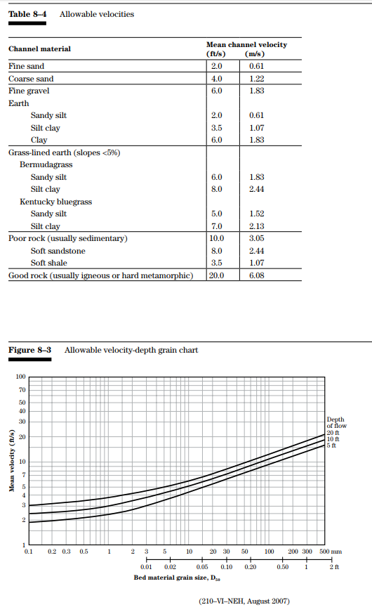
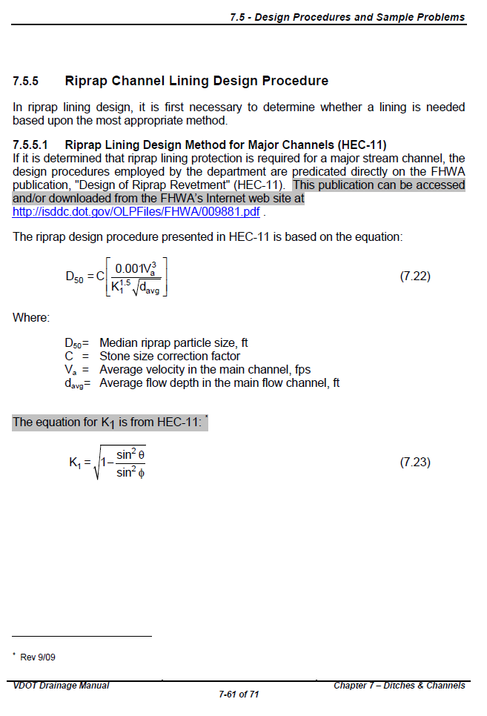
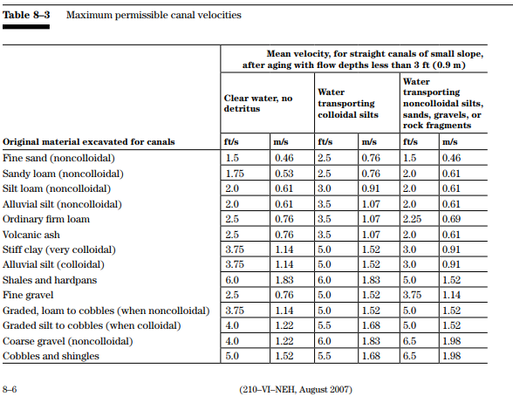
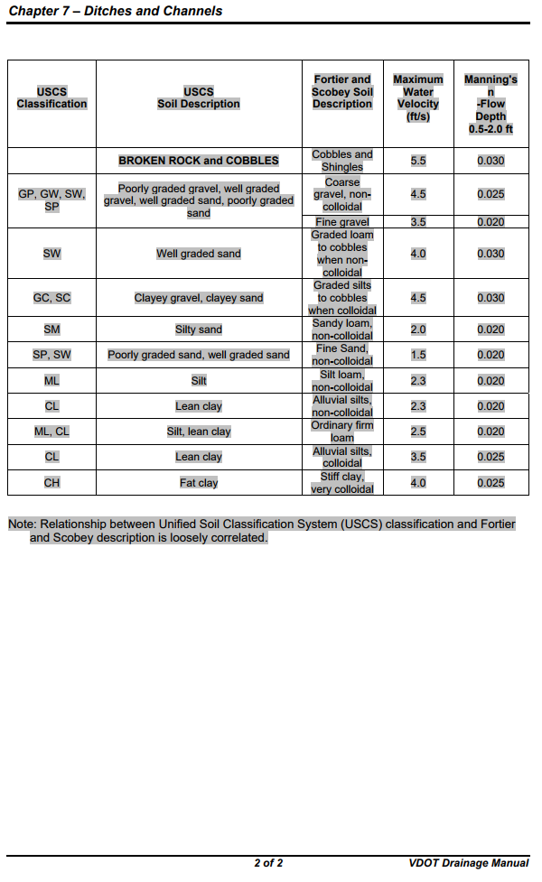
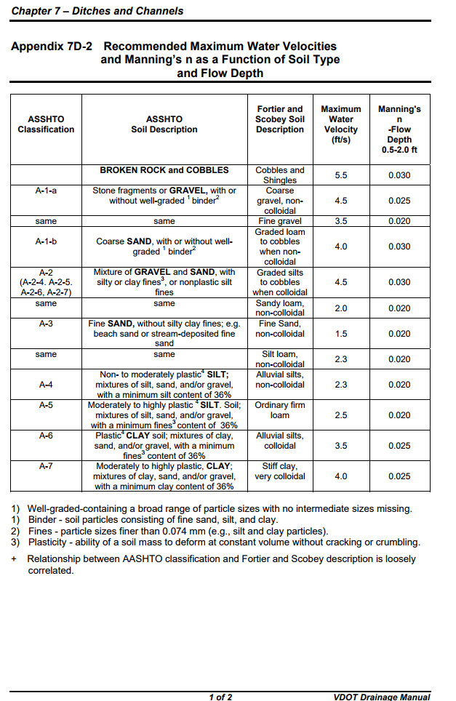
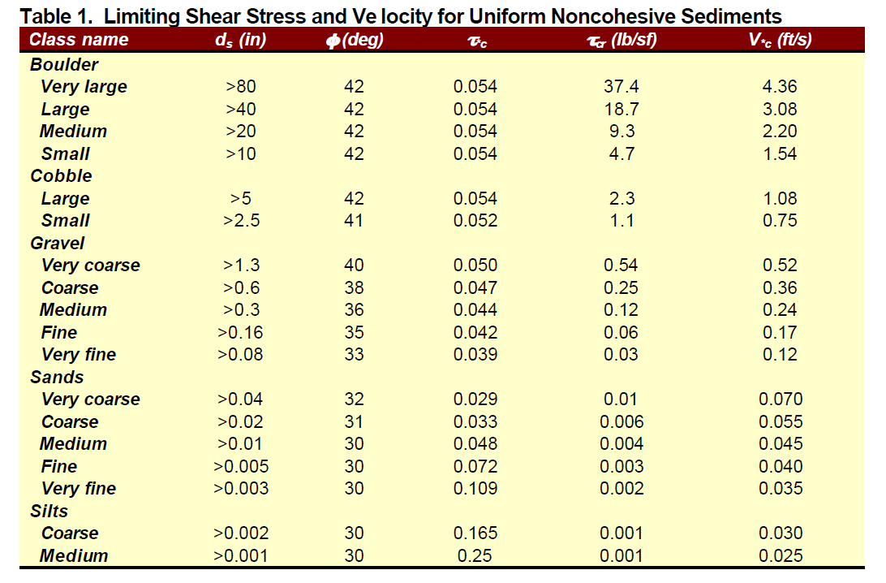
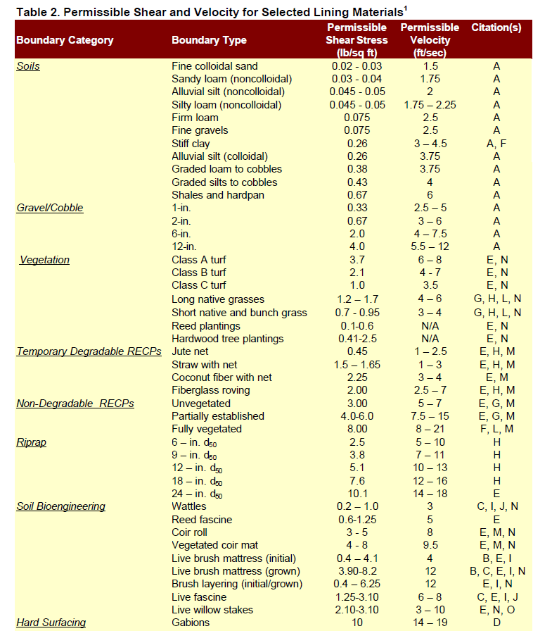
MOVED PARTICLES
Fishenlich Modified
 | ft/s |  |  | d50 (in) | Fishenlich Raw Values
 | 0 | 1.75 | Fine Sand | 0.005 | 0 | 1.75 | Fine Sand
 | 1.75 | 2 | Sandy Loam | 0.01 | 1.75 | 2 | Sandy Loam
 | 2.25 | 2.5 | Silty loam | 0.02 | 2.25 | 2.5 | Silty loam
 | 2.5 | 4 | 1" Gravel | 1 | 2.5 | 5 | 1" Gravel
 | 4 | 6 | 2" Gravel | 2 | 3 | 6 | 2" Gravel
 | 6 | 8 | 6" Gravel | 6 | 4 | 7.5 | 6" Gravel
 | 7.5 | 12 | 12" Gravel | 12 | 5.5 | 12 | 12" Gravel
 | 12 | 15 | 18" Riprap | 18 | 12 | 16 | 18" Riprap
 | 15 | 18 | 24" Riprap | 24 | 14 | 18 | 24" Riprap

NRCS
 | clear water |  |  |  |  | Davg (in) |  |  | Tcr | Vcr | V*cr
 | ft/s |  | Class |  | Medium Silt | 0.0005 | 0 | 0.001 | 0.001 | 0.00 | 0.025
 | 0 | 1.75 | Fine Sand | 0.005 | Coarse Silt | 0.0015 | 0.001 | 0.002 | 0.001 | 0.00 | 0.03
 | 1.75 | 2 | Sandy Loam |  | VFS | 0.0025 | 0.002 | 0.003 | 0.002 | 0.00 | 0.035
 | 2 | 2.5 | Silt loam |  | FS | 0.004 | 0.003 | 0.005 | 0.003 | 0.00 | 0.04
 | 2.5 | 4 | Fine Gravel | 0.2 | MS | 0.0075 | 0.005 | 0.01 | 0.004 | 0.00 | 0.045
 | 4 | 5 | Coarse Gravel | 2 | CS | 0.015 | 0.01 | 0.02 | 0.006 | 0.00 | 0.055
 | 5 |  | Cobbles | 5 | VCS | 0.03 | 0.02 | 0.04 | 0.01 | 0.01 | 0.07
 |  |  |  |  | VFG | 0.06 | 0.04 | 0.08 | 0.03 | 0.03 | 0.12
 |  |  |  |  | FG | 0.12 | 0.08 | 0.16 | 0.06 | 0.06 | 0.17
VDOT DM App 7D-3 |  |  |  |  | MG | 0.23 | 0.16 | 0.3 | 0.12 | 0.13 | 0.24
 | ft/s |  |  |  | CG | 0.45 | 0.3 | 0.6 | 0.25 | 0.27 | 0.36
 | 0 | 1.7 | Fine Sand |  | VCG | 0.95 | 0.6 | 1.3 | 0.54 | 0.56 | 0.52
 | 1.7 | 2 | Sandy Loam |  | SC | 1.9 | 1.3 | 2.5 | 1.1 | 1.17 | 0.75
 | 2 | 2.5 | Silt loam |  | LC | 3.75 | 2.5 | 5 | 2.3 | 2.37 | 1.08
 | 2.5 | 4 | Fine Gravel |  | SB | 7.5 | 5 | 10 | 4.7 | 4.84 | 1.54
 | 4 | 5 | Coarse Gravel |  | MB | 15 | 10 | 20 | 9.3 | 9.49 | 2.2
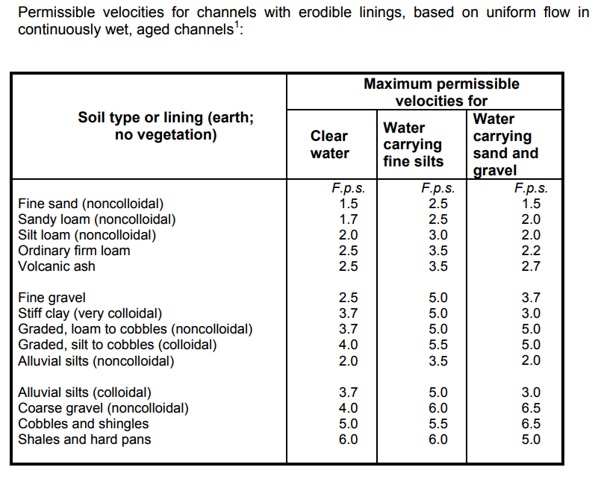
 | 5 |  | Cobbles |  | LB | 30 | 20 | 40 | 18.7 | 19.01 | 3.08
 |  |  |  |  | VLB | 60 | 40 | 80 | 37.4 | 0.00 | 4.36

Permissible_Shear
 | Sediment Entrainment and Competency - Tractive Force Calculations

 |  |  | Starting Flow Depth | Flow Depth Interval (ft) | Di design (inch) | Slope (ft/ft) | Slope interval |  | Width (ft) | Width/Depth | Guidance |  | Competency = max particle size moved by combination of depth and slope
 |  |  | 2 | 0.1 | 6 | 0.001 | 0.001 |  | 40 | 20 | D is OK

 |  | Range for Flow Depth (ft)
 |  | 2 | 2.1 | 2.2 | 2.3 | 2.4 | 2.5 | 2.6 | 2.7 | 2.8 | 2.9 | 3

 |  | Range for R (ft)

 |  | Range of Top Width (ft)

 |  | Range for Dmean bkf (ft)
 |  | 2 | 2.1 | 2.2 | 2.3 | 2.4 | 2.5 | 2.6 | 2.7 | 2.8 | 2.9 | 3

 |  | Set the Basis for Shear Stress Calculations : Flow Depth (Wide Channel) or Hydraulic Radius
 |  | Wide Channel (Flow Depth)

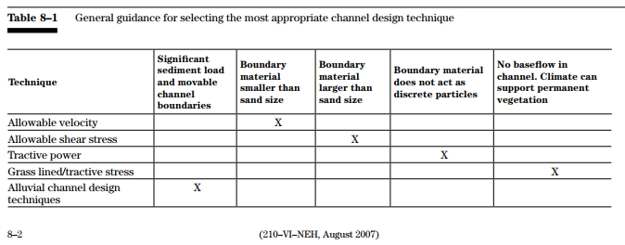

 |  | Equation Applicability
 |  | Equation | Di lower | Di Upper | Derivation | Notes
 |  | Andrews, Rosgen |  |  | Field | Rosgen modified Andrews Equation and set application limits
 |  | Shields, 1936 |  |  | Flume | Flume study using different density substances
 |  | LWM 1964 |  |  | Flume + Field | Compilation of Field and Flume Studies
 |  | USFWS 2008 |  |  | Shields | Similar to Fischenlich, Mathematical Compuations of Shields
 |  | Fischenlich 2001 |  |  | Shields | Mathmatical calculations of Shields

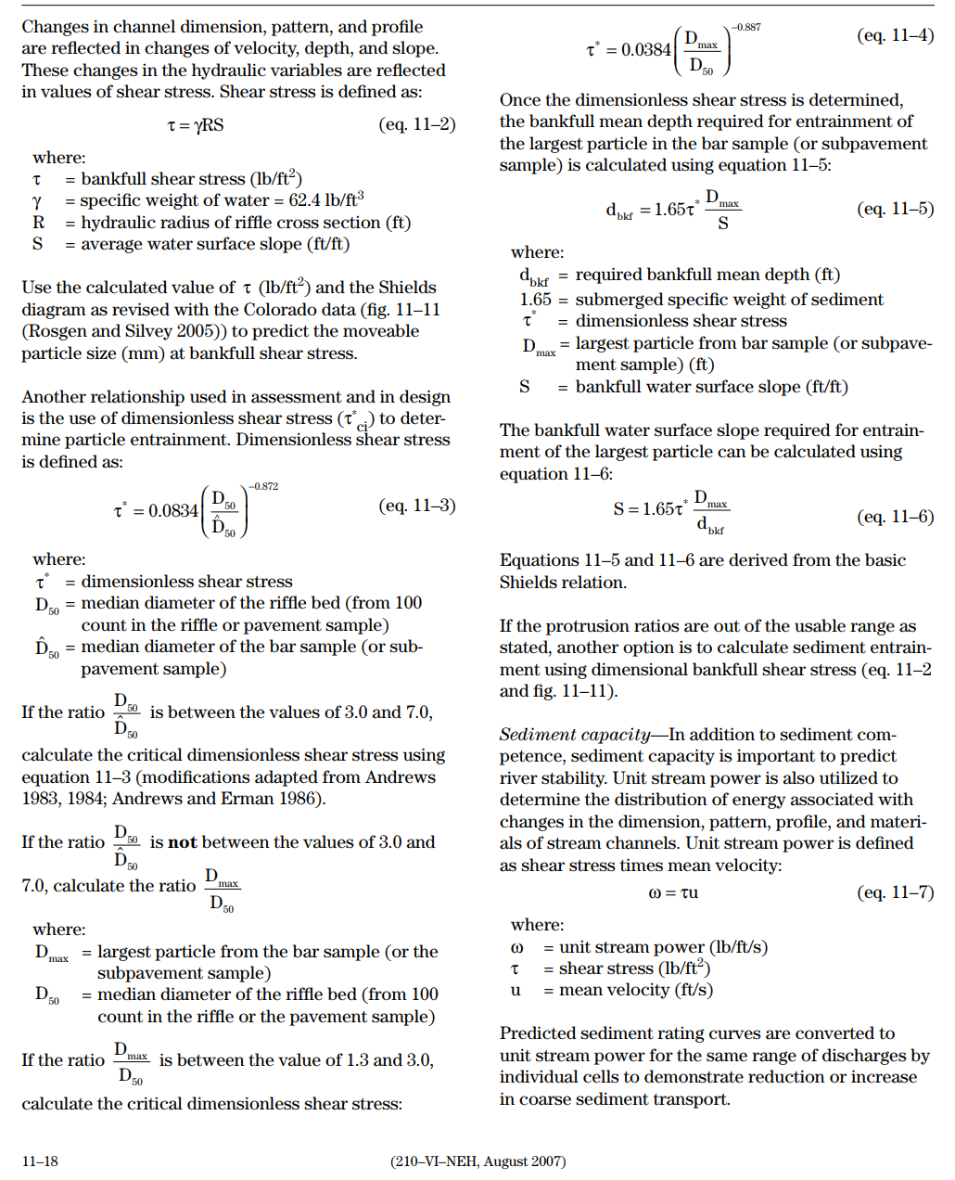
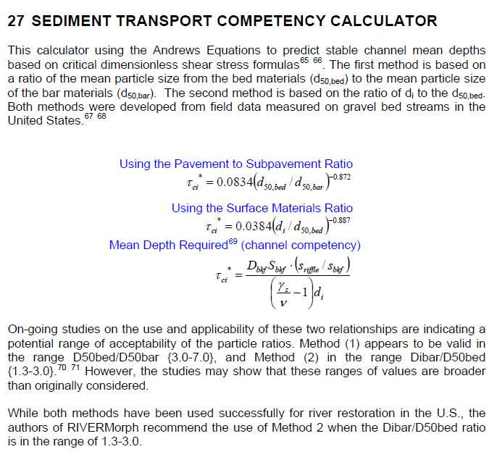
 |  | Rosgen Application of Andrews Equation (competency)
 |  | Largest Particle (dmax, di) moved by Bankfull Mean Depth (in)
 |  | Using the Surface Materials Ratio Equation |  |  |  |  |  |  |  |  |  |  | Sediment Competency Input Variables and Equation Selection
 |  |  |  |  |  |  |  |  |  |  |  |  | Value | Variable | Definition
BKF Mean Depth (Ft) |  | 2 | 2.1 | 2.2 | 2.3 | 2.4 | 2.5 | 2.6 | 2.7 | 2.8 | 2.9 | 3 | 100 | d50,bed (mm) | D50 Bed Material (D50 from riffle pebble count)
Hydraulic Radius (ft) |  | 0 | 0 | 0 | 0 | 0 | 0 | 0 | 0 | 0 | 0 | 0 | 80 | d50,sub bar (mm) | Bar Sample D50 Or Subpavement D50 (Use Representative)
Flow Depth (ft) |  | 2.00 | 2.10 | 2.20 | 2.30 | 2.40 | 2.50 | 2.60 | 2.70 | 2.80 | 2.90 | 3.00 | 1.3 | PSR Ratio | Use PSR, if 3 < PSR < 7
Slope (ft/ft) | 0.001 | 0.7 | 0.7 | 0.8 | 0.8 | 0.8 | 0.9 | 0.9 | 0.9 | 1.0 | 1.0 | 1.1
 | 0.002 | 1.4 | 1.5 | 1.5 | 1.6 | 1.7 | 1.8 | 1.8 | 1.9 | 2.0 | 2.0 | 2.1 | 200 | di or dmax (mm) | Largest Particle from Bar Sample or Subpavement Sample
 | 0.003 | 2.1 | 2.2 | 2.3 | 2.4 | 2.5 | 2.6 | 2.7 | 2.8 | 2.9 | 3.0 | 3.2 | 2 | SMR Ratio | Use SMR, if 1.30 < SMR < 3
 | 0.004 | 2.8 | 2.9 | 3.1 | 3.2 | 3.4 | 3.5 | 3.6 | 3.8 | 3.9 | 4.1 | 4.2
 | 0.005 | 3.5 | 3.7 | 3.9 | 4.0 | 4.2 | 4.4 | 4.6 | 4.7 | 4.9 | 5.1 | 5.3 | SURFACE MATERIALS RATIO (SMR) |  |  |  | PAVEMENT TO SUBPAVEMENT RATIO (PSR)
 | 0.006 | 4.2 | 4.4 | 4.6 | 4.8 | 5.0 | 5.3 | 5.5 | 5.7 | 5.9 | 6.1 | 6.3 | tci = 0.0384(di/d50)-0.887 |  |  |  | tci = 0.0834(di/d50)-0.872
 | 0.007 | 4.9 | 5.1 | 5.4 | 5.6 | 5.9 | 6.1 | 6.4 | 6.6 | 6.9 | 7.1 | 7.4 | SMR | Equation | 3 < PSR < 7 OR 1.30 < SMR < 3
 | 0.008 | 5.6 | 5.9 | 6.2 | 6.4 | 6.7 | 7.0 | 7.3 | 7.6 | 7.8 | 8.1 | 8.4 | 0.021 | tci | Critical Dimensionless Shear Stress
 | 0.009 | 6.3 | 6.6 | 6.9 | 7.3 | 7.6 | 7.9 | 8.2 | 8.5 | 8.8 | 9.1 | 9.5
 | 0.01 | 7.0 | 7.4 | 7.7 | 8.1 | 8.4 | 8.8 | 9.1 | 9.5 | 9.8 | 10.2 | 10.5 | Bankfull Mean Depth Required for Entrainment of Largest Particle in Bar Sample:
 | 0.011 | 7.7 | 8.1 | 8.5 | 8.9 | 9.2 | 9.6 | 10.0 | 10.4 | 10.8 | 11.2 | 11.6 | dr = (tci*1.65*Di)/Se
 | 0.012 | 8.4 | 8.8 | 9.2 | 9.7 | 10.1 | 10.5 | 10.9 | 11.3 | 11.8 | 12.2 | 12.6 | 1.65 = submerged specific weight of sediment
 | 0.013 | 9.1 | 9.6 | 10.0 | 10.5 | 10.9 | 11.4 | 11.8 | 12.3 | 12.7 | 13.2 | 13.7 | Value | Variable | Definition
 | 0.014 | 9.8 | 10.3 | 10.8 | 11.3 | 11.8 | 12.3 | 12.7 | 13.2 | 13.7 | 14.2 | 14.7 | 0.021 | tci | Critical Dimensionless Shear Stress
 | 0.015 | 10.5 | 11.0 | 11.6 | 12.1 | 12.6 | 13.1 | 13.7 | 14.2 | 14.7 | 15.2 | 15.8 | 0.656 | Di (ft) | Largest particle from bar sample
 | 0.016 | 11.2 | 11.8 | 12.3 | 12.9 | 13.4 | 14.0 | 14.6 | 15.1 | 15.7 | 16.3 | 16.8 | 0.010 | Se (ft/ft) | Proposed Bankfull Water Surface Slope
 | 0.017 | 11.9 | 12.5 | 13.1 | 13.7 | 14.3 | 14.9 | 15.5 | 16.1 | 16.7 | 17.3 | 17.9 | 2.248 | dr (ft) | Bankfull Mean Depth Required to move Largest Particle
 | 0.018 | 12.6 | 13.2 | 13.9 | 14.5 | 15.1 | 15.8 | 16.4 | 17.0 | 17.7 | 18.3 | 18.9 | 2.0 | de (ft) | Existing Bankfull Mean Depth (from riffle cross section)
 | 0.019 | 13.3 | 14.0 | 14.6 | 15.3 | 16.0 | 16.6 | 17.3 | 18.0 | 18.6 | 19.3 | 20.0 | 0.9 | de/dr | Ratio of Existing Mean Depth to Required Mean Depth
 | 0.02 | 14.0 | 14.7 | 15.4 | 16.1 | 16.8 | 17.5 | 18.2 | 18.9 | 19.6 | 20.3 | 21.0 | Check one:

 |  |  |  |  |  |  |  |  |  |  |  |  | Bankfull Water Surface Slope Required for Entrainment of Largest Particle in Bar Sample:
 |  |  |  |  |  |  |  |  |  |  |  |  | Sr = (tci*1.65*Di)/de
 |  |  |  |  |  |  |  |  |  |  |  |  | 1.65 = submerged specific weight of sediment
 |  |  |  |  |  |  |  |  |  |  |  |  | Value | Variable | Definition
 |  |  |  |  |  |  |  |  |  |  |  |  | 0.021 | tci | Critical Dimensionless Shear Stress
 |  |  |  |  |  |  |  |  |  |  |  |  | 0.656 | Di (ft) | Largest particle from bar sample
 |  |  |  |  |  |  |  |  |  |  |  |  | 2.00 | de (ft) | Existing Bankfull Mean Depth (from riffle cross section)
 |  |  |  |  |  |  |  |  |  |  |  |  | 0.011 | Sr (ft/ft) | Bankfull Water Surface Slope Required for Entrainment of Largest Particle
 |  |  |  |  |  |  |  |  |  |  |  |  | 0.9 | Se/Sr | Ratio of Existing Slope to Required Slope
 |  |  |  |  |  |  |  |  |  |  |  |  | Check one:

 |  |  |  |  |  |  |  |  |  |  |  |  | Sediment Transport Validation
 |  |  |  |  |  |  |  |  |  |  |  |  | 200 | Largest Particle in Bar Sample Di (mm)
 |  |  |  |  |  |  |  |  |  |  |  |  | 2.1 | Hydraulic Radius (ft) - Existing
 |  |  |  |  |  |  |  |  |  |  |  |  | 1.31 | Bankfull Shear Stress tc=gRS (lb/ft2) g = 62.4 R=Hydraulic Radius S=Slope
 |  |  |  |  |  |  |  |  |  |  |  |  | 103.33 | Moveable particle size (mm) at bankfull shear stress (predicted by the Shields Diagram: Blue field book: p238, Red field book: p190)

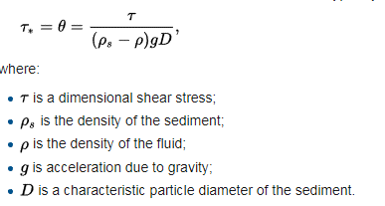
 |  |  |  |  |  |  |  |  |  |  |  |  | 185.46 | Moveable particle size (mm) at bankfull shear stress (predicted by Colorodo data from Rosgen Chapter 11, page 11-19)
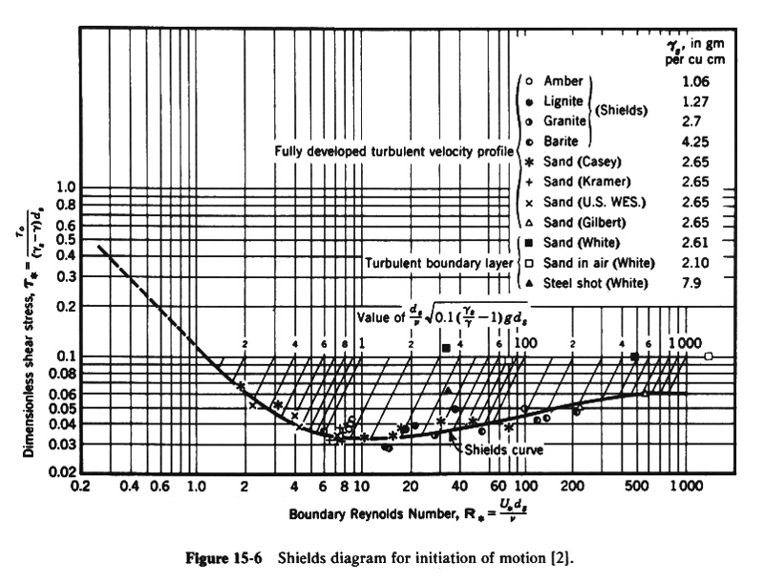

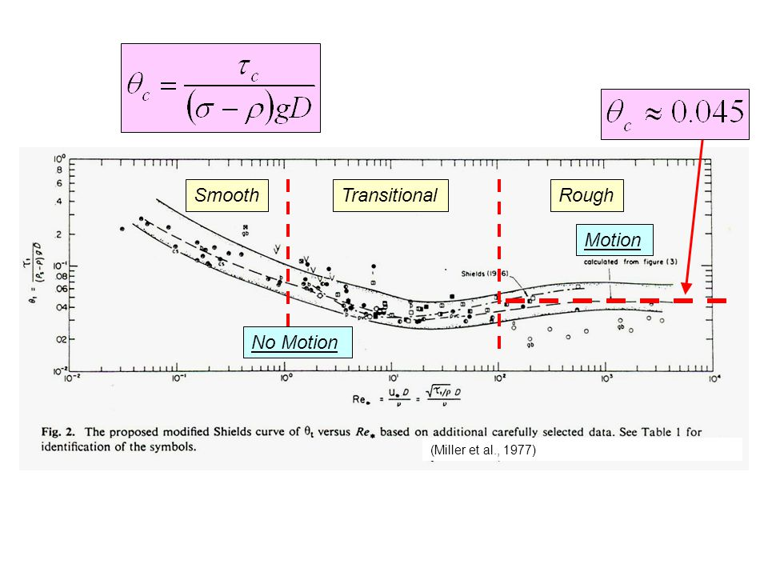
 |  | Shields Equation with Specified Shields Parameter
 |  | Largest Particle moved (in)
 |  | Shields Parameter |  |  |  |  |  |  |  |  |  |  | QUICK CALCULATOR |  |  |  |  |  | Ds=t / ((rs - r) g 0.06)(304.8)
 |  | 0.06 |  |  | Shield's parameter typically in the range of 0.045 to 0.06 |  |  |  |  |  |  |  |  |  |  |  |  | particle
 |  |  |  |  |  |  |  |  |  |  |  |  |  |  | Shields | slope | depth | size |  | Ds=diameter sediment particle (mm) |  | Threshold of Motion |  |  | metric units |  | conversion | English units with grain size in mm
Hydraulic Radius (ft) |  | 0 | 0 | 0 | 0 | 0 | 0 | 0 | 0 | 0 | 0 | 0 | Solve for: |  | parameter | (ft/ft) | (ft) | (mm) |  | t=shear stress=(rg)(depth)(slope) (lb/ft2) (N/m2)
Flow Depth (ft) |  | 2.00 | 2.10 | 2.20 | 2.30 | 2.40 | 2.50 | 2.60 | 2.70 | 2.80 | 2.90 | 3.00 | Shield's Parameter |  | 0.055262803738 | 0.01 | 3 | 100 |  | rs=density of sediment (5.15 slugs/ft3) or (2560 kg/m3) |  |  | depth | d | 1 | m | 3.28 | 3.3 | ft
Slope (ft/ft) | 0.001 | 0.2 | 0.3 | 0.3 | 0.3 | 0.3 | 0.3 | 0.3 | 0.3 | 0.3 | 0.4 | 0.4 |  |  |  |  |  |  |  | r=density of water (1.94 slugs/ft3) (1000 kg/m3) |  |  | slope | S | 0.005 | m/m | 1 | 0.005 | ft/ft
 | 0.002 | 0.5 | 0.5 | 0.5 | 0.6 | 0.6 | 0.6 | 0.6 | 0.7 | 0.7 | 0.7 | 0.7 | slope (ft/ft) |  |  | #DIV/0! |  |  |  | g=gravitational acceleration (32.2 ft/s2) (9.81 m/s2) |  |  | diameter sediment | ds | 0.032 | m | 1000 | 32 | mm
 | 0.003 | 0.7 | 0.8 | 0.8 | 0.8 | 0.9 | 0.9 | 0.9 | 1.0 | 1.0 | 1.1 | 1.1 |  |  |  |  |  |  |  | 0.06 = Shield's parameter typically in the range of 0.04 to 0.07
 | 0.004 | 1.0 | 1.0 | 1.1 | 1.1 | 1.2 | 1.2 | 1.3 | 1.3 | 1.4 | 1.4 | 1.5 | depth (ft) |  |  |  | #DIV/0! |  |  | Conversion Constant 304.8 mm/ft or 1000 mm/m |  |  | gravitational acceleration | g | 9.81 | m/sec2 | 3.28 | 32.2 | ft/sec2
 | 0.005 | 1.2 | 1.3 | 1.3 | 1.4 | 1.5 | 1.5 | 1.6 | 1.6 | 1.7 | 1.8 | 1.8 |  |  |  |  |  |  |  |  |  |  | density fluid | rf | 1000 | kg/m3 | 0.00194 | 1.94 | slugs/ft3
 | 0.006 | 1.5 | 1.5 | 1.6 | 1.7 | 1.7 | 1.8 | 1.9 | 2.0 | 2.0 | 2.1 | 2.2 | particle size (mm) |  |  |  |  | #DIV/0! | In gravel-bed streams at bankfull flow the particle at the threshold of |  |  |  | density sediment | rs | 2650 | kg/m3 | 0.00194 | 5.15 | slugs/ft3
 | 0.007 | 1.7 | 1.8 | 1.9 | 2.0 | 2.0 | 2.1 | 2.2 | 2.3 | 2.4 | 2.5 | 2.5 |  |  |  |  |  |  | motion is often near in size to the D50 of mobile bed surface material.
 | 0.008 | 1.9 | 2.0 | 2.1 | 2.2 | 2.3 | 2.4 | 2.5 | 2.6 | 2.7 | 2.8 | 2.9 |  |  |  |  |  |  |  |  |  |  | specific weight of water | γ | 9810 | N/m3 |  | 62.5 | lb/ft3
 | 0.009 | 2.2 | 2.3 | 2.4 | 2.5 | 2.6 | 2.7 | 2.8 | 2.9 | 3.1 | 3.2 | 3.3 | New Slope From Reference Channel |  |  |  |  |  |  |  |  |  |  |  | 1000 | kgf/m3
 | 0.01 | 2.4 | 2.5 | 2.7 | 2.8 | 2.9 | 3.0 | 3.2 | 3.3 | 3.4 | 3.5 | 3.6 | depth ref | 3.28 | ft
 | 0.011 | 2.7 | 2.8 | 2.9 | 3.1 | 3.2 | 3.3 | 3.5 | 3.6 | 3.7 | 3.9 | 4.0 | slope ref | 0.005 | ft/ft |  |  |  | Source |  | Shields Parameter |  | shear stress | t | 49.1 | N/m2 |  | 1.025 | lb/ft2
 | 0.012 | 2.9 | 3.1 | 3.2 | 3.3 | 3.5 | 3.6 | 3.8 | 3.9 | 4.1 | 4.2 | 4.4 | particle size ref | 32 | mm |  |  |  | Shields Chart - Fully Rough |  | 0.06 |  |  |  | 5.0 | kgf/m2
 | 0.013 | 3.2 | 3.3 | 3.5 | 3.6 | 3.8 | 3.9 | 4.1 | 4.3 | 4.4 | 4.6 | 4.7 | Shields parameter | 0.0944 |  |  |  |  | Miller 1977 |  | 0.045
 | 0.014 | 3.4 | 3.6 | 3.7 | 3.9 | 4.1 | 4.2 | 4.4 | 4.6 | 4.8 | 4.9 | 5.1 | depth new | 1.67 | ft |  |  |  |  |  |  |  | Shields parameter | τ*c | 0.095 | dimensionless |  | 0.095 | dimensionless
 | 0.015 | 3.6 | 3.8 | 4.0 | 4.2 | 4.4 | 4.5 | 4.7 | 4.9 | 5.1 | 5.3 | 5.5 | particle size new | 51 | mm |  |  |  | *There are many more equations and variations of Shields - See Buffington Paper for Summary
 | 0.016 | 3.9 | 4.1 | 4.3 | 4.5 | 4.7 | 4.8 | 5.0 | 5.2 | 5.4 | 5.6 | 5.8 | slope new | 0.0157 | ft/ft |  |  |  |  |  |  |  | Particle at threshold of motion | Dcr | 0.05 | m |  | 0.17 | ft
 | 0.017 | 4.1 | 4.3 | 4.5 | 4.7 | 4.9 | 5.2 | 5.4 | 5.6 | 5.8 | 6.0 | 6.2
 | 0.018 | 4.4 | 4.6 | 4.8 | 5.0 | 5.2 | 5.5 | 5.7 | 5.9 | 6.1 | 6.3 | 6.5
 | 0.019 | 4.6 | 4.8 | 5.1 | 5.3 | 5.5 | 5.8 | 6.0 | 6.2 | 6.4 | 6.7 | 6.9
 | 0.02 | 4.8 | 5.1 | 5.3 | 5.6 | 5.8 | 6.1 | 6.3 | 6.5 | 6.8 | 7.0 | 7.3

 |  | Leopold, Wolman, Miller 1964
 |  | Largest Particle moved (in)
Hydraulic Radius (ft) |  | 0 | 0 | 0 | 0 | 0 | 0 | 0 | 0 | 0 | 0 | 0
Flow Depth (ft) |  | 2.00 | 2.10 | 2.20 | 2.30 | 2.40 | 2.50 | 2.60 | 2.70 | 2.80 | 2.90 | 3.00
Slope (ft/ft) | 0.001 | 0.4 | 0.4 | 0.4 | 0.4 | 0.4 | 0.4 | 0.5 | 0.5 | 0.5 | 0.5 | 0.5
 | 0.002 | 0.7 | 0.8 | 0.8 | 0.8 | 0.9 | 0.9 | 1.0 | 1.0 | 1.0 | 1.1 | 1.1
 | 0.003 | 1.1 | 1.2 | 1.2 | 1.3 | 1.3 | 1.4 | 1.4 | 1.5 | 1.6 | 1.6 | 1.7
 | 0.004 | 1.5 | 1.6 | 1.6 | 1.7 | 1.8 | 1.9 | 2.0 | 2.0 | 2.1 | 2.2 | 2.3
 | 0.005 | 1.9 | 2.0 | 2.1 | 2.2 | 2.3 | 2.4 | 2.5 | 2.6 | 2.7 | 2.8 | 2.9
 | 0.006 | 2.3 | 2.4 | 2.5 | 2.6 | 2.7 | 2.9 | 3.0 | 3.1 | 3.2 | 3.3 | 3.5
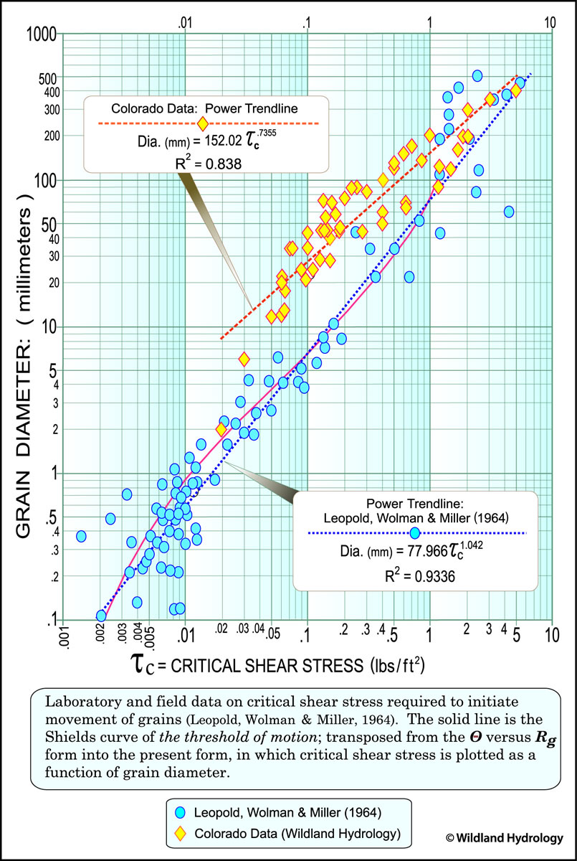
 | 0.007 | 2.7 | 2.8 | 2.9 | 3.1 | 3.2 | 3.4 | 3.5 | 3.6 | 3.8 | 3.9 | 4.1
 | 0.008 | 3.1 | 3.2 | 3.4 | 3.5 | 3.7 | 3.9 | 4.0 | 4.2 | 4.4 | 4.5 | 4.7
 | 0.009 | 3.5 | 3.6 | 3.8 | 4.0 | 4.2 | 4.4 | 4.6 | 4.7 | 4.9 | 5.1 | 5.3
 | 0.01 | 3.9 | 4.1 | 4.3 | 4.5 | 4.7 | 4.9 | 5.1 | 5.3 | 5.5 | 5.7 | 5.9
 | 0.011 | 4.3 | 4.5 | 4.7 | 4.9 | 5.2 | 5.4 | 5.6 | 5.8 | 6.1 | 6.3 | 6.5
 | 0.012 | 4.7 | 4.9 | 5.2 | 5.4 | 5.7 | 5.9 | 6.1 | 6.4 | 6.6 | 6.9 | 7.1
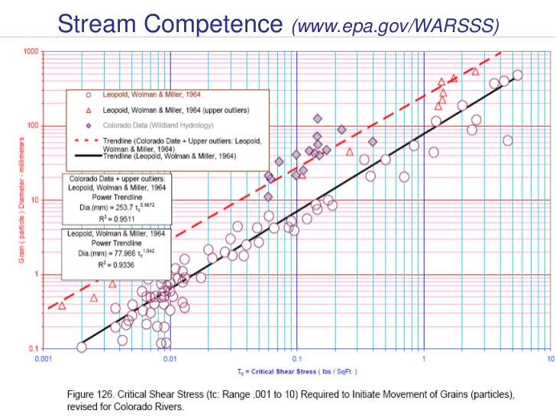
 | 0.013 | 5.1 | 5.3 | 5.6 | 5.9 | 6.1 | 6.4 | 6.7 | 6.9 | 7.2 | 7.5 | 7.8
 | 0.014 | 5.5 | 5.8 | 6.1 | 6.4 | 6.6 | 6.9 | 7.2 | 7.5 | 7.8 | 8.1 | 8.4
 | 0.015 | 5.9 | 6.2 | 6.5 | 6.8 | 7.1 | 7.4 | 7.8 | 8.1 | 8.4 | 8.7 | 9.0
 | 0.016 | 6.3 | 6.6 | 7.0 | 7.3 | 7.6 | 8.0 | 8.3 | 8.6 | 9.0 | 9.3 | 9.6
 | 0.017 | 6.7 | 7.1 | 7.4 | 7.8 | 8.1 | 8.5 | 8.8 | 9.2 | 9.5 | 9.9 | 10.3
 | 0.018 | 7.1 | 7.5 | 7.9 | 8.3 | 8.6 | 9.0 | 9.4 | 9.8 | 10.1 | 10.5 | 10.9
 | 0.019 | 7.5 | 7.9 | 8.3 | 8.7 | 9.1 | 9.5 | 9.9 | 10.3 | 10.7 | 11.1 | 11.5
 | 0.02 | 8.0 | 8.4 | 8.8 | 9.2 | 9.6 | 10.0 | 10.5 | 10.9 | 11.3 | 11.7 | 12.1

 |  | Rosgen CO
 |  | Largest Particle moved (in)
Hydraulic Radius (ft) |  | 0 | 0 | 0 | 0 | 0 | 0 | 0 | 0 | 0 | 0 | 0
Flow Depth (ft) |  | 2.00 | 2.10 | 2.20 | 2.30 | 2.40 | 2.50 | 2.60 | 2.70 | 2.80 | 2.90 | 3.00
Slope (ft/ft) | 0.001 | 1.3 | 1.3 | 1.4 | 1.4 | 1.5 | 1.5 | 1.6 | 1.6 | 1.7 | 1.7 | 1.7
 | 0.002 | 2.2 | 2.2 | 2.3 | 2.4 | 2.5 | 2.5 | 2.6 | 2.7 | 2.8 | 2.8 | 2.9
 | 0.003 | 2.9 | 3.0 | 3.1 | 3.2 | 3.3 | 3.4 | 3.5 | 3.6 | 3.7 | 3.8 | 3.9
 | 0.004 | 3.6 | 3.7 | 3.9 | 4.0 | 4.1 | 4.2 | 4.4 | 4.5 | 4.6 | 4.7 | 4.8
 | 0.005 | 4.2 | 4.4 | 4.5 | 4.7 | 4.8 | 5.0 | 5.1 | 5.3 | 5.4 | 5.6 | 5.7
 | 0.006 | 4.8 | 5.0 | 5.2 | 5.4 | 5.5 | 5.7 | 5.9 | 6.0 | 6.2 | 6.4 | 6.5
 | 0.007 | 5.4 | 5.6 | 5.8 | 6.0 | 6.2 | 6.4 | 6.6 | 6.8 | 6.9 | 7.1 | 7.3
 | 0.008 | 6.0 | 6.2 | 6.4 | 6.6 | 6.8 | 7.0 | 7.3 | 7.5 | 7.7 | 7.9 | 8.1
 | 0.009 | 6.5 | 6.8 | 7.0 | 7.2 | 7.5 | 7.7 | 7.9 | 8.1 | 8.3 | 8.6 | 8.8
 | 0.01 | 7.0 | 7.3 | 7.6 | 7.8 | 8.1 | 8.3 | 8.5 | 8.8 | 9.0 | 9.3 | 9.5
 | 0.011 | 7.6 | 7.8 | 8.1 | 8.4 | 8.6 | 8.9 | 9.2 | 9.4 | 9.7 | 9.9 | 10.2
 | 0.012 | 8.1 | 8.3 | 8.6 | 8.9 | 9.2 | 9.5 | 9.8 | 10.0 | 10.3 | 10.6 | 10.9
 | 0.013 | 8.5 | 8.9 | 9.2 | 9.5 | 9.8 | 10.1 | 10.4 | 10.7 | 10.9 | 11.2 | 11.5
 | 0.014 | 9.0 | 9.4 | 9.7 | 10.0 | 10.3 | 10.6 | 10.9 | 11.3 | 11.6 | 11.9 | 12.2
 | 0.015 | 9.5 | 9.8 | 10.2 | 10.5 | 10.9 | 11.2 | 11.5 | 11.8 | 12.2 | 12.5 | 12.8
 | 0.016 | 10.0 | 10.3 | 10.7 | 11.0 | 11.4 | 11.7 | 12.1 | 12.4 | 12.7 | 13.1 | 13.4
 | 0.017 | 10.4 | 10.8 | 11.2 | 11.5 | 11.9 | 12.3 | 12.6 | 13.0 | 13.3 | 13.7 | 14.0
 | 0.018 | 10.9 | 11.3 | 11.6 | 12.0 | 12.4 | 12.8 | 13.2 | 13.5 | 13.9 | 14.3 | 14.6
 | 0.019 | 11.3 | 11.7 | 12.1 | 12.5 | 12.9 | 13.3 | 13.7 | 14.1 | 14.5 | 14.8 | 15.2
 | 0.02 | 11.7 | 12.2 | 12.6 | 13.0 | 13.4 | 13.8 | 14.2 | 14.6 | 15.0 | 15.4 | 15.8

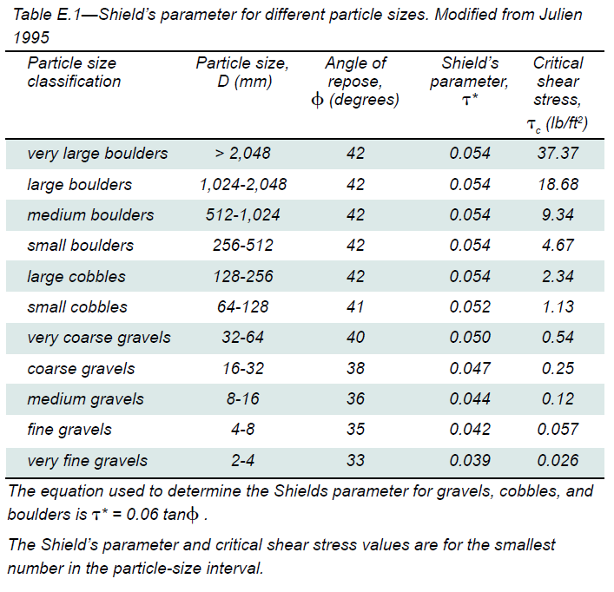
 |  | USFWS 2008
 |  | Largest Particle moved (in)
Hydraulic Radius (ft) |  | 0 | 0 | 0 | 0 | 0 | 0 | 0 | 0 | 0 | 0 | 0
Flow Depth (ft) |  | 2.00 | 2.10 | 2.20 | 2.30 | 2.40 | 2.50 | 2.60 | 2.70 | 2.80 | 2.90 | 3.00
Slope (ft/ft) | 0.001 | 0.7 | 0.7 | 0.7 | 0.7 | 0.8 | 0.8 | 0.8 | 0.9 | 0.9 | 0.9 | 1.0
 | 0.002 | 1.3 | 1.3 | 1.4 | 1.4 | 1.5 | 1.5 | 1.6 | 1.6 | 1.7 | 1.7 | 1.8
 | 0.003 | 1.8 | 1.9 | 2.0 | 2.0 | 2.1 | 2.2 | 2.3 | 2.4 | 2.5 | 2.5 | 2.6 | Class | D (mm) | D (mm) | D (inch) | T* | Tc lb/ft^2 | Avg D (in)
 | 0.004 | 2.3 | 2.5 | 2.6 | 2.7 | 2.8 | 2.9 | 3.0 | 3.1 | 3.2 | 3.3 | 3.4 | VFG | 2 | 4 | 0.16 | 0.039 | 0.026 | 0.11811023622
 | 0.005 | 2.9 | 3.0 | 3.1 | 3.3 | 3.4 | 3.5 | 3.7 | 3.8 | 3.9 | 4.1 | 4.2 | FG | 4 | 8 | 0.31 | 0.042 | 0.057 | 0.23622047244
 | 0.006 | 3.4 | 3.6 | 3.7 | 3.9 | 4.1 | 4.2 | 4.4 | 4.5 | 4.7 | 4.9 | 5.0 | MG | 8 | 16 | 0.63 | 0.044 | 0.12 | 0.47244094488
 | 0.007 | 3.9 | 4.1 | 4.3 | 4.5 | 4.7 | 4.9 | 5.1 | 5.2 | 5.4 | 5.6 | 5.8 | CG | 16 | 32 | 1.26 | 0.047 | 0.25 | 0.94488188976
 | 0.008 | 4.5 | 4.7 | 4.9 | 5.1 | 5.3 | 5.5 | 5.7 | 5.9 | 6.2 | 6.4 | 6.6 | VCG | 32 | 64 | 2.52 | 0.05 | 0.54 | 1.8897637795
 | 0.009 | 5.0 | 5.2 | 5.5 | 5.7 | 5.9 | 6.2 | 6.4 | 6.6 | 6.9 | 7.1 | 7.3 | SC | 64 | 128 | 5.04 | 0.052 | 1.13 | 3.7795275591
 | 0.01 | 5.5 | 5.8 | 6.1 | 6.3 | 6.6 | 6.8 | 7.1 | 7.3 | 7.6 | 7.9 | 8.1 | LC | 128 | 256 | 10.08 | 0.054 | 2.34 | 7.5590551181
 | 0.011 | 6.1 | 6.3 | 6.6 | 6.9 | 7.2 | 7.5 | 7.8 | 8.1 | 8.3 | 8.6 | 8.9 | SB | 256 | 512 | 20.16 | 0.054 | 4.67 | 15.118110236
 | 0.012 | 6.6 | 6.9 | 7.2 | 7.5 | 7.8 | 8.1 | 8.4 | 8.8 | 9.1 | 9.4 | 9.7 | MB | 512 | 1024 | 40.31 | 0.054 | 9.34 | 30.236220472
 | 0.013 | 7.1 | 7.4 | 7.8 | 8.1 | 8.4 | 8.8 | 9.1 | 9.5 | 9.8 | 10.1 | 10.5 | LB | 1024 | 2048 | 80.63 | 0.054 | 18.68 | 60.472440945
 | 0.014 | 7.6 | 8.0 | 8.3 | 8.7 | 9.1 | 9.4 | 9.8 | 10.2 | 10.5 | 10.9 | 11.3 | VLB | 2048 |  | 0.00 | 0.054 | 37.37 | 80.62992126
 | 0.015 | 8.1 | 8.5 | 8.9 | 9.3 | 9.7 | 10.1 | 10.5 | 10.9 | 11.3 | 11.7 | 12.1
 | 0.016 | 8.6 | 9.1 | 9.5 | 9.9 | 10.3 | 10.8 | 11.2 | 11.6 | 12.0 | 12.5 | 12.9
 | 0.017 | 9.2 | 9.6 | 10.1 | 10.5 | 11.0 | 11.4 | 11.9 | 12.3 | 12.8 | 13.3 | 13.7
 | 0.018 | 9.7 | 10.2 | 10.6 | 11.1 | 11.6 | 12.1 | 12.6 | 13.1 | 13.6 | 14.0 | 14.5
 | 0.019 | 10.2 | 10.7 | 11.2 | 11.8 | 12.3 | 12.8 | 13.3 | 13.8 | 14.3 | 14.8 | 15.3
 | 0.02 | 10.8 | 11.3 | 11.8 | 12.4 | 12.9 | 13.5 | 14.0 | 14.5 | 15.1 | 15.6 | 16.2

 |  | USACE, Fishenich 2001
 |  | Largest Particle moved (in)
Hydraulic Radius (ft) |  | 0 | 0 | 0 | 0 | 0 | 0 | 0 | 0 | 0 | 0 | 0
Flow Depth (ft) |  | 2.00 | 2.10 | 2.20 | 2.30 | 2.40 | 2.50 | 2.60 | 2.70 | 2.80 | 2.90 | 3.00
Slope (ft/ft) | 0.001 | 0.6 | 0.7 | 0.7 | 0.7 | 0.8 | 0.8 | 0.8 | 0.9 | 0.9 | 0.9 | 1.0
 | 0.002 | 1.3 | 1.3 | 1.4 | 1.5 | 1.5 | 1.6 | 1.6 | 1.7 | 1.7 | 1.8 | 1.8
 | 0.003 | 1.8 | 1.9 | 2.0 | 2.0 | 2.1 | 2.2 | 2.3 | 2.4 | 2.4 | 2.5 | 2.6
 | 0.004 | 2.3 | 2.4 | 2.5 | 2.7 | 2.8 | 2.9 | 3.0 | 3.1 | 3.2 | 3.3 | 3.4 |  | Class | D (in) | D (in) | Tcr (lb/sf) | Permissible Vel | Avg D (in)
 | 0.005 | 2.9 | 3.0 | 3.2 | 3.3 | 3.4 | 3.6 | 3.7 | 3.9 | 4.0 | 4.1 | 4.3 | silts | medium | 0.001 | 0.002 | 0 | 0.025 | 0.0015
 | 0.006 | 3.4 | 3.6 | 3.8 | 3.9 | 4.1 | 4.3 | 4.4 | 4.6 | 4.8 | 4.9 | 5.1 |  | coarse | 0.002 | 0.003 | 0.001 | 0.03 | 0.0025
 | 0.007 | 4.0 | 4.2 | 4.4 | 4.6 | 4.8 | 5.0 | 5.1 | 5.3 | 5.5 | 5.7 | 5.9 | sand | very fine | 0.003 | 0.005 | 0.002 | 0.035 | 0.004
 | 0.008 | 4.5 | 4.8 | 5.0 | 5.2 | 5.4 | 5.6 | 5.8 | 6.0 | 6.2 | 6.4 | 6.7 |  | fine | 0.005 | 0.01 | 0.003 | 0.04 | 0.0075
 | 0.009 | 5.1 | 5.3 | 5.6 | 5.8 | 6.0 | 6.3 | 6.5 | 6.7 | 7.0 | 7.2 | 7.4 |  | medium | 0.01 | 0.02 | 0.004 | 0.045 | 0.015
 | 0.01 | 5.6 | 5.9 | 6.1 | 6.4 | 6.7 | 6.9 | 7.2 | 7.4 | 7.7 | 8.0 | 8.2 |  | coarse | 0.02 | 0.04 | 0.006 | 0.055 | 0.03
 | 0.011 | 6.1 | 6.4 | 6.7 | 7.0 | 7.3 | 7.6 | 7.9 | 8.1 | 8.4 | 8.7 | 9.0 |  | very coarse | 0.04 | 0.08 | 0.01 | 0.07 | 0.06
 | 0.012 | 6.7 | 7.0 | 7.3 | 7.6 | 7.9 | 8.2 | 8.5 | 8.8 | 9.2 | 9.5 | 9.8 | gravel | very fine | 0.08 | 0.16 | 0.03 | 0.12 | 0.12
 | 0.013 | 7.2 | 7.5 | 7.9 | 8.2 | 8.5 | 8.9 | 9.2 | 9.5 | 9.9 | 10.2 | 10.6 |  | fine | 0.16 | 0.3 | 0.06 | 0.17 | 0.23
 | 0.014 | 7.7 | 8.1 | 8.4 | 8.8 | 9.2 | 9.5 | 9.9 | 10.2 | 10.6 | 11.0 | 11.3 |  | medium | 0.3 | 0.6 | 0.12 | 0.24 | 0.45
 | 0.015 | 8.2 | 8.6 | 9.0 | 9.4 | 9.8 | 10.2 | 10.6 | 10.9 | 11.3 | 11.7 | 12.1 |  | coarse | 0.6 | 1.3 | 0.25 | 0.36 | 0.95
 | 0.016 | 8.7 | 9.2 | 9.6 | 10.0 | 10.4 | 10.8 | 11.2 | 11.6 | 12.1 | 12.5 | 12.9 |  | very coarse | 1.3 | 2.5 | 0.54 | 0.52 | 1.9
 | 0.017 | 9.3 | 9.7 | 10.1 | 10.6 | 11.0 | 11.5 | 11.9 | 12.4 | 12.8 | 13.2 | 13.7 | cobble | small | 2.5 | 5 | 1.1 | 0.75 | 3.75
 | 0.018 | 9.8 | 10.2 | 10.7 | 11.2 | 11.6 | 12.1 | 12.6 | 13.1 | 13.5 | 14.0 | 14.5 |  | large | 5 | 10 | 2.3 | 1.08 | 7.5
 | 0.019 | 10.3 | 10.8 | 11.3 | 11.8 | 12.3 | 12.8 | 13.3 | 13.8 | 14.2 | 14.7 | 15.2 | boulder | small | 10 | 20 | 4.7 | 1.54 | 15
 | 0.02 | 10.8 | 11.3 | 11.9 | 12.4 | 12.9 | 13.4 | 13.9 | 14.5 | 15.0 | 15.5 | 16.0 |  | medium | 20 | 40 | 9.3 | 2.2 | 30
 |  |  |  |  |  |  |  |  |  |  |  |  |  | large | 40 | 80 | 18.7 | 3.08 | 60
 |  |  |  |  |  |  |  |  |  |  |  |  |  | very large | 80 | 160 | 37.4 | 4.36 | 120

Meander_Bends_(Max Shear)
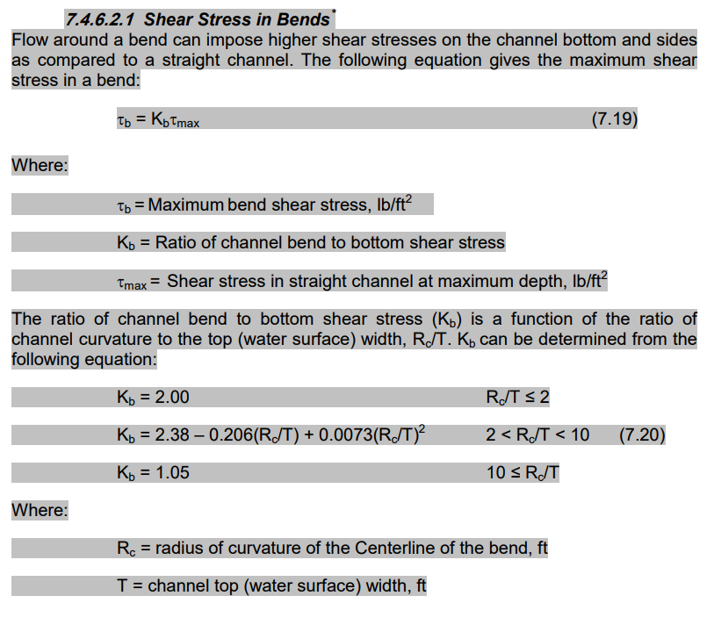
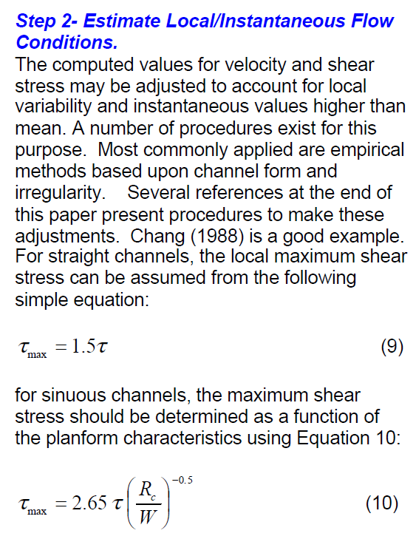
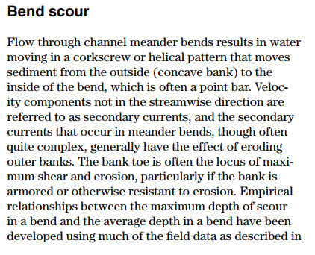

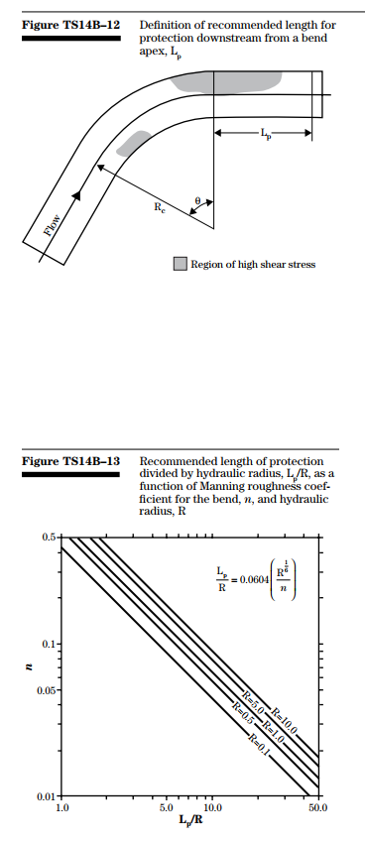

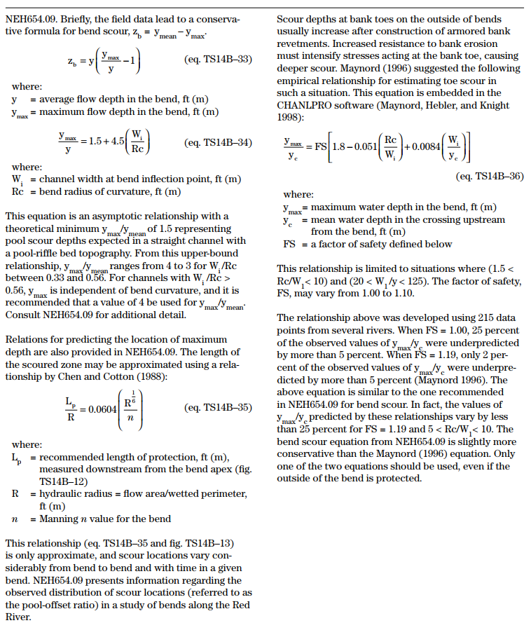

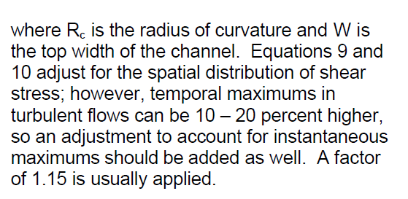

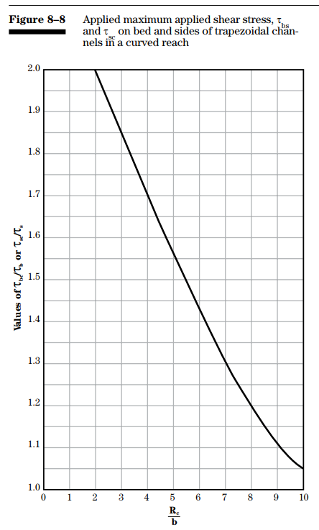

Figure 8-8 -NRCS handbook
Rc/B | Tbend bed /Tstraight bed
0 | 2.3
2 | 2
3 | 1.85
4 | 1.7
5 | 1.56
6 | 1.44
7 | 1.3
8 | 1.2
9 | 1.11
10 | 1.05
11 | 1
50 | 1

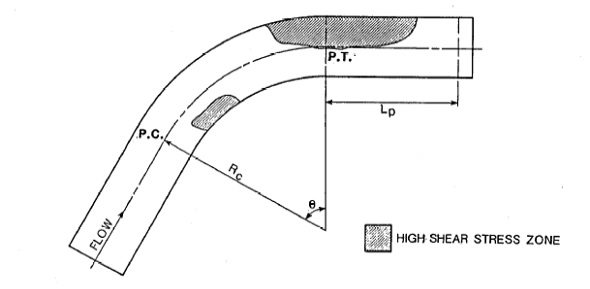
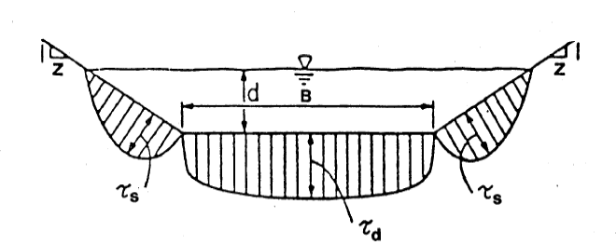

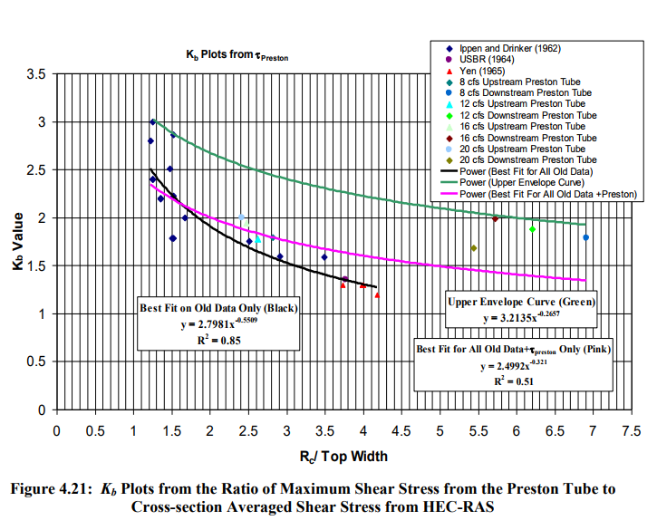
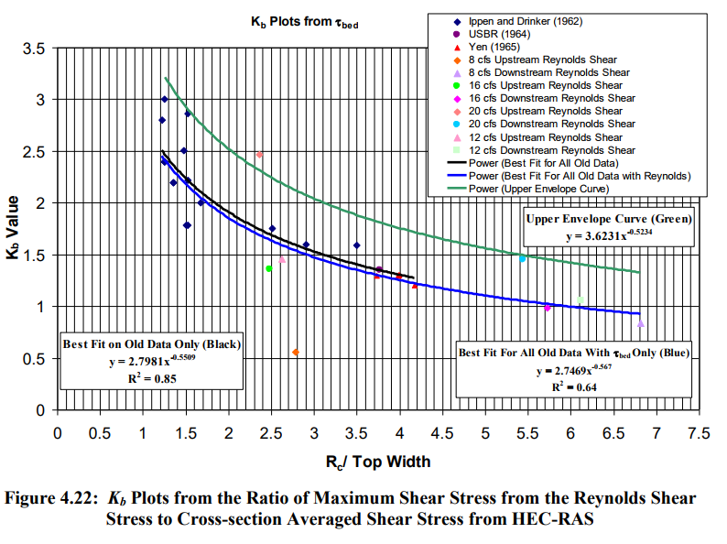
CSU report for USBR (2012)
METHODOLOGY FOR CALCULATING SHEAR STRESS IN A MEANDERING CHANNEL
Kb = Maximum Shear to averaged shear stress

Valid for Rc/Tw between 1 and 7

 | VDOT Drainage Manual

