Excel利用方法
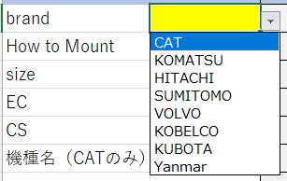
使い方
①
 |  | ＊こちらで組み合わせの費用が分かっている機種のみとなります。
 | ①、② CAT,Volvo以外の場合 | うまく反映されない機種は別途お問合せをお願いいたします。
 | brand/ How to mount/ size/ EC/を選択
 | S40の場合のみEC204/EC206を選択する
 | ③Alt＋F8を一緒に押す
 | RunEstimateSetupを選択後、実行を押す
 | ④品名、品番、価格が一斉に入力されます。
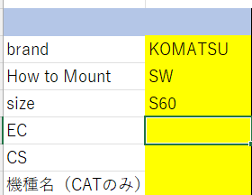
② | 1番右の行で四捨五入された金額が入力されます。
 | ⑤
 | ホースプロテクションのみ四捨五入が3桁になってるので2桁に変更
 | ⑥
 | 単価当たりの仕切価格が判明します
 | ホースプロテクションのみ4つでお願いします。
 | ⑦取付費用 は各社それぞれでお願いいたします。
 | ⑧送料 通常弊社からの請求額を30万円でご試算ください
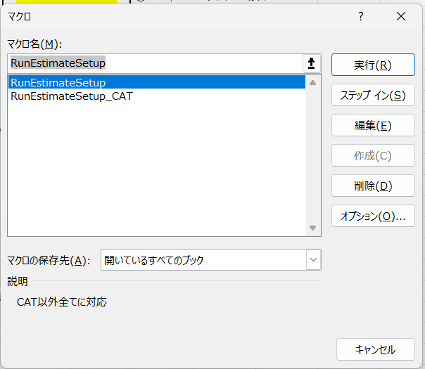
③ | パレット数が多くなるごとに金額は多くなります。
 | また空輸を利用される場合は更に多くなります。

④

⑤

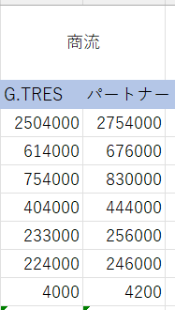
⑥

