XIAO ESP32-S3
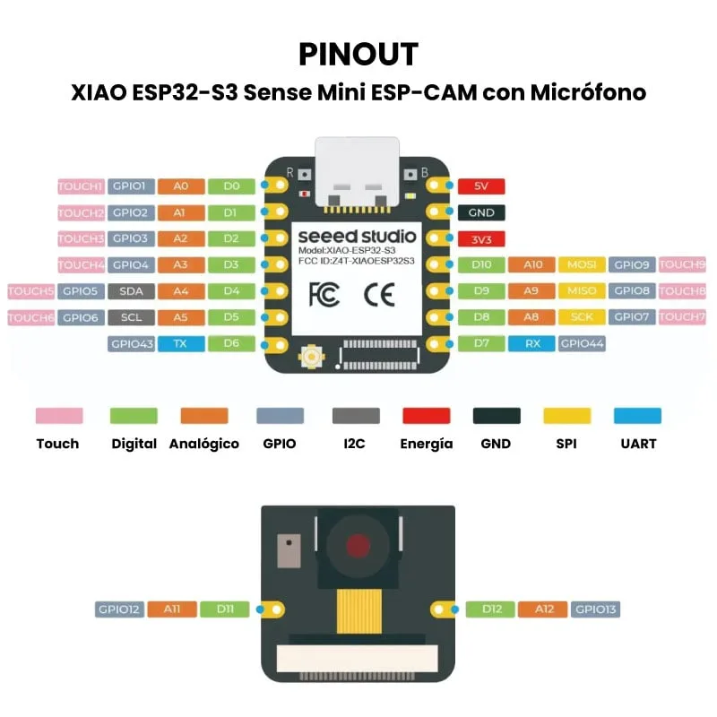
Pin No | Name | Function | PWM | Used Pins | Comment
1 | D0 | GPIO1 / A0 | Yes | 1 | Digital / Analog / Touch
2 | D1 | GPIO2 / A1 | Yes | 2 | Digital / Analog / Touch
3 | D2 | GPIO3 / A2 | Yes | 3 | Digital / Analog / Touch
4 | D3 | GPIO4 / A3 | Yes | 4 | Digital / Analog / Touch
5 | D4 | GPIO5 / SDA / A4 | Yes | 5 | I2C SDA
6 | D5 | GPIO6 / SCL / A5 | Yes | 6 | I2C SCL
7 | D6 | GPIO43 / TX | Yes | 7 | UART TX
8 | D7 | GPIO44 / RX | Yes | 8 | UART RX
9 | 5V | Power Input | No | 9 | 5V supply
10 | GND | Ground | No | 10 | Ground reference
11 | 3V3 | Power Output | No | 11 | 3.3V output
12 | D10 | GPIO9 / A10 / MOSI | Yes | 12 | SPI MOSI
13 | D9 | GPIO8 / A9 / MISO | Yes | 13 | SPI MISO
14 | D8 | GPIO7 / A8 / SCK | Yes | 14 | SPI Clock
15 | D11 | GPIO12 / A11 | Yes | 15 | Camera / Digital
16 | D12 | GPIO13 / A12 | Yes | 16 | Camera / Digital

