Nucleo
C0/F0/G0
EVB | Flash | Ram | Price | Delivery(day) | Stock | Link
NUCLEO-C031C6 | 32 | 12 | 2197 | 5 | 584 | https://www.marutsu.co.jp/pc/i/43347410/
NUCLEO-C071RB | 128 | 24 | 2242 | 5 | 136 | https://www.marutsu.co.jp/GoodsDetail.jsp?q=NUCLEO-C071RB&salesGoodsCode=48382034&shopNo=3
NUCLEO-F030R8 | 64 | 8 | 2201 | 5 | 663 | https://www.marutsu.co.jp/pc/i/13537476/
NUCLEO-F070RB | 128 | 16 | 2201 | 5 | 71 | https://www.marutsu.co.jp/pc/i/13537479/
NUCLEO-F072RB | 128 | 16 | 2201 | 5 | 304 | https://www.marutsu.co.jp/pc/i/13537480/
NUCLEO-F091RC | 256 | 32 | 2201 | 5 | 80 | https://www.marutsu.co.jp/pc/i/13537481/
NUCLEO-G070RB | 128 | 36 | 2201 | 5 | 315 | https://www.marutsu.co.jp/pc/i/32060905/
NUCLEO-G071RB | 128 | 36 | 2201 | 5 | 2200 | https://www.marutsu.co.jp/pc/i/31819503/
NUCLEO-G0B1RE | 512 | 128 | 2290 | 5 | 896 | https://www.marutsu.co.jp/pc/i/40719714/

NUCLEO-C0/F0/G0

Marketshare
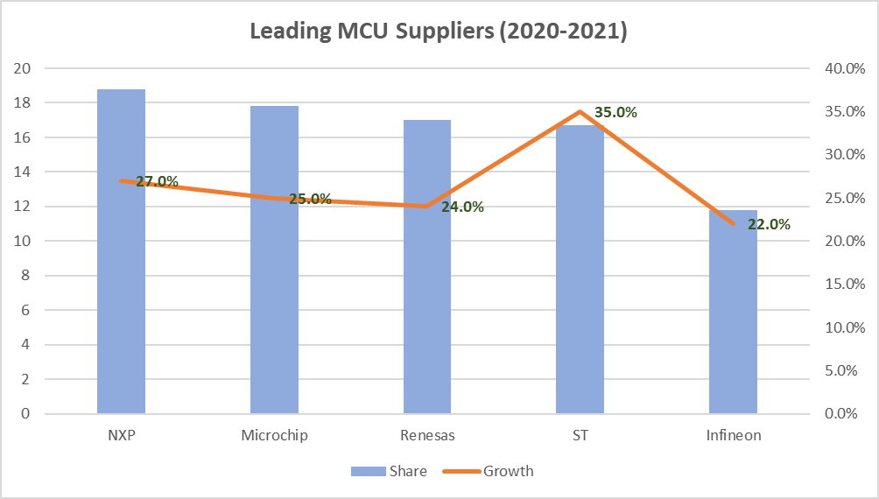
https://www.onerivertronics.com/a/43018.html

Leading MCU Suppliers (2020-2021)
 | NXP | Microchip | Renesas | ST | Infineon
Share | 18.8 | 17.8 | 17 | 16.7 | 11.8
Growth | 27.0% | 25.0% | 24.0% | 35.0% | 22.0%

