FolderStructure
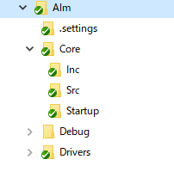
Stm32Cube | Folder structure
 | Alm | Aplication | Alm | Inc | alm_def.h
 |  |  |  |  | alm_api.h
 |  |  |  | Src | alm_isb.h
 |  |  |  |  | alm_isb.c
 |  |  |  |  | alm_isl.h
 |  |  |  |  | alm_isl.c
 |  |  |  |  | alm_tob.h
 |  |  |  |  | alm_tob.c
 |  |  |  |  | alm_tol.h
 |  |  |  |  | alm_tol.c
 |  |  |  |  | alm_tos.h
 |  |  |  |  | alm_tos.c
 |  |  | Xlm | Inc | xlm_def.h
 |  |  |  |  | xlm_api.h
 |  |  |  | Src | xlm_xbm.h
 |  |  |  |  | xlm_xbm.c
 |  |  |  |  | xlm_xlm.h
 |  |  |  |  | xlm_xlm.c
 |  | Inc | feature.h
 |  |  | feature_periodic.h
 |  |  | feature_swd.h
 |  | Core
 |  | Driver

