SyR
SyR_# | Description
SyR_#0000 | List of Abbreviations
SyR_#0001 | GSL : G? Static Library
SyR_#0002 | EIR : External Interface Requirement
SyR_#0003 | BSM : Button Service Module
SyR_#0004 | BCP : Button Chattering Prevention
SyR_#0005 | BSC : Button State Control
SyR_#0006 | LSM : LED Service Module
SyR_#0007 | LDC : LED Dimming Control
SyR_#0008 | LSC : LED State Control
SyR_#0009 | DIAG : Diagnosis
SyR_#0010 | DSC : Device Specific Callback
SyR_#0011 | MCCP : Mathch Count for Chattering Prevention.
SyR_#0012 | MBC : Maximum Button Count
SyR_#0013 | THBP : Threshold for Button Push-time between short and long press.
SyR_#0014 | MLC : Maximum LED count
SyR_#0100 | Revision History
SyR_#0101 | 2025/01/01 S.Seo Brand new requirement.
SyR_#0200 | Table of Contents
SyR_#0201 | 1. Introduction
SyR_#0202 | 1.1. Purpose
SyR_#0203 | 1.2. Context Diagram
SyR_#0204 | 2. Functional Requirements
SyR_#0205 | 2.1. System Requirements
SyR_#0206 | 2.2. EIR
SyR_#0207 | 2.2.1. Periodic Service
SyR_#0208 | 2.2.2. BSM
SyR_#0209 | 2.2.3. LSM
SyR_#0210 | 2.2.4. DIAG
SyR_#0211 | 2.3. GSL Requirements
SyR_#0212 | 2.3.1. BSM
SyR_#0213 | 2.3.2. LSM
SyR_#0214 | 2.2.4. DIAG
SyR_#0215 | 3. Non-Functional Requirements
SyR_#0216 | 3.1. Performance - How fast a system respond to the request.
SyR_#0217 | 3.2. Scalability - How well a system handle an increase in users or workloads.
SyR_#0218 | 3.3. Security - How well a system protects against unauthorized access and data breachs.
SyR_#0219 | 3.4. Usability - How easy a system is to use.
SyR_#0220 | 3.5. Maintability - How easy it is to update and modify the system.
SyR_#0221 | 4. References
SyR_#0300 | 1. Introduction
SyR_#0301 | 1.1. Purpose
SyR_#0302 | There are a lot of systems that use Buttons and LEDs.
SyR_#0303 | It's a time-consuming process to develop similar software for each system.
SyR_#0304 | Hence we need a software package that provides common features for Buttons and LEDs.
SyR_#0305 | The feature of each system is slightly different from each other.
SyR_#0306 | As an example, the MCCP might be different according to the hardware specification.
SyR_#0307 | These difference shall be set as EIR APIs.
SyR_#0308 | 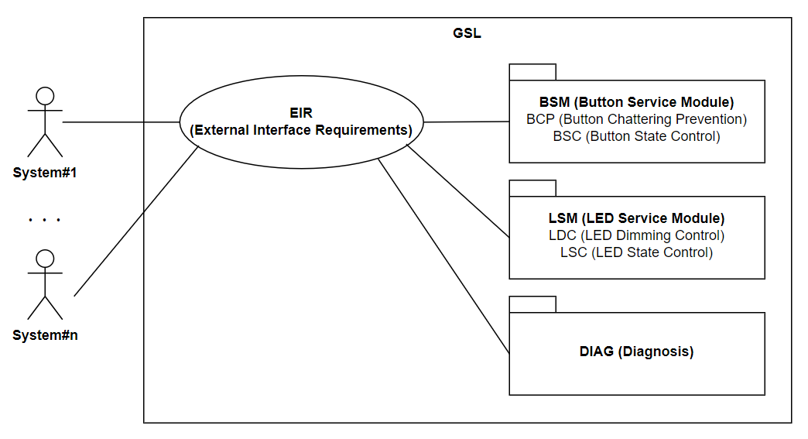 1.2. Context Diagram
SyR_#0400 | 2. Functional Requirements
SyR_#0401 | 2.1. System Requirements
SyR_#0402 | System is a embedded platform that composed of MCU and devices on it.
SyR_#0403 | System shall provide device specific features with EIR APIs.
SyR_#0404 | 2.2. EIR APIs
SyR_#0405 | 2.2.1. Periodic Service
SyR_#0406 | System shall implement periodic method and call periodic service provided by GSL.
SyR_#0409 | 2.2.2. BSM
SyR_#0410 | System shall redefine button parameters, i.e., MBC, MCCP, THBP.
SyR_#0411 | System shall implement DSCs to retrieve the state of each button.
SyR_#0412 | System shall implement DSCs to fetch the button notifications, i.e., short-press, long-press.
SyR_#0413
SyR_#0414 | 2.2.3. LSM
SyR_#0415 | System shall redefine LED parameters, i.e., MLC, Fading-TMOs, min-max PWM duty.
SyR_#0416 | System shall redefine the BSM type that associated with each LEDs.
SyR_#0417 | System shall implement DSC to retrieve the state of each LEDs.
SyR_#0418 | System shall implement DSC to output the duty of each LEDs.
SyR_#0421 | 2.2.4. DIAG
SyR_#0422 | System shall provide us Timer for diagnosis features.
SyR_#0423 | System shall implement DSC to get the count of us Timer.
SyR_#0424 | System shall implement DSC to get the period of us Timer.
SyR_#0425 | System shall implement DSC to trace log.
SyR_#0426 | 2.3. GSL Requirements
SyR_#0427 | 2.3.1. BSM
SyR_#0428 | GSL shall implement BCP with BSC.
SyR_#0429 | GSL shall implement BCP both of states, pushed and released.
SyR_#0430 | While the time on the pushed state is more than or equals to the THBP, GSL shall notify long-press immediately.
SyR_#0431 | When the state is changed to released, if the time on the push state is lesser than THN, GSL shall notify short-press.
SyR_#0432 | 2.3.2. LSM
SyR_#0433 | GSL shall implement LDC with LSC.
SyR_#0434 | GSL shall response LED duty lesser than or equals to 1ms.
SyR_#0435 | GSL shall handle state transition with BSM notification, i.e., short-press, logn-press.
SyR_#0436 | When the short-press is occurred, GSL switch LED stattes between ON and OFF, with fading.
SyR_#0437 | When the long-press is occurred, GSL switch LED states between ON and OFF, without fading.
SyR_#0438 | While fading, GSL shall not handle any events.
SyR_#0439 | 2.3.3. DIAG
SyR_#0440 | GSL shall implement DIAG features.
SyR_#0441 | When the state transition occurs, GSL shall transmit event and states, i.e., event, previous state, current state to the connected device, e.g., PC.
SyR_#0442 | GSL shall keep the most time-consuming time of periodic service and transmit those information to connected device, e.g., PC.
SyR_#0500 | 3. Non-Functional Requirements
SyR_#0501 | 3.1. Performance - How fast a system respond to the request.
SyR_#0502 | The total response time shall be lesser than 1ms.
SyR_#0503 | As the GSL is a platform independent software package, mainly the system is responsible for the response time.
SyR_#0504 | When it comes to the GSL, software optimization shall be under consideration.
SyR_#0505 | GSL shall provide DIAG method to evaluate process time of BSM and LSM.
SyR_#0506 | 3.2. Scalability - How well a system handle an increase in users or workloads.
SyR_#0507 | GSL shall control more than one Buttons and LEDs.
SyR_#0508 | GSL shall provide pre-defined 10 EIR APIs for both of Buttons and LEDs.
SyR_#0509 | System can configure those EIR APIs to extend buttons or LEDs.
SyR_#0510 | 3.3. Security - How well a system protects against unauthorized access and data breachs.
SyR_#0511 | There are no security features for now.
SyR_#0512 | 3.4. Usability - How easy a system is to use.
SyR_#0513 | EIR API is the core feature of this requirement.
SyR_#0514 | System can improve its feasibility to configure EIR APIs.
SyR_#0515 | 3.5. Maintability - How easy it is to update and modify the system.
SyR_#0516 | GSL shall be dockable static library that is easy to add or remove.
SyR_#0600 | 4. References
SyR_#0601
SyR_#0602
SyR_#0603
SyR_#0604
SyR_#0605
SyR_#0606
SyR_#0607
SyR_#0608
SyR_#0609
SyR_#0610
SyR_#0611
SyR_#0612
SyR_#0613
SyR_#0614
SyR_#0615
SyR_#0616
SyR_#0617
SyR_#0618
SyR_#0619
SyR_#0620
SyR_#0621
SyR_#0622
SyR_#0623
SyR_#0624
SyR_#0625
SyR_#0626
SyR_#0627
SyR_#0628
SyR_#0629
SyR_#0630
SyR_#0631
SyR_#0632
SyR_#0633
SyR_#0634
SyR_#0635
SyR_#0636
SyR_#0637
SyR_#0638
SyR_#0639
SyR_#0640
SyR_#0641
SyR_#0642
SyR_#0643
SyR_#0644
SyR_#0645
SyR_#0646
SyR_#0647
SyR_#0648
SyR_#0649
SyR_#0650
SyR_#0651
SyR_#0652
SyR_#0653
SyR_#0654
SyR_#0655
SyR_#0656
SyR_#0657
SyR_#0658
SyR_#0659
SyR_#0660
SyR_#0661
SyR_#0662
SyR_#0663
SyR_#0664
SyR_#0665
SyR_#0666
SyR_#0667
SyR_#0668
SyR_#0669
SyR_#0670
SyR_#0671
SyR_#0672
SyR_#0673
SyR_#0674
SyR_#0675
SyR_#0676
SyR_#0677
SyR_#0678
SyR_#0679
SyR_#0680
SyR_#0681
SyR_#0682
SyR_#0683
SyR_#0684
SyR_#0685
SyR_#0686
SyR_#0687
SyR_#0688
SyR_#0689
SyR_#0690
SyR_#0691
SyR_#0692
SyR_#0693
SyR_#0694
SyR_#0695
SyR_#0696
SyR_#0697
SyR_#0698
SyR_#0699

SyRS
SyRS_# | Type | Description
SyRS_#0000 | Title | List of Abbreviations
SyRS_#0001 | Text | GSL : G? Static Library
SyRS_#0002 | Text | EIR : External Interface Requirement
SyRS_#0003 | Text | BSM : Button Service Module
SyRS_#0004 | Text | BCP : Button Chattering Prevention
SyRS_#0005 | Text | BSC : Button State Control
SyRS_#0006 | Text | LSM : LED Service Module
SyRS_#0007 | Text | LDC : LED Dimming Control
SyRS_#0008 | Text | LSC : LED State Control
SyRS_#0009 | Text | DIAG : Diagnosis
 | Text | DSC : Device Specific Callback
 | Text | MCCP : Mathch Count for Chattering Prevention.
 | Text | MBC : Maximum Button Count
 | Text | THBP : Threshold for Button Push-time between short and long press.
 | Text | MLC : Maximum LED count
 |  | HSI : Hardware Software Interface

SyRS_#0100 | Title | Revision History
SyRS_#0101 | Text | 2025/01/01 S.Seo Brand new requirement.
SyRS_#0200 | Title | Table of Contents
SyRS_#0201 | Text | 1. Introduction
SyRS_#0202 | Text | 1.1. Purpose
SyRS_#0203 | Text | 1.2. System Block Diagram
SyRS_#0204 | Text | 2. Functional Specifications
SyRS_#0205 | Text | 2.1. System
SyRS_#0206 | Text | 2.2. EIR
SyRS_#0207 | Text | 2.2.1. Periodic Service
SyRS_#0208 | Text | 2.2.2. BSM
SyRS_#0209 | Text | 2.2.3. LSM
SyRS_#0210 | Text | 2.2.4. DIAG
SyRS_#0211 | Text | 2.3. GSL
SyRS_#0212 | Text | 2.3.1. BSM
SyRS_#0213 | Text | 2.3.2. LSM
SyRS_#0214 | Text | 2.2.4. DIAG
SyRS_#0215 | Text | 3. Non-Functional Requirements
SyRS_#0216 | Text | 3.1. Performance - How fast a system respond to the request.
SyRS_#0217 | Text | 3.2. Scalability - How well a system handle an increase in users or workloads.
SyRS_#0218 | Text | 3.3. Security - How well a system protects against unauthorized access and data breachs.
SyRS_#0219 | Text | 3.4. Usability - How easy a system is to use.
SyRS_#0220 | Text | 3.5. Maintability - How easy it is to update and modify the system.
SyRS_#0221 | Text | 4. References
SyRS_#0300 | Title | 1. Introduction
SyRS_#0301 | Title | 1.1. Purpose
SyRS_#0302 | Text | GSL is a platform independent software package that provides features for Buttons and LEDs.
SyRS_#0303 | Text | GSL shall provide functional and no-functional features in this specification.
SyRS_#0304 | Text | GSL shall define EIR APIs as a template.
SyRS_#0305 | Text | System specific features shall be defined as EIR APIs.
SyRS_#0306 | Text | System shall config GSL through EIR APIs, i.e., redefine or implement callbacks.
SyRS_#0307 | Text | 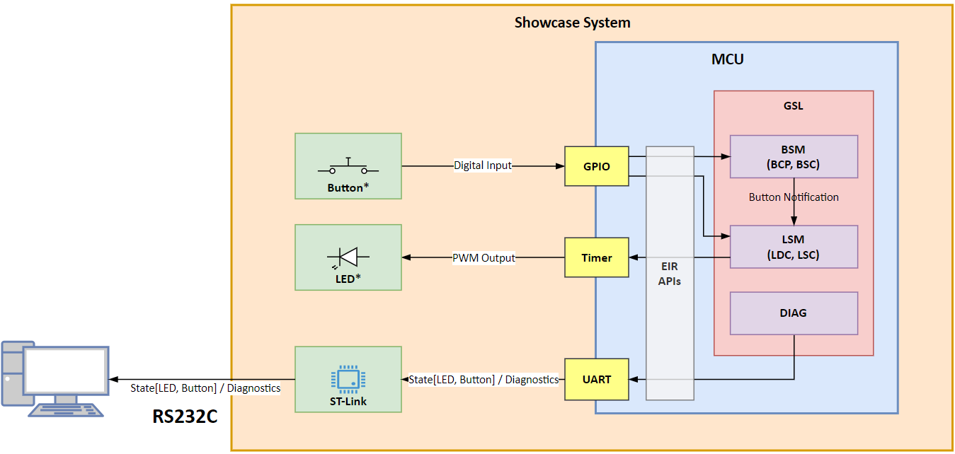 1.2. System Block Diagram
SyRS_#0400 | Title | 2. Functional Specifications
SyRS_#0401 | Title | 2.1. Showcase System
SyRS_#0402 | UR | GSL shall provide more than one showcase systems to represent its usage and feasibility.
SyRS_#0403 | Text | Each feature of showcase systems shall be specified in the SwRS.
SyRS_#0404 | Title | 2.2. EIR APIs
SyRS_#0405 | Title | 2.2.1. Periodic Service
SyRS_#0406 | UR | Showcase system shall implement periodic method with timer ISR.
SyRS_#0407 | UR | Showcase system shall call periodic service proivided by GSL as an EIR API.
SyRS_#0408 | UR | Showcase system shall provide that period as an EIR API for time calculation.
SyRS_#0409 | Title | 2.2.2. BSM
SyRS_#0410 |  | Showcase system shall redefine the MBC from 1 to 10.
SyRS_#0411 |  | Showcase system shall redefine the MCCP for each buttons as 5.
SyRS_#0412 |  | Showcase system shall redefine the THBP for each buttons as 1sec.
SyRS_#0413 |  | Showcase system shall implement the DSC to retrieve the button state as pushed or released.
 |  | Showcase system shall redefine the button states according to HSI.
SyRS_#0414 |  | 2.2.3. LSM
SyRS_#0415 |  | System shall redefine the maximum LED count shall be defined as an EIR API.
SyRS_#0416 |  | System shall redefine the BSM type that associated with LSM of each LED as EIR APIs.
SyRS_#0417 |  | System shall redefine the fade in and fade out TMO of each LED as EIR APIs.
SyRS_#0418 |  | System shall redefine the min and max PWM duty of each LED as EIR APIs.
SyRS_#0419 |  | System shall implement DSC to fetch event of each LED as an EIR API.
SyRS_#0420 |  | System shall implement DSC to output PWM of each LED as an EIR API.
SyRS_#0421 |  | 2.2.4. DIAG
SyRS_#0422 |  | System shall implement DSC to get the us count of TIM for diagnosis as an EIR API.
SyRS_#0423 |  | System shall implement DSC to get the period of TIM for diagnosis as an EIR API.
SyRS_#0424 |  | System shall implement DSC to trace log as an EIR API.
SyRS_#0425 |  | 2.3. GSL
SyRS_#0426 |  | 2.3.1. BSM
SyRS_#0427 |  | GSL shall implement BCP with BSC.
SyRS_#0428 |  | GSL shall implement BCP both of states, pushed and released.
SyRS_#0429 |  | While the time on the pushed state is more than or equals to the THN, GSL shall notify long-press immediately.
SyRS_#0430 |  | When the state is changed to released, if the time on the push state is lesser than THN, GSL shall notify short-press.
SyRS_#0431 |  | 2.3.2. LSM
SyRS_#0432 |  | GSL shall implement LDC with LSC.
SyRS_#0433 |  | GSL shall response LED duty lesser than or equals to 1ms.
SyRS_#0434 |  | GSL shall handle state transition with BSM notification, i.e., short-press, logn-press.
SyRS_#0435 |  | When the short-press is occurred, GSL switch LED stattes between ON and OFF, with fading.
SyRS_#0436 |  | When the long-press is occurred, GSL switch LED states between ON and OFF, without fading.
SyRS_#0437 |  | While fading, GSL shall not handle any events.
SyRS_#0438 |  | GSL shall refer the Dimming parameters, e.g., fading-TMO, PWM min/max, etc, as EIR APIs.
SyRS_#0439 |  | 2.3.3. DIAG
SyRS_#0440 |  | GSL shall implement DIAG features.
SyRS_#0441 |  | When the state transition occurs, GSL shall transmit event and states, i.e., event, previous state, current state to the connected device, e.g., PC.
SyRS_#0442 |  | GSL shall keep the most time-consuming time of periodic service and transmit those information to connected device, e.g., PC.
SyRS_#0500 |  | 3. Non-Functional Requirements
SyRS_#0501 |  | 3.1. Performance - How fast a system respond to the request.
SyRS_#0502 |  | The total response time shall be lesser than 1ms.
SyRS_#0503 |  | As the GSL is a platform independent software package, mainly the system is responsible for the response time.
SyRS_#0504 |  | When it comes to the GSL, software optimization shall be under consideration.
SyRS_#0505 |  | GSL shall provide DIAG method to evaluate process time of BSM and LSM.
SyRS_#0506 |  | 3.2. Scalability - How well a system handle an increase in users or workloads.
SyRS_#0507 |  | GSL shall control more than one Buttons and LEDs.
SyRS_#0508 |  | GSL shall provide pre-defined 10 EIR APIs for both of Buttons and LEDs.
SyRS_#0509 |  | System can configure those EIR APIs to extend buttons or LEDs.
SyRS_#0510 |  | 3.3. Security - How well a system protects against unauthorized access and data breachs.
SyRS_#0511 |  | There are no security features for now.
SyRS_#0512 |  | 3.4. Usability - How easy a system is to use.
SyRS_#0513 |  | EIR API is the core feature of this requirement.
SyRS_#0514 |  | System can improve its feasibility to configure EIR APIs.
SyRS_#0515 |  | 3.5. Maintability - How easy it is to update and modify the system.
SyRS_#0516 |  | GSL shall be dockable static library that is easy to add or remove.
SyRS_#0600 |  | 4. References
SyRS_#0601
SyRS_#0602
SyRS_#0603
SyRS_#0604
SyRS_#0605
SyRS_#0606
SyRS_#0607
SyRS_#0608
SyRS_#0609
SyRS_#0610
SyRS_#0611
SyRS_#0612
SyRS_#0613
SyRS_#0614
SyRS_#0615
SyRS_#0616
SyRS_#0617
SyRS_#0618
SyRS_#0619
SyRS_#0620
SyRS_#0621
SyRS_#0622
SyRS_#0623
SyRS_#0624
SyRS_#0625
SyRS_#0626
SyRS_#0627
SyRS_#0628
SyRS_#0629
SyRS_#0630
SyRS_#0631
SyRS_#0632
SyRS_#0633
SyRS_#0634
SyRS_#0635
SyRS_#0636
SyRS_#0637
SyRS_#0638
SyRS_#0639
SyRS_#0640
SyRS_#0641
SyRS_#0642
SyRS_#0643
SyRS_#0644
SyRS_#0645
SyRS_#0646
SyRS_#0647
SyRS_#0648
SyRS_#0649
SyRS_#0650
SyRS_#0651
SyRS_#0652
SyRS_#0653
SyRS_#0654
SyRS_#0655
SyRS_#0656
SyRS_#0657
SyRS_#0658
SyRS_#0659
SyRS_#0660
SyRS_#0661
SyRS_#0662
SyRS_#0663
SyRS_#0664
SyRS_#0665
SyRS_#0666
SyRS_#0667
SyRS_#0668
SyRS_#0669
SyRS_#0670
SyRS_#0671
SyRS_#0672
SyRS_#0673
SyRS_#0674
SyRS_#0675
SyRS_#0676
SyRS_#0677
SyRS_#0678
SyRS_#0679
SyRS_#0680
SyRS_#0681
SyRS_#0682
SyRS_#0683
SyRS_#0684
SyRS_#0685
SyRS_#0686
SyRS_#0687
SyRS_#0688
SyRS_#0689
SyRS_#0690
SyRS_#0691
SyRS_#0692
SyRS_#0693
SyRS_#0694
SyRS_#0695
SyRS_#0696
SyRS_#0697
SyRS_#0698
SyRS_#0699

