NGC7832
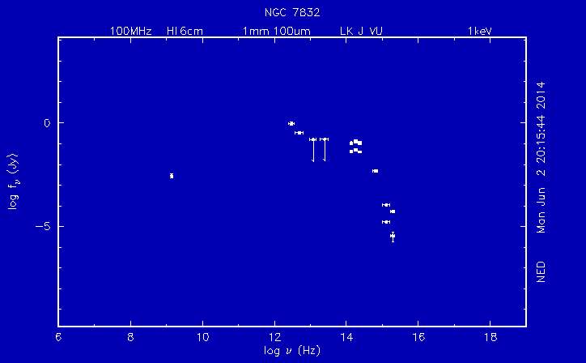
Freq (Hz) | SED (Jy)
6.41E+14 | 4.97E-03 | Jy | Results from query to NASA/IPAC Extragalactic Database (NED), |  |  |  |  |  |  |  |  |  |  |  |  |  |  |  | http://ned.ipac.caltech.edu/cgi-bin/datasearch?objname=ngc+7832&meas_type=bot&ebars_spec=ebars&label_spec=no&x_spec=freq&y_spec=Fnu_jy&xr=-1&of=table&search_type=Photometry
2.40E+14 | 1.01E-01 | Jy | which is operated by the Jet Propulsion Laboratory, California Institute of
2.40E+14 | 1.15E-01 | Jy | Technology, under contract with the National Aeronautics and Space Administration.
2.40E+14 | 4.07E-02 | Jy | This work was (partially) supported by the US National Virtual Observatory
1.82E+14 | 1.23E-01 | Jy | development project, which is funded by the National Science Foundation
1.82E+14 | 1.37E-01 | Jy | under cooperative agreement AST0122449 with The Johns Hopkins University.
1.82E+14 | 5.07E-02 | Jy
1.38E+14 | 1.00E-01 | Jy
1.38E+14 | 1.11E-01 | Jy | queryDateTime:2014-02-20T16:14:34PST
1.38E+14 | 4.28E-02 | Jy
5.00E+12 | 3.39E-01 | Jy
3.00E+12 | 9.39E-01 | Jy
1.40E+09 | 2.80E-03 | Jy | Photometric Data for NGC 7832

 |  |  | No. | Observed Passband | Photometry Measurement | Uncertainty | Units | Frequency | NED Photometry Measurement | NED Uncertainty | NED Units | Refcode | Significance | Published frequency | Frequency Mode | Coordinates Targeted | Spatial Mode | Qualifiers | Comments
 |  |  | 1 | b_J | 14.75 | 0.12 | mag | 6.41E+14 | 4.97E-03 | 5.81E-04 | Jy | 1990MNRAS.243..692M | rms uncertainty | 4680 A | Broad-band measurement | 000354.90 -035938.5 (B1950) | Flux integrated from map |  | From new raw data
 |  |  | 2 | J_K20 (2MASS) | 10.492 | 0.013 | mag | 2.40E+14 | 1.01E-01 | 1.22E-03 | Jy | 20032MASX.C.......: | 1 sigma uncert. | 1.25 microns | Broad-band measurement | 000628.46 -034258.1 (J2000) | Flux integrated from map | 80.2 x 41.7 arcsec integration area. | From new raw data
 |  |  | 3 | J_total (2MASS) | 10.354 | 0.014 | mag | 2.40E+14 | 1.15E-01 | 1.49E-03 | Jy | 20032MASX.C.......: | 1 sigma uncert. | 1.25 microns | Broad-band measurement | 000628.46 -034258.1 (J2000) | Total flux |  | From new raw data
 |  |  | 4 | J_14arcsec (2MASS) | 11.481 | 0.004 | mag | 2.40E+14 | 4.07E-02 | 1.50E-04 | Jy | 20032MASX.C.......: | 1 sigma uncert. | 1.25 microns | Broad-band measurement | 000628.46 -034258.1 (J2000) | Flux in fixed aperture | 14.0 x 14.0 arcsec aperture. | From new raw data
 |  |  | 5 | H_K20 (2MASS) | 9.797 | 0.018 | mag | 1.82E+14 | 1.23E-01 | 2.06E-03 | Jy | 20032MASX.C.......: | 1 sigma uncert. | 1.65 microns | Broad-band measurement | 000628.46 -034258.1 (J2000) | Flux integrated from map | 80.2 x 41.7 arcsec integration area. | From new raw data
 |  |  | 6 | H_total (2MASS) | 9.685 | 0.017 | mag | 1.82E+14 | 1.37E-01 | 2.16E-03 | Jy | 20032MASX.C.......: | 1 sigma uncert. | 1.65 microns | Broad-band measurement | 000628.46 -034258.1 (J2000) | Total flux |  | From new raw data
 |  |  | 7 | H_14arcsec (2MASS) | 10.764 | 0.005 | mag | 1.82E+14 | 5.07E-02 | 2.34E-04 | Jy | 20032MASX.C.......: | 1 sigma uncert. | 1.65 microns | Broad-band measurement | 000628.46 -034258.1 (J2000) | Flux in fixed aperture | 14.0 x 14.0 arcsec aperture. | From new raw data
 |  |  | 8 | K_s_K20 (2MASS) | 9.559 | 0.027 | mag | 1.38E+14 | 1.00E-01 | 2.52E-03 | Jy | 20032MASX.C.......: | 1 sigma uncert. | 2.17 microns | Broad-band measurement | 000628.46 -034258.1 (J2000) | Flux integrated from map | 80.2 x 41.7 arcsec integration area. | From new raw data
 |  |  | 9 | K_s_total (2MASS) | 9.45 | 0.025 | mag | 1.38E+14 | 1.11E-01 | 2.58E-03 | Jy | 20032MASX.C.......: | 1 sigma uncert. | 2.17 microns | Broad-band measurement | 000628.46 -034258.1 (J2000) | Total flux |  | From new raw data
 |  |  | 10 | K_s_14arcsec (2MASS) | 10.482 | 0.007 | mag | 1.38E+14 | 4.28E-02 | 2.77E-04 | Jy | 20032MASX.C.......: | 1 sigma uncert. | 2.17 microns | Broad-band measurement | 000628.46 -034258.1 (J2000) | Flux in fixed aperture | 14.0 x 14.0 arcsec aperture. | From new raw data
 |  |  | 11 | IRAS 12 microns |  | <1.680E-01 | Jy | 2.50E+03 |  | 1.68E-01 | Jy | 1990IRASF.C...0000M | 90% confidence | 12 microns | Broad-band measurement | 000352.6 -035956 (B1950) | Flux in fixed aperture |  | From new raw data
 |  |  | 12 | IRAS 25 microns |  | <1.607E-01 | Jy | 1.20E+13 |  | 1.61E-01 | Jy | 1990IRASF.C...0000M | 90% confidence | 25 microns | Broad-band measurement | 000352.6 -035956 (B1950) | Flux in fixed aperture |  | From new raw data
 |  |  | 13 | IRAS 60 microns | 3.39E-01 | 14% | Jy | 5.00E+12 | 3.39E-01 | 4.74E-02 | Jy | 1990IRASF.C...0000M | uncertainty | 60 microns | Broad-band measurement | 000352.6 -035956 (B1950) | Flux in fixed aperture | IRAS quality flag = 3 | From new raw data
 |  |  | 14 | IRAS 100 microns | 9.39E-01 | 17% | Jy | 3.00E+12 | 9.39E-01 | 1.60E-01 | Jy | 1990IRASF.C...0000M | uncertainty | 100 microns | Broad-band measurement | 000352.6 -035956 (B1950) | Flux in fixed aperture | IRAS quality flag = 2 | From new raw data
 |  |  | 15 | 1.4GHz | 2.8 | 0.6 | milliJy | 1.40E+09 | 2.80E-03 | 6.00E-04 | Jy | 1998AJ....115.1693C | uncertainty | 1.40 GHz | Broad-band measurement | 00 06 28.19 -03 42 51.3 (J2000) | Flux integrated from map |  | From new raw data

