Sheet1
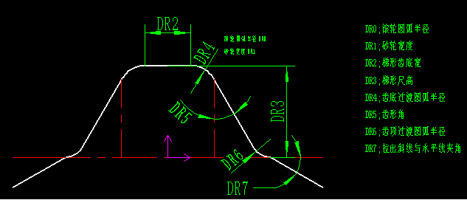
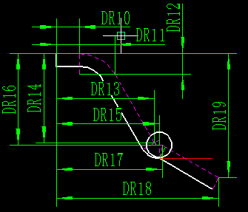
DR0 | 2
DR1 | 45.92
DR2 | 14.1
DR3 | 10.0518
DR4 | 0
DR5 | 0.44732788729
DR6 | 2
DR7 | 0.51260320131

DR10 | 7.05
DR11 | 8.8532123265
DR12 | -1.1348842241
DR13 | 13.131224625
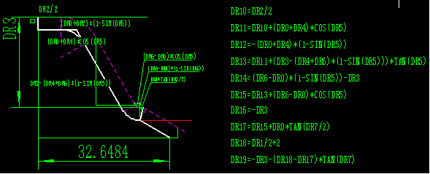
DR14 | -10.0518
DR15 | 13.131224625
DR16 | -10.0518
DR17 | 13.655355206
DR18 | 24.96
DR19 | -16.413843867

