backtrace与malloc
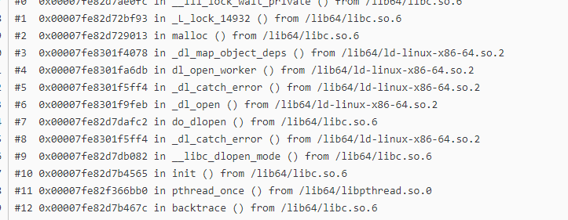
很多人为了做内存分配监控器（内存泄漏检测），想获取堆栈信息的时候，发现都有问题
具体就是因为backtrace内部会调用malloc，所以放弃了

！！！先说结论：
 | glibc内部的实现，仅仅在初次调用backtrace的时候，会调用dlopen，内部会调用malloc，但是一旦执行过一次后，就会缓存起来，所以只要我们应用程序启动后先手动调用一次backtrace就可以解决这个问题
下来，我们将看看glibc内部对于backtrace的实现方式
1 | backtrace内部会调用__libc_unwind_link_get ()
2 | 初次调用__libc_unwind_link_get ()时，会调用dlopen，内部会调用malloc（也就是循环的地方）；将结果保存后续就不会调用了

