黑板UBlackboardData
单独用于存储行为树的用到的变量
 | 这个上面没有真实的数据，数据存储和读取都发生在UBlackboardComponent

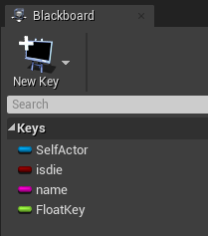
 | 黑板类
 | UCLASS(BlueprintType, AutoExpandCategories=(Blackboard))
 | class AIMODULE_API UBlackboardData : public UDataAsset

 | 成员变量
 |  | GENERATED_UCLASS_BODY()
 |  | DECLARE_MULTICAST_DELEGATE_OneParam(FKeyUpdate, UBlackboardData* /*asset*/);

 |  | /** parent blackboard (keys can be overridden) */
 |  | UPROPERTY(EditAnywhere, Category=Parent)
 |  | UBlackboardData* Parent;

 |  | /** blackboard keys */
 |  | UPROPERTY(EditAnywhere, Category=Blackboard)
 |  | TArray<FBlackboardEntry> Keys; |  | 对应的数据类

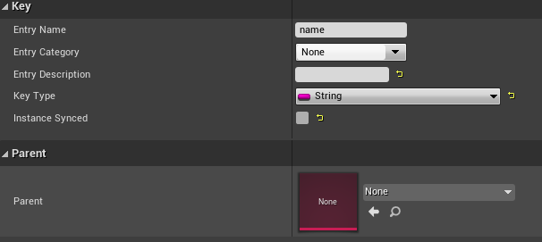
 | Keys类
 | USTRUCT()
 | struct FBlackboardEntry
 | 成员变量
 |  | UPROPERTY(EditAnywhere, Category=Blackboard)
 |  | FName EntryName;

 |  | /** key type and additional properties */
 |  | UPROPERTY(EditAnywhere, Instanced, Category=Blackboard)
 |  | UBlackboardKeyType* KeyType; | 具体的数据就存在这个里面

 |  | /** if set to true then this field will be synchronized across all instances of this blackboard */
 |  | UPROPERTY(EditAnywhere, Category=Blackboard)
 |  | uint32 bInstanceSynced : 1;

 | Keys的数据基类
 | UCLASS(EditInlineNew, Abstract, CollapseCategories, AutoExpandCategories=(Blackboard))
 | class AIMODULE_API UBlackboardKeyType : public UObject
 |  | /** size of value for this type */
 |  | uint16 ValueSize;

 | 派生类：
 |  | UBlackboardKeyType_String
 |  | UBlackboardKeyType_Object
 |  | UBlackboardKeyType_Class
 |  | UBlackboardKeyType_Enum
 |  | UBlackboardKeyType_Int
 |  | UBlackboardKeyType_Float
 |  | UBlackboardKeyType_Bool

UBlackboardComponent
黑板数据存储，获取的接口类
1 | 因为数据都在自己身上，每次蓝图接口获取数值，就是找到对应的Type，把自己身上的内存地址传进去，由不同的TYPE进行处理获取数值（例如简单类型就强转等操作）

怎么挂在人身上？？？？
 | UFUNCTION(BlueprintCallable, Category = "AI")
 | bool AAIController::UseBlackboard(UBlackboardData* BlackboardAsset, UBlackboardComponent*& BlackboardComponent)

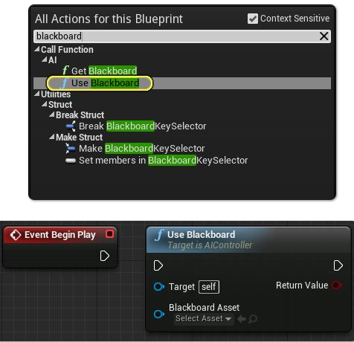
1 | 可以看出来，当在蓝图里面调用UseBlackboard的时候，会触发该函数，内部会判断，如果没有UBlackboardComponent，就新创建一个 |  |  |  | ！！！！！
 |  | Blackboard = FindComponentByClass<UBlackboardComponent>();
 |  | if (Blackboard == nullptr)
 |  | {
 |  |  | Blackboard = NewObject<UBlackboardComponent>(this, TEXT("BlackboardComponent"));
 |  |  | InitializeBlackboard(*Blackboard, *BlackboardAsset);
 |  |  | Blackboard->RegisterComponent();
 |  | }
2 | 创建之后，在其void UActorComponent::PostInitProperties()的时候插入到Aactor的OwnedComponents对象里面

3

UCLASS(ClassGroup = AI, meta = (BlueprintSpawnableComponent), hidecategories = (Sockets, Collision))
class AIMODULE_API UBlackboardComponent : public UActorComponent
成员
 | /** cached behavior tree component */
 | UPROPERTY(transient)
 | UBrainComponent* BrainComp;

 | /** memory block holding all values */
 | TArray<uint8> ValueMemory; |  |  | 所有的数据

 | /** offsets in ValueMemory for each key */
 | TArray<uint16> ValueOffsets; |  |  | 每个数据的偏移

 | /** instanced keys with custom data allocations */
 | UPROPERTY(transient)
 | TArray<UBlackboardKeyType*> KeyInstances;

蓝图获取接口：
 | UFUNCTION(BlueprintCallable, Category="AI|Components|Blackboard")
 | UObject* GetValueAsObject(const FName& KeyName) const;

 | UFUNCTION(BlueprintCallable, Category="AI|Components|Blackboard")
 | UClass* GetValueAsClass(const FName& KeyName) const;

 | UFUNCTION(BlueprintCallable, Category="AI|Components|Blackboard")
 | uint8 GetValueAsEnum(const FName& KeyName) const;

 | UFUNCTION(BlueprintCallable, Category="AI|Components|Blackboard")
 | int32 GetValueAsInt(const FName& KeyName) const;

 | UFUNCTION(BlueprintCallable, Category="AI|Components|Blackboard")
 | float GetValueAsFloat(const FName& KeyName) const;

 | UFUNCTION(BlueprintCallable, Category="AI|Components|Blackboard")
 | bool GetValueAsBool(const FName& KeyName) const;

 | UFUNCTION(BlueprintCallable, Category="AI|Components|Blackboard")
 | FString GetValueAsString(const FName& KeyName) const;

 | UFUNCTION(BlueprintCallable, Category="AI|Components|Blackboard")
 | FName GetValueAsName(const FName& KeyName) const;

 | UFUNCTION(BlueprintCallable, Category="AI|Components|Blackboard")
 | FVector GetValueAsVector(const FName& KeyName) const;

 | UFUNCTION(BlueprintCallable, Category="AI|Components|Blackboard")
 | FRotator GetValueAsRotator(const FName& KeyName) const;

 | UFUNCTION(BlueprintCallable, Category="AI|Components|Blackboard")
 | void SetValueAsObject(const FName& KeyName, UObject* ObjectValue);

 | UFUNCTION(BlueprintCallable, Category="AI|Components|Blackboard")
 | void SetValueAsClass(const FName& KeyName, UClass* ClassValue);

 | UFUNCTION(BlueprintCallable, Category="AI|Components|Blackboard")
 | void SetValueAsEnum(const FName& KeyName, uint8 EnumValue);

 | UFUNCTION(BlueprintCallable, Category="AI|Components|Blackboard")
 | void SetValueAsInt(const FName& KeyName, int32 IntValue);

 | UFUNCTION(BlueprintCallable, Category="AI|Components|Blackboard")
 | void SetValueAsFloat(const FName& KeyName, float FloatValue);

 | UFUNCTION(BlueprintCallable, Category="AI|Components|Blackboard")
 | void SetValueAsBool(const FName& KeyName, bool BoolValue);

 | UFUNCTION(BlueprintCallable, Category="AI|Components|Blackboard")
 | void SetValueAsString(const FName& KeyName, FString StringValue);

 | UFUNCTION(BlueprintCallable, Category="AI|Components|Blackboard")
 | void SetValueAsName(const FName& KeyName, FName NameValue);

 | UFUNCTION(BlueprintCallable, Category="AI|Components|Blackboard")
 | void SetValueAsVector(const FName& KeyName, FVector VectorValue);

 | UFUNCTION(BlueprintCallable, Category = "AI|Components|Blackboard")
 | void SetValueAsRotator(const FName& KeyName, FRotator VectorValue);

自定义节点
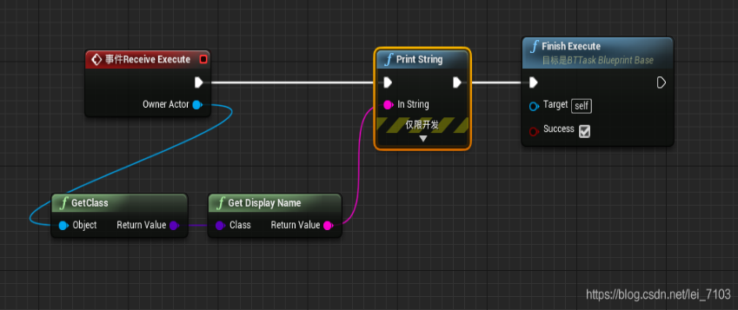
https://blog.csdn.net/lei_7103/article/details/103064679

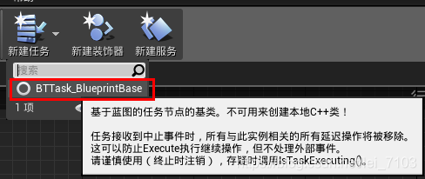

 | 2.打开创建的AlwaysTrue蓝图，创建Event Receive Execute 节点，该节点发生在当Task要求被执行时。
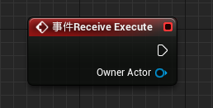

 | 3.Event Receive Execute 节点要有Finish Execute节点返回Success ，否则在行为树中该节点将无限等待。
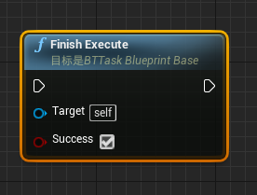

 | 4.执行逻辑编辑

