路径
GGameIni
 | D:/Project/MOW/Saved/Config/Windows/Game.ini

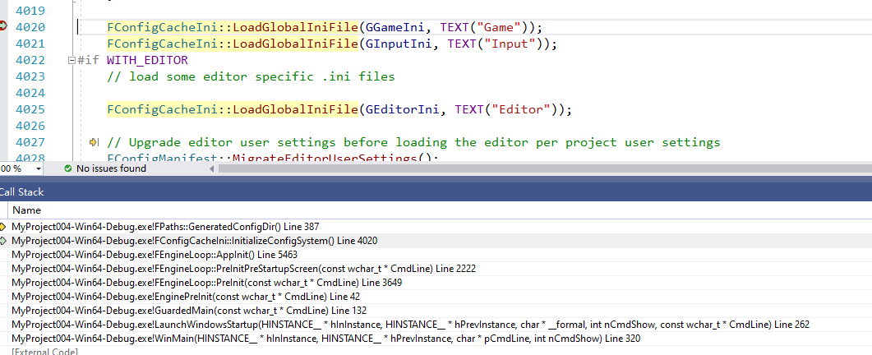
GInputIni
 | D:/Project/MOW/Saved/Config/Windows/Input.ini

GEditorIni
 | D:/Project/MOW/Saved/Config/Windows/Editor.ini

 |  | FConfigCacheIni::LoadGlobalIniFile(GGameIni, TEXT("Game"));
 |  | FConfigCacheIni::LoadGlobalIniFile(GInputIni, TEXT("Input"));
 |  | FConfigCacheIni::LoadGlobalIniFile(GEditorIni, TEXT("Editor"));

