整个引擎运行的流程图
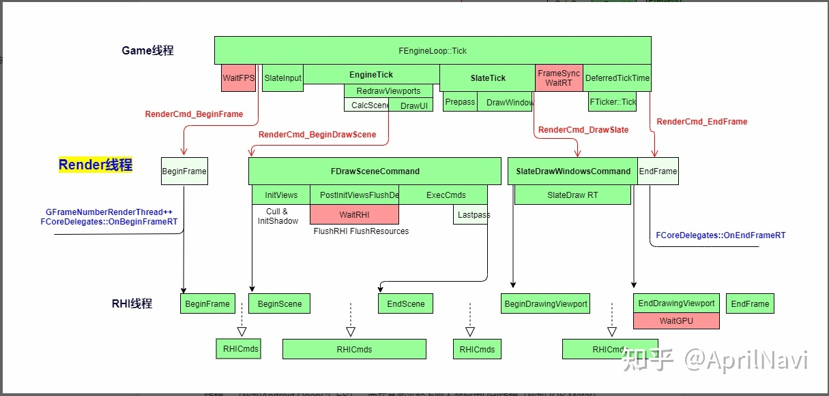
https://zhuanlan.zhihu.com/p/515547548

问题
一个Frame的时间，往往和GameThread。Draw，RHIT的耗时对应不上
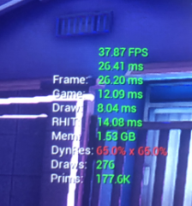
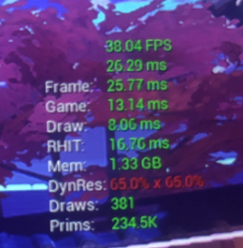

Game的逻辑处理并没有这么多耗时，Game+Draw也没有，其他的是怎么来的？？？？？其他什么操作引发了这个

