Sheet1
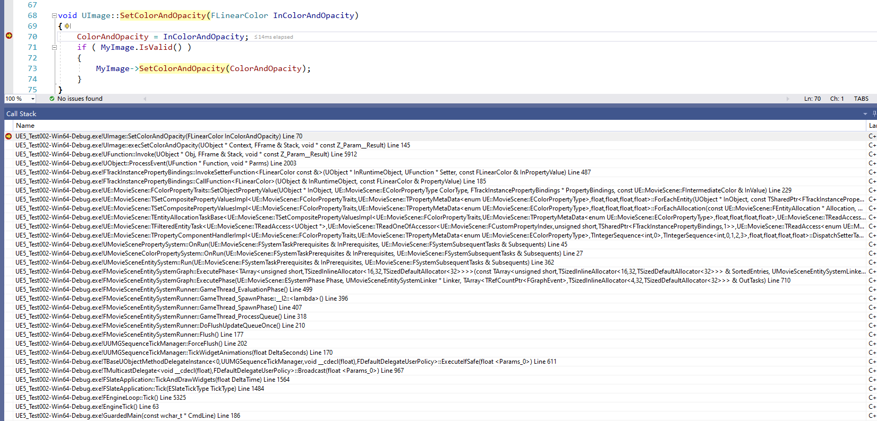
更新流程
 | 例如蓝图动画中设置Image的颜色

