Property
 | 属性，定义时通过属性标志来设置是否同步，例如 |  |  |  |  | !!!同步属性的RepIndex是在UClass::SetUpRuntimeReplicationData()设置
 |  | UPROPERTY(Replicated)
 |  | int m_a;
 | 这个仅仅是设置同步，还可以在GetLifetimeReplicatedProps里面设置具体的标志：例如不同步，只给自己Owner同步等等参数
 | 在FRepLayout::InitFromClass时调用GetLifetimeReplicatedProps设置

 | 启动运行时，注册所有类的信息

 |  | 该函数内部会构造Function和Property
 |  | UE4CodeGen_Private::ConstructUClass(OuterClass, Z_Construct_UClass_AMyActor_Statics::ClassParams);

 |  |  | 构造Uclass对象
 |  |  | UClass* NewClass = Params.ClassNoRegisterFunc();

 |  |  | 创建UFunction函数
 |  |  | NewClass->CreateLinkAndAddChildFunctionsToMap(Params.FunctionLinkArray, Params.NumFunctions);

 |  |  | 创建Property属性
 |  |  | ConstructFProperties(NewClass, Params.PropertyArray, Params.NumProperties);

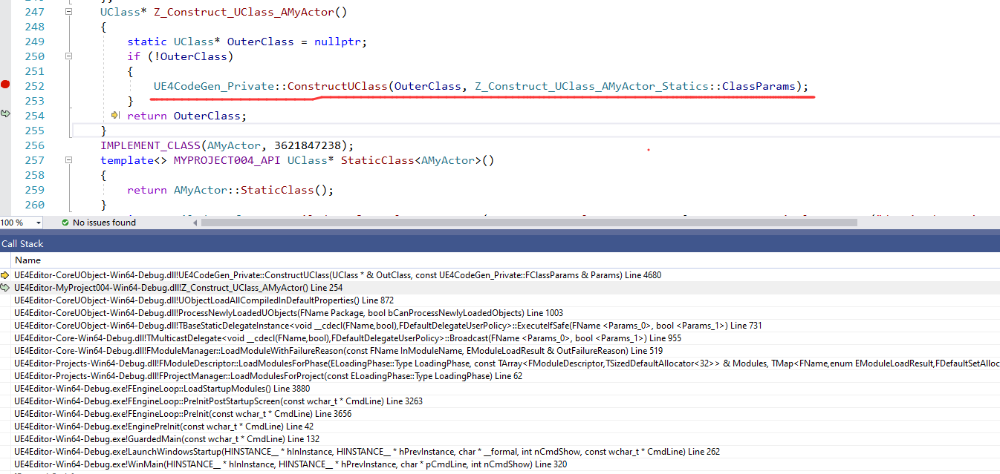

创建
 | 根据不同的类型，创建不同的Fproperty类
 | enum class EPropertyGenFlags : uint32
 |  | {
 |  |  | None = 0x00,

 |  |  | // First 5 bits are the property type
 |  |  | Byte = 0x00,
 |  |  | Int8 = 0x01,
 |  |  | Int16 = 0x02,
 |  |  | Int = 0x03,
 |  |  | Int64 = 0x04,
 |  |  | UInt16 = 0x05,
 |  |  | UInt32 = 0x06,
 |  |  | UInt64 = 0x07,
 |  |  | UnsizedInt = 0x08,
 |  |  | UnsizedUInt = 0x09,
 |  |  | Float = 0x0A,
 |  |  | Double = 0x0B,
 |  |  | Bool = 0x0C,
 |  |  | SoftClass = 0x0D,
 |  |  | WeakObject = 0x0E,
 |  |  | LazyObject = 0x0F,
 |  |  | SoftObject = 0x10,
 |  |  | Class = 0x11,
 |  |  | Object = 0x12,
 |  |  | Interface = 0x13,
 |  |  | Name = 0x14,
 |  |  | Str = 0x15,
 |  |  | Array = 0x16,
 |  |  | Map = 0x17,
 |  |  | Set = 0x18,
 |  |  | Struct = 0x19,
 |  |  | Delegate = 0x1A,
 |  |  | InlineMulticastDelegate = 0x1B,
 |  |  | SparseMulticastDelegate = 0x1C,
 |  |  | Text = 0x1D,
 |  |  | Enum = 0x1E,
 |  |  | FieldPath = 0x1F,

 |  |  | // Property-specific flags
 |  |  | NativeBool = 0x20
 |  | };

 |  | case EPropertyGenFlags::Byte:
 |  |  |  | {
 |  |  |  |  | const FBytePropertyParams* Prop = (const FBytePropertyParams*)PropBase;
 |  |  |  |  | NewProp = new FByteProperty(Outer, UTF8_TO_TCHAR(Prop->NameUTF8), Prop->ObjectFlags, Prop->Offset, Prop->PropertyFlags, Prop->EnumFunc ? Prop->EnumFunc() : nullptr);

 |  | #if WITH_METADATA
 |  |  |  |  | MetaDataArray = Prop->MetaDataArray;
 |  |  |  |  | NumMetaData = Prop->NumMetaData;
 |  | #endif
 |  |  |  | }
 |  |  |  | break;

 |  |  |  | case EPropertyGenFlags::Int8:
 |  |  |  | {
 |  |  |  |  | const FInt8PropertyParams* Prop = (const FInt8PropertyParams*)PropBase;
 |  |  |  |  | NewProp = new FInt8Property(Outer, UTF8_TO_TCHAR(Prop->NameUTF8), Prop->ObjectFlags, Prop->Offset, Prop->PropertyFlags);

 |  | #if WITH_METADATA
 |  |  |  |  | MetaDataArray = Prop->MetaDataArray;
 |  |  |  |  | NumMetaData = Prop->NumMetaData;
 |  | #endif
 |  |  |  | }
 |  |  |  | break;

