渲染
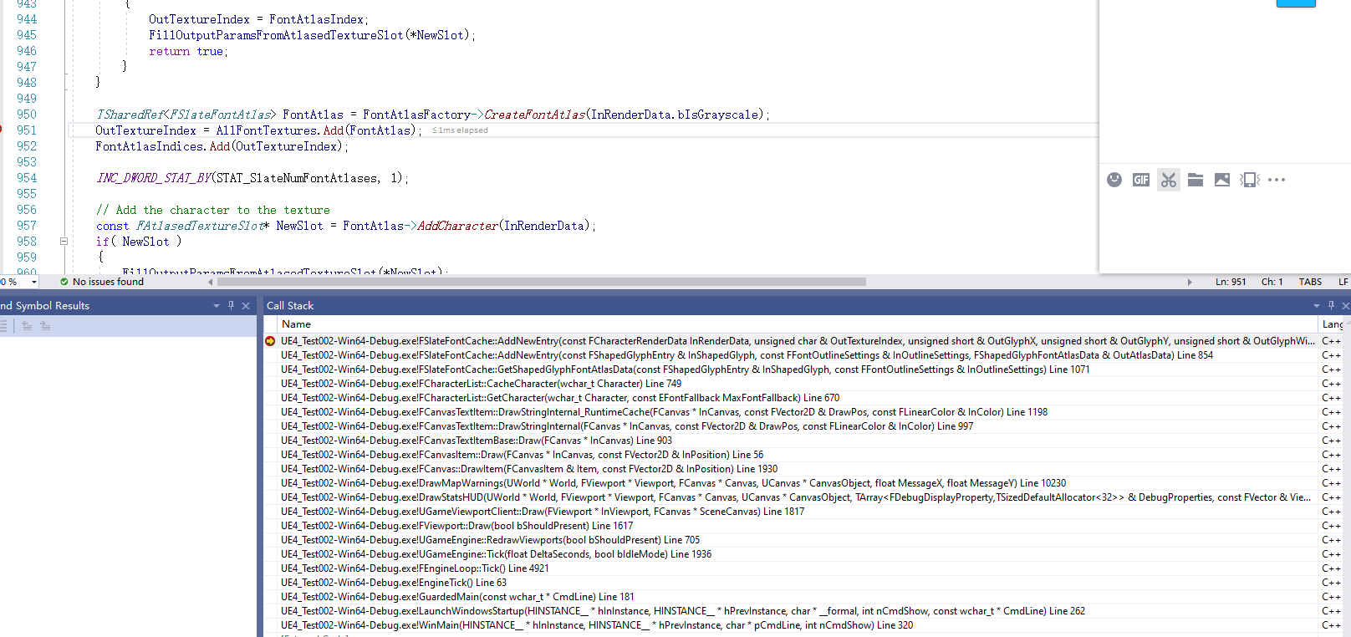
字体最后都是通过转成Texture来渲染的

