基本原理
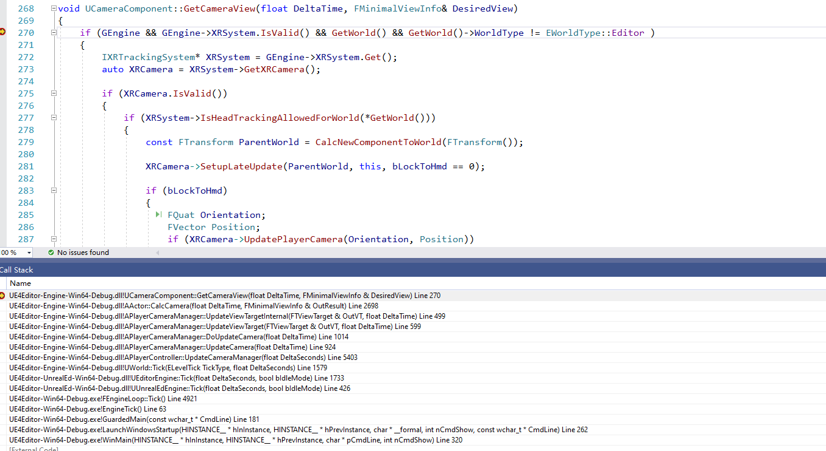
 | 渲染用的是LocalPlayer->PlayerController里面的PlayerCameraManager
 | LocalPlayer->PlayerController里面的PlayerCameraManager怎么和玩家身上的CameraComponent结合？？！！

！！！！ | 原理说明：
 | 1 | LocalPlayer->PlayerController->PlayerCameraManager仅仅和渲染有关系
 | 2 | LocalPlayer->PlayerController->PlayerCameraManager的数据，完全都是通过对应Pawn上的CameraComponent计算得到的信息
 | 3 | 实际上的Camera就是玩家身上绑定的CameraComponent

 | PlayerCameramanager里面的Update会扫描玩家的CameraComponent

