握手
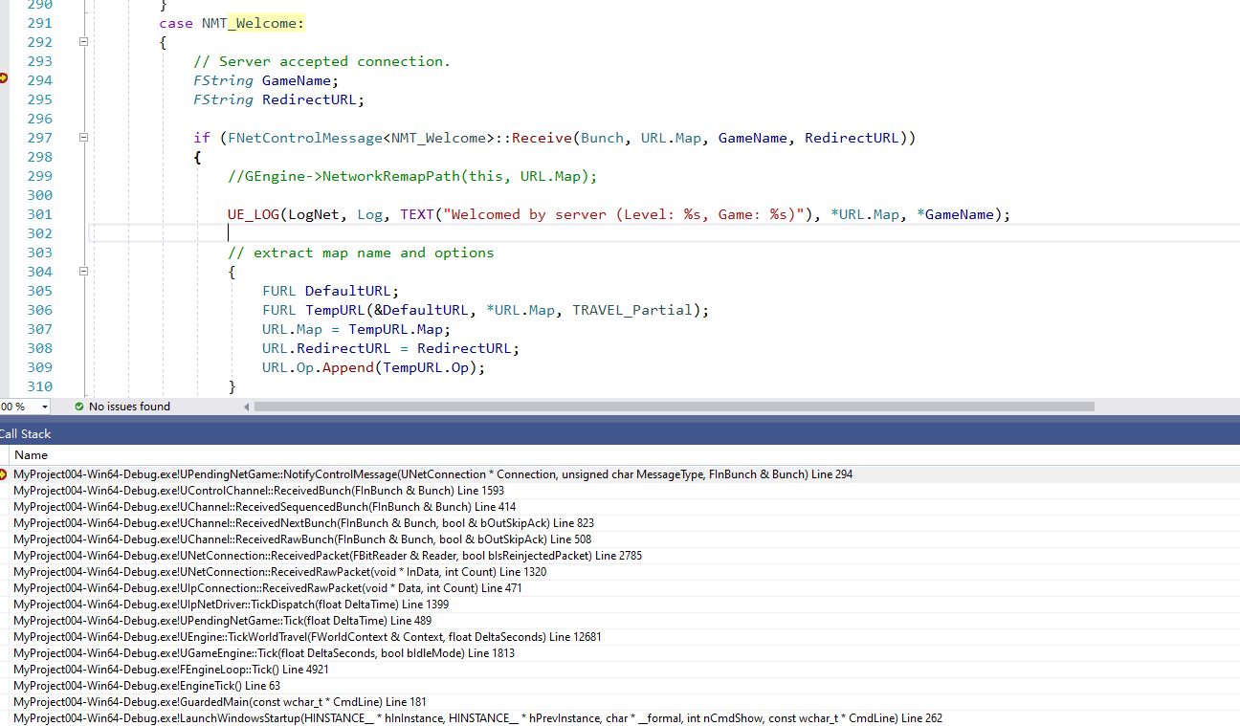
例如CMD： | open 127.0.0.1

服务器返回消息包处理
 | 握手包的返回处理
 | void StatelessConnectHandlerComponent::Incoming(FBitReader& Packet)
 |  | 根据Timestamp设置不同的状态，发不同的反馈包
 |  | 返回ChallengeResponse

 |  |  |  |  |  |  |  |  |  |  | 在Incoming中判断是否为服务器的challenge Ack消息包
 | ！！！！ | 注意，收到challenge ack之后就Initialized |  |  |  |  |  |  |  |  | void StatelessConnectHandlerComponent::Incoming(FBitReader& Packet)
 |  | 然后到void UPendingNetGame::SendInitialJoin() |  |  |  |  |  |  |  |  |  | 如果是调用Initialized();
 |  |  | 发送NMT_Hello消息包 |  |  |  |  |  |  |  |  | 内部会触发事件回调，调用SendInialJoin

发起握手流程

 | 初始化
 |  | void UEngine::TickWorldTravel(FWorldContext& Context, float DeltaSeconds)
 |  |  | if (Browse( Context, FURL(&Context.LastURL,*TravelURLCopy,(ETravelType)Context.TravelType), Error ) == EBrowseReturnVal::Failure)
 |  | EBrowseReturnVal::Type UEngine::Browse( FWorldContext& WorldContext, FURL URL, FString& Error )

 |  |  | if( URL.IsLocalInternal() )
 |  |  |  | 本地的模式，直接加载地图
 |  |  |  | return LoadMap( WorldContext, URL, NULL, Error ) ? EBrowseReturnVal::Success : EBrowseReturnVal::Failure;
 |  |  | else if( URL.IsInternal() && GIsClient )
 |  |  |  | 销毁当前的PendingNetGame
 |  |  |  | // Network URL.
 |  |  |  | if( WorldContext.PendingNetGame )
 |  |  |  | {
 |  |  |  |  | CancelPending(WorldContext);
 |  |  |  | }
 |  |  |  | 销毁NetDriver
 |  |  |  | // Clean up the netdriver/socket so that the pending level succeeds
 |  |  |  | if (WorldContext.World() && ShouldShutdownWorldNetDriver())
 |  |  |  | {
 |  |  |  |  | ShutdownWorldNetDriver(WorldContext.World());
 |  |  |  | }
 |  |  |  | 创建PendingNetGame，所谓WorldContext对象
 |  |  |  | WorldContext.PendingNetGame = NewObject<UPendingNetGame>();
 |  |  |  | WorldContext.PendingNetGame->Initialize(URL); //-V595
 |  |  |  | 创建NetDriver
 |  |  |  | WorldContext.PendingNetGame->InitNetDriver(); //-V595

 |  |  |  |  |  |  | 创建和初始化NetDriver
 |  |  |  |  |  |  | void UPendingNetGame::InitNetDriver()
 |  |  |  |  |  |  |  | 创建NetDriver
 |  |  |  |  |  |  |  | // Try to create network driver.
 |  |  |  |  |  |  |  | if (GEngine->CreateNamedNetDriver(this, NAME_PendingNetDriver, NAME_GameNetDriver))
 |  |  |  |  |  |  |  | {
 |  |  |  |  |  |  |  |  | NetDriver = GEngine->FindNamedNetDriver(this, NAME_PendingNetDriver);
 |  |  |  |  |  |  |  | }
 |  |  |  |  |  |  |  | 初始化Connect

 |  |  |  |  |  |  |  | if( NetDriver->InitConnect( this, URL, ConnectionError ) )

 |  |  |  |  |  |  |  |  |  | bool UIpNetDriver::InitConnect( FNetworkNotify* InNotify, const FURL& ConnectURL, FString& Error )
 |  |  |  |  |  |  |  |  |  |  | 内部创建和绑定SOCKET |  |  |  |  |  | ！！！SOCKET绑定在这个地方
 |  |  |  |  |  |  |  |  |  |  | if( !InitBase( true, InNotify, ConnectURL, false, Error ) ) |  |  |  |  |  | ！！！这个里面会设置UDP得发送接收缓冲区，这个对UDP没用

 |  |  |  |  |  |  |  |  |  |  | 创建NetConnection，默认就是ipconnection
 |  |  |  |  |  |  |  |  |  |  | ServerConnection = NewObject<UNetConnection>(GetTransientPackage(), NetConnectionClass);
 |  |  |  |  |  |  |  |  |  |  | UIpConnection* IPConnection = CastChecked<UIpConnection>(ServerConnection);

 |  |  |  |  |  |  |  |  |  |  | 初始化客户端Channels；这个时候只有两个 |  |  |  |  | ！！！！
 |  |  |  |  |  |  |  |  |  |  | 1：ContorlChannel
 |  |  |  |  |  |  |  |  |  |  | 2：VoiceChannel
 |  |  |  |  |  |  |  |  |  |  | CreateInitialClientChannels(); |  |  |  | UNetConnection
 |  |  |  |  |  |  |  |  |  |  |  |  |  |  |  | TArray<UChannel*> Channels; | 通道列表 | ！！！

 | TICK中更新发包

 |  | void UEngine::TickWorldTravel(FWorldContext& Context, float DeltaSeconds)
 |  |  | if( Context.PendingNetGame )
 |  |  | {
 |  |  |  | Context.PendingNetGame->Tick( DeltaSeconds );
 |  |  | }
 |  | void UPendingNetGame::Tick( float DeltaTime )

 |  |  | NetDriver->TickDispatch(DeltaTime);
 |  |  | if (NetDriver)
 |  |  | {
 |  |  |  | NetDriver->PostTickDispatch();
 |  |  | }

 |  |  | if (NetDriver)
 |  |  | {
 |  |  |  | 这个里面发包
 |  |  |  | NetDriver->TickFlush(DeltaTime);
 |  |  | }

 |  |  | if (NetDriver)
 |  |  | {
 |  |  |  | NetDriver->PostTickFlush();
 |  |  | }

 |  | void UNetDriver::TickFlush(float DeltaSeconds)

 |  |  | // Poll all sockets.
 |  |  | if( ServerConnection )
 |  |  | {
 |  |  |  | // Queue client voice packets in the server's voice channel
 |  |  |  | ProcessLocalClientPackets();
 |  |  |  | ServerConnection->Tick(DeltaSeconds);
 |  |  | }

 |  | void UIpConnection::Tick(float DeltaSeconds)
 |  |  | 里面不断的判断ResolutionState
 |  |  | if (ResolutionState == EAddressResolutionState::TryNextAddress)
 |  |  |  | ResolutionState = EAddressResolutionState::Connecting; |  |  |  |  |  |  | ！！！注意，这里没有判断Connecting
 |  |  | else if (ResolutionState == EAddressResolutionState::Connected)
 |  |  |  | ResolutionState = EAddressResolutionState::Done;
 |  |  | else if (ResolutionState == EAddressResolutionState::Error)
 |  |  |  | ResolutionState = EAddressResolutionState::Done;
 |  |  | 继续父类的判断
 |  |  | Super::Tick(DeltaSeconds);

 |  | void UNetConnection::Tick(float DeltaSeconds)
 |  |  | Handler->Tick(FrameTime);

 |  | void PacketHandler::Tick(float DeltaTime)
 |  |  | for (const TSharedPtr<HandlerComponent>& Component : HandlerComponents) |  |  |  |  |  |  |  |  |  | ！！！
 |  |  | { |  |  |  |  |  |  |  |  |  | StatelessConnectHandlerComponent
 |  |  |  | if (Component.IsValid())
 |  |  |  | {
 |  |  |  |  | Component->Tick(DeltaTime);
 |  |  |  | }
 |  |  | }

 |  | void StatelessConnectHandlerComponent::Tick(float DeltaTime)
 |  |  | 有超时机制，有状态机制，按照状态进行发包
 |  |  | if (Handler->Mode == Handler::Mode::Client)
 |  |  | {
 |  |  |  | if (State != Handler::Component::State::Initialized && LastClientSendTimestamp != 0.0)
 |  |  |  | {
 |  |  |  |  | double LastSendTimeDiff = FPlatformTime::Seconds() - LastClientSendTimestamp;

 |  |  |  |  | if (LastSendTimeDiff > 1.0)
 |  |  |  |  | {
 |  |  |  |  |  | const bool bRestartChallenge = Driver != nullptr && ((Driver->GetElapsedTime() - LastChallengeTimestamp) > MIN_COOKIE_LIFETIME);
 |  |  |  |  |  | 超时判断，这块真叼
 |  |  |  |  |  | if (bRestartChallenge)
 |  |  |  |  |  | {
 |  |  |  |  |  |  | SetState(Handler::Component::State::UnInitialized);
 |  |  |  |  |  | }

 |  |  |  |  |  | if (State == Handler::Component::State::UnInitialized)
 |  |  |  |  |  | {
 |  |  |  |  |  |  | UE_LOG(LogHandshake, Verbose, TEXT("Initial handshake packet timeout - resending."));
 |  |  |  |  |  |  | 发送开始握手包
 |  |  |  |  |  |  | NotifyHandshakeBegin();
 |  |  |  |  |  | }
 |  |  |  |  |  | else if (State == Handler::Component::State::InitializedOnLocal && LastTimestamp != 0.0)
 |  |  |  |  |  | {
 |  |  |  |  |  |  | UE_LOG(LogHandshake, Verbose, TEXT("Challenge response packet timeout - resending."));
 |  |  |  |  |  |  | 发送反馈包
 |  |  |  |  |  |  | SendChallengeResponse(LastSecretId, LastTimestamp, LastCookie);
 |  |  |  |  |  | }
 |  |  |  |  | }
 |  |  |  | }
 |  |  | }

 | TICK中收包
 |  | void UIpNetDriver::TickDispatch(float DeltaTime)
 |  |  | 收包
 |  |  | // Process all incoming packets
 |  |  | for (FPacketIterator It(this); It; ++It) |  |  |  |  |  |  | ！！！不断的收包
 |  |  | {
 |  |  |  | FReceivedPacketView ReceivedPacket;
 |  |  |  | FInPacketTraits& ReceivedTraits = ReceivedPacket.Traits;
 |  |  |  | bool bOk = It.GetCurrentPacket(ReceivedPacket);

 |  |  |  | 消息包处理 |  |  |  |  |  |  |  |  |  |  | ！！！
 |  |  |  | Connection->ReceivedRawPacket((uint8*)ReceivedPacket.DataView.GetData(), ReceivedPacket.DataView.NumBytes()); |  |  |  |  |  |  |  |  |  |  | 对客户端来说就是收到消息后调用Connect的收包处理；服务器牵扯到握手，做的事情更多
 |  |  | }

 |  | void UIpConnection::ReceivedRawPacket(void* Data, int32 Count)
 |  |  | Super::ReceivedRawPacket(Data, Count);
 |  | void UNetConnection::ReceivedRawPacket( void* InData, int32 Count )

 |  | 1 | 消息包处理
 |  |  | if (Handler.IsValid())
 |  |  |  | const ProcessedPacket UnProcessedPacket = Handler->Incoming(Data, Count); |  |  |  |  |  |  |  |  |  | ！！！握手阶段的消息包处理

 |  | 2 | 消息包处理
 |  |  | ReceivedPacket(Reader);

 |  | void UNetConnection::ReceivedPacket( FBitReader& Reader, bool bIsReinjectedPacket)
 |  |  | 获取对应的channel
 |  |  | UChannel* Channel = Channels[Bunch.ChIndex]; |  |  |  |  |  |  |  |  | switch (ChType)
 |  |  |  |  |  |  |  |  |  |  |  | {
 |  |  | Channel处理消息包 |  |  |  |  |  |  |  |  |  | case CHTYPE_Control:
 |  |  | Channel->ReceivedRawBunch( Bunch, bLocalSkipAck ); //warning: May destroy channel. |  |  |  |  |  |  |  |  |  |  | Bunch.ChName = NAME_Control;
 |  |  |  |  |  |  |  |  |  |  |  |  |  | break;
 |  |  |  |  |  |  |  |  |  |  |  |  | case CHTYPE_Voice:
 |  |  |  |  |  |  |  |  |  |  |  |  |  | Bunch.ChName = NAME_Voice;
 |  |  |  |  |  |  |  |  |  |  |  |  |  | break;
 |  |  |  |  |  |  |  |  |  |  |  |  | case CHTYPE_Actor:
 |  |  |  |  |  |  |  |  |  |  |  |  |  | Bunch.ChName = NAME_Actor;
 |  |  |  |  |  |  |  |  |  |  |  |  |  | break;
 |  |  |  |  |  |  |  |  |  |  |  |  | break;
 |  |  |  |  |  |  |  |  |  |  |  | }

 |  |  |  |  |  |  |  |  |  | 处理过程

连接流程
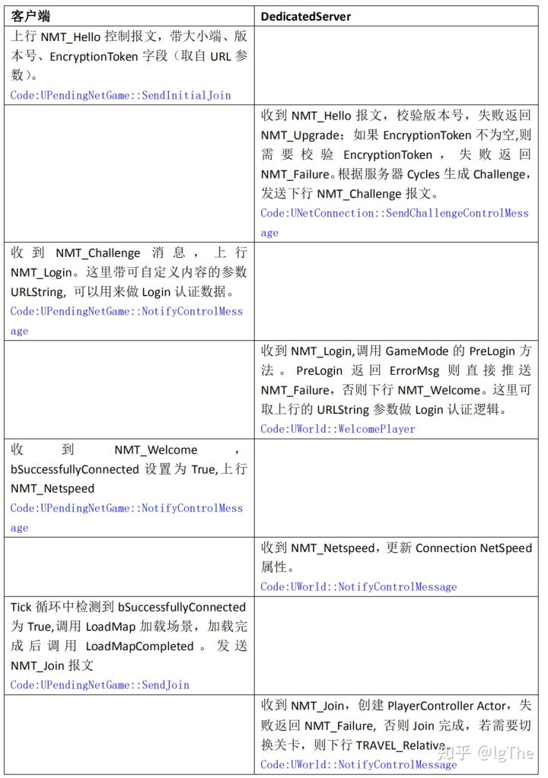

连接流程：

跳转场景 | LoadMap

 | void FEngineLoop::Tick()
 |  | GEngine->Tick(FApp::GetDeltaTime(), bIdleMode);
 | void UGameEngine::Tick( float DeltaSeconds, bool bIdleMode )
 |  | TickWorldTravel(Context, DeltaSeconds);
 | void UEngine::TickWorldTravel(FWorldContext& Context, float DeltaSeconds)
 |  | 注意，这个地方就是看的UPendingNetGame对象 |  |  | ！！！
 |  | // Update the pending level.
 |  | if( Context.PendingNetGame )
 |  |  | 条件判断
 |  |  | 在PendingNetGame.cpp收到消息包NMT_Welcome后设置URL和bSuccessfullyConnected
 |  |  | if (Context.PendingNetGame && Context.PendingNetGame->bSuccessfullyConnected && !Context.PendingNetGame->bSentJoinRequest && (Context.OwningGameInstance == NULL || !Context.OwningGameInstance->DelayPendingNetGameTravel()))
 |  |  |  | 加载目标地图
 |  |  |  | const bool bLoadedMapSuccessfully = LoadMap(Context, Context.PendingNetGame->URL, Context.PendingNetGame, Error);

 |  | 加载完地图的成功回调
 |  | Context.PendingNetGame->LoadMapCompleted(this, Context, bLoadedMapSuccessfully, Error);

 |  | void UPendingNetGame::LoadMapCompleted(UEngine* Engine, FWorldContext& Context, bool bLoadedMapSuccessfully, const FString& LoadMapError)
 |  |  | 发送Join消息包？？？
 |  |  | Context.PendingNetGame->SendJoin();

同步
 |  | 不仅仅是包含属性设置，包括对象赋值也是（对象本地会通过协议先创建，然后通过反射设置）
DS和客户端的同步

 |  |  |  |  |  |  |  | 例如通过消息，设置客户端的PlayerController中的PlayerState
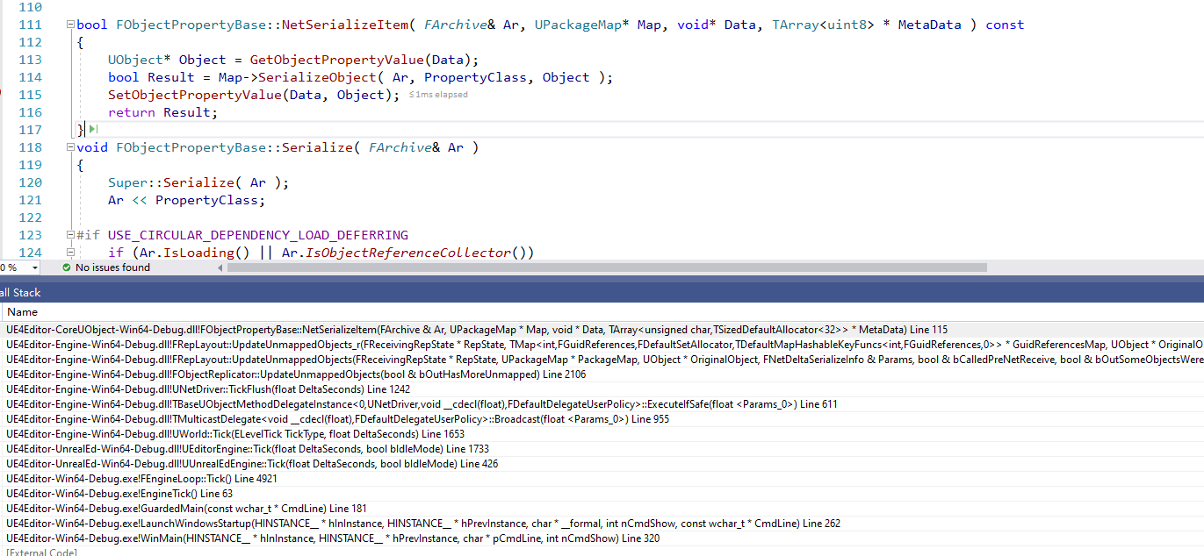
收包

处理
 | void UNetDriver::TickFlush(float DeltaSeconds)
 |  | // Go over recently imported network guids, and see if there are any replicators that need to map them
 |  | TSet< FNetworkGUID >& ImportedNetGuids = GuidCache->ImportedNetGuids;

 |  | 插入到NewlyMappedGuids
 |  |  | NewlyMappedGuids.Add( NetworkGuid );

 |  | 遍历NewlyMappedGuids，从GuidToReplicatorMap找到对应的FObjectReplicator，放入列表AllReplicators
 |  |  | for ( const FNetworkGUID& NetGuid : NewlyMappedGuids )
 |  |  | {
 |  |  |  | TSet< FObjectReplicator* >* Replicators = GuidToReplicatorMap.Find( NetGuid );
 |  |  |  | if ( Replicators )
 |  |  |  | {
 |  |  |  |  | AllReplicators.Append( *Replicators );
 |  |  |  | }
 |  |  | }
 |  |  | for ( FObjectReplicator* Replicator : AllReplicators )
 |  |  | {
 |  |  |  | if ( UnmappedReplicators.Contains( Replicator ) )
 |  |  |  | {
 |  |  |  |  | bool bHasMoreUnmapped = false;
 |  | ！！！ |  |  | Replicator->UpdateUnmappedObjects( bHasMoreUnmapped );
 |  |  |  |  | if ( !bHasMoreUnmapped )
 |  |  |  |  | {
 |  |  |  |  |  | UnmappedReplicators.Remove( Replicator );
 |  |  |  |  | }
 |  |  |  | }
 |  |  | }

 | FObjectReplicator内部包含其关联的Object对象，例如PlayerController
 | void FObjectReplicator::UpdateUnmappedObjects(bool & bOutHasMoreUnmapped)

 |  | 收到的赋值信息
 |  | 内部的RepState->GuidReferencesMap很重要，保存了赋值涉及的信息，后续遍历进行操作 |  |  |  |  |  | ！！！
 |  | // Since RepNotifies aren't processed while a channel has queued bunches, don't assert in that case.
 |  | FReceivingRepState* ReceivingRepState = RepState->GetReceivingRepState();
 |  | 调用
 |  | LocalRepLayout.UpdateUnmappedObjects(ReceivingRepState, Connection->PackageMap, Object, Parms, bCalledPreNetReceive, bSomeObjectsWereMapped, bOutHasMoreUnmapped);

 | void FRepLayout::UpdateUnmappedObjects_r(
 |  | 设置属性 |  |  |  |  | ！！！
 |  | Cmd.Property->NetSerializeItem(Reader, PackageMap, Data + AbsOffset);

销毁对象
可同步对象的销毁，主要还是依赖于服务器下发的Bunch来销毁的

bool UChannel::ReceivedSequencedBunch( FInBunch& Bunch )
 | 非关闭销毁，则处理
 | if ( !Closing )
 | {
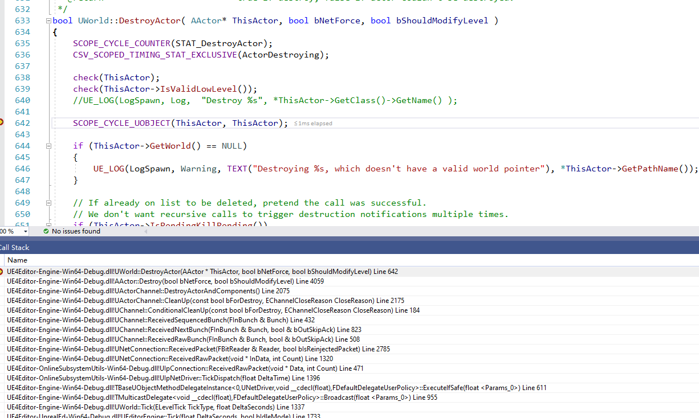
 |  | ReceivedBunch( Bunch );
 | }

 | 关闭的Bunch，则处理关闭
 | // We have fully received the bunch, so process it.
 | if( Bunch.bClose )
 | {
 |  | Dormant = (Bunch.CloseReason == EChannelCloseReason::Dormancy);

 |  | // Handle a close-notify.
 |  | if( InRec )
 |  | {
 |  |  | ensureMsgf(false, TEXT("Close Anomaly %i / %i"), Bunch.ChSequence, InRec->ChSequence );
 |  | }

 |  | if ( ChIndex == 0 )
 |  | {
 |  |  | UE_LOG(LogNet, Log, TEXT("UChannel::ReceivedSequencedBunch: Bunch.bClose == true. ChIndex == 0. Calling ConditionalCleanUp.") );
 |  | }

 |  | UE_LOG(LogNetTraffic, Log, TEXT("UChannel::ReceivedSequencedBunch: Bunch.bClose == true. Calling ConditionalCleanUp. ChIndex: %i Reason: %s"), ChIndex, LexToString(Bunch.CloseReason));
 |  | 关闭处理
 |  | ConditionalCleanUp(false, Bunch.CloseReason);
 |  | return true;
 | }

void UChannel::ConditionalCleanUp( const bool bForDestroy, EChannelCloseReason CloseReason )
 | 调用Channel的CleanUp
 | if ( CleanUp( bForDestroy, CloseReason ) )

bool UActorChannel::CleanUp(const bool bForDestroy, EChannelCloseReason CloseReason)
 | 判断，如果是客户端才进行销毁处理，且根据不同的类型
 | // If we're the client, destroy this actor.
 | if (!bIsServer)
 | 当前Actor不为空
 | if (Actor != NULL)
 |  | 挂断类型的处理
 |  | if (Actor->GetTearOff() && !Connection->Driver->ShouldClientDestroyTearOffActors())
 |  | {
 |  |  | if (!bTornOff)
 |  |  | {
 |  |  |  | Actor->SetRole(ROLE_Authority);
 |  |  |  | Actor->SetReplicates(false);
 |  |  |  | bTornOff = true;
 |  |  |  | if (Actor->GetWorld() != NULL && !IsEngineExitRequested())
 |  |  |  | {
 |  |  |  |  | Actor->TornOff();
 |  |  |  | }

 |  |  |  | Connection->Driver->NotifyActorTornOff(Actor);
 |  |  | }
 |  | }
 |  | 静止类型的处理
 |  | else if (Dormant && (CloseReason == EChannelCloseReason::Dormancy) && !Actor->GetTearOff())
 |  | {
 |  |  | Actor->NetDormancy = DORM_DormantAll;

 |  |  | Connection->Driver->NotifyActorFullyDormantForConnection(Actor, Connection);
 |  |  | bWasDormant = true;
 |  | }
 |  | 销毁类型处理
 |  | else if (!Actor->bNetTemporary && Actor->GetWorld() != NULL && !IsEngineExitRequested() && Connection->Driver->ShouldClientDestroyActor(Actor))
 |  | {
 |  |  | UE_LOG(LogNetDormancy, Verbose, TEXT("UActorChannel::CleanUp: Destroying Actor. %s"), *Describe() );
 |  |  | 销毁
 |  |  | DestroyActorAndComponents(); |  |  |  | ！！！实现逻辑
 |  | }

void UActorChannel::DestroyActorAndComponents()
 | 销毁对象
 | // Destroy the actor
 | if (Actor != nullptr)
 | {
 |  | // Unmap any components in this actor. This will make sure that once the Actor is remapped
 |  | // any references to components will be remapped as well.
 |  | for (UActorComponent* Component : Actor->GetComponents())
 |  | {
 |  |  | MoveMappedObjectToUnmapped(Component);
 |  | }

 |  | // Unmap this object so we can remap it if it becomes relevant again in the future
 |  | MoveMappedObjectToUnmapped(Actor);

 |  | Actor->PreDestroyFromReplication();
 |  | Actor->Destroy(true); |  |  |  | ！！！销毁处理
 | }

AGameStateBase
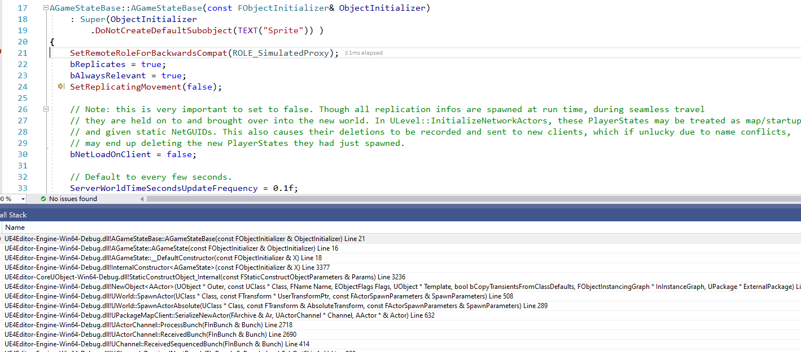
其从属于World，是World的一个变量
 | UCLASS(customConstructor, config=Engine)
 | class ENGINE_API UWorld final : public UObject, public FNetworkNotify
 | 成员变量
 |  | /** The NAME_GameNetDriver game connection(s) for client/server communication */
 |  | UPROPERTY(Transient)
 |  | class UNetDriver* | NetDriver; | ！！！从属于World

 |  | /** The current GameMode, valid only on the server */
 |  | UPROPERTY(Transient)
 |  | class AGameModeBase* | AuthorityGameMode; | ！！！从属于World |  | 客户端模式下没有，主要进行PreLogin和Login等判断的

 |  | /** The replicated actor which contains game state information that can be accessible to clients. Direct access is not allowed, use GetGameState<>() */
 |  | UPROPERTY(Transient)
 |  | class AGameStateBase* | GameState; | ！！！从属于World

 | UCLASS(config=Game, notplaceable, BlueprintType, Blueprintable)
 | class ENGINE_API AGameStateBase : public AInfo

 |  | 成员
 |  | /** Array of all PlayerStates, maintained on both server and clients (PlayerStates are always relevant) */
 |  | UPROPERTY(Transient, BlueprintReadOnly, Category=GameState)
 |  | TArray<APlayerState*> | PlayerArray; |  | ！！！客户端的GameState里面保存了所有的PlayerState

客户端创建
 | ！！！！注意，仅仅是这个地方不依赖于GameMode创建了，但是会通过协议让客户端创建

PlayerController
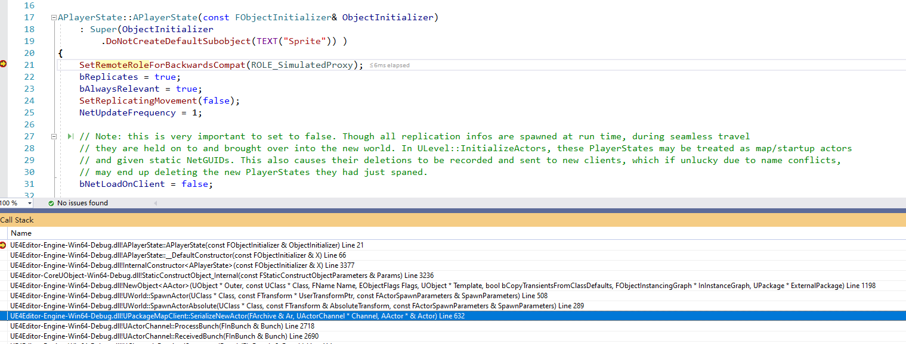
主要问题
1 | 何时创建自己的PlayerController??? | 因为在基类里面设置了：bOnlyRelevantToOwner = true;所以只同步给自己
2 | 别的玩家会创建吗？
3 | PlayerState和PlayerController怎么结合？？
4 | 何时创建对应的PAWN？？ |  | ！！！
 |  |  | 该流程会释放LocalPlayer身上的PlayerController；重新和新的PlayerController绑定
 |  |  | void UActorChannel::ReceivedBunch( FInBunch & Bunch )
 |  |  |  | ProcessBunch(Bunch);
 |  |  | void UActorChannel::ProcessBunch( FInBunch & Bunch )
 |  |  |  | NotifyActorChannelOpen(Actor, Bunch);
！！！ | PlayerController是针对玩家自己的，所以只会为自己创建，别的玩家不是 |  | void UActorChannel::NotifyActorChannelOpen(AActor* InActor, FInBunch& InBunch)
 |  |  |  | Actor->OnActorChannelOpen(InBunch, Connection);
 |  |  | void APlayerController::OnActorChannelOpen(FInBunch& InBunch, UNetConnection* Connection)
 |  |  | void UNetConnection::HandleClientPlayer( APlayerController *PC, UNetConnection* NetConnection )

