多语言实现方式-NSLOCTEXT
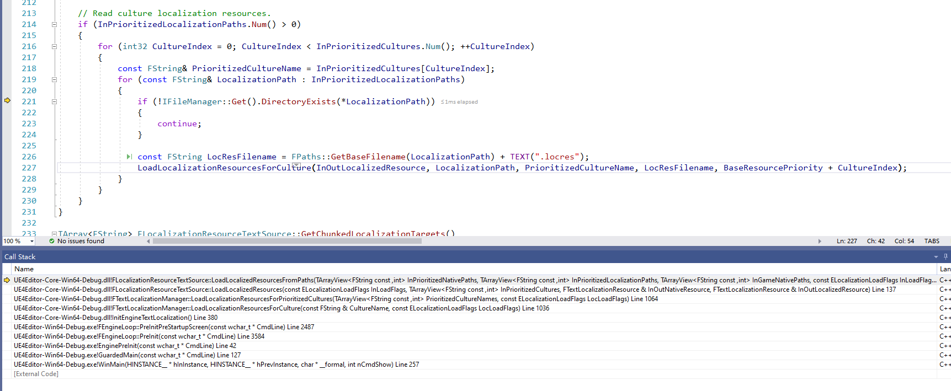
多语言基本可以认为两种方式：1是代码里面写死，然后扫描 2是使用Stringtable

 | 1 | 扫描代码（在代码里面写死了文字）
 |  |  | 找到NSLOCTEXT或LOCTEXT宏定义的文字，收集到自己替换

 |  |  | const FText TitleText = NSLOCTEXT("Paper2D", "Paper2D_ExtractSprites", "Extract sprites");

 |  | NSLOCTEXT
 |  |  | #define NSLOCTEXT(InNamespace, InKey, InTextLiteral)
 |  |  |  | FInternationalization::ForUseOnlyByLocMacroAndGraphNodeTextLiterals_CreateText(TEXT(InTextLiteral), TEXT(InNamespace), TEXT(InKey))

 |  |  | FText FInternationalization::ForUseOnlyByLocMacroAndGraphNodeTextLiterals_CreateText(const TCHAR* InTextLiteral, const TCHAR* InNamespace, const TCHAR* InKey)
 |  |  | {
 |  |  |  | return FTextCache::Get().FindOrCache(InTextLiteral, InNamespace, InKey);
 |  |  | }
 |  |  | FText FTextCache::FindOrCache(const TCHAR* InTextLiteral, const TCHAR* InNamespace, const TCHAR* InKey)
 |  |  | {
 |  |  |  | 先查询Cache，Cache有则直接返回
 |  |  |  | Cache没有则创建
 |  |  |  | FText NewText = FText(InTextLiteral, TextId.GetNamespace(), TextId.GetKey(), ETextFlag::Immutable); |  | !!!注意这个构造方式
 |  |  |  | return NewText;
 |  |  | }

 |  |  | ！！！注意看这个构造方式！！！
 |  |  | 在构造的时候已经直接设置好了DisplayString！！！！
 | UE4.27及之前 |  | FText::FText( FString&& InSourceString, const FTextKey& InNamespace, const FTextKey& InKey, uint32 InFlags )
 |  |  |  | : TextData(new TLocalizedTextData<FTextHistory_Base>(FTextLocalizationManager::Get().GetDisplayString(InNamespace, InKey, &InSourceString))) |  |  | TLocalizedTextData
 |  |  |  | , Flags(InFlags) |  |  | FTextHistory_Base
 |  |  | { |  |  |  | FTextLocalizationManager::Get().GetDisplayString(InNamespace, InKey, &InSourceString)
 |  |  |  | TextData->SetTextHistory(FTextHistory_Base(MoveTemp(InSourceString))); |  |  | 从FTextLocalizationManager获取多语言TEXT
 |  |  | }

 | UE5 |  | ！！！注意看这个构造方式！！！
 |  |  | 构造的时候并没有设置好DisplayString，而是在稍后的void FTextHistory_Base::UpdateDisplayString()里面设置
 |  |  | 在Ftext的tostring里面会调用Rebuild，里面会调用Update那个更新
 |  |  | FText::FText( FString&& InSourceString, const FTextKey& InNamespace, const FTextKey& InKey, uint32 InFlags )
 |  |  |  | : TextData(MakeShared<FTextHistory_Base, ESPMode::ThreadSafe>(FTextId(InNamespace, InKey), MoveTemp(InSourceString)))
 |  |  |  | , Flags(InFlags)
 |  |  | {
 |  |  | }

 |  |  | 读取文件的实现接口
 |  |  | bool FTextLocalizationResource::LoadFromArchive(FArchive& Archive, const FTextKey& LocResID, const int32 Priority)
 |  |  |  |  | Archive对应的文件名=../../../../../UEProject/UE5_Test002/Content/Localization/Game/zh/Game.locres

 |  | 初始化时，加载引擎目录下面的制定文件

Sheet1
