文本设置时机
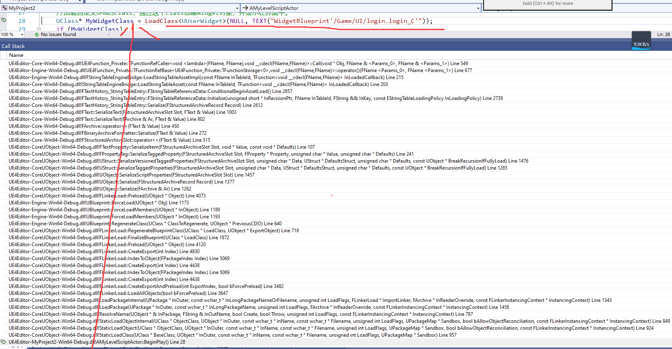
文本设置时机：

 | 在编辑器里面设置Stringtable方式：
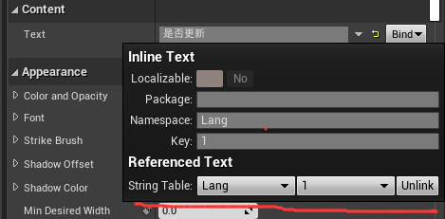

 | UMG加载时设置：

文本更新时机
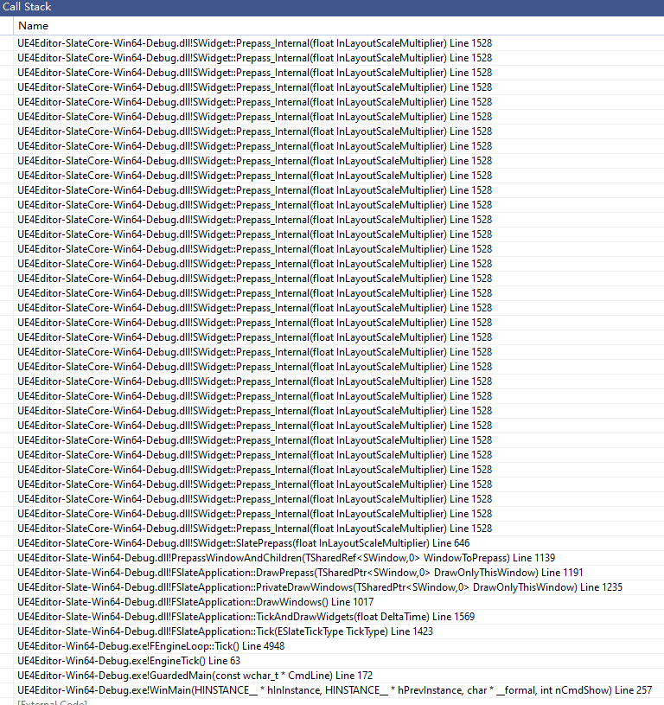
当多语言Fstringtable切换时，配置的UMG里面的textBlock文本也会发生变化

 | 最终在计算大小的时候，发现有变化了，则会重新设置Text
 |  | FVector2D STextBlock::ComputeDesiredSize(float LayoutScaleMultiplier) const

 | 如果仅仅是删除Stringtable，不会触发UpdateTextlayout，也就不会更新文字

 | 注意这个MarShaler，类型是FPlainTextLayoutMarshaller |  | 数据是存在于FSlateTextBlockLayout::TextLayout里面

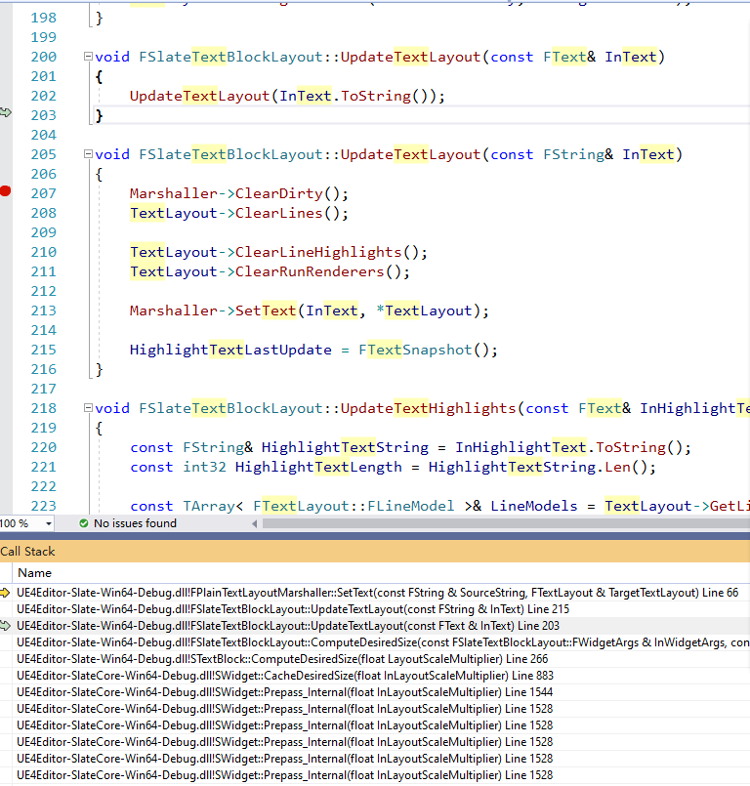

 |  |  |  | ！！！注意，用的是tostring，也就是变成了FString

