Sheet3
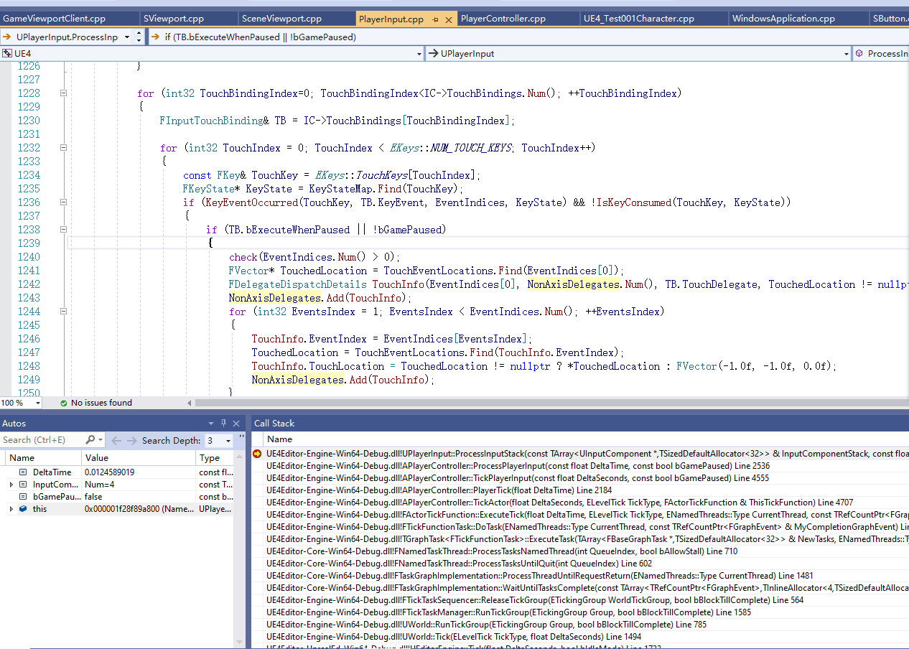
原理

 | 本质上，事件的穿透都是通过SlateApplication给各个Widget，谁捕获了就设置handled，事件就不会继续往下传递

 | SceneView也就是一个Widget

 | 对于普通的屏幕TOUCH事件
 | 1 | 通过FSceneViewport->UGameViewportClient->APlayerController->UPlayerInput::InputTouch收集
 |  | 对应的信息存储在KeyStateMap
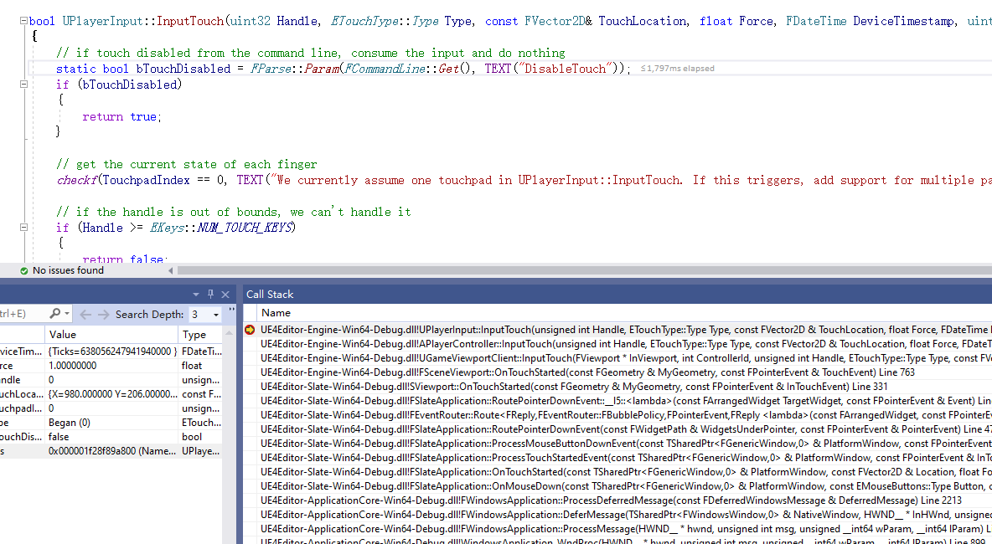

 | 2 | 在World::Tick里面，调用APlayerController::TickActor，然后APlayerController::PlayerTick，APlayerController::TickPlayerInput，APlayerController::ProcessPlayerInput，最后调用UPlayerInput::ProcessInputStack
 |  | 遍历所有的InputComponentStack，只有我们自己的Player会绑定了事件处理（IC->TouchBindings.Num()>0)，所以消耗上面存储的KeyStateMap
 |  | 进行事件的回调，例如Press，Release等

