level的LOD设置
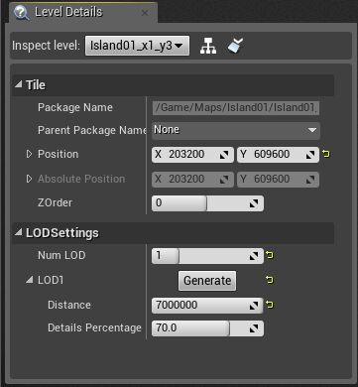
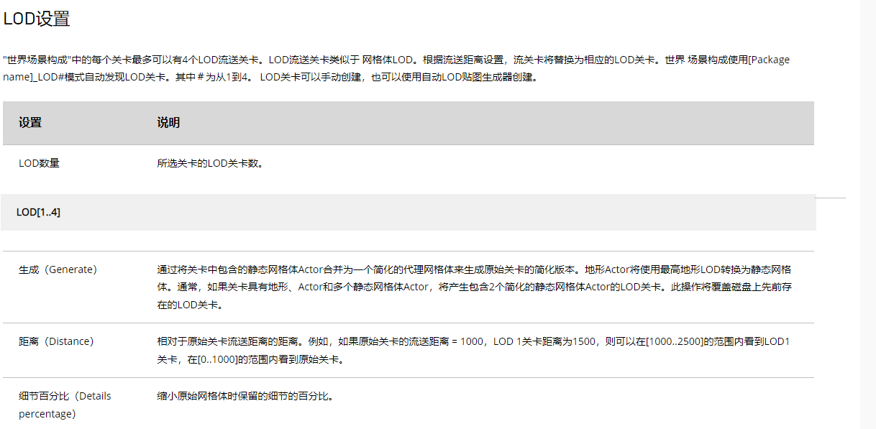
https://docs.unrealengine.com/4.27/zh-CN/BuildingWorlds/LevelStreaming/WorldBrowser/

场景可以根据距离设置4层不同的LOD，用以有优化效率 | ！！！怎么加载和释放的？

内存数据示例
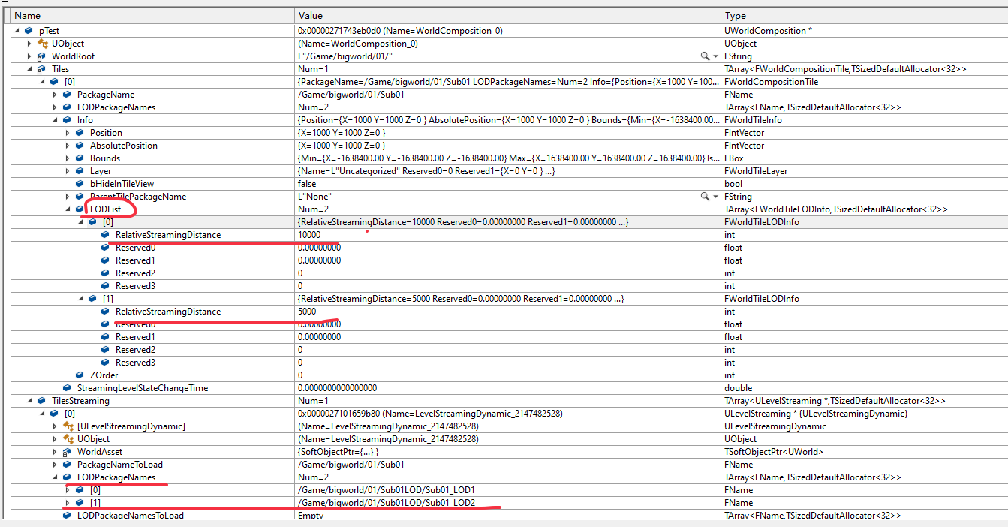
WC中对于Level的Lod内存数据

