Sheet1
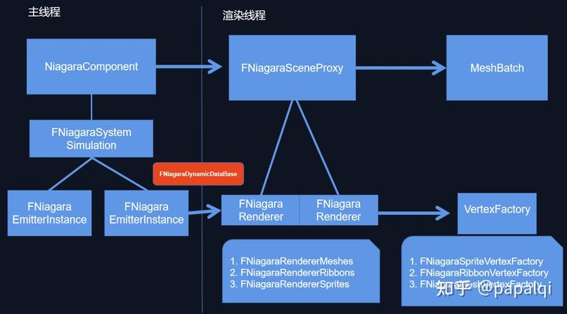
Niagara System | 粒子系统

Niagara Emitter | 粒子发射器

Modules | 模块

Parameters | 参数

播放接口
 | UNiagaraFunctionLibrary::SpawnSystemAttached(Template, MeshComp, SocketName, LocationOffset, RotationOffset, EAttachLocation::KeepRelativeOffset, true);
 | UNiagaraFunctionLibrary::SpawnSystemAtLocation(MeshComp->GetWorld(), Template, MeshTransform.TransformPosition(LocationOffset), (MeshTransform.GetRotation() * RotationOffsetQuat).Rotator(), FVector(1.0f),true);

 |  | 内部会创建UNiagaraComponent，调用SetAsset

Sheet3
