蓝图调用2
场景蓝图里面挂载了ReceiveEndPlay，然后打印了一个字符串

static FName NAME_AActor_ReceiveEndPlay = FName(TEXT("ReceiveEndPlay"));
//fuckmefuckstatic FName NAME_AActor_ReceiveEndPlay = FName(TEXT("ReceiveEndPlay"));
void AActor::ReceiveEndPlay(EEndPlayReason::Type EndPlayReason)
{
 | Actor_eventReceiveEndPlay_Parms Parms;
 | Parms.EndPlayReason=EndPlayReason;
 | ProcessEvent(FindFunctionChecked(NAME_AActor_ReceiveEndPlay),&Parms);
}

void UObject::ProcessEvent( UFunction* Function, void* Parms )
{
const bool bUsePersistentFrame = (NULL != Frame);
if (!bUsePersistentFrame)
{
Frame = (uint8*)FMemory_Alloca(Function->PropertiesSize);
// zero the local property memory
FMemory::Memzero(Frame + Function->ParmsSize, Function->PropertiesSize - Function->ParmsSize);
}

// initialize the parameter properties
FMemory::Memcpy(Frame, Parms, Function->ParmsSize);

// Create a new local execution stack.
FFrame NewStack(this, Function, Frame, NULL, Function->ChildProperties); |  | 传入了Fframe信息，包含栈上的对象地址，Function的信息，尤其是其ChildProperties，各个参数的信息！！！

if (!bUsePersistentFrame)
{
for (FProperty* LocalProp = Function->FirstPropertyToInit; LocalProp != NULL; LocalProp = (FProperty*)LocalProp->Next)
{
LocalProp->InitializeValue_InContainer(NewStack.Locals);
}
}

const bool bHasReturnParam = Function->ReturnValueOffset != MAX_uint16;
uint8* ReturnValueAddress = bHasReturnParam ? ((uint8*)Parms + Function->ReturnValueOffset) : nullptr;
Function->Invoke(this, NewStack, ReturnValueAddress); | 函数调用，分两种情况！！！
}

void UFunction::Invoke(UObject* Obj, FFrame& Stack, RESULT_DECL)
{
 | checkSlow(Func);

 | UClass* OuterClass = (UClass*)GetOuter();
 | if (OuterClass->IsChildOf(UInterface::StaticClass()))
 | {
 |  | Obj = (UObject*)Obj->GetInterfaceAddress(OuterClass);
 | }

 | TGuardValue<UFunction*> NativeFuncGuard(Stack.CurrentNativeFunction, this);
 | return (*Func)(Obj, Stack, RESULT_PARAM);
}

DEFINE_FUNCTION(UObject::ProcessInternal)
{
#if DO_BLUEPRINT_GUARD
 | // remove later when stable
 | if (P_THIS->GetClass()->HasAnyClassFlags(CLASS_NewerVersionExists))
 | {
 |  | if (!GIsReinstancing)
 |  | {
 |  |  | ensureMsgf(!P_THIS->GetClass()->HasAnyClassFlags(CLASS_NewerVersionExists), TEXT("Object '%s' is being used for execution, but its class is out of date and has been replaced with a recompiled class!"), *P_THIS->GetFullName());
 |  | }
 |  | return;
 | }
#endif

 | UFunction* Function = (UFunction*)Stack.Node;
 | int32 FunctionCallspace = P_THIS->GetFunctionCallspace(Function, NULL);
 | if (FunctionCallspace & FunctionCallspace::Remote)
 | {
 |  | P_THIS->CallRemoteFunction(Function, Stack.Locals, Stack.OutParms, NULL);
 | }

 | if (FunctionCallspace & FunctionCallspace::Local)
 | {
 |  | ProcessLocalScriptFunction(Context, Stack, RESULT_PARAM); |  |  |  |  | 蓝图字节码调用
 | }
 | else
 | {
 |  | FProperty* ReturnProp = (Function)->GetReturnProperty();
 |  | ClearReturnValue(ReturnProp, RESULT_PARAM);
 | }
}

void ProcessLocalScriptFunction(UObject* Context, FFrame& Stack, RESULT_DECL)
 | while (*Stack.Code != EX_Return)
 |  | Stack.Step(Stack.Object, Buffer);

void FFrame::Step(UObject* Context, RESULT_DECL)
{
 | int32 B = *Code++;
 | (GNatives[B])(Context,*this,RESULT_PARAM);
}

 |  | 获取参数
 |  |  | DEFINE_FUNCTION(UObject::execLocalVariable)
 |  |  | {
 |  |  |  | checkSlow(Stack.Object == P_THIS);
 |  |  |  | checkSlow(Stack.Locals != NULL);

 |  |  |  | FProperty* VarProperty = Stack.ReadProperty();
 |  |  |  | if (VarProperty == nullptr)
 |  |  |  | {
 |  |  |  |  | FBlueprintExceptionInfo ExceptionInfo(EBlueprintExceptionType::AccessViolation, LOCTEXT("MissingLocalVariable", "Attempted to access missing local variable. If this is a packaged/cooked build, are you attempting to use an editor-only property?"));
 |  |  |  |  | FBlueprintCoreDelegates::ThrowScriptException(P_THIS, Stack, ExceptionInfo);

 |  |  |  |  | Stack.MostRecentPropertyAddress = nullptr;
 |  |  |  | }
 |  |  |  | else
 |  |  |  | {
 |  |  |  |  | Stack.MostRecentPropertyAddress = VarProperty->ContainerPtrToValuePtr<uint8>(Stack.Locals); |  |  | 得到参数的地址

 |  |  |  |  | if (RESULT_PARAM)
 |  |  |  |  | {
 |  |  |  |  |  | VarProperty->CopyCompleteValueToScriptVM(RESULT_PARAM, Stack.MostRecentPropertyAddress); |  | 获取数据
 |  |  |  |  | }
 |  |  |  | }
 |  |  | }
 |  |  | IMPLEMENT_VM_FUNCTION( EX_LocalVariable, execLocalVariable );

 |  | 调用处理
 |  |  | DEFINE_FUNCTION(UObject::execLocalFinalFunction)
 |  |  | {
 |  |  |  | // Call the final function.
 |  |  |  | ProcessLocalFunction(Context, (UFunction*)Stack.ReadObject(), Stack, RESULT_PARAM);
 |  |  | }
 |  |  | IMPLEMENT_VM_FUNCTION( EX_LocalFinalFunction, execLocalFinalFunction );
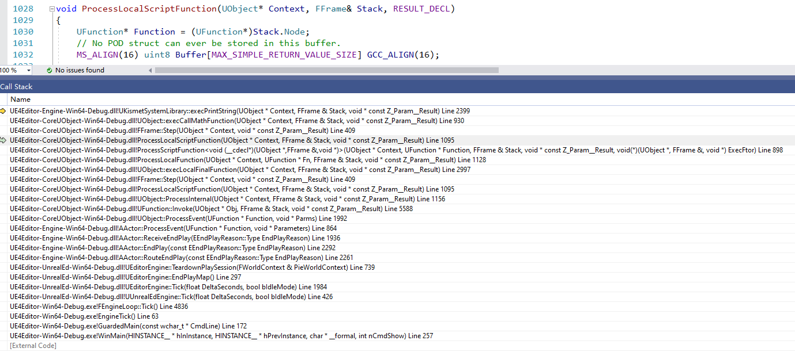

 | 这个地方重新生成了一个FFrame NewStack,参数是蓝图返回的，后面用这个
 | template<typename Exec>
 | void ProcessScriptFunction(UObject* Context, UFunction* Function, FFrame& Stack, RESULT_DECL, Exec ExecFtor)

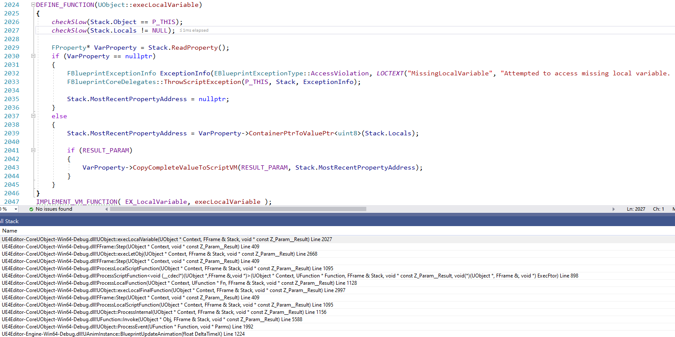
 |  |  | 挨个获取参数

 |  |  | 获取参数，放入MostRecentPropertyAddress
 |  |  | DEFINE_FUNCTION(UObject::execLocalVariable)

