概述
UE
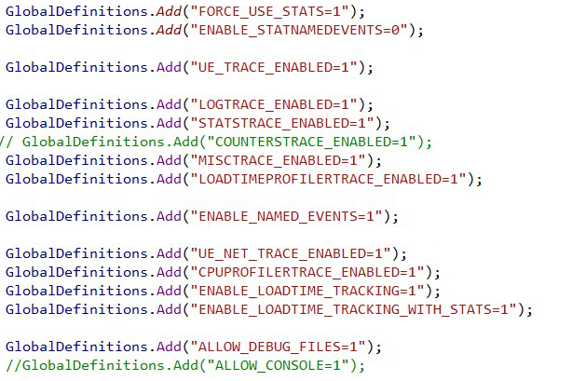

UE4.27
 | if (Configuration == UnrealTargetConfiguration.Shipping)
 | {
 | GlobalDefinitions.Add("WITH_SLATE_DEBUGGING=1");
 | GlobalDefinitions.Add("WIDGET_INCLUDE_RELFECTION_METADATA=1");

 | GlobalDefinitions.Add("ENABLE_NAMED_EVENTS=1");
 | GlobalDefinitions.Add("UE_EXTERNAL_PROFILING_ENABLED=1");
 |  |  | GlobalDefinitions.Add("CPUPROFILERTRACE_ENABLED=1");
 |  |  | GlobalDefinitions.Add("UE_TRACE_ENABLED=1");
 |  |  | GlobalDefinitions.Add("ENABLE_LOADTIME_TRACKING=1");
 |  |  | GlobalDefinitions.Add("ENABLE_LOADTIME_TRACKING_WITH_STATS=1");
 |  |  | //GlobalDefinitions.Add("ENABLE_LOADTIME_RAW_TIMINGS=1");

 |  | }

