以UCharacterMovementComponent举例
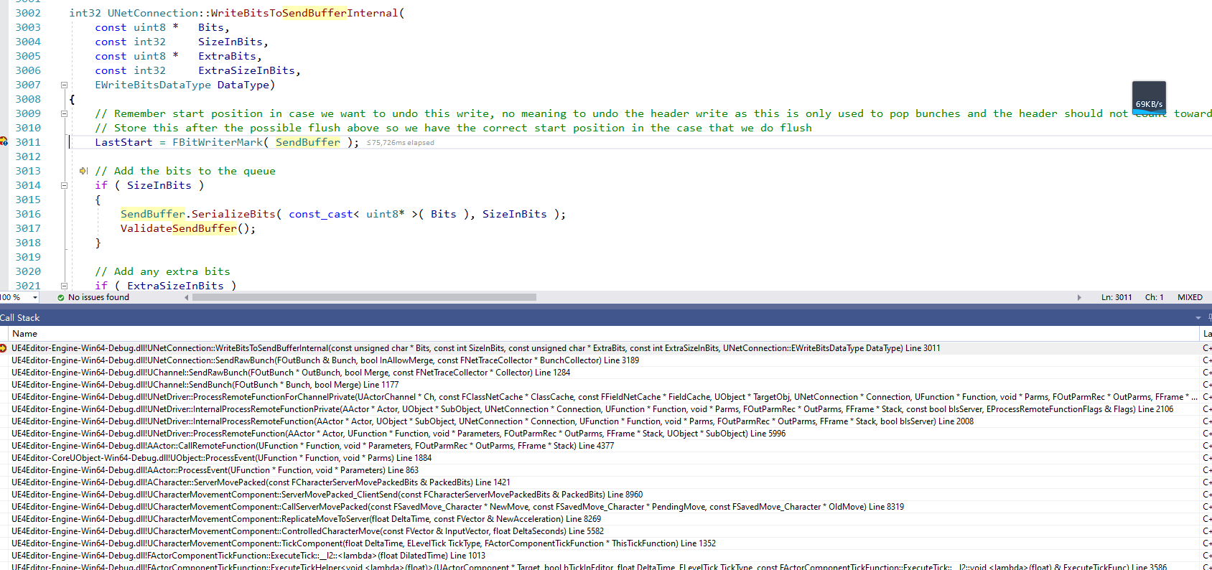
数据发送 | Client2DS
 | void UCharacterMovementComponent::TickComponent(float DeltaTime, enum ELevelTick TickType, FActorComponentTickFunction *ThisTickFunction)
 |  | ControlledCharacterMove(InputVector, DeltaTime);
 | void UCharacterMovementComponent::ControlledCharacterMove(const FVector& InputVector, float DeltaSeconds)
 |  | if (CharacterOwner->GetLocalRole() == ROLE_Authority)
 |  | {
 |  |  | PerformMovement(DeltaSeconds); |  | ！！！本地模式
 |  | }
 |  | else if (CharacterOwner->GetLocalRole() == ROLE_AutonomousProxy && IsNetMode(NM_Client))
 |  | {
 |  |  | ReplicateMoveToServer(DeltaSeconds, Acceleration); |  | 发给服务器
 |  | }
 | void UCharacterMovementComponent::ReplicateMoveToServer(float DeltaTime, const FVector& NewAcceleration)
 |  | if (bSendServerMove)
 |  | {
 |  |  | SCOPE_CYCLE_COUNTER(STAT_CharacterMovementCallServerMove);
 |  |  | if (ShouldUsePackedMovementRPCs())
 |  |  | {
 |  |  |  | CallServerMovePacked(NewMove, ClientData->PendingMove.Get(), OldMove.Get()); |  | ！！！调用该出，就分析这部分
 |  |  | }
 |  |  | else
 |  |  | {
 |  |  |  | CallServerMove(NewMove, OldMove.Get());
 |  |  | }
 |  | }

 | void UCharacterMovementComponent::CallServerMovePacked(const FSavedMove_Character* NewMove, const FSavedMove_Character* PendingMove, const FSavedMove_Character* OldMove)
 |  | // Send bits to server!
 |  | ServerMovePacked_ClientSend(PackedBits);

 | void UCharacterMovementComponent::ServerMovePacked_ClientSend(const FCharacterServerMovePackedBits& PackedBits)
 | {
 |  | // Pass through RPC call to character on server, there is less RPC bandwidth overhead when used on an Actor rather than a Component. |  |  |  |  | ！！！注意，客户端调用该函数，需要在服务器上面执行的
 |  | CharacterOwner->ServerMovePacked(PackedBits); |  |  |  |  | UFUNCTION(unreliable, server, WithValidation)
 | } |  |  |  |  |  | void ServerMovePacked(const FCharacterServerMovePackedBits& PackedBits);

 | 后续调用，直到创建Bunch

