Sheet1
工程 | 依赖原生的UE下载源码工程
 | 以Development模式为例：

 | Development
 |  | 生成项目的exe文件，可以直接运行
 |  |  | MyTest001.exe
 |  |  | MyTest001.lib
 |  |  | MyTest001.pdb
 |  |  | MyTest001.target
 |  |  | OpenImageDenoise.dll
 |  |  | tbb12.dll

 |  | 依赖
 |  |  | UE_4.27\Engine\Intermediate\Build\Win64\UE4\
 |  |  | 这个就是依赖源码生成的Core.precompiled和对应的众多.obj，确保连接成功

 | Development Editor
 |  | 生成项目的DLL，通过编辑器开发

 |  |  | MyTest001Editor.target
 |  |  | UE4Editor.modules
 |  |  | UE4Editor-MyTest001.dll
 |  |  | UE4Editor-MyTest001.pdb

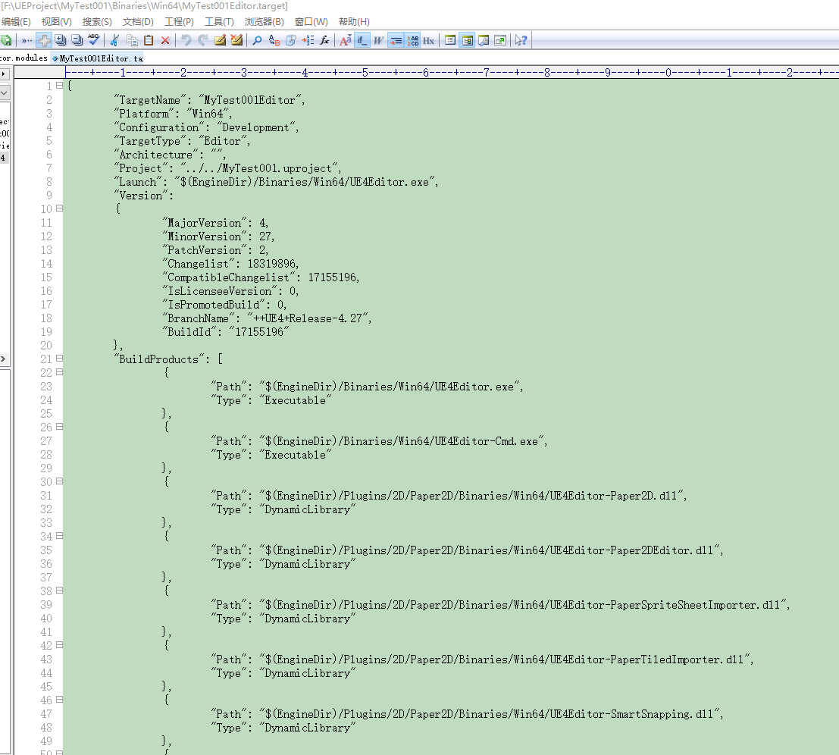
 |  | 依赖
 |  |  | UE_4.27\Engine\Intermediate\Build\Win64\UE4Editor\
 |  |  | 里面全部是源码生成的头文件和.lib库
 |  |  | 主要是依赖里面的lib，没有lib则工程编译失败

