GA的Input定义
每一个GA里面对应的Input就选这个，表示对应的事件

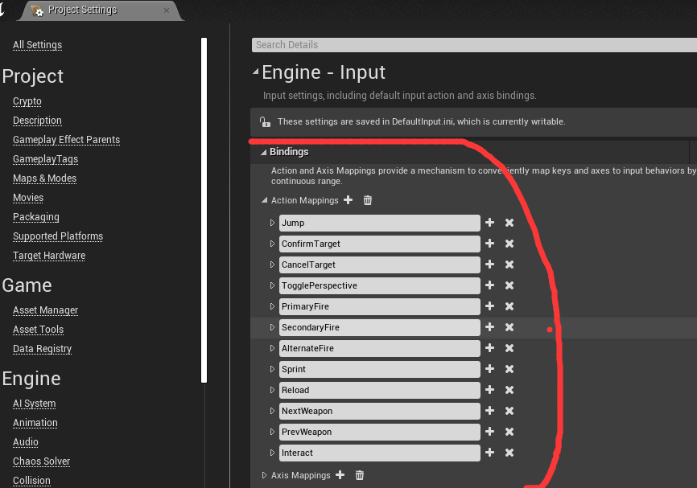
UENUM(BlueprintType)
enum class EGSAbilityInputID : uint8
{
 | // 0 None
 | None |  |  | UMETA(DisplayName = "None"),
 | // 1 Confirm
 | Confirm |  |  | UMETA(DisplayName = "Confirm"),
 | // 2 Cancel
 | Cancel |  |  | UMETA(DisplayName = "Cancel"),
 | // 3 Sprint
 | Sprint |  |  | UMETA(DisplayName = "Sprint"),
 | // 4 Jump
 | Jump |  |  | UMETA(DisplayName = "Jump"),
 | // 5 PrimaryFire
 | PrimaryFire |  | UMETA(DisplayName = "Primary Fire"),
 | // 6 SecondaryFire
 | SecondaryFire | UMETA(DisplayName = "Secondary Fire"),
 | // 7 Alternate Fire
 | AlternateFire | UMETA(DisplayName = "Alternate Fire"),
 | // 8 Reload
 | Reload |  |  | UMETA(DisplayName = "Reload"),
 | // 9 NextWeapon
 | NextWeapon |  | UMETA(DisplayName = "Next Weapon"),
 | // 10 PrevWeapon
 | PrevWeapon |  | UMETA(DisplayName = "Previous Weapon"),
 | // 11 Interact
 | Interact |  | UMETA(DisplayName = "Interact")
};

