COOK流程分析
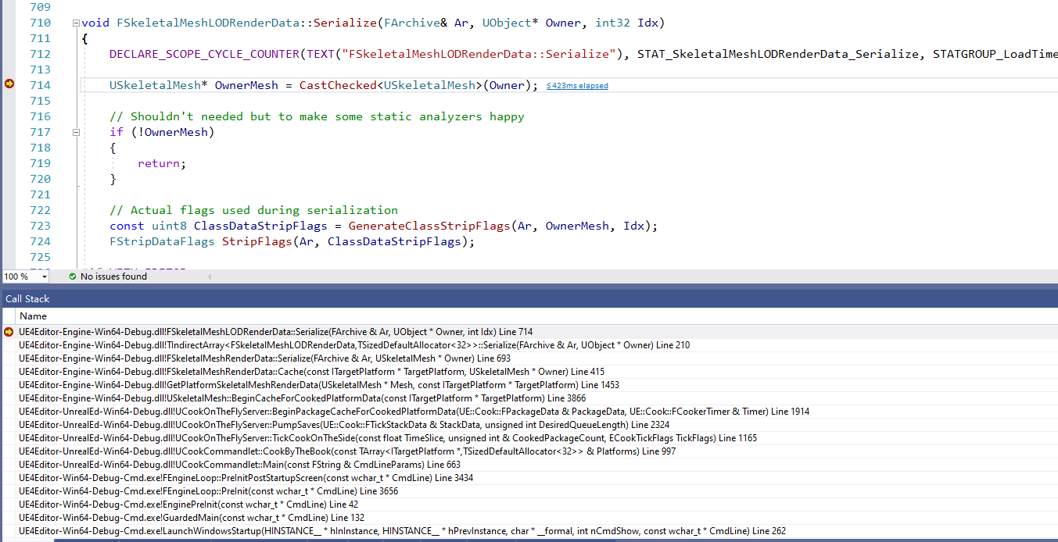
1 | int32 UCookCommandlet::Main(const FString& CmdLineParams)
 |  |  |  | CmdLineParams= -run=Cook -TargetPlatform=WindowsNoEditor -fileopenlog -ddc=DerivedDataBackendGraph -unversioned -abslog=F:\UE\UnrealEngine-4.27.2-release\Engine\Programs\AutomationTool\Saved\Cook-2022.06.22-17.30.21.txt -stdout -CrashForUAT -unattended -NoLogTimes -UTF8Output
 |  | CookByTheBook(Platforms);

2 | bool UCookCommandlet::CookByTheBook( const TArray<ITargetPlatform*>& Platforms)
 |  | [TGenericWindowsTargetPlatform<0,0,0>] = {LocalDevice=Ptr=0x000001b0d0ac5120, SharedRefs=1, WeakRefs=1, Object={Processes=Empty TargetPlatform={LocalDevice=Ptr=0x000001b0d0ac5120, SharedRefs=1, WeakRefs=1, Object={Processes=Empty TargetPlatform={LocalDevice=Ptr=0x000001b0d0ac5120, SharedRefs=1, We...
 |  | 新建一个对象
 |  | UCookOnTheFlyServer *CookOnTheFlyServer = NewObject<UCookOnTheFlyServer>();
 |  | 解析参数
 |  | 执行初始化
 |  | CookOnTheFlyServer->Initialize(ECookMode::CookByTheBook, CookFlags, OutputDirectoryOverride);

 |  | 执行COOK
 |  | CookOnTheFlyServer->StartCookByTheBook(StartupOptions);

3 | void UCookOnTheFlyServer::StartCookByTheBook( const FCookByTheBookStartupOptions& CookByTheBookStartupOptions )

 |  | 获取AssetRegistry模块
 |  | FAssetRegistryModule& AssetRegistryModule = FModuleManager::LoadModuleChecked<FAssetRegistryModule>(TEXT("AssetRegistry"));

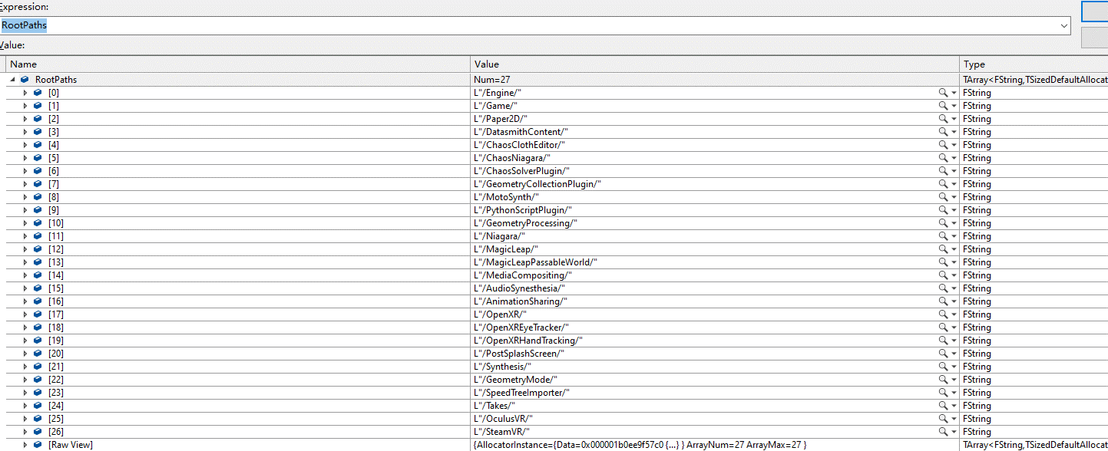
 |  | 获取本地语言相关的包和地图
 |  | // Find all the localized packages and map them back to their source package
 |  | 1 | 获取左侧所有目录下面的L10N/当前语言目录
 |  | 2 | 获取这些目录下面所有的资源（递归）
 |  |  |  | TArray<FAssetData> AssetDataForCultures;
 |  |  |  | AssetRegistry->GetAssets(Filter, AssetDataForCultures);
 |  | 3 | 根据上面资源的名字，建立一个MAP映射<packagename, list<多语言下各个资源>>
 |  | 4 | 增加黑名单的资源
 |  | 5 | 注册多语言资源 |  |  | ？？？

 |  | 获取从不cook的目录

 |  | 设置Shader的平台对应格式？？？

 |  | 设置全局的shader??? |  |  | ???

 |  | 开始设置项目自己的shader，名字就是工程名字
 |  | // Open the shader code library for the current project or the current DLC pack, depending on which we are cooking

 |  | 获取所有目录下（引擎+工程）的软依赖的资源

 |  | 开始收集需要COOK的资源
 |  |  | 需要COOK的地图

4 | 开始COOK
 |  | // | 1. We have cooked a map (configurable asset type)
 |  | // | 2. We have cooked non-map packages and...
 | 死循环，一直COOK，一边COOk一边GC

图片COOK数据保存
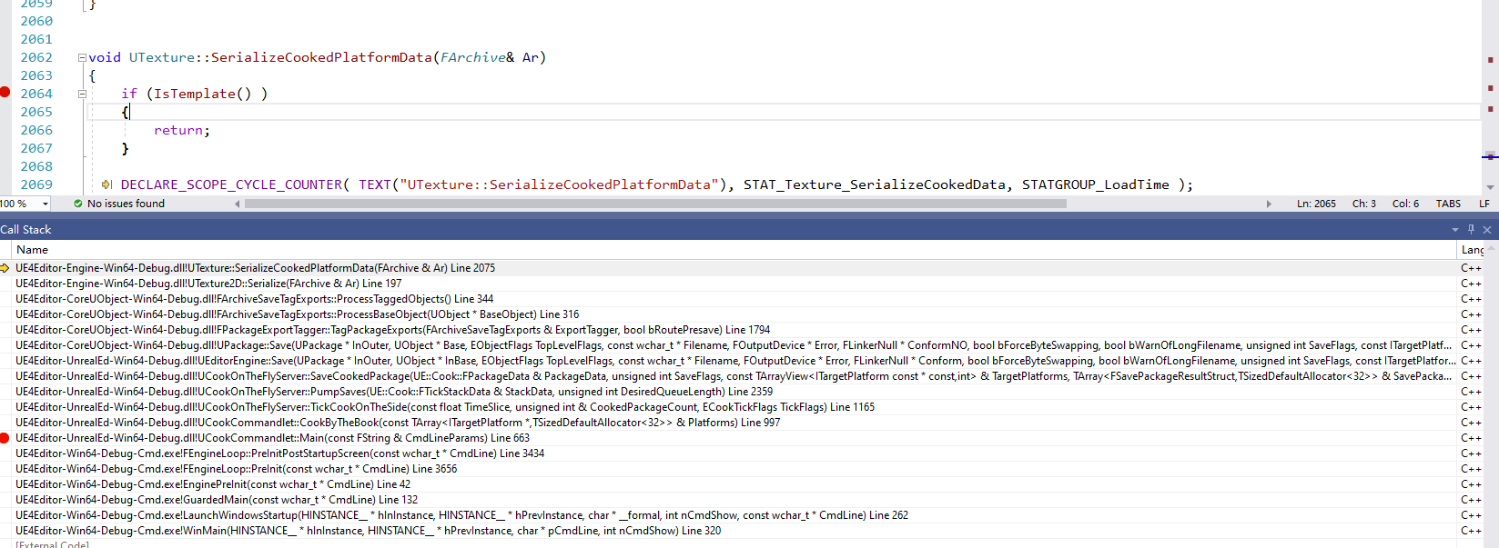
以Utexture举例，内部去掉了很多EDITOR宏的判断，数据量变少了

 | 1 | 怎么生成各个平台自己格式的？？？！！！！
 | 2

void UTexture::SerializeCookedPlatformData(FArchive& Ar)

