连接
 | 疑问：
 | 1 | 既然是无连接的握手，服务器没保存状态，那么客户端第二次challengeresponse的cookie有无问题？？？？ |  |  |  |  | 主要服务器没记录状态，客户端要知道其cookie过程怎么办？？？
 | 2
 | 3

 | 分为新链接上来的握手处理和握手后建立Connection后的消息通讯处理

 |  | void UIpNetDriver::TickDispatch(float DeltaTime)
 |  |  | 不断的循环读取消息包
 |  |  | for (FPacketIterator It(this); It; ++It) |  |  | ！！！内部每次接收一个包（RecvFrom ）
 |  |  | 1 | 如果没有connection，则走新链接那一套
 |  |  |  |  | Connection = ProcessConnectionlessPacket(ReceivedPacket, WorkingBuffer);
 |  |  | 2 | 如果有connection，则走connection这一套
 |  |  |  |  | Connection->ReceivedRawPacket((uint8*)ReceivedPacket.DataView.GetData(), ReceivedPacket.DataView.NumBytes());
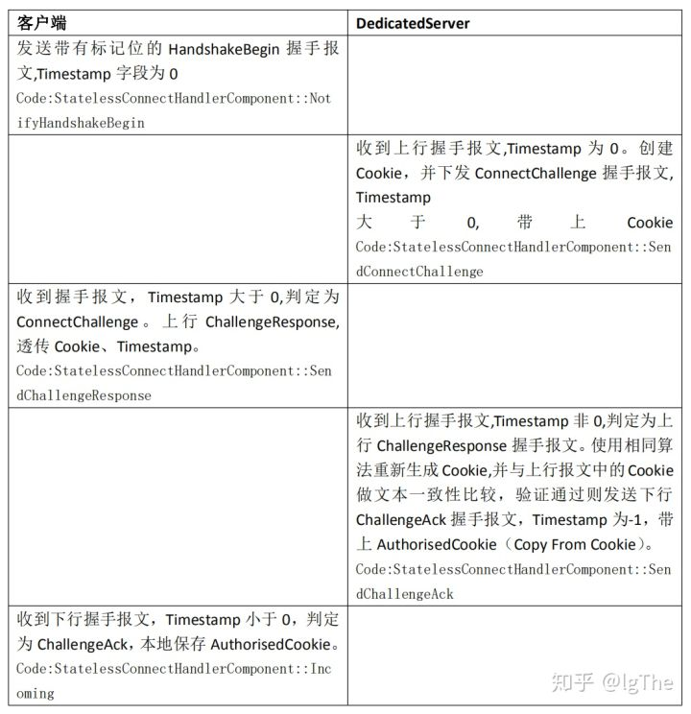
新的连接上来之后的处理
 | 要经过所谓的握手
 | void StatelessConnectHandlerComponent::IncomingConnectionless(FIncomingPacketRef PacketRef)

 | 1 | 判断是否为HandShakePacket，如果是，则马上SendConnectChallenge给客户端
 |  | （主要通过包里面的Timestamp==0来判断是不是首包）

 | 2 | 判断是否为challenge消息包，主要通过Timestamp!=0.0来判断
 |  | 然后对比客户端和服务器的cookie来判断challenge是否成功 |  |  |  | ！！！有一个算法来生成cookie，只要传入参数一致，结果肯定也一致
 |  |  | 如果成功，则返回ChallengeACK消息包

 | UNetConnection* UIpNetDriver::ProcessConnectionlessPacket(FReceivedPacketView& PacketRef, const FPacketBufferView& WorkingBuffer)
 |  | 不算的处理握手的消息包，按照上面说的，如果完成了，则当前变量LastChallengeSuccessAddress就是自己，下面会用到
 |  | EIncomingResult Result = ConnectionlessHandler->IncomingConnectionless(PacketRef);
 |  | if (Result == EIncomingResult::Success)
 |  | {
 |  |  | 判断以下是否通过challenge了，就是用上面LastChallengeSuccessAddress判断的，因为在一帧内操作，所以不影响别人
 |  |  | bPassedChallenge = StatelessConnect->HasPassedChallenge(Address, bRestartedHandshake);
 |  | }

 |  | 如果通过challenge了，则创建玩家的UIpConnection
 |  | if (bPassedChallenge)
 |  | {
 |  |  | if (!bRestartedHandshake)
 |  |  | {
 |  |  |  | ReturnVal = NewObject<UIpConnection>(GetTransientPackage(), NetConnectionClass);
 |  |  |  | ReturnVal->InitRemoteConnection(this, Socket, World ? World->URL : FURL(), *Address, USOCK_Open);
 |  |  |  | if (ReturnVal->Handler.IsValid())
 |  |  |  | {
 |  |  |  |  | ReturnVal->Handler->BeginHandshaking();
 |  |  |  | }
 |  |  |  | Notify->NotifyAcceptedConnection(ReturnVal);
 |  |  |  | 插入到底层的ClientConnections里面
 |  |  |  | AddClientConnection(ReturnVal);
 |  |  | }
 |  | }

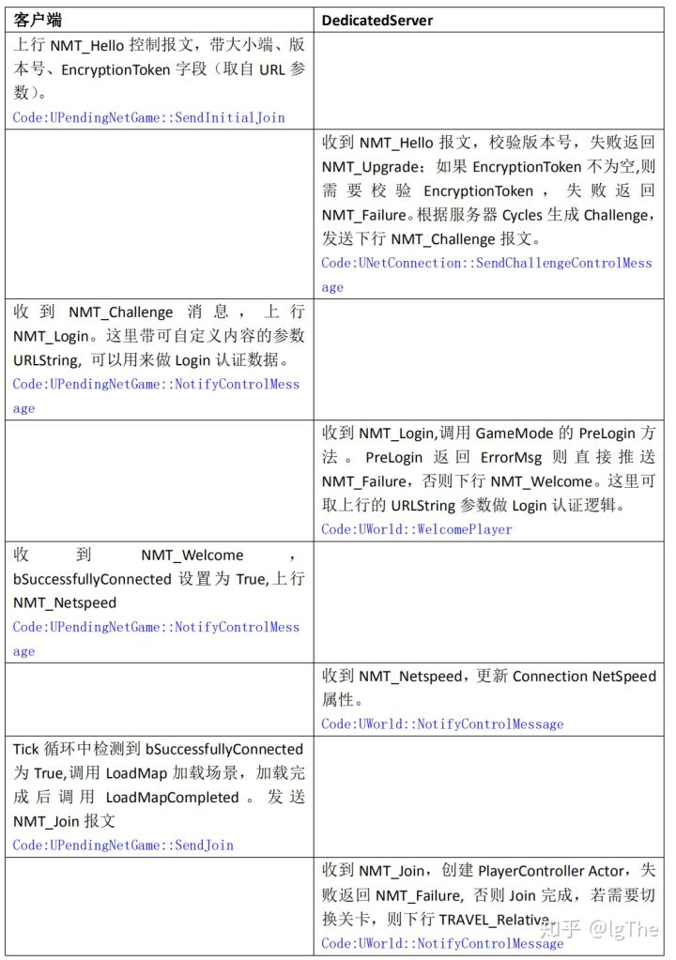
已链接的Connection消息处理
 | void UIpConnection::ReceivedRawPacket(void* Data, int32 Count)
 |  | Super::ReceivedRawPacket(Data, Count);
 | void UNetConnection::ReceivedRawPacket( void* InData, int32 Count )
 |  | const ProcessedPacket PacketHandler::Incoming_Internal(uint8* Packet, int32 CountBytes, bool bConnectionless, const TSharedPtr<const FInternetAddr>& Address)
 |  |  | ReplaceIncomingPacket(ProcessedPacketReader);
 |  |  | 插入到队列中
 |  |  | void PacketHandler::ReplaceIncomingPacket(FBitReader& ReplacementPacket) |  |  |  |  | ！！！ 何用呢？？？？
 |  |  |  | IncomingPacket.SetData(MoveTemp(TempPacketData), NewPacketSizeBits);

 |  | ReceivedPacket(Reader);
 | 这个还能理解，就是connection自己的接收Packet处理函数
 | void UNetConnection::ReceivedPacket( FBitReader& Reader, bool bIsReinjectedPacket)

退出
 |  |  |  |  |  | 注意原理：
 |  |  |  |  |  | 1 | 每一个客户端一个Connection
 |  |  |  |  |  | 2 | 每一个Connection上都有一堆的ActorChannel，每一个同步的Actor一个
服务器销毁一个对象，就及时的通知客户端进行销毁 |  |  |  |  |  | 3 | ActorChannel和Actor挂钩，客户端服务器都是一一对应的e

bool AActor::Destroy( bool bNetForce, bool bShouldModifyLevel )
 | 调用World的销毁
 | World->DestroyActor( this, bNetForce, bShouldModifyLevel );
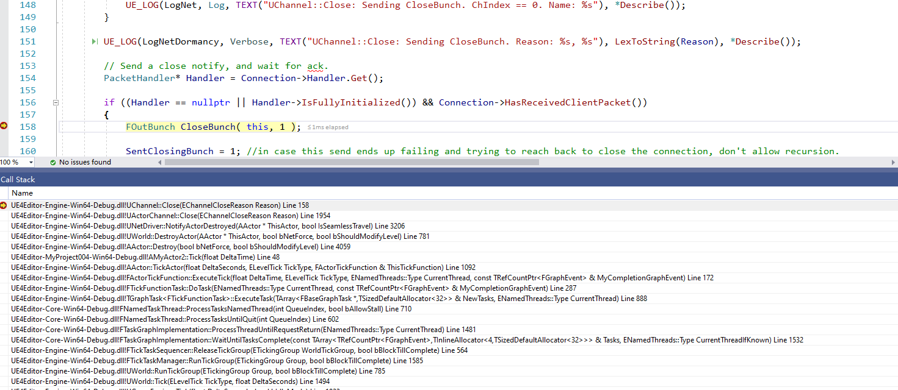
bool UWorld::DestroyActor( AActor* ThisActor, bool bNetForce, bool bShouldModifyLevel )
 | 通知底层NetDirver对象销毁
 | // Notify net drivers that this guy has been destroyed.
 | if (FWorldContext* Context = GEngine->GetWorldContextFromWorld(this))
 | {
 |  | for (FNamedNetDriver& Driver : Context->ActiveNetDrivers)
 |  | {
 |  |  | if (Driver.NetDriver != nullptr && Driver.NetDriver->ShouldReplicateActor(ThisActor))
 |  |  | {
 |  |  |  | Driver.NetDriver->NotifyActorDestroyed(ThisActor);
 |  |  | }
 |  | }
 | }

void UNetDriver::NotifyActorDestroyed( AActor* ThisActor, bool IsSeamlessTravel )
 | 遍历底层所有的Connection，挨个通知对象销毁（前提是内部得有该Actor）
 | for( int32 i=ClientConnections.Num()-1; i>=0; i-- )
 | {
 |  | UNetConnection* Connection = ClientConnections[i];
 |  | if( ThisActor->bNetTemporary )
 |  |  | Connection->SentTemporaries.Remove( ThisActor );
 |  | UActorChannel* Channel = Connection->FindActorChannelRef(ThisActor);
 |  | if( Channel )
 |  | {
 |  |  | check(Channel->OpenedLocally);
 |  |  | Channel->bClearRecentActorRefs = false;
 |  |  | Channel->Close(EChannelCloseReason::Destroyed);
 |  | }
 |  | else
 |  | {
 |  |  | const bool bDormantOrRecentlyDormant = NetworkObjectInfo && (NetworkObjectInfo->DormantConnections.Contains(Connection) || NetworkObjectInfo->RecentlyDormantConnections.Contains(Connection));

 |  |  | if (bShouldCreateDestructionInfo || bDormantOrRecentlyDormant)
 |  |  | {
 |  |  |  | // Make a new destruction info if necessary. It is necessary if the actor is dormant or recently dormant because
 |  |  |  | // even though the client knew about the actor at some point, it doesn't have a channel to handle destruction.
 |  |  |  | DestructionInfo = CreateDestructionInfo(this, ThisActor, DestructionInfo);
 |  |  |  | if (DestructionInfo)
 |  |  |  | {
 |  |  |  |  | Connection->AddDestructionInfo(DestructionInfo);
 |  |  |  | }
 |  |  | }
 |  | }

 |  | Connection->NotifyActorDestroyed(ThisActor);
 | }

int64 UActorChannel::Close(EChannelCloseReason Reason)
 | int64 NumBits = UChannel::Close(Reason);
int64 UChannel::Close(EChannelCloseReason Reason)
 | if ( !Closing && ( Connection->State == USOCK_Open || Connection->State == USOCK_Pending ) && !SentClosingBunch)
 | {
 |  | if ( ChIndex == 0 )
 |  | {
 |  |  | UE_LOG(LogNet, Log, TEXT("UChannel::Close: Sending CloseBunch. ChIndex == 0. Name: %s"), *Describe());
 |  | }

 |  | UE_LOG(LogNetDormancy, Verbose, TEXT("UChannel::Close: Sending CloseBunch. Reason: %s, %s"), LexToString(Reason), *Describe());

 |  | // Send a close notify, and wait for ack.
 |  | PacketHandler* Handler = Connection->Handler.Get();

 |  | if ((Handler == nullptr || Handler->IsFullyInitialized()) && Connection->HasReceivedClientPacket())
 |  | {
 |  |  | 通知客户端该对象销毁了
 |  |  | FOutBunch CloseBunch( this, 1 );
 |  |  | SentClosingBunch = 1; //in case this send ends up failing and trying to reach back to close the connection, don't allow recursion.
 |  |  | CloseBunch.DebugString = FString::Printf(TEXT("%.2f Close: %s"), Connection->Driver->GetElapsedTime(), *Describe());

 |  |  | check(!CloseBunch.IsError());
 |  |  | check(CloseBunch.bClose);
 |  |  | CloseBunch.bReliable = 1;
 |  |  | CloseBunch.CloseReason = Reason;
 |  |  | SendBunch( &CloseBunch, 0 );
 |  |  | NumBits = CloseBunch.GetNumBits();
 |  | }
 | }

PlayerController
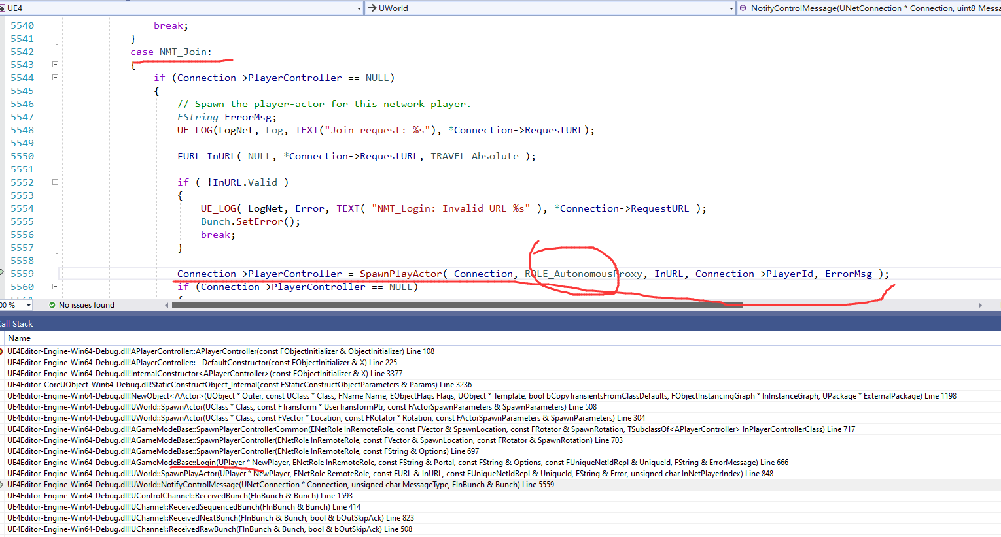
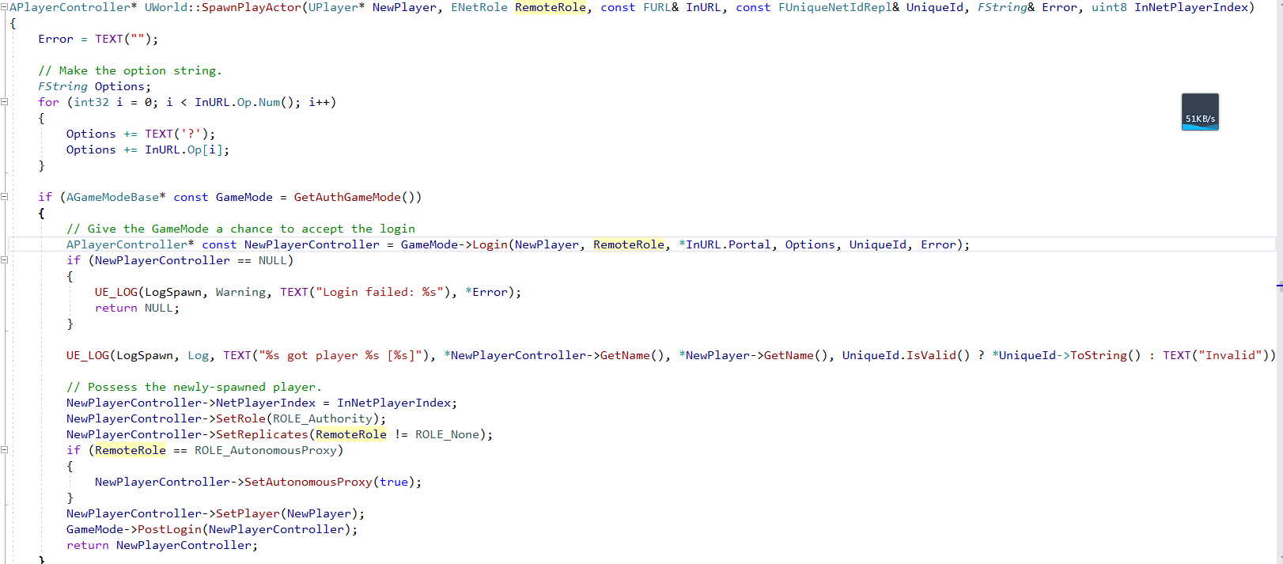
 | ！！！几个问题
 | 1 | 不同玩家连接后需要怎么创建自己的PlayerControlller??
 | 2 | 何时设置的Authority
 | 3 | NetPlayerIndex啥意思

创建流程
1 | 收到NMT_Join消息后，创建连接对应的PlayerController
 | Connection->PlayerController = SpawnPlayActor( Connection, ROLE_AutonomousProxy, InURL, Connection->PlayerId, ErrorMsg );

2 | 调用GameMode的Login，返回PlayerController
 | APlayerController* const NewPlayerController = GameMode->Login(NewPlayer, RemoteRole, *InURL.Portal, Options, UniqueId, Error);

数据
 | PC的NetPlayerindex都是0，因为0都是客户端的第一个LocalPlayer
 | Role=ROLE_Authority，服务器的控制角色

 | 最后调用PostLogin

