Engine-Tick-GC
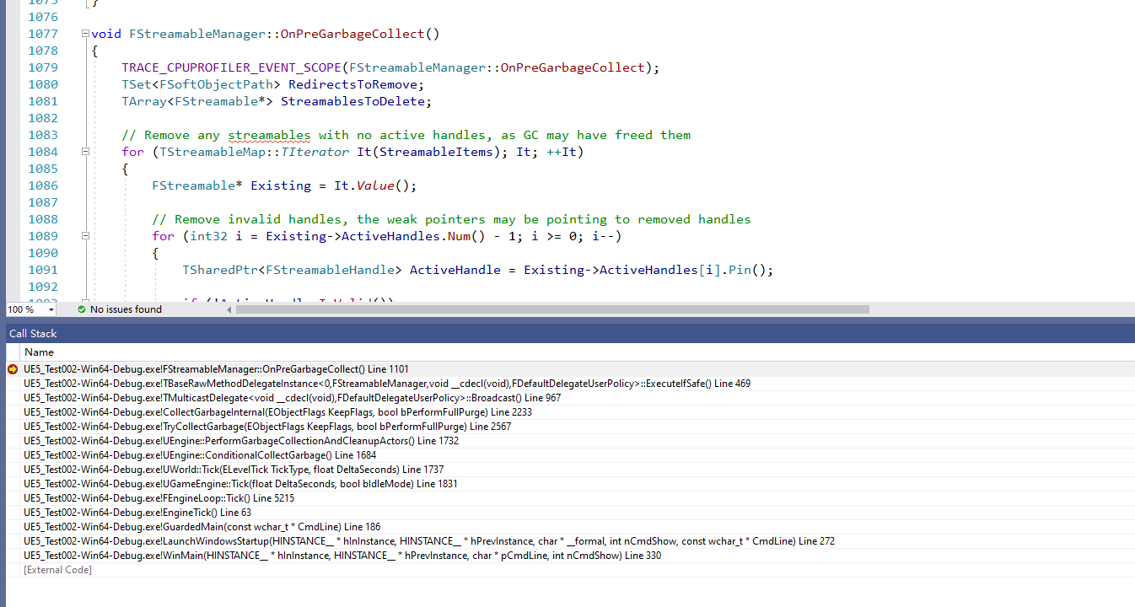
Engine的TicK中GC实现

 | 和这个间隔事件有关系，具体需要看这个间隔事件是多久
 | GTimeBetweenPurgingPendingKillObjects

线程局部存储的内存释放
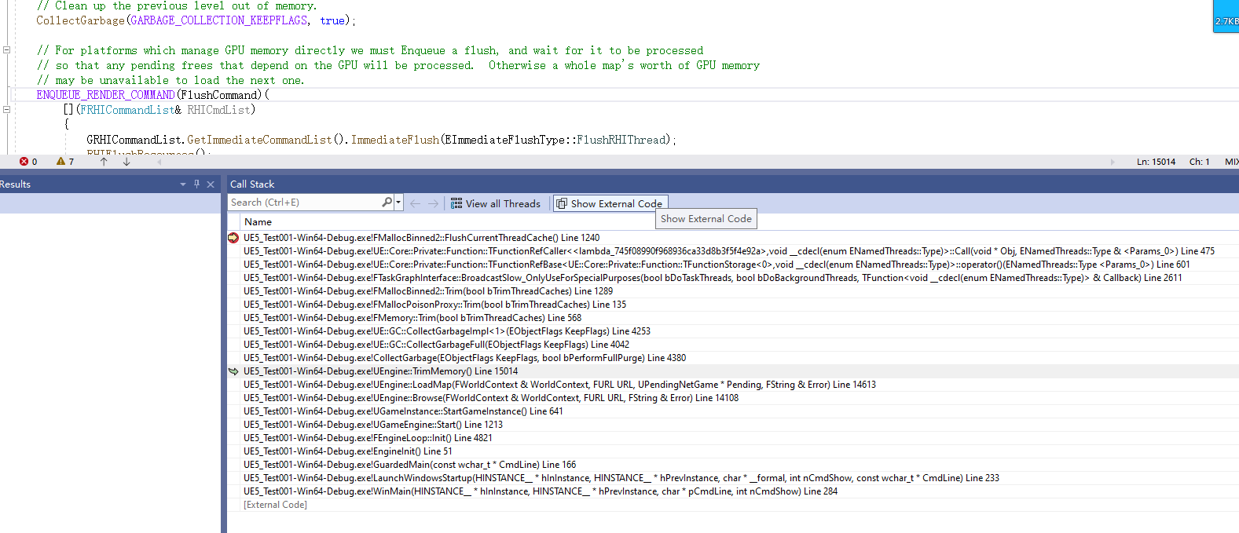

void FMallocBinnedGPU::FlushCurrentThreadCache()

