编辑器-客户端模式
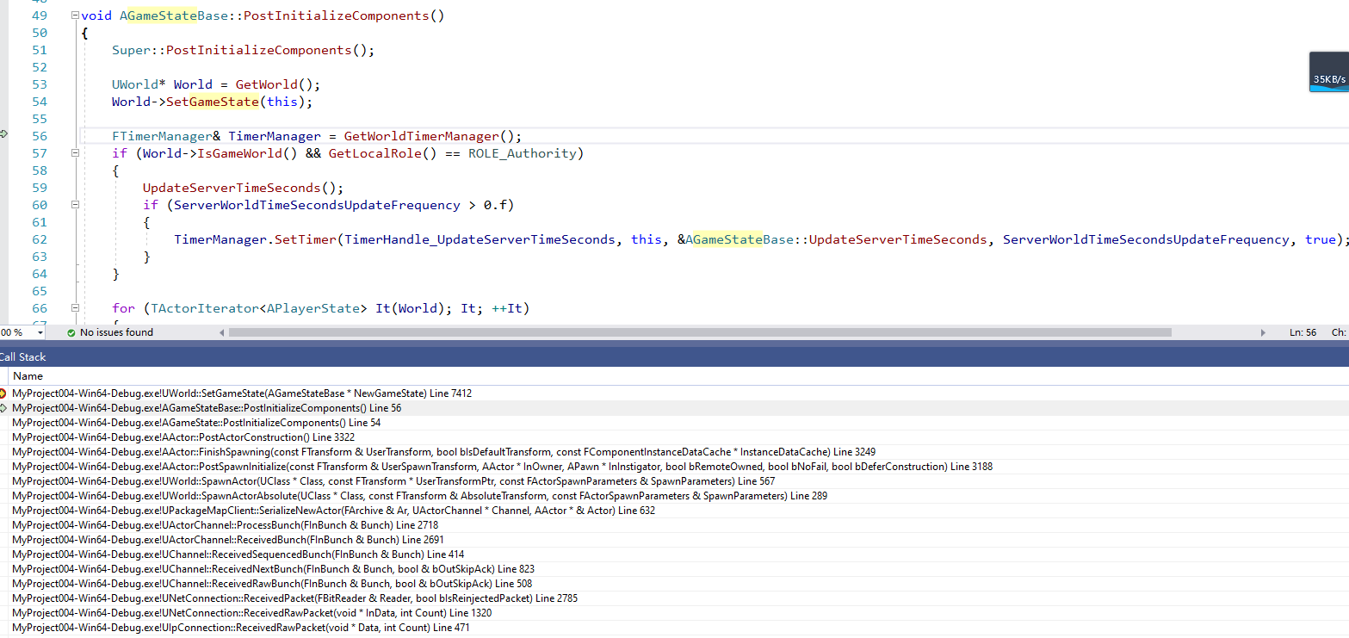
 | 没有GameMode，所以不会通过gameMode来创建

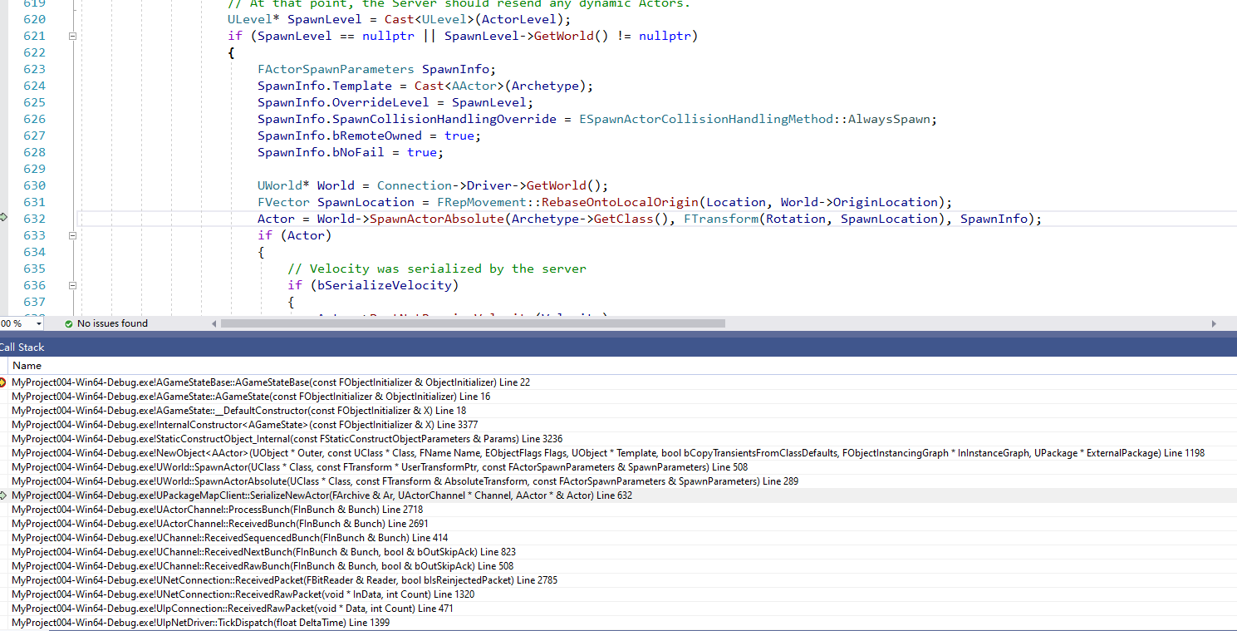
创建时机
 | 通过DS的消息包创建

 | ！！！！
 | 将新创建的GameState绑定到World变量里面

