Sheet1
工程 | 依赖原生的UE下载源码工程
 | 以Development模式为例：

 | Development
 |  | 生成项目的exe文件，可以直接运行
 |  |  | MyTest001.exe
 |  |  | MyTest001.lib
 |  |  | MyTest001.pdb
 |  |  | MyTest001.target
 |  |  | OpenImageDenoise.dll
 |  |  | tbb12.dll

 |  | 依赖
 |  |  | UE_4.27\Engine\Intermediate\Build\Win64\UE4\
 |  |  | 这个就是依赖源码生成的Core.precompiled和对应的众多.obj，确保连接成功

 | Development Editor
 |  | 生成项目的DLL，通过编辑器开发

 |  |  | MyTest001Editor.target
 |  |  | UE4Editor.modules
 |  |  | UE4Editor-MyTest001.dll
 |  |  | UE4Editor-MyTest001.pdb

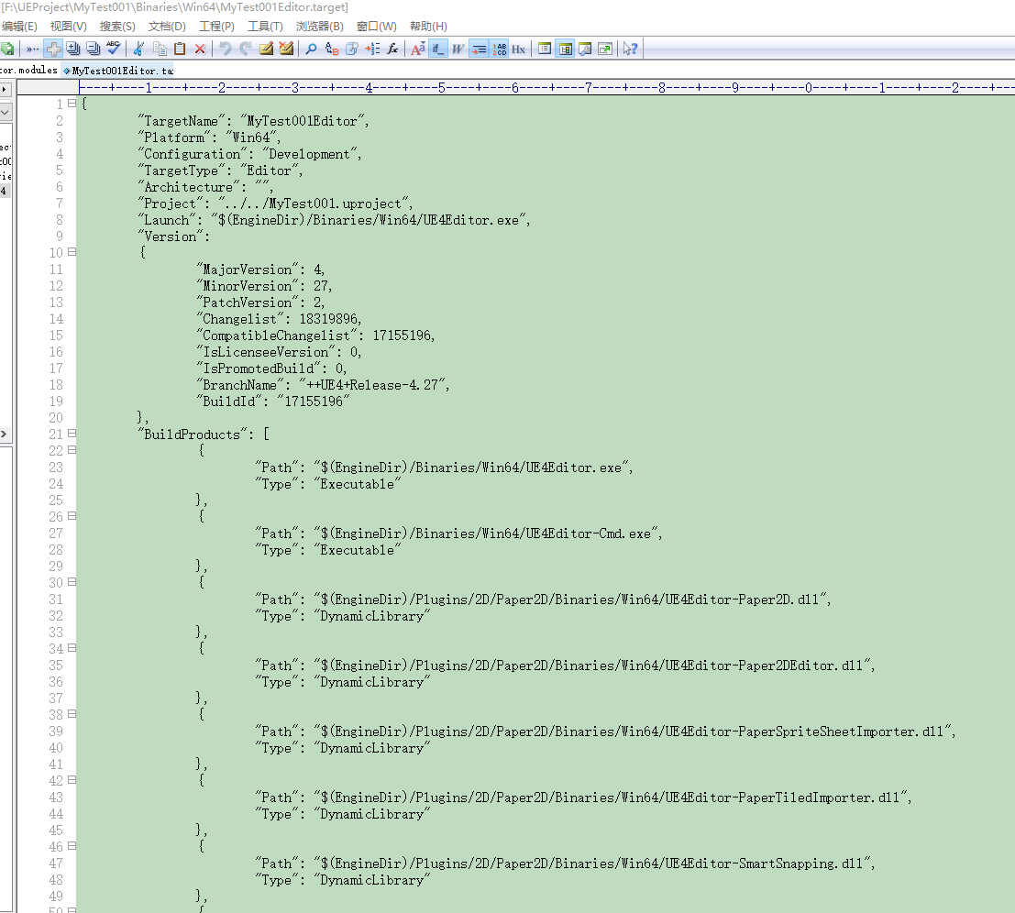
 |  | 依赖
 |  |  | UE_4.27\Engine\Intermediate\Build\Win64\UE4Editor\
 |  |  | 里面全部是源码生成的头文件和.lib库
 |  |  | 主要是依赖里面的lib，没有lib则工程编译失败

代码中宏定义的生成
IS_MONOLITHIC | 这个宏定义区分了IMPLEMENT_MODULE的实现方式，通过UBT设置
 | 在UBT的SetupGlobalEnvironment函数里面设置这些宏
 | GlobalCompileEnvironment.Definitions.Add(String.Format("IS_MONOLITHIC={0}", ShouldCompileMonolithic() ? "1" : "0"));
 | GlobalCompileEnvironment.Definitions.Add(String.Format("WITH_ENGINE={0}", Rules.bCompileAgainstEngine ? "1" : "0"));

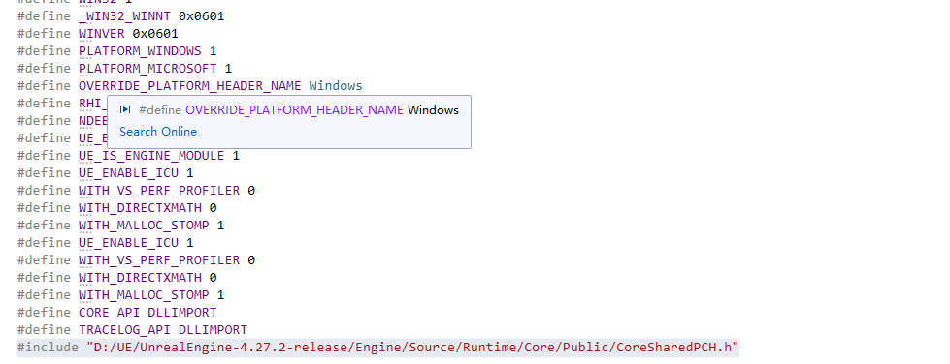
SetupGlobalEnvironment |  |  |  |  | 这个是引擎的截图
 | 大量的宏定义都是在这个里面生成的
 | GlobalCompileEnvironment.Definitions.Add(String.Format("IS_MONOLITHIC={0}", ShouldCompileMonolithic() ? "1" : "0"));
 | GlobalCompileEnvironment.Definitions.Add(String.Format("WITH_ENGINE={0}", Rules.bCompileAgainstEngine ? "1" : "0"));

UBT
 | 针对宏定义会生成一个头文件：
 | 项目模块：
 |  | Definitions.MyTest001.h |  | 里面都是宏定义

 | 引擎模块：
 |  | PCH.Core.h |  | 里面都是宏定义
 |  | SharedPCH.Core.ShadowErrors.h |  | 里面都是宏定义
 |  |  |  | 最下面是包含的所有头文件

 | 里面定义了所有的宏

 | 然后在每一个.cpp对应的.response文件里面 |  | MyTest001GameMode.gen.cpp.obj.response

 | 使用/FI来强制加载该头文件，也就是所有的宏
 |  | /FI"E:\Project\UE5\MyTest001\Intermediate\Build\Win64\UE4Editor\Debug\MyTest001\Definitions.MyTest001.h"

 |  | cl.exe程序指定的时候该参数意义
 |  | /FI (Name Forced Include File)

 |  | This option has the same effect as specifying the file with double quotation marks in an #include directive on the first line of every source file specified on the command line, in the CL environment variable, or in a command file. If you use multiple /FI options, files are included in the order they are processed by CL.

编译命令行
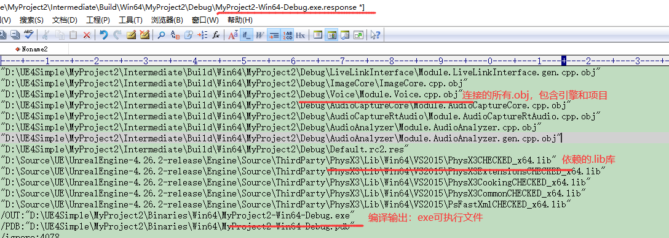
编译源文件，生成.obj

 | D:\Source\UE\UnrealEngine-4.26.2-release\Engine\Build\Windows\cl-filter\cl-filter.exe -dependencies=D:\UE4Simple\MyProject2\Intermediate\Build\Win64\UE4Editor\Debug\MyProject2\MyUserWidget.gen.cpp.txt -compiler="C:\Program Files (x86)\Microsoft Visual Studio\2019\Professional\VC\Tools\MSVC\14.29.30133\bin\HostX64\x64\cl.exe" -- "C:\Program Files (x86)\Microsoft Visual Studio\2019\Professional\VC\Tools\MSVC\14.29.30133\bin\HostX64\x64\cl.exe" @"D:\UE4Simple\MyProject2\Intermediate\Build\Win64\UE4Editor\Debug\MyProject2\MyUserWidget.gen.cpp.obj.response" /showIncludes

编译源文件，生成.obj

 | D:\Source\UE\UnrealEngine-4.26.2-release\Engine\Build\Windows\cl-filter\cl-filter.exe -dependencies=D:\UE4Simple\MyProject2\Intermediate\Build\Win64\UE4Editor\Debug\MyProject2\MyUserWidget.cpp.txt -compiler="C:\Program Files (x86)\Microsoft Visual Studio\2019\Professional\VC\Tools\MSVC\14.29.30133\bin\HostX64\x64\cl.exe" -- "C:\Program Files (x86)\Microsoft Visual Studio\2019\Professional\VC\Tools\MSVC\14.29.30133\bin\HostX64\x64\cl.exe" @"D:\UE4Simple\MyProject2\Intermediate\Build\Win64\UE4Editor\Debug\MyProject2\MyUserWidget.cpp.obj.response" /showIncludes

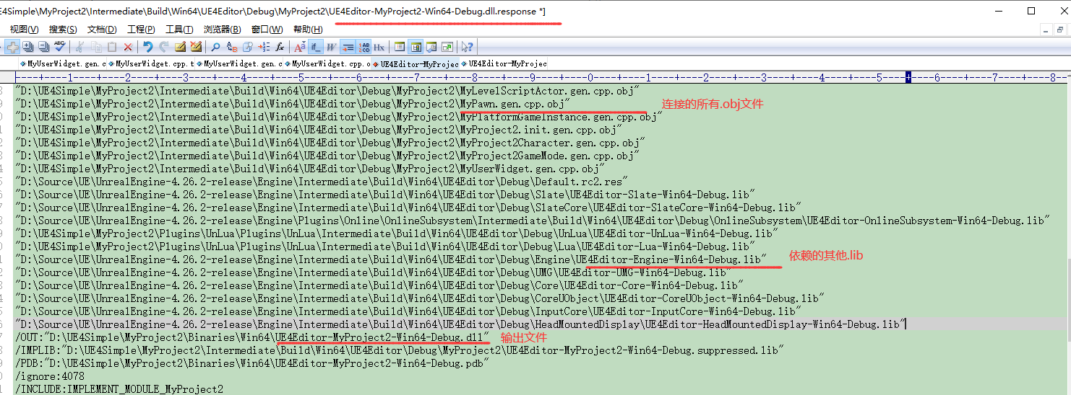
连接.obj文件，生成.dll

 | D:\Source\UE\UnrealEngine-4.26.2-release\Engine\Build\Windows\link-filter\link-filter.exe -- "C:\Program Files (x86)\Microsoft Visual Studio\2019\Professional\VC\Tools\MSVC\14.29.30133\bin\HostX64\x64\link.exe" @"D:\UE4Simple\MyProject2\Intermediate\Build\Win64\UE4Editor\Debug\MyProject2\UE4Editor-MyProject2-Win64-Debug.dll.response"

通过.dll导出.lib，Windows特有

 | C:\Program Files (x86)\Microsoft Visual Studio\2019\Professional\VC\Tools\MSVC\14.29.30133\bin\HostX64\x64\lib.exe @"D:\UE4Simple\MyProject2\Intermediate\Build\Win64\UE4Editor\Debug\MyProject2\UE4Editor-MyProject2-Win64-Debug.lib.response"

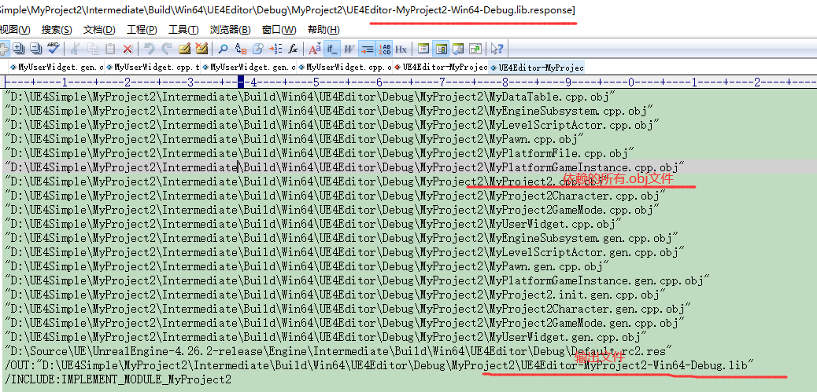

编译exe
 | D:\Source\UE\UnrealEngine-4.26.2-release\Engine\Build\Windows\link-filter\link-filter.exe -- "C:\Program Files (x86)\Microsoft Visual Studio\2019\Professional\VC\Tools\MSVC\14.29.30133\bin\HostX64\x64\link.exe" @"D:\UE4Simple\MyProject2\Intermediate\Build\Win64\MyProject2\Debug\MyProject2-Win64-Debug.exe.response"

