重力
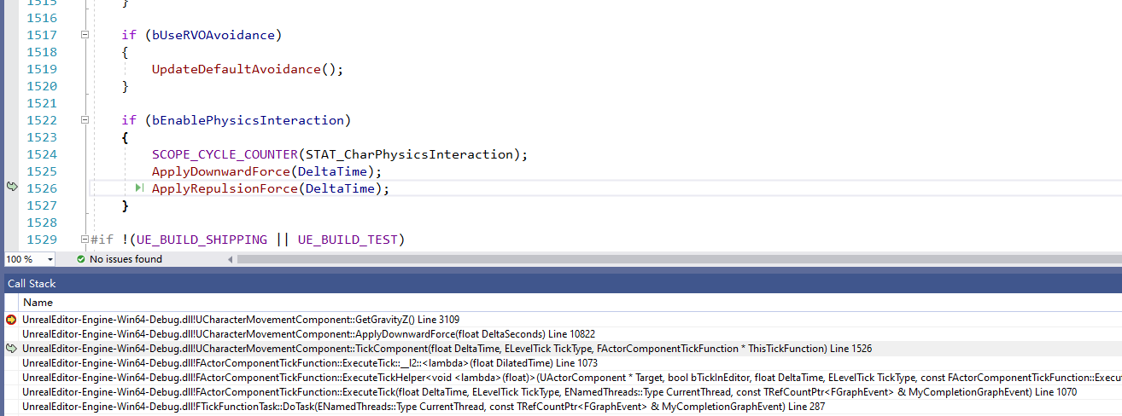
重力的实现原理，DownwardForce

 | void UCharacterMovementComponent::TickComponent(float DeltaTime, enum ELevelTick TickType, FActorComponentTickFunction *ThisTickFunction)

 |  |  | if (bEnablePhysicsInteraction) |  | 开关
 |  |  | {
 |  |  |  | SCOPE_CYCLE_COUNTER(STAT_CharPhysicsInteraction);
 |  |  |  | ApplyDownwardForce(DeltaTime); |  | 设置向下的处理-重力
 |  |  |  | ApplyRepulsionForce(DeltaTime);
 |  |  | }

 | void UCharacterMovementComponent::ApplyDownwardForce(float DeltaSeconds)
 |  | 获取Z轴的重力次数
 |  | const FVector Gravity = FVector(0.0f, 0.0f, GetGravityZ());
 |  | 不为零的话，就处理
 |  | if (BaseComp && BaseComp->IsAnySimulatingPhysics() && !Gravity.IsZero())
 |  | BaseComp->AddForceAtLocation(Gravity * Mass * StandingDownwardForceScale, CurrentFloor.HitResult.ImpactPoint, CurrentFloor.HitResult.BoneName);

 | void UPrimitiveComponent::AddForceAtLocation(FVector Force, FVector Location, FName BoneName)

开关
 |  | CharacterMovementComponent.h
 |  |  | /** If enabled, the player will interact with physics objects when walking into them. */
 |  |  | UPROPERTY(Category="Character Movement: Physics Interaction", EditAnywhere, BlueprintReadWrite)
 |  |  | uint8 bEnablePhysicsInteraction:1;

