开启条件
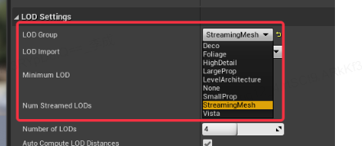
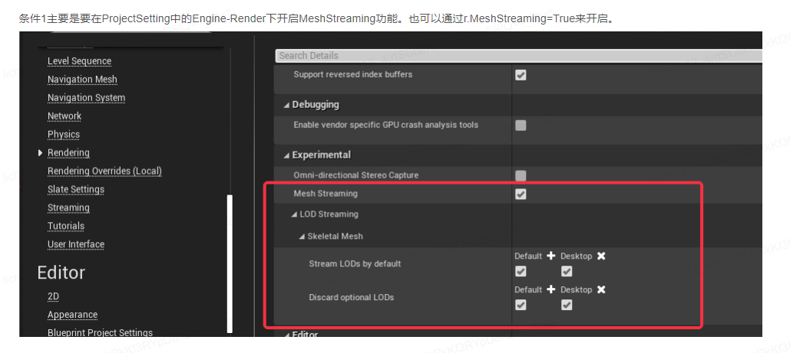

[StaticMeshLODSettings]
LevelArchitecture=(NumLODs=4,MaxNumStreamedLODs=0,bSupportLODStreaming=0,LightMapResolution=32,LODPercentTriangles=50,PixelError=12,SilhouetteImportance=4,Name=LOCTEXT("LevelArchitectureLOD","Level Architecture"))
SmallProp=(NumLODs=4,MaxNumStreamedLODs=0,bSupportLODStreaming=0,LODPercentTriangles=50,PixelError=10,Name=LOCTEXT("SmallPropLOD","Small Prop"))
LargeProp=(NumLODs=4,MaxNumStreamedLODs=0,bSupportLODStreaming=0,LODPercentTriangles=50,PixelError=10,Name=LOCTEXT("LargePropLOD","Large Prop"))
Deco=(NumLODs=4,MaxNumStreamedLODs=0,bSupportLODStreaming=0,LODPercentTriangles=50,PixelError=10,Name=LOCTEXT("DecoLOD","Deco"))
Vista=(NumLODs=1,MaxNumStreamedLODs=0,bSupportLODStreaming=0,Name=LOCTEXT("VistaLOD","Vista"))
Foliage=(NumLODs=1,MaxNumStreamedLODs=0,bSupportLODStreaming=0,Name=LOCTEXT("FoliageLOD","Foliage"))
HighDetail=(NumLODs=6,MaxNumStreamedLODs=0,bSupportLODStreaming=0,LODPercentTriangles=50,PixelError=6,Name=LOCTEXT("HighDetailLOD","High Detail"))
StreamingMesh=(NumLODs=4,MaxNumStreamedLODs=4,bSupportLODStreaming=1,LODPercentTriangles=50,PixelError=10,Name=LOCTEXT("StreamingMesh","Streaming Mesh"))

