Sheet1
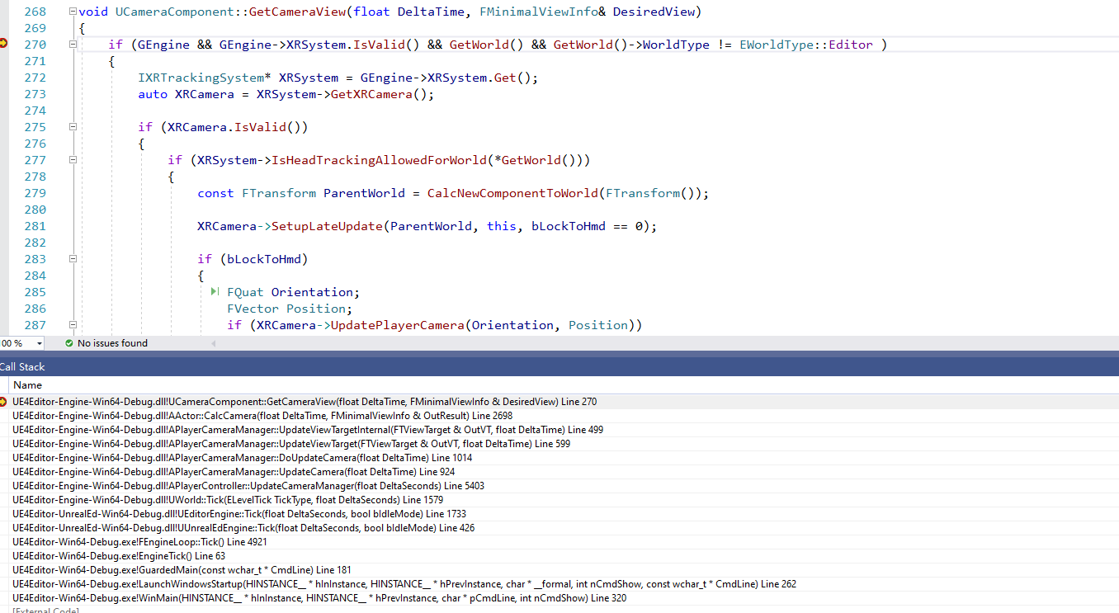
渲染用的是LocalPlayer->PlayerController里面的PlayerCameraManager
LocalPlayer->PlayerController里面的PlayerCameraManager怎么和玩家身上的CameraComponent结合？？！！

PlayerCameramanager里面的Update会扫描玩家的CameraComponent

