连接流程
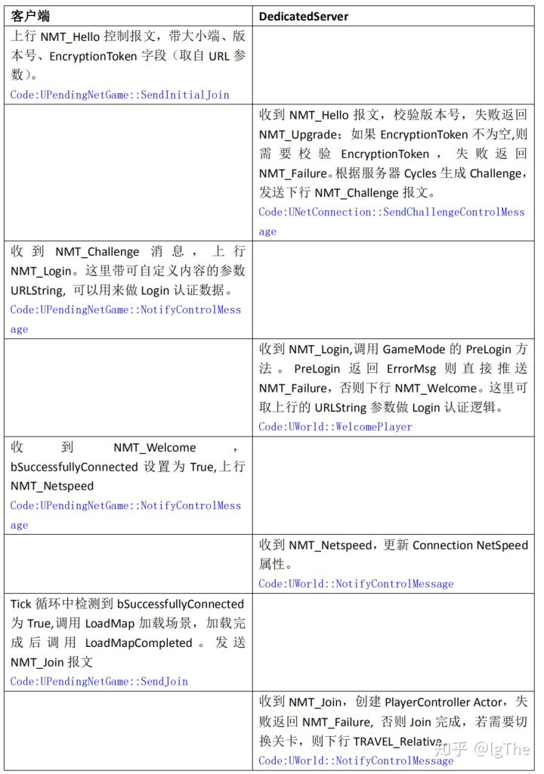

连接流程：

跳转场景 | LoadMap

 | void FEngineLoop::Tick()
 |  | GEngine->Tick(FApp::GetDeltaTime(), bIdleMode);
 | void UGameEngine::Tick( float DeltaSeconds, bool bIdleMode )
 |  | TickWorldTravel(Context, DeltaSeconds);
 | void UEngine::TickWorldTravel(FWorldContext& Context, float DeltaSeconds)
 |  | 注意，这个地方就是看的UPendingNetGame对象 |  |  | ！！！
 |  | // Update the pending level.
 |  | if( Context.PendingNetGame )
 |  |  | 条件判断
 |  |  | 在PendingNetGame.cpp收到消息包NMT_Welcome后设置URL和bSuccessfullyConnected
 |  |  | if (Context.PendingNetGame && Context.PendingNetGame->bSuccessfullyConnected && !Context.PendingNetGame->bSentJoinRequest && (Context.OwningGameInstance == NULL || !Context.OwningGameInstance->DelayPendingNetGameTravel()))
 |  |  |  | 加载目标地图
 |  |  |  | const bool bLoadedMapSuccessfully = LoadMap(Context, Context.PendingNetGame->URL, Context.PendingNetGame, Error);

 |  | 加载完地图的成功回调
 |  | Context.PendingNetGame->LoadMapCompleted(this, Context, bLoadedMapSuccessfully, Error);

 |  | void UPendingNetGame::LoadMapCompleted(UEngine* Engine, FWorldContext& Context, bool bLoadedMapSuccessfully, const FString& LoadMapError)
 |  |  | 发送Join消息包？？？
 |  |  | Context.PendingNetGame->SendJoin();

同步
 |  | 不仅仅是包含属性设置，包括对象赋值也是（对象本地会通过协议先创建，然后通过反射设置）
DS和客户端的同步

 |  |  |  |  |  |  |  | 例如通过消息，设置客户端的PlayerController中的PlayerState
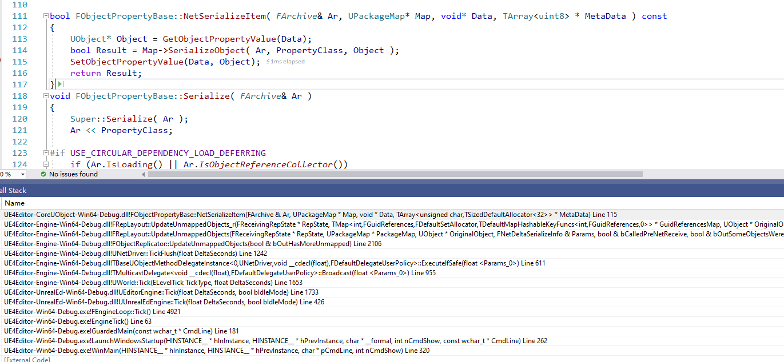
收包

处理
 | void UNetDriver::TickFlush(float DeltaSeconds)
 |  | // Go over recently imported network guids, and see if there are any replicators that need to map them
 |  | TSet< FNetworkGUID >& ImportedNetGuids = GuidCache->ImportedNetGuids;

 |  | 插入到NewlyMappedGuids
 |  |  | NewlyMappedGuids.Add( NetworkGuid );

 |  | 遍历NewlyMappedGuids，从GuidToReplicatorMap找到对应的FObjectReplicator，放入列表AllReplicators
 |  |  | for ( const FNetworkGUID& NetGuid : NewlyMappedGuids )
 |  |  | {
 |  |  |  | TSet< FObjectReplicator* >* Replicators = GuidToReplicatorMap.Find( NetGuid );
 |  |  |  | if ( Replicators )
 |  |  |  | {
 |  |  |  |  | AllReplicators.Append( *Replicators );
 |  |  |  | }
 |  |  | }
 |  |  | for ( FObjectReplicator* Replicator : AllReplicators )
 |  |  | {
 |  |  |  | if ( UnmappedReplicators.Contains( Replicator ) )
 |  |  |  | {
 |  |  |  |  | bool bHasMoreUnmapped = false;
 |  | ！！！ |  |  | Replicator->UpdateUnmappedObjects( bHasMoreUnmapped );
 |  |  |  |  | if ( !bHasMoreUnmapped )
 |  |  |  |  | {
 |  |  |  |  |  | UnmappedReplicators.Remove( Replicator );
 |  |  |  |  | }
 |  |  |  | }
 |  |  | }

 | FObjectReplicator内部包含其关联的Object对象，例如PlayerController
 | void FObjectReplicator::UpdateUnmappedObjects(bool & bOutHasMoreUnmapped)

 |  | 收到的赋值信息
 |  | 内部的RepState->GuidReferencesMap很重要，保存了赋值涉及的信息，后续遍历进行操作 |  |  |  |  |  | ！！！
 |  | // Since RepNotifies aren't processed while a channel has queued bunches, don't assert in that case.
 |  | FReceivingRepState* ReceivingRepState = RepState->GetReceivingRepState();
 |  | 调用
 |  | LocalRepLayout.UpdateUnmappedObjects(ReceivingRepState, Connection->PackageMap, Object, Parms, bCalledPreNetReceive, bSomeObjectsWereMapped, bOutHasMoreUnmapped);

 | void FRepLayout::UpdateUnmappedObjects_r(
 |  | 设置属性 |  |  |  |  | ！！！
 |  | Cmd.Property->NetSerializeItem(Reader, PackageMap, Data + AbsOffset);

AGameStateBase
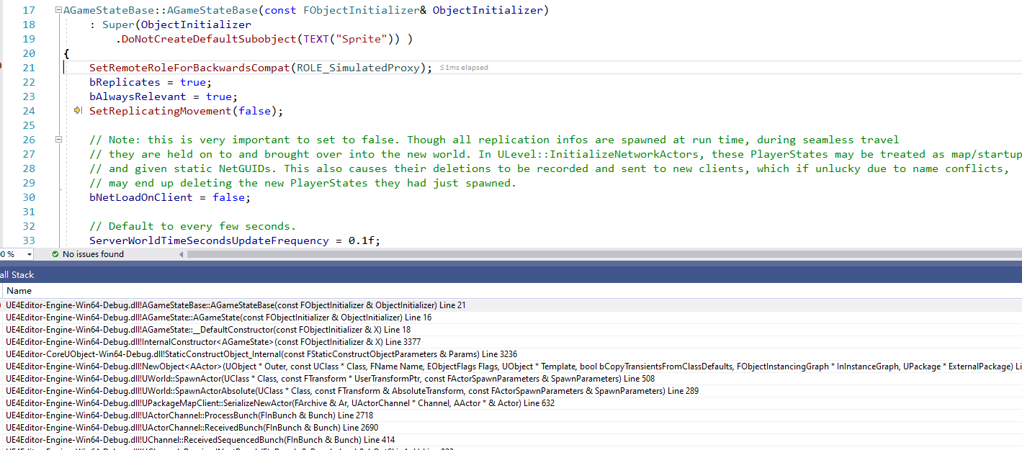
其从属于World，是World的一个变量
 | UCLASS(customConstructor, config=Engine)
 | class ENGINE_API UWorld final : public UObject, public FNetworkNotify
 | 成员变量
 |  | /** The NAME_GameNetDriver game connection(s) for client/server communication */
 |  | UPROPERTY(Transient)
 |  | class UNetDriver* | NetDriver; | ！！！从属于World

 |  | /** The current GameMode, valid only on the server */
 |  | UPROPERTY(Transient)
 |  | class AGameModeBase* | AuthorityGameMode; | ！！！从属于World |  | 客户端模式下没有，主要进行PreLogin和Login等判断的

 |  | /** The replicated actor which contains game state information that can be accessible to clients. Direct access is not allowed, use GetGameState<>() */
 |  | UPROPERTY(Transient)
 |  | class AGameStateBase* | GameState; | ！！！从属于World

 | UCLASS(config=Game, notplaceable, BlueprintType, Blueprintable)
 | class ENGINE_API AGameStateBase : public AInfo

 |  | 成员
 |  | /** Array of all PlayerStates, maintained on both server and clients (PlayerStates are always relevant) */
 |  | UPROPERTY(Transient, BlueprintReadOnly, Category=GameState)
 |  | TArray<APlayerState*> | PlayerArray; |  | ！！！客户端的GameState里面保存了所有的PlayerState

客户端创建
 | ！！！！注意，仅仅是这个地方不依赖于GameMode创建了，但是会通过协议让客户端创建

PlayerController
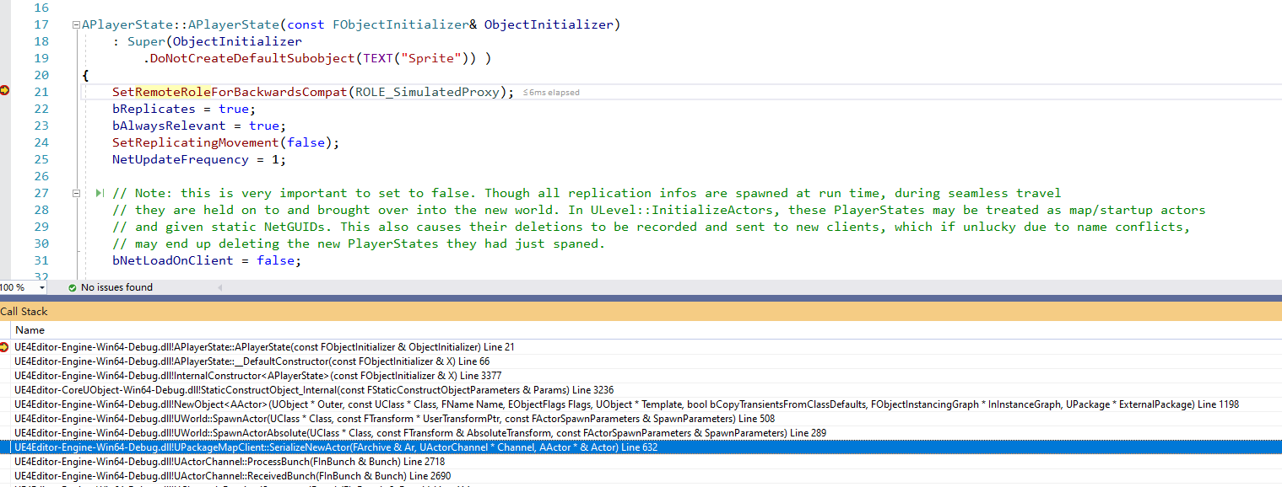
主要问题
1 | 何时创建自己的PlayerController???
2 | 别的玩家会创建吗？
3 | PlayerState和PlayerController怎么结合？？
4 | 何时创建对应的PAWN？？ | ！！！
 |  | 该流程会释放LocalPlayer身上的PlayerController；重新和新的PlayerController绑定
 |  | void UActorChannel::ReceivedBunch( FInBunch & Bunch )
 |  |  | ProcessBunch(Bunch);
 |  | void UActorChannel::ProcessBunch( FInBunch & Bunch )
 |  |  | NotifyActorChannelOpen(Actor, Bunch);
！！！ | PlayerController是针对玩家自己的，所以只会为自己创建，别的玩家不是 | void UActorChannel::NotifyActorChannelOpen(AActor* InActor, FInBunch& InBunch)
 |  |  | Actor->OnActorChannelOpen(InBunch, Connection);
 |  | void APlayerController::OnActorChannelOpen(FInBunch& InBunch, UNetConnection* Connection)
 |  | void UNetConnection::HandleClientPlayer( APlayerController *PC, UNetConnection* NetConnection )

