签名
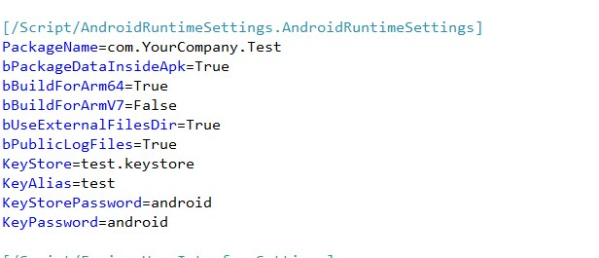
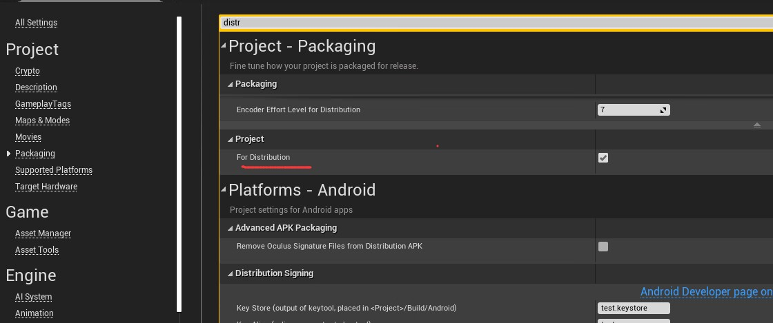
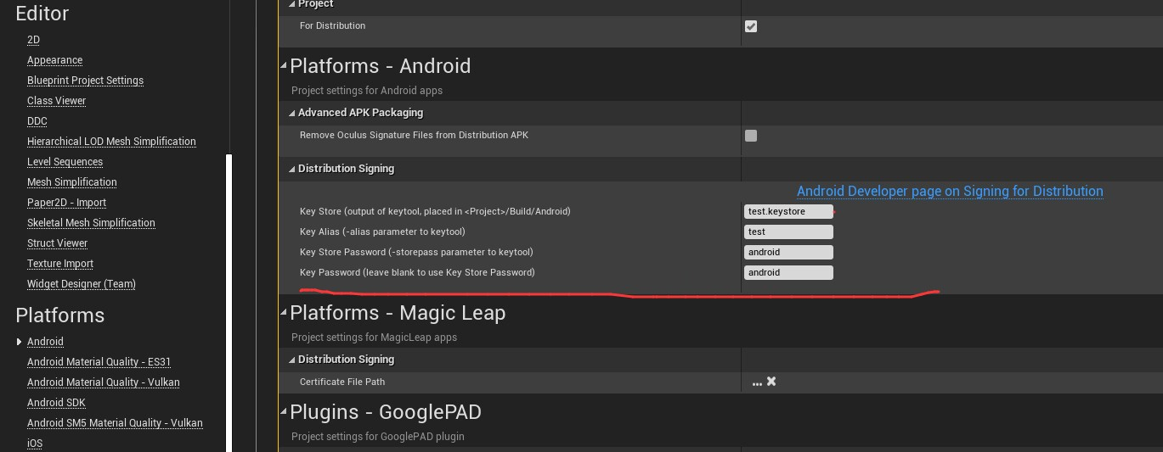
https://blog.csdn.net/qq_44693047/article/details/125089245

日志+SandBox启动顺序
1 | 先加载SandBox模块
 |  | 内部会记录日志，这个时候因为文件日志还没有创建，仅仅会缓存下来

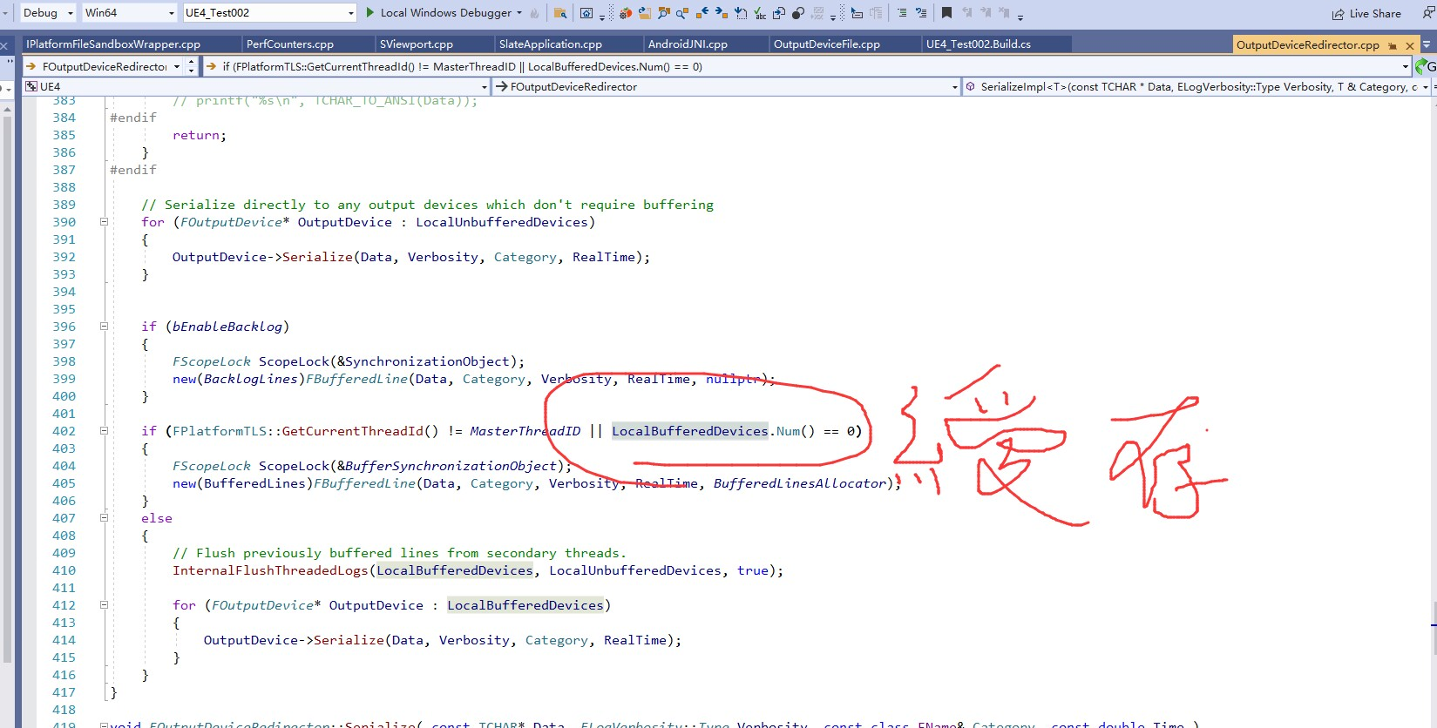

2 | 创建文件日志，这个时候会根据日志的目录创建对应的Write

 |  | FPlatformOutputDevices::GetAbsoluteLogFilename()
 |  | FString FGenericPlatformOutputDevices::GetAbsoluteLogFilename()

 |  | 1 | 先获取LOG写入目录
 |  |  | FCString::Strcpy(CachedAbsoluteFilename, UE_ARRAY_COUNT(CachedAbsoluteFilename), *FPaths::ProjectLogDir());

 |  | 2 | 可以被重写
 |  |  | const bool bShouldStopOnSeparator = false;
 |  |  | if (!FParse::Value(FCommandLine::Get(), TEXT("LOG="), LogFilename, bShouldStopOnSeparator))
 |  |  | {
 |  |  |  | if (FParse::Value(FCommandLine::Get(), TEXT("ABSLOG="), LogFilename, bShouldStopOnSeparator))
 |  |  |  | {
 |  |  |  |  | CachedAbsoluteFilename[0] = 0;
 |  |  |  | }
 |  |  | }

