重力
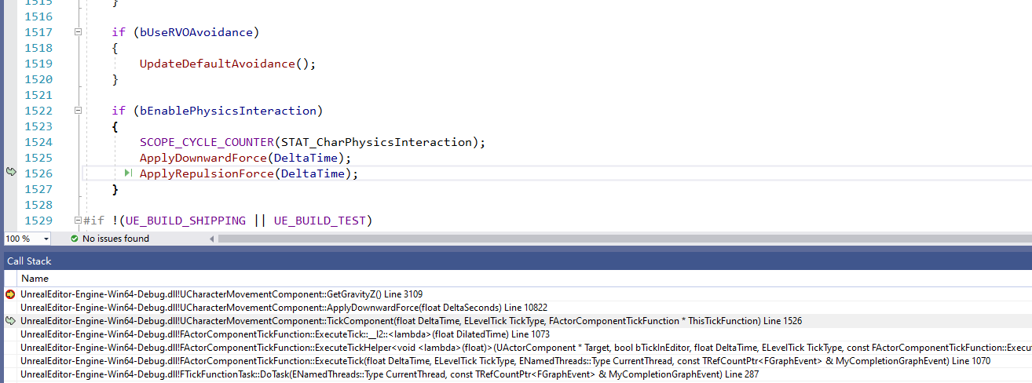
重力的实现原理，DownwardForce

 | void UCharacterMovementComponent::TickComponent(float DeltaTime, enum ELevelTick TickType, FActorComponentTickFunction *ThisTickFunction)

 |  |  | if (bEnablePhysicsInteraction) |  | 开关
 |  |  | {
 |  |  |  | SCOPE_CYCLE_COUNTER(STAT_CharPhysicsInteraction);
 |  |  |  | ApplyDownwardForce(DeltaTime); |  | 设置向下的处理-重力
 |  |  |  | ApplyRepulsionForce(DeltaTime);
 |  |  | }

 | void UCharacterMovementComponent::ApplyDownwardForce(float DeltaSeconds)
 |  | 获取Z轴的重力次数
 |  | const FVector Gravity = FVector(0.0f, 0.0f, GetGravityZ());
 |  | 不为零的话，就处理
 |  | if (BaseComp && BaseComp->IsAnySimulatingPhysics() && !Gravity.IsZero())
 |  | BaseComp->AddForceAtLocation(Gravity * Mass * StandingDownwardForceScale, CurrentFloor.HitResult.ImpactPoint, CurrentFloor.HitResult.BoneName);

 | void UPrimitiveComponent::AddForceAtLocation(FVector Force, FVector Location, FName BoneName)

开关
 |  | CharacterMovementComponent.h
 |  |  | /** If enabled, the player will interact with physics objects when walking into them. */
 |  |  | UPROPERTY(Category="Character Movement: Physics Interaction", EditAnywhere, BlueprintReadWrite)
 |  |  | uint8 bEnablePhysicsInteraction:1;

普通移动
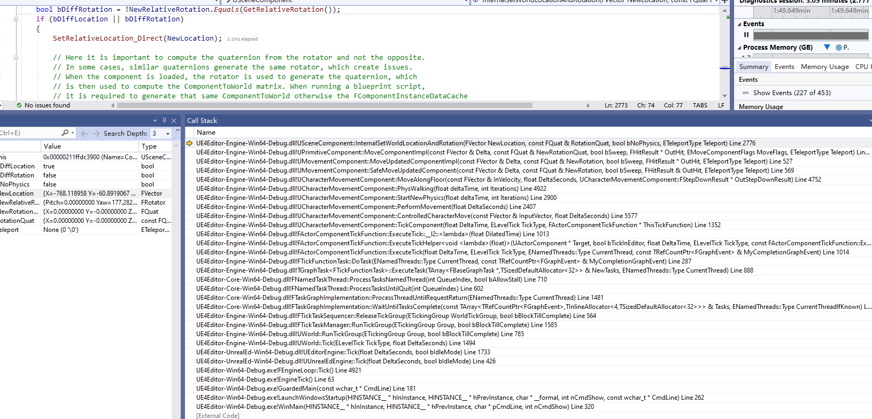
例如通过键盘操作一直往前走 |  |  |  |  |  |  | 默认情况，玩家的MoveComponent的movemode就是walking！！！
 |  | 默认是根据floor进行判断的，没有floor的地方就变成falling了

 | 几个问题？ |  |  |  |  |  |  | bool UPrimitiveComponent::MoveComponentImpl( const FVector& Delta, const FQuat
 |  | 1按键往前走怎么触发
 |  | 2行走是动作怎么播放的
 |  | 3前方碰撞物体怎么办 |  |  | 内部碰撞使用的是Physics

1 | 注册
 |  | 注册InputComponent事件
 |  | PlayerInputComponent->BindAxis("MoveForward", this, &AMyTest001Character::MoveForward);
2 | 设置 |  |  |  |  |  |  |  |  |  | ！！！ | 这个函数里面会重置
 |  | 在响应里面根据朝向，设置偏移 |  |  |  |  |  |  |  |  |  | void UCharacterMovementComponent::ApplyVelocityBraking(float DeltaTime, float Friction, float BrakingDeceleration)
 |  | void AMyTest001Character::MoveForward(float Value) |  |  |  |  |  |  |  |  |  | ！！！！！
 |  | { |  |  |  |  |  |  |  |  | 重点： | 玩家的属于最终换算成Velocity
 |  |  | if ((Controller != nullptr) && (Value != 0.0f)) |  |  |  |  |  |  |  |  | Velocity怎么变化的？？？？！！！！（尤其是最开始输入后，怎么变成0）
 |  |  | {
 |  |  |  | // find out which way is forward |  |  |  |  |  |  | 1 | 在每帧的处理里面，Velocity会乘以间隔时间，算出来偏移值
 |  |  |  | const FRotator Rotation = Controller->GetControlRotation(); |  |  |  |  | 朝向 |  | 2 | 每次移动后，会进行换算，
 |  |  |  | const FRotator YawRotation(0, Rotation.Yaw, 0);

 |  |  |  | // get forward vector
 |  |  |  | const FVector Direction = FRotationMatrix(YawRotation).GetUnitAxis(EAxis::X); |  |  |  |  | 设置方向
 |  |  |  | AddMovementInput(Direction, Value); |  |  |  |  | 设置位移
 |  |  | }
 |  | }

 |  | void APawn::AddMovementInput(FVector WorldDirection, float ScaleValue, bool bForce /*=false*/)
 |  |  | 调用Move组件
 |  |  | MovementComponent->AddInputVector(WorldDirection * ScaleValue, bForce);
 |  | void UPawnMovementComponent::AddInputVector(FVector WorldAccel, bool bForce /*=false*/)
 |  |  | 由调回到Pawn
 |  |  | PawnOwner->Internal_AddMovementInput(WorldAccel, bForce);
 |  | void APawn::Internal_AddMovementInput(FVector WorldAccel, bool bForce /*=false*/)
 |  |  | 设置内部的变量而已
 |  |  | if (bForce || !IsMoveInputIgnored())
 |  |  | {
 |  |  |  | ControlInputVector += WorldAccel;
 |  |  | }
3 | Tick处理
 |  | 每帧处理
 |  | void UCharacterMovementComponent::TickComponent(float DeltaTime, enum ELevelTick TickType, FActorComponentTickFunction *ThisTickFunction)
 |  |  | 获取之前的数据
 |  |  | const FVector InputVector = ConsumeInputVector();

 |  |  | // Allow root motion to move characters that have no controller.
 |  |  | if (CharacterOwner->IsLocallyControlled() || (!CharacterOwner->Controller && bRunPhysicsWithNoController) || (!CharacterOwner->Controller && CharacterOwner->IsPlayingRootMotion()))
 |  |  | {
 |  |  |  | ControlledCharacterMove(InputVector, DeltaTime); |  |  | 具体的处理
 |  |  | }
 |  | void UCharacterMovementComponent::ControlledCharacterMove(const FVector& InputVector, float DeltaSeconds)
 |  |  | 换算以下
 |  |  | Acceleration = ScaleInputAcceleration(ConstrainInputAcceleration(InputVector));
 |  |  | PerformMovement(DeltaSeconds);
 |  | void UCharacterMovementComponent::PerformMovement(float DeltaSeconds)
 |  |  | 内部根据当前状态做不同的处理，里面判断当前是Walking，就会由移动的操作，且还有碰撞检测，floor等处理
 |  |  | // change position
 |  |  | StartNewPhysics(DeltaSeconds, 0)
 |  | void UCharacterMovementComponent::StartNewPhysics(float deltaTime, int32 Iterations) |  |  |  |  |  |  |  | 这个函数重要，里面会根据movemode进行单独判读
 |  |  | case MOVE_Walking:
 |  |  | PhysWalking(deltaTime, Iterations); |  |  | 当前Walking，就执行对应的处理
 |  |  | break;
 |  | void UCharacterMovementComponent::PhysWalking(float deltaTime, int32 Iterations)
 |  |  | // try to move forward
 |  |  | MoveAlongFloor(MoveVelocity, timeTick, &StepDownResult); |  |  |  |  | 在地面移动
 |  | void UCharacterMovementComponent::MoveAlongFloor(const FVector& InVelocity, float DeltaSeconds, FStepDownResult* OutStepDownResult)
 |  |  | 设置
 |  |  | SafeMoveUpdatedComponent(RampVector, UpdatedComponent->GetComponentQuat(), true, Hit);
 |  | bool UMovementComponent::SafeMoveUpdatedComponent(const FVector& Delta, const FQuat& NewRotation, bool bSweep, FHitResult& OutHit, ETeleportType Teleport)
 |  |  | bMoveResult = MoveUpdatedComponent(Delta, NewRotation, bSweep, &OutHit, Teleport);
 |  | bool UMovementComponent::MoveUpdatedComponentImpl( const FVector& Delta, const FQuat& NewRotation, bool bSweep, FHitResult* OutHit, ETeleportType Teleport)
 |  | bool UPrimitiveComponent::MoveComponentImpl( const FVector& Delta, const FQuat& NewRotationQuat, bool bSweep, FHitResult* OutHit, EMoveComponentFlags MoveFlags, ETeleportType Teleport)
 |  |  | ！！！重要，这个函数里面会判断前进移动碰撞检测等，如果由碰撞物体，则走不了了
 |  |  |  | bool const bHadBlockingHit = MyWorld->ComponentSweepMulti(Hits, this, TraceStart, TraceEnd, InitialRotationQuat, Params);
 |  | bool USceneComponent::InternalSetWorldLocationAndRotation(FVector NewLocation, const FQuat& RotationQuat, bool bNoPhysics, ETeleportType Teleport)
 |  |  | 具体的位置和朝向都在USceneComponet里面，也在这个里面设置的

