基础
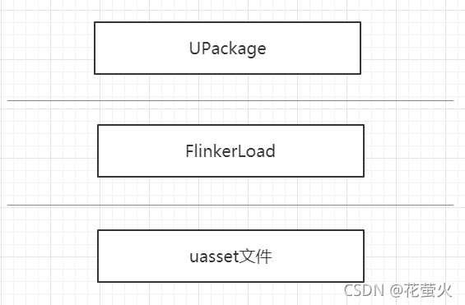
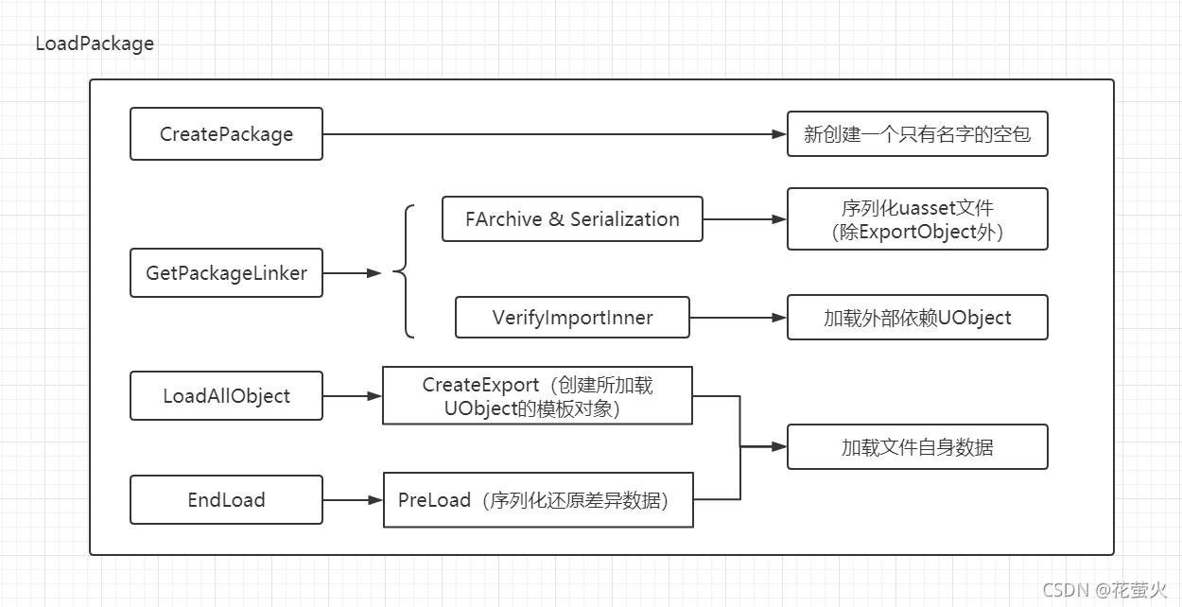
UPackage 序列化到本地之后就是 uasset 文件。uasset 是本地的资源文件，文件格式如图

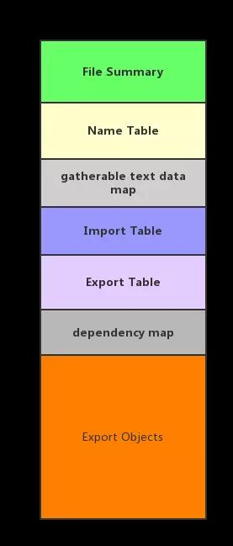

 | File Summary 文件头信息
 | Name Table 包中对象的名字表
 | Import Table 存放被该包中对象引用的其它包中的对象信息 (路径名和类型)
 | Export Table 该包中的对象信息 (路径名和类型)
 | Export Objects 所有 Export Table 中对象的实际数据

 | 可以把 ImportTable 看做是这个资源所依赖的其他资源的列表，ExportTable 就是这个资源本身的列表

FLinkerLoad 是作为 uasset 和内存 UPackage 的中间桥梁。在加载内容生成 UPackage 的时候，UPackage 会根据名字找到 uasset 文件，由 FLinkerLoad 来负责加载

iostore读取
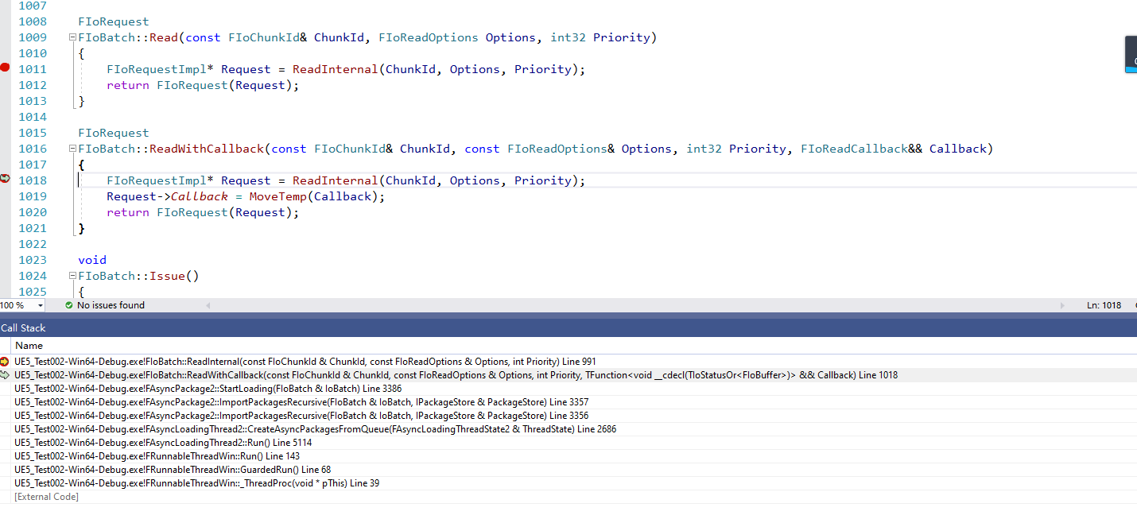
IoStore一种新的读文件方式

 | bool FAsyncLoadingThread2::CreateAsyncPackagesFromQueue(FAsyncLoadingThreadState2& ThreadState)

OpenAsyncRead
编辑器下是阻塞读取
 | IFileHandle* MyPlatformFile::OpenRead(const TCHAR* Filename, bool bAllowWrite)
非编辑器下面都是异步读取的
 | IAsyncReadFileHandle* MyPlatformFile::OpenAsyncRead(const TCHAR* Filename)

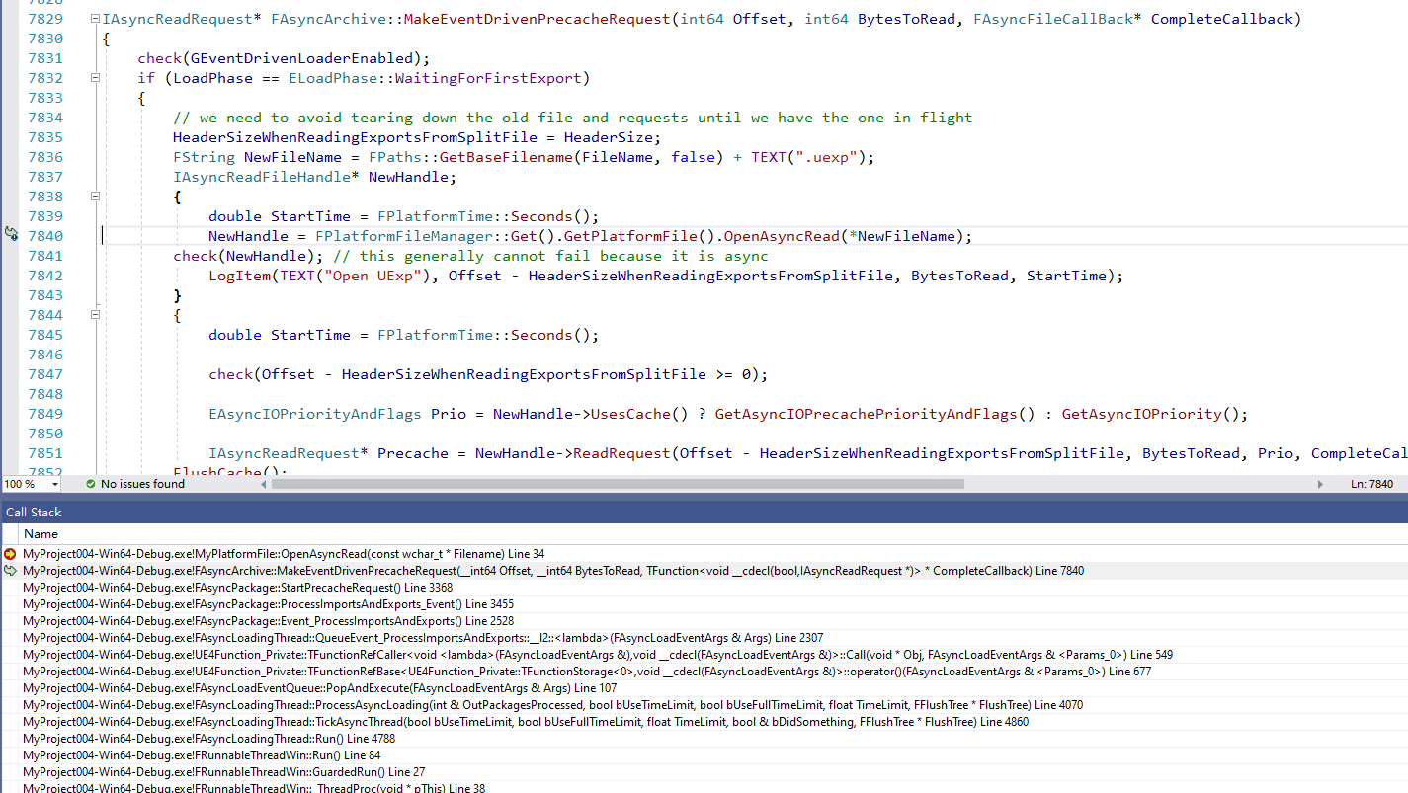
异步读取实际接口 |  | FAsyncPackage::ProcessImportsAndExports_Event()
独立线程读取
 | ReadRequest::PerformRequest()

