运行原理
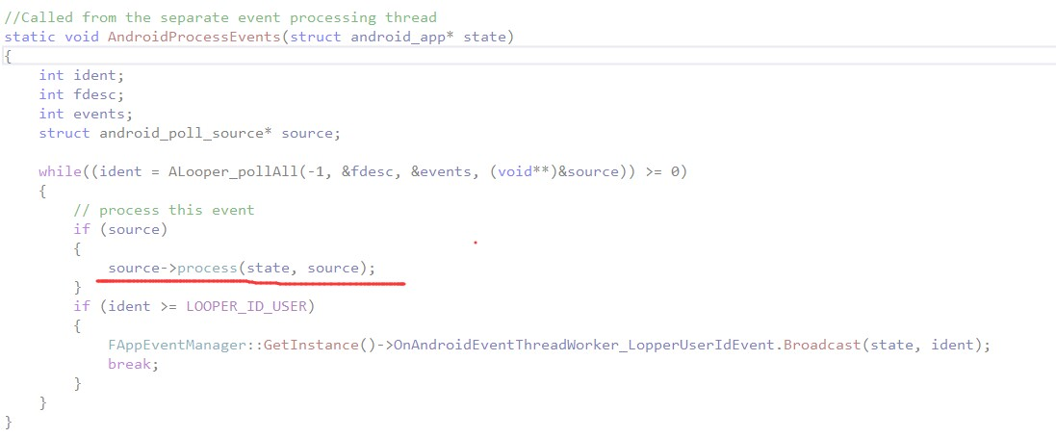
Android底层NDK初始化
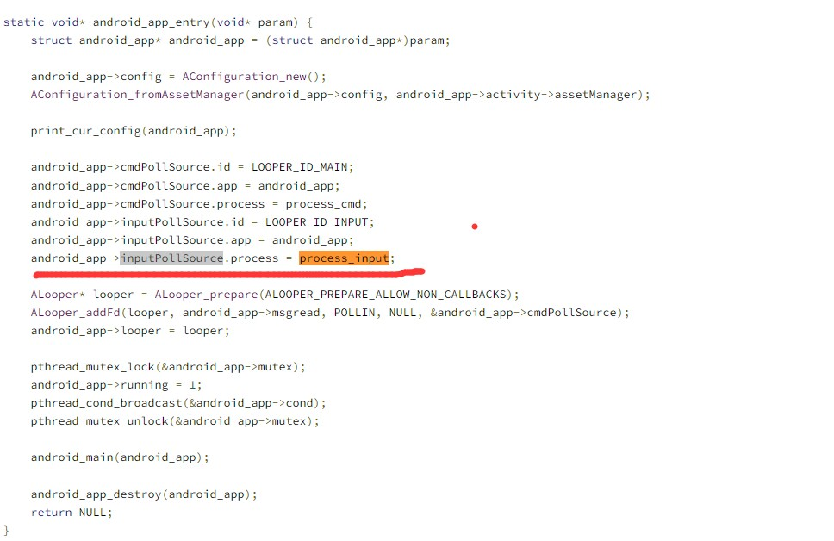

NDK的输入回调
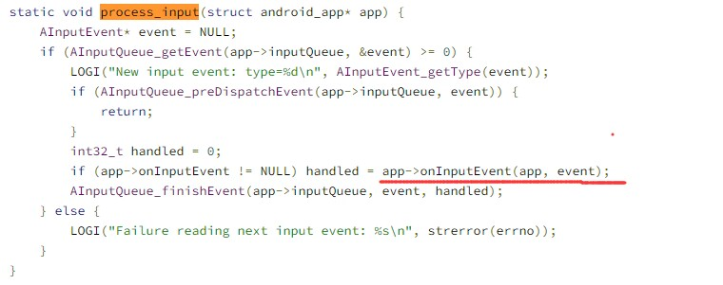

应用层不断的调用Alpooer_PollAll获取消息，回调到Android的NDK OnInputEvent

