共存的对象
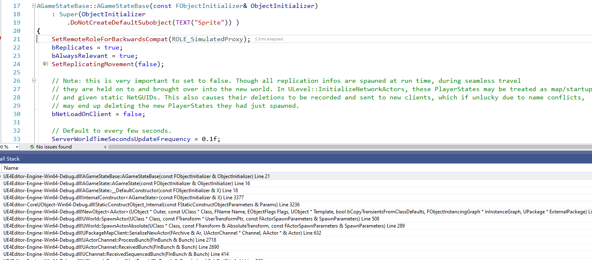
1 | GameState
 |  |  | ！！！！注意，仅仅是这个地方不依赖于GameMode创建了，但是会通过协议让客户端创建 |  |  |  |  | ！！！！一定要注意
 |  | DS服务器创建 | GameState类，在DS下面客户端没该类，因为他是在gameMode里面创建的

 |  |  | void AGameModeBase::PreInitializeComponents()

 |  |  |  | FActorSpawnParameters SpawnInfo;
 |  |  |  | SpawnInfo.Instigator = GetInstigator();
 |  |  |  | SpawnInfo.ObjectFlags |= RF_Transient; | // We never want to save game states or network managers into a map

 |  |  |  | // Fallback to default GameState if none was specified.
 |  |  |  | if (GameStateClass == nullptr)
 |  |  |  | {
 |  |  |  |  | UE_LOG(LogGameMode, Warning, TEXT("No GameStateClass was specified in %s (%s)"), *GetName(), *GetClass()->GetName());
 |  |  |  |  | GameStateClass = AGameStateBase::StaticClass(); |  |  |  |  | ！！！肯定确保是有GameStateClass的
 |  |  |  | }

 |  |  |  | UWorld* World = GetWorld();
 |  |  |  | GameState = World->SpawnActor<AGameStateBase>(GameStateClass, SpawnInfo); |  |  |  |  |  | ！！！创建AGameStateBase
 |  |  |  | World->SetGameState(GameState);
 |  |  |  | if (GameState)
 |  |  |  | {
 |  |  |  |  | GameState->AuthorityGameMode = this;
 |  |  |  | }

 |  |  |  | // Only need NetworkManager for servers in net games
 |  |  |  | AWorldSettings* WorldSettings = World->GetWorldSettings(); |  |  |  |  |  | ！！！创建GameNetworkManager，这个干啥用的呢？？？
 |  |  |  | World->NetworkManager = WorldSettings->GameNetworkManagerClass ? World->SpawnActor<AGameNetworkManager>(WorldSettings->GameNetworkManagerClass, SpawnInfo) : nullptr;

 |  |  |  | InitGameState();
 |  |  |  |  |  | 相互设置一下
 |  |  |  |  |  | void AGameModeBase::InitGameState()
 |  |  |  |  |  | {
 |  |  |  |  |  |  | GameState->GameModeClass = GetClass();
 |  |  |  |  |  |  | GameState->ReceivedGameModeClass();

 |  |  |  |  |  |  | GameState->SpectatorClass = SpectatorClass;
 |  |  |  |  |  |  | GameState->ReceivedSpectatorClass();
 |  |  |  |  |  | }

 |  | 客户端创建 |  |  |  |  |  |  | ！！！！一定要注意
 |  |  | ！！！！注意，仅仅是这个地方不依赖于GameMode创建了，但是会通过协议让客户端创建 |  |  |  |  |  | ！！！区分于非客户端的那种

