FAsyncLoadingThread2
1 | 一般情况下，就是用FAsyncLoadingThread即可，这个里面就是普通的读取文件
 | 我们在IPlatFromFile里面就可以通过OpenRead, OpenAyncRead来读取

2 | 但是，如果编辑器打包里面选择了：
 | 后续就用FAsyncLoadingThread2了，这个不是走的IPlatformFile那一套，所以OpenRead监听不到

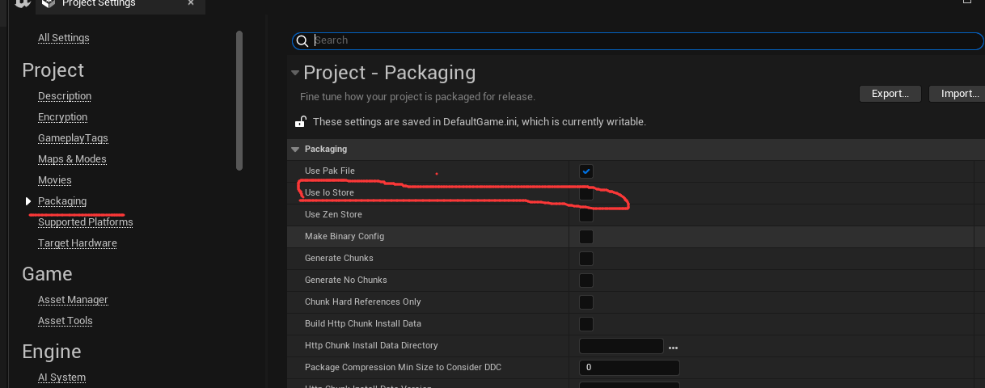
 | 新的一套读取文件的方式

 | FIoBatch

 | IPackageStore

async read
发起流程
 | 开始异步读取
 | IAsyncReadFileHandle* IORequestHandle = FPlatformFileManager::Get().GetPlatformFile().OpenAsyncRead(*Filename);

 | IAsyncReadFileHandle类
 | virtual IAsyncReadRequest* ReadRequest(int64 Offset, int64 BytesToRead, EAsyncIOPriorityAndFlags PriorityAndFlags = AIOP_Normal, FAsyncFileCallBack* CompleteCallback = nullptr, uint8* UserSuppliedMemory = nullp
 |  | 创建一个Request，不同平台不一样
 |  | FGenericReadRequest* Result = new FGenericReadRequest(this, LowerLevel, *Filename, CompleteCallback, UserSuppliedMemory, Offset, BytesToRead, PriorityAndFlags);

 |  | FGenericReadRequest构造函数里面会调用Start
 |  | Start(); |  |  | 其内部会吧自己注册到线程池里面等待结果

发起后读取的逻辑：
 |  | uint32 FRunnableThreadWin::Run()
 |  | uint32 FQueuedThread::Run()

 |  |  | 不断的执行
 |  |  | IQueuedWork* LocalQueuedWork = QueuedWork; |  |  |  |  |  |  |  | ！！这个QueuedWork是什么？何时赋值的？
 |  |  | QueuedWork = nullptr;
 |  |  | FPlatformMisc::MemoryBarrier();
 |  |  | check(LocalQueuedWork || TimeToDie.Load(EMemoryOrder::Relaxed)); // well you woke me up, where is the job or termination request?
 |  |  | while (LocalQueuedWork)
 |  |  | {
 |  |  |  | // Tell the object to do the work
 |  |  |  | LocalQueuedWork->DoThreadedWork();
 |  |  |  | // Let the object cleanup before we remove our ref to it
 |  |  |  | LocalQueuedWork = OwningThreadPool->ReturnToPoolOrGetNextJob(this);
 |  |  | }

 |  | template<typename TTask>
 |  | class FAsyncTask : private IQueuedWork
 |  | virtual void DoThreadedWork() override

 |  |  | 阻塞读取文件内容
 |  |  | DoWork();
 |  |  | 通知完成
 |  |  | FinishThreadedWork();

 |  | 阻塞读取逻辑
 |  | void DoWork()
 |  |  | {
 |  |  |  | LLM_SCOPE(InheritedLLMTag); |  |  |  |  |  |  |  | 堆栈分析
 |  |  |  | FScopeCycleCounter Scope(Task.GetStatId(), true);
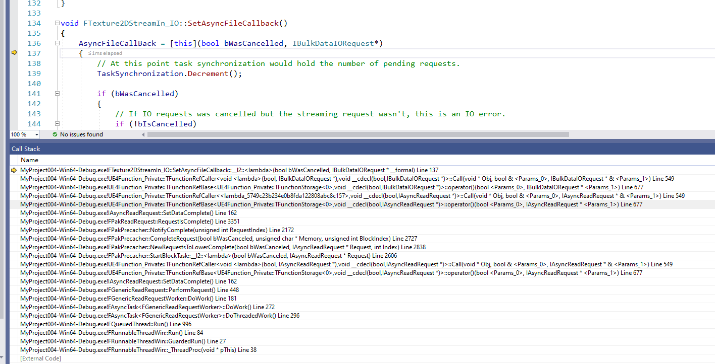
 |  |  |  | Task.DoWork(); |  |  |  |  | void FGenericReadRequestWorker::DoWork()
 |  |  |  | check(WorkNotFinishedCounter.GetValue() == 1);
 |  |  |  | WorkNotFinishedCounter.Decrement();
 |  |  | }

 |  | void FGenericReadRequestWorker::DoWork()
 |  | {
 |  |  | ReadRequest.PerformRequest();
 |  | }

 |  | 读取文件，如果分配内存了就读取缓冲池，没有的话先分配在读取
 |  | void FGenericReadRequest::PerformRequest()

 |  |  | 读取文件内容 |  |  | ！！！
 |  |  | Handle->Read(Memory, BytesToRead);
 |  |  | 通知完成
 |  |  | SetComplete();
 |  |  |  |  |  | 这个回调的函数是： | FAsyncFileCallBack CallbackFromLower =
 |  |  |  |  |  |  |  | [this, IndexToFill, bDoCheck](bool bWasCanceled, IAsyncReadRequest* Request)
 |  |  |  |  |  |  |  | {
 |  |  |  |  |  |  |  |  | if (bEnableSignatureChecks && bDoCheck)
 |  |  |  |  |  |  |  |  | {
 |  |  |  |  |  |  |  |  |  | StartSignatureCheck(bWasCanceled, Request, IndexToFill);
 |  |  |  |  |  |  |  |  | }
 |  |  |  |  |  |  |  |  | else
 |  |  |  |  |  |  |  |  | {
 |  |  |  |  |  |  |  |  |  | NewRequestsToLowerComplete(bWasCanceled, Request, IndexToFill);
 |  |  |  |  |  |  |  |  | }
 |  |  |  |  |  |  |  | };

