detail mode
低端机器可以设置detail mode，这样子就不显示了，提高渲染效率
但是内存还是会占用，仅仅不渲染

/** Detail mode for scene component rendering, corresponds with the integer value of UWorld::GetDetailMode() */
UENUM()
enum EDetailMode
{
 | DM_Low UMETA(DisplayName="Low"),
 | DM_Medium UMETA(DisplayName="Medium"),
 | DM_High UMETA(DisplayName="High"),
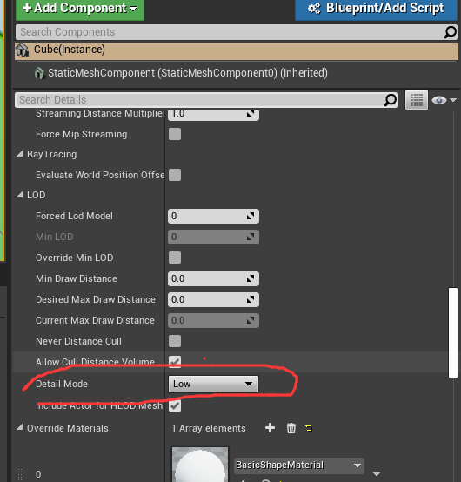
 | DM_MAX,
};

// If the primitive isn't hidden and the detail mode setting allows it, add it to the scene.
if (ShouldComponentAddToScene())
{
 | if (Context != nullptr)
 | {
 |  | Context->AddPrimitive(this);
 | }
 | else
 | {
 |  | GetWorld()->Scene->AddPrimitive(this);
 | }
}

比设置的DetailMode小，才可以显示
bool USceneComponent::ShouldComponentAddToScene() const
{
 | // If the detail mode setting allows it, add it to the scene.
 | return DetailMode <= GetCachedScalabilityCVars().DetailMode;
}

