UDP的断开处理
UDP编程，没有连接的概念，虽然UE做了连接握手处理来模拟连接，但是对于断开怎么做了？？？？

 | 依赖于ICMP，如果客户端关闭了，则sendto就会产生目标不可达，然后再receivefrom时就会报错：ECONNREFUSED |  |  | ！！！有目标地址，但是返回是-1
 | 然后就表示连接断开了

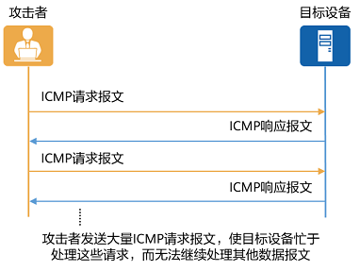
ICMP与DOS攻击

 |  |  | https://info.support.huawei.com/info-finder/encyclopedia/zh/ICMP.html

recvfrom |  | 会发现有Connection refused错误返回，错误码是ECONNREFUSED

ECONNREFUSED
A remote host refused to allow the network connection (typically because it is not running the requested service).

