Fatture
Data | Cliente | Categoria | Importo fattura | Spese di spedizione | CATEGORIA | TOT FATTURE | TOT FATTURATO
2000-01-04 | Ferguson and Bardell | Abbigliamento | € 50,000.00 | € 16.00 | Abbigliamento | 11 | 611,780.00 €
2000-01-09 | Chateau St. Mark | Abbigliamento | € 29,970.00 | € 29.00 | Alimentari | 5 | 30,860.00 €
2000-01-12 | H&B | Svago | € 27,560.00 | € 21.00 | Personale | 4 | 54,000.00 €
2000-01-18 | Fletcher's for Children | Attrezzatura | € 43,500.00 | € 29.00 | Hardware | 4 | 6,765,600.00 €
2000-01-20 | Barber Shop | Personale | € 13,500.00 | € 15.00
2000-01-22 | Allstate | Assicurazione | € 50,800.00 | € 22.00
2000-01-23 | Canon USA | Ufficio | € 98,450.00 | € 21.00 | CLIENTE | TOT FATTURE | TOT FATTURATO
2000-01-26 | H&B | Svago | € 45,890.00 | € 18.00 | Allstate | 1 | 50,800.00 €
2000-01-27 | America Online | Posta elettronica | € 7,950.00 | € 23.00 | America Online | 1 | 7,950.00 €
2000-01-28 | Deluxe Business Forms | Ufficio | € 87,450.00 | € 24.00 | Biergarten | 1 | 27,270.00 €
2000-01-29 | Agora Publishing | Manuali | € 295,000.00 | € 27.00 | Biobottoms | 4 | 283,000.00 €
2000-01-30 | Fletcher's for Children | Mobili | € 348,980.00 | € 15.00 | Canon USA | 1 | 98,450.00 €
2000-02-02 | Furrow Building Materials | Educazione dei figli | € 127,490.00 | € 17.00 | Epcot Center | 2 | 107,700.00 €
2000-02-02 | Chinaberry Book | Svago | € 49,400.00 | € 13.00 | H&B | 2 | 73,450.00 €
2000-02-17 | Alaska Airlines | Viaggio d'affari | € 201,000.00 | € 14.00
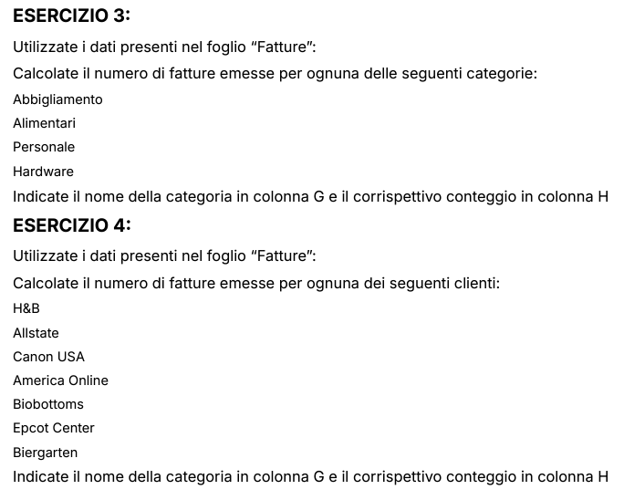
2000-02-17 | American Airlines | Viaggio d'affari | € 1,368,000.00 | € 28.00
2000-02-20 | DeFrisco's | Ristorante | € 36,850.00 | € 16.00
2000-02-24 | Biobottoms | Abbigliamento | € 151,500.00 | € 13.00
2000-03-04 | Barber Shop | Personale | € 13,500.00 | € 20.00
2000-03-08 | Airport City Taxi | Viaggio d'affari: trasporto | € 17,000.00 | € 18.00
2000-03-09 | Epcot Center | Svago | € 35,900.00 | € 16.00
2000-03-09 | Biergarten | Viaggio d'affari: pasti | € 27,270.00 | € 14.00
2000-03-09 | Dolphin Hotel | Viaggio d'affari: pasti | € 13,400.00 | € 14.00
2000-03-10 | Biobottoms | Abbigliamento | € 19,000.00 | € 17.00
2000-03-10 | Epcot Center | Svago | € 71,800.00 | € 18.00
2000-03-10 | Dolphin Hotel | Viaggio d'affari: pasti | € 12,280.00 | € 14.00
2000-03-10 | Dolphin Hotel | Viaggio d'affari: pasti | € 14,670.00 | € 17.00
2000-03-11 | After the Stork | Abbigliamento | € 163,500.00 | € 18.00
2000-03-11 | DAK Industries | Mobili | € 183,900.00 | € 26.00
2000-03-11 | Chambers | Regali | € 43,500.00 | € 16.00
2000-03-11 | Cap n Jacks | Viaggio d'affari: pasti | € 10,730.00 | € 17.00
2000-03-11 | Dallas Airport | Viaggio d'affari: pasti | € 11,210.00 | € 25.00
2000-03-11 | Avis | Viaggio d'affari: trasporto | € 127,950.00 | € 20.00
2000-03-12 | Annual fee | Operazioni bancarie | € 20,000.00 | € 23.00
2000-03-12 | Concession Air, Portland Airport | Viaggio d'affari: pasti | € 7,850.00 | € 25.00
2000-03-13 | Furrow Building Materials | Educazione dei figli | € 127,490.00 | € 21.00
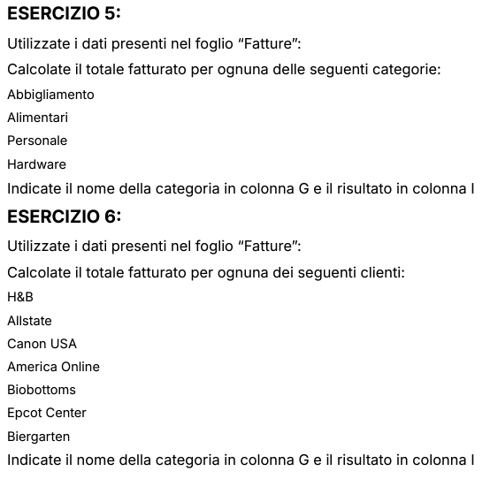
2000-03-13 | Bagels | Ristorante | € 3,950.00 | € 17.00
2000-03-13 | Ferguson and Bardell | Salute | € 50,000.00 | € 15.00
2000-03-15 | Childcraft Catalog | Giocattoli e libri | € 16,650.00 | € 24.00
2000-03-18 | Chinaberry Book | Svago | € 87,300.00 | € 18.00
2000-03-19 | Gateway 2000 | Hardware | € 2,425,000.00 | € 11.00
2000-03-23 | Brights Creek | Abbigliamento | € 18,230.00 | € 21.00
2000-03-24 | Avis | Viaggio d'affari: trasporto | € 78,530.00 | € 25.00
2000-03-24 | Classic Cab Company | Viaggio d'affari: trasporto | € 21,000.00 | € 18.00
2000-03-27 | David Kay | Abitazione | € 34,900.00 | € 16.00
2000-03-29 | Bagels | Ristorante | € 8,000.00 | € 22.00
2000-03-29 | Evergreen Photo | Svago | € 24,660.00 | € 27.00
2000-03-31 | Gardeners Eden | Abitazione | € 22,450.00 | € 18.00
2000-04-06 | Gardeners Eden | Abitazione | € 44,950.00 | € 20.00
2000-04-08 | Elco Computers | Hardware | € 55,600.00 | € 11.00
2000-04-13 | DeLorme Publishing | Software ufficio | € 84,500.00 | € 21.00
2000-04-16 | After the Stork | Abbigliamento | € 51,800.00 | € 21.00
2000-04-16 | Biobottoms | Abbigliamento | € 31,000.00 | € 16.00
2000-04-21 | Biobottoms | Abbigliamento | € 81,500.00 | € 25.00
2000-04-21 | DAK Industries | Mobili | € 183,900.00 | € 18.00
2000-04-21 | Barber Shop | Personale | € 13,500.00 | € 18.00
2000-04-22 | Food Value | Alimentari | € 2,010.00 | € 21.00
2000-04-24 | Friendship House | Abitazione | € 36,300.00 | € 23.00
2000-04-26 | Brights Creek | Abbigliamento | € 7,640.00 | € 20.00
2000-04-28 | Airport City Taxi | Viaggio d'affari: trasporto | € 18,000.00 | € 21.00
2000-04-29 | Food Value | Alimentari | € 8,730.00 | € 18.00
2000-04-29 | Airport City Taxi | Viaggio d'affari: trasporto | € 19,000.00 | € 12.00
2000-05-03 | Gateway 2000 | Hardware | € 2,425,000.00 | € 21.00
2000-05-05 | Gateway 2000 | Hardware | € 1,860,000.00 | € 19.00
2000-05-06 | Great Harvest Bakery | Alimentari | € 6,570.00 | € 13.00
2000-05-07 | GG&G | Benzina | € 14,000.00 | € 16.00
2000-05-19 | Best Products | Attrezzatura | € 29,980.00 | € 19.00
2000-05-20 | Cato Institute | Svago | € 17,950.00 | € 17.00
2000-05-20 | Evergreen Photo | Svago | € 32,320.00 | € 20.00
2000-05-21 | Baker's Pharmacy | Salute | € 27,350.00 | € 19.00
2000-05-26 | GG&G | Benzina | € 15,000.00 | € 20.00
2000-06-04 | Barber Shop | Personale | € 13,500.00 | € 21.00
2000-06-05 | Great Harvest Bakery | Alimentari | € 8,600.00 | € 22.00
2000-06-08 | Fletcher's for Children | Attrezzatura | € 15,980.00 | € 14.00
2000-06-09 | Brights Creek | Abbigliamento | € 7,640.00 | € 22.00
2000-06-20 | Bridgewater Restaurant, Florence | Ristorante | € 40,650.00 | € 17.00
2000-06-23 | H & B Recordings | Svago | € 50,280.00 | € 20.00
2000-06-23 | H & B Recordings | Svago | € 1,050.00 | € 21.00
2000-06-28 | Flower Market | Alimentari | € 4,950.00 | € 28.00

